Figure 7A
 | Summary of PGE-2 measurments after acUVB

Plate map |  |  |  | Mass (mg) of the sample lysed in 1ml (1/120 dilution in experiment)
Standard (pg/ml) | IgUV | Control
 |  |  |  | Ig UV A | 78.6
1000 | A | A | A | Ig UV B | 25.4
500 | A | A | A | Ig UV C | 54.8
250 | B | B | B | Ig UV D | 51.3
125 | B | B | B
62.5 | C | C | C | Ig A | 40.4
31.25 | C | C | C | Ig B | 49.3
15.625 | D (male) | D | D | Ig C | 48
7.8125 | D (male) | D | D | Ig D | 55.1

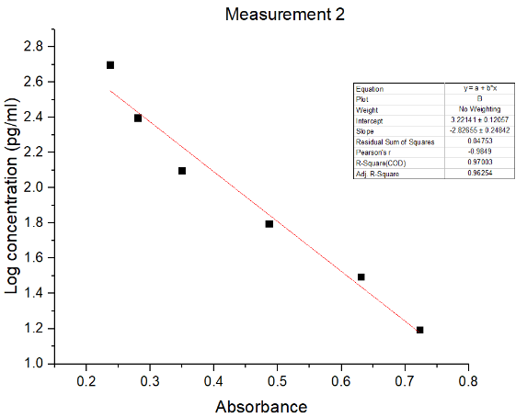

MEASUREMENT 2: Absorbance Quick Read 2021.09.16 11:23:17 |  |  |  | Fitted standard curve 15.625-500pg/ml
2.39E-01 | 2.63E-01 | 4.91E-01
2.37E-01 | 2.57E-01 | 4.87E-01
2.81E-01 | 3.92E-01 | 5.05E-01 |  | Log concentration = -2.82655 x absorbance + 3.22141
3.49E-01 | 3.80E-01 | 5.25E-01
4.86E-01 | 3.18E-01 | 4.77E-01
6.31E-01 | 3.18E-01 | 4.95E-01
7.23E-01 | 2.97E-01 | 3.34E-01
8.27E-01 | 3.08E-01 | 3.27E-01

 | Replicate 1 | Replicate 2 | Average | Concentration (pg/ml) |  | Normalised to 1g of tissue (ng/g)
Ig UV A | 0.26260729911 | 0.2567729653 | 0.25969013221 | 307.17287095 |  | 468.96621519
Ig UV B | 0.3924271435 | 0.38041899463 | 0.38642306906 | 134.63744892 |  | 636.08243585
Ig UV C | 0.31827725076 | 0.31837691898 | 0.31832708487 | 209.72131793 |  | 459.2437619
Ig UV D | 0.29650891423 | 0.30822939454 | 0.30236915438 | 232.67432714 |  | 544.26743192

Ig A | 0.49129493609 | 0.48745277657 | 0.48937385633 | 68.892243256 |  | 204.63042551
Ig B | 0.50486349313 | 0.52492176923 | 0.51489263118 | 58.349915754 |  | 142.0281925
Ig C | 0.47655635142 | 0.49547101733 | 0.48601368437 | 70.415459954 |  | 176.03864988
Ig D | 0.33410879129 | 0.32683177819 | 0.33047028474 | 193.78458028 |  | 422.03538356

Figure 7B
 | Summary of PGE-2 measurments after immune cell depletion

Plate map |  |  |  | Mass (mg) of the sample lysed in 1ml (1/120 dilution in experiment)
Standard (pg/ml) | PBS | CD4 | CD8
 |  |  |  | PBS A | 25.4
1000 | A | A | A | PBS B | 34.6
500 | A | A | A | PBS C | 23.1
250 | B | B | B | PBS D | 56.8
125 | B | B | B
62.5 | C | C | C | CD4 A | 40.9
31.25 | C | C | C | CD4 B | 24.4
15.625 | D | D | D | CD4 C | 13
7.8125 | D | D | D | CD4 D | 12.7

 |  |  |  | CD8 A | 33.9
 |  |  |  | CD8 B | 24.8
 |  |  |  | CD8 C | 31.4
 |  |  |  | CD8 D | 19.2

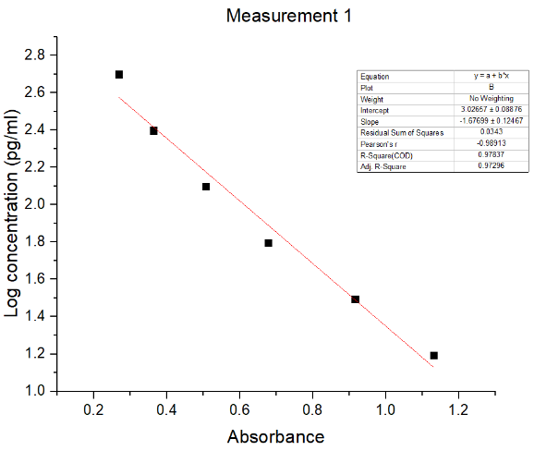

MEASUREMENT 1: Absorbance Quick Read 2021.08.20 11:52:40 |  |  |  | Fitted standard curve 15.625-500pg/ml
2.33E-01 | 4.22E-01 | 2.97E-01 | 3.60E-01
2.68E-01 | 4.30E-01 | 3.06E-01 | 3.55E-01
3.64E-01 | 3.20E-01 | 4.94E-01 | 3.97E-01 | Log concentration = -1.67699 x absorbance +3.02657
5.07E-01 | 3.06E-01 | 4.88E-01 | 3.81E-01
6.78E-01 | 5.05E-01 | 5.39E-01 | 3.03E-01
9.16E-01 | 5.24E-01 | 5.60E-01 | 3.11E-01
1.13E+00 | 3.71E-01 | 6.48E-01 | 4.65E-01
1.20E+00 | 3.75E-01 | 6.13E-01 | 4.58E-01

 | Replicate 1 | Replicate 2 | Average | Concentration (pg/ml) |  | Normalised to 1g of tissue (ng/g)
PBS A | 0.42206809106 | 0.43025086005 | 0.42615947555 | 205.07127004 |  | 968.84064587
PBS B | 0.31994214563 | 0.30566248069 | 0.31280231316 | 317.69007622 |  | 1101.8152932
PBS C | 0.50453322429 | 0.52443149614 | 0.51448236021 | 145.8103078 |  | 757.45614442
PBS D | 0.37143452803 | 0.37494298808 | 0.37318875806 | 251.61480108 |  | 531.58056567

CD4 A | 0.29731474967 | 0.30634116387 | 0.30182795677 | 331.4419953 |  | 972.44595199
CD4 B | 0.49409278191 | 0.48844837412 | 0.49127057801 | 159.48291072 |  | 784.34218389
CD4 C | 0.53910580877 | 0.56034607405 | 0.54972594141 | 127.25799999 |  | 1174.6892307
CD4 D | 0.64825721011 | 0.61285352356 | 0.63055536683 | 93.13972587 |  | 880.06040192

CD8 A | 0.35953790553 | 0.35528153084 | 0.35740971818 | 267.42221195 |  | 946.62729895
CD8 B | 0.39684960789 | 0.38077736323 | 0.38881348556 | 236.88287909 |  | 1146.2074795
CD8 C | 0.30315090253 | 0.31072963586 | 0.30694026919 | 324.96324136 |  | 1241.8977377
CD8 D | 0.46545574737 | 0.45837550285 | 0.46191562511 | 178.6249482 |  | 1116.4059262

