Fig 3 Supp 1 Panel C-D
 | Fig. 3-fig.supp. 3C |  |  |  |  |  | Fig. 3-fig.supp. 3D (left panel)
 |  |  |  |  |  |  |  |  |  | Fig. 3-fig.supp. 3D (left panel)
AverageTrace: 1Ca ADP response in TREM2 KO cells- SOCE inhibitors Gd3+ and 2-APB
X-axis: Time (s), Y-axis: Fluo-4/Fura-Red Ratio; SEM: std.error of mean |  |  |  |  |  |  | Peak Ca2+ responde to ADP (baseline subtracted)
 |  |  |  |  |  |  |  |  |  | Cyt Ca2+ at 5 min. (baseline subtracted)
 | Control |  | 4mM Gd3+ |  | 50mM 2-APB |  | Control | 4mM Gd3+ | 50mM 2-APB
 | Mean | SEM | Mean | SEM | Mean | SEM | KO_con_Peak-BL | KO_Gd_Peak-BL | KO_APB_Peak-BL | Control | 4mM Gd3+ | 50mM 2-APB
 |  |  |  |  |  |  |  |  |  | KO_con_5min | KO_Gd_5min | KO_APB_5min
0 | 0.158452 | 0.003515 | 0.164451 | 0.004962 | 0.145306 | 0.003128 | 1.532231 | 1.208088 | 1.432606
3 | 0.16282 | 0.003444 | 0.165724 | 0.003436 | 0.144211 | 0.002936 | 1.374199 | 1.509187 | 1.199837 | 0.605608 | 0.035071 | 0.007827
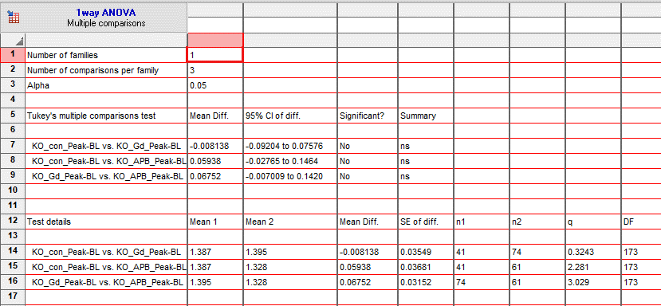
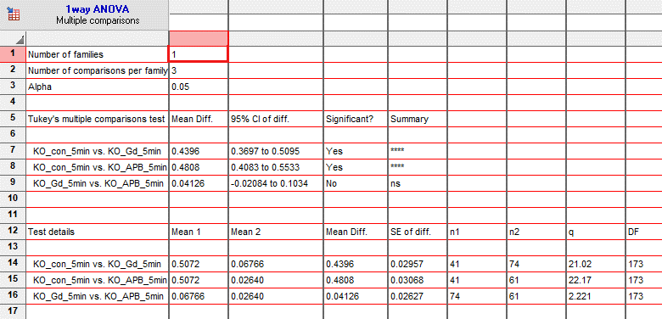
6 | 0.16053 | 0.00338 | 0.166565 | 0.005857 | 0.143883 | 0.002998 | 1.361059 | 1.524701 | 1.363532 | 0.6997 | 0 | 0.091159
9 | 0.164308 | 0.003013 | 0.167584 | 0.004371 | 0.14121 | 0.003007 | 1.358278 | 1.575886 | 1.427161 | 0.513886 | 0 | 0.011549
12 | 0.160692 | 0.003426 | 0.165297 | 0.003995 | 0.145296 | 0.003284 | 1.299641 | 1.593742 | 1.383721 | 0.538397 | 0 | 0.040918
15 | 0.161081 | 0.003994 | 0.163953 | 0.004652 | 0.14641 | 0.003298 | 1.401766 | 1.476981 | 1.129956 | 0.408352 | 0.011677 | 0.055079
18 | 0.16815 | 0.005001 | 0.167135 | 0.005339 | 0.145944 | 0.003239 | 1.218706 | 1.624418 | 1.194137 | 1.046715 | 0.026286 | 0.009585
21 | 0.16367 | 0.004071 | 0.166545 | 0.004437 | 0.144353 | 0.003211 | 1.273982 | 1.585766 | 1.16184 | 0.490726 | 0 | 0.073984
24 | 0.165033 | 0.004131 | 0.169495 | 0.005184 | 0.143795 | 0.003111 | 1.425163 | 1.418304 | 0.763324 | 0.545692 | 0 | 0.033099
27 | 0.165302 | 0.003979 | 0.168141 | 0.005082 | 0.14617 | 0.00327 | 1.303369 | 1.535487 | 1.388159 | 1.081567 | 0 | 0.02536
30 | 0.170604 | 0.00437 | 0.171614 | 0.00399 | 0.143757 | 0.002579 | 1.414846 | 1.308056 | 1.165642 | 0.69104 | 0.004956 | 0.017168
33 | 0.165717 | 0.003822 | 0.167083 | 0.00404 | 0.143336 | 0.003024 | 1.564438 | 1.195076 | 1.720325 | 0.488108 | 0.01572 | 0.057571
36 | 0.170385 | 0.004166 | 0.168655 | 0.003826 | 0.146352 | 0.003268 | 1.448167 | 1.392908 | 1.545146 | 0.395136 | 0 | 0.00611
39 | 0.169823 | 0.003405 | 0.167641 | 0.004267 | 0.144774 | 0.003003 | 1.360914 | 1.146115 | 0.968608 | 0.076646 | 0.000444 | 0.031102
42 | 0.169892 | 0.003814 | 0.169425 | 0.004866 | 0.14445 | 0.003138 | 1.491577 | 1.353111 | 0.975239 | 0.777807 | 0.013363 | 0.013981
45 | 0.168349 | 0.003697 | 0.167439 | 0.004311 | 0.146571 | 0.003407 | 1.568641 | 1.310684 | 1.503479 | 0.488038 | 0.514245 | 0.005867
48 | 0.16636 | 0.003265 | 0.164548 | 0.004141 | 0.148516 | 0.00315 | 1.545696 | 1.549976 | 1.420951 | 0.809198 | 0 | 0.057072
51 | 0.166953 | 0.003775 | 0.161904 | 0.003184 | 0.14424 | 0.002987 | 1.114953 | 1.221694 | 1.125852 | 0.42964 | 0.006841 | 0.054537
54 | 0.16666 | 0.003612 | 0.166838 | 0.004494 | 0.147262 | 0.003349 | 1.451243 | 1.336454 | 1.476937 | 0.340336 | 0 | 0.112491
57 | 0.165032 | 0.003555 | 0.167264 | 0.004327 | 0.145189 | 0.003246 | 1.41402 | 1.274507 | 1.359373 | 0.473507 | 0.175689 | 0.02228
60 | 0.166962 | 0.003408 | 0.16461 | 0.003874 | 0.147764 | 0.003411 | 1.45385 | 1.417849 | 1.540551 | 0.041186 | 0 | 0.017092
63 | 0.169211 | 0.003923 | 0.165642 | 0.003922 | 0.148642 | 0.003477 | 1.582689 | 1.522331 | 1.354144 | 0.43817 | 0 | 0.004678
66 | 0.164716 | 0.004224 | 0.163646 | 0.005052 | 0.146948 | 0.003403 | 1.279267 | 1.33352 | 1.725581 | 0.761907 | 0 | 0.002304
69 | 0.166036 | 0.004039 | 0.162405 | 0.004668 | 0.145649 | 0.003415 | 1.288412 | 1.505507 | 1.234699 | 0.266872 | 0.029189 | 0
72 | 0.170765 | 0.003625 | 0.160099 | 0.003818 | 0.146813 | 0.003433 | 1.203236 | 1.236857 | 1.61188 | 0.221016 | 0.527531 | 0.071302
75 | 0.169206 | 0.004026 | 0.165433 | 0.003881 | 0.151097 | 0.003362 | 1.185345 | 1.377482 | 1.30111 | 0.112365 | 0.149004 | 0.00031
78 | 0.165637 | 0.003489 | 0.164417 | 0.005507 | 0.145084 | 0.003244 | 1.506055 | 1.076642 | 1.400561 | 0.142749 | 0.156395 | 0.025873
81 | 0.167513 | 0.004118 | 0.16382 | 0.00366 | 0.14711 | 0.003006 | 1.340579 | 1.325842 | 1.522994 | 0.603409 | 0.031092 | 0
84 | 0.169227 | 0.004392 | 0.159779 | 0.003614 | 0.147057 | 0.003372 | 1.482907 | 1.306398 | 1.439683 | 0.764737 | 0 | 0.030256
87 | 0.165936 | 0.003216 | 0.161287 | 0.00365 | 0.144374 | 0.003145 | 1.205966 | 1.268685 | 1.481007 | 0.663152 | 0.061074 | 0.00723
90 | 0.169291 | 0.003344 | 0.161727 | 0.003321 | 0.142664 | 0.003516 | 1.289099 | 1.377415 | 1.725453 | 0.243105 | 0.019326 | 0.014823
93 | 0.529885 | 0.054197 | 0.164303 | 0.003387 | 0.145626 | 0.003003 | 1.456318 | 1.586456 | 1.509443 | 0.09758 | 0.020097 | 0.025121
96 | 1.513246 | 0.020878 | 0.69424 | 0.043662 | 1.175248 | 0.062148 | 1.52826 | 1.575865 | 1.623165 | 0.507848 | 0.017215 | 0.018836
99 | 1.416611 | 0.022974 | 1.528555 | 0.019005 | 1.431943 | 0.033182 | 1.387207 | 1.641419 | 1.317956 | 0.657166 | 0.238109 | 0.011415
102 | 1.260057 | 0.024537 | 1.405715 | 0.020551 | 1.294969 | 0.029738 | 1.430135 | 1.07538 | 1.474511 | 0.747051 | 0.091509 | 0.023556
105 | 1.103696 | 0.024801 | 1.219133 | 0.017716 | 1.04228 | 0.031724 | 1.274182 | 1.34933 | 0.891979 | 0.758372 | 0.001642 | 0.01967
108 | 1.004808 | 0.026645 | 1.048013 | 0.017494 | 0.759836 | 0.028629 | 1.190118 | 1.451988 | 1.181805 | 0.400079 | 0.04043 | 0.009121
111 | 0.971639 | 0.027671 | 0.893724 | 0.017874 | 0.602207 | 0.025265 | 1.584712 | 1.44388 | 1.430586 | 0.100365 | 0.398596 | 0.06025
114 | 0.922164 | 0.027306 | 0.78712 | 0.017634 | 0.535072 | 0.022355 | 1.540644 | 1.418427 | 1.412468 | 0.887385 | 0 | 0.01747
117 | 0.881177 | 0.028088 | 0.715943 | 0.018028 | 0.528856 | 0.023349 | 1.315762 | 1.328155 | 1.322877 | 0.335337 | 0.17679 | 0.105535
120 | 0.869132 | 0.026525 | 0.676129 | 0.018587 | 0.545183 | 0.024566 | 1.426585 | 1.622731 | 1.559555 | 0.415258 | 0.018234 | 0.021487
123 | 0.88203 | 0.027735 | 0.635192 | 0.019084 | 0.570187 | 0.023392 |  | 1.239298 | 1.485048 | 0.731148 | 0.017439 | 0.059835
126 | 0.892886 | 0.028292 | 0.615749 | 0.020215 | 0.615623 | 0.023243 |  | 1.391789 | 1.481266 |  | 0.022641 | 0.016117
129 | 0.89897 | 0.030932 | 0.574259 | 0.019307 | 0.598819 | 0.019995 |  | 1.34149 | 1.263635 |  | 0.015502 | 0.016364
132 | 0.917192 | 0.032568 | 0.523625 | 0.016122 | 0.523555 | 0.01639 |  | 1.591695 | 1.16856 |  | 0.028234 | 0.000752
135 | 0.910822 | 0.034052 | 0.489814 | 0.01676 | 0.451593 | 0.016248 |  | 1.56437 | 1.548469 |  | 0.429849 | 0.011528
138 | 0.931547 | 0.033639 | 0.459279 | 0.015494 | 0.396591 | 0.015131 |  | 1.484685 | 1.13684 |  | 0.041356 | 0.0287
141 | 0.929788 | 0.035653 | 0.428024 | 0.015679 | 0.350928 | 0.014823 |  | 1.310499 | 0.743538 |  | 0 | 0.030977
144 | 0.926469 | 0.035795 | 0.402912 | 0.015348 | 0.302736 | 0.012722 |  | 1.42179 | 1.560062 |  | 0.028016 | 0.008906
147 | 0.916986 | 0.040416 | 0.378051 | 0.014211 | 0.26617 | 0.011185 |  | 1.312208 | 1.108912 |  | 0 | 0.028832
150 | 0.915476 | 0.03853 | 0.350862 | 0.013799 | 0.230192 | 0.009157 |  | 1.257612 | 0.888188 |  | 0.083401 | 0.043312
153 | 0.906545 | 0.038775 | 0.333669 | 0.014366 | 0.210438 | 0.008936 |  | 1.293342 | 1.453811 |  | 0.193626 | 0
156 | 0.897849 | 0.037187 | 0.320779 | 0.016122 | 0.191841 | 0.007765 |  | 1.499155 | 1.437117 |  | 0.010843 | 0.034286
159 | 0.897849 | 0.038414 | 0.296112 | 0.015627 | 0.1775 | 0.006978 |  | 1.495733 | 1.402252 |  | 0.017737 | 0.006072
162 | 0.881058 | 0.038571 | 0.275722 | 0.013938 | 0.165522 | 0.005957 |  | 1.601064 | 1.166709 |  | 0.002469 | 0.026368
165 | 0.87585 | 0.037899 | 0.260363 | 0.014697 | 0.156713 | 0.004968 |  | 1.198385 | 1.217622 |  | 0.014368 | 0
168 | 0.850163 | 0.03713 | 0.244732 | 0.013851 | 0.149878 | 0.004767 |  | 1.293568 | 1.074293 |  | 0.016667 | 0.000963
171 | 0.850841 | 0.0386 | 0.232973 | 0.013604 | 0.147466 | 0.004427 |  | 1.428039 | 1.335087 |  | 0.00485 | 0
174 | 0.837301 | 0.039462 | 0.217977 | 0.013358 | 0.141453 | 0.004282 |  | 1.418877 | 1.073832 |  | 0 | 0.021194
177 | 0.831115 | 0.037304 | 0.212022 | 0.012866 | 0.143161 | 0.004444 |  | 1.408485 | 0.842866 |  | 0.442837 | 0.022894
180 | 0.819716 | 0.03919 | 0.20289 | 0.013038 | 0.142516 | 0.004291 |  | 1.436039 | 1.839684 |  | 0.018683 | 0.020461
183 | 0.821846 | 0.039407 | 0.195659 | 0.01239 | 0.138714 | 0.004297 |  | 1.644081 |  |  | 0.188149 | 0.019766
186 | 0.82515 | 0.040135 | 0.183693 | 0.010842 | 0.141076 | 0.004272 |  | 0.907529 |  |  | 0.074758
189 | 0.827071 | 0.038517 | 0.177393 | 0.010291 | 0.141649 | 0.004344 |  | 1.448176 |  |  | 0
192 | 0.830365 | 0.041306 | 0.172548 | 0.010024 | 0.140761 | 0.00409 |  | 1.532054 |  |  | 0.026136
195 | 0.807509 | 0.039534 | 0.167748 | 0.009473 | 0.138024 | 0.00425 |  | 1.471876 |  |  | 0.460569
198 | 0.807969 | 0.040849 | 0.162079 | 0.008444 | 0.138276 | 0.004034 |  | 1.294987 |  |  | 0.005089
201 | 0.806436 | 0.040181 | 0.161548 | 0.008762 | 0.140033 | 0.004506 |  | 1.433621 |  |  | 0.016726
204 | 0.801847 | 0.039916 | 0.15783 | 0.007773 | 0.139654 | 0.004403 |  | 1.275377 |  |  | 0.007658
207 | 0.790261 | 0.039374 | 0.153779 | 0.007451 | 0.141741 | 0.004459 |  | 1.478548 |  |  | 0.004489
210 | 0.797179 | 0.039403 | 0.150194 | 0.006795 | 0.141783 | 0.004299 |  | 1.330629 |  |  | 0.008051
213 | 0.792981 | 0.039761 | 0.147439 | 0.006578 | 0.139004 | 0.004105 |  | 1.367104 |  |  | 0
216 | 0.784306 | 0.038269 | 0.146933 | 0.006209 | 0.138708 | 0.004268 |  | 1.144053 |  |  | 0
219 | 0.778583 | 0.04137 | 0.142612 | 0.005764 | 0.138845 | 0.003943 |  | 1.553814 |  |  | 0.033749
222 | 0.773216 | 0.038577 | 0.141355 | 0.005878 | 0.137836 | 0.004045 |  |  |  |  | 0.012629
225 | 0.784284 | 0.039523 | 0.142622 | 0.005441 | 0.140875 | 0.00425
228 | 0.774871 | 0.038173 | 0.13894 | 0.005583 | 0.14145 | 0.004257
231 | 0.779613 | 0.037835 | 0.137807 | 0.0049 | 0.139397 | 0.004136
234 | 0.770161 | 0.037387 | 0.138604 | 0.004644 | 0.140857 | 0.003884
237 | 0.768032 | 0.039612 | 0.14014 | 0.004802 | 0.14223 | 0.004247
240 | 0.743868 | 0.036496 | 0.141265 | 0.004466 | 0.143694 | 0.004182
243 | 0.740961 | 0.035577 | 0.137496 | 0.004129 | 0.142244 | 0.004088
246 | 0.754699 | 0.038082 | 0.139826 | 0.004428 | 0.144181 | 0.004554
249 | 0.740825 | 0.035799 | 0.140874 | 0.004846 | 0.14643 | 0.004748
252 | 0.749544 | 0.035848 | 0.140809 | 0.006031 | 0.146203 | 0.006044
255 | 0.740868 | 0.03644 | 0.144867 | 0.009602 | 0.146742 | 0.005975
258 | 0.746539 | 0.0367 | 0.148131 | 0.010489 | 0.143167 | 0.005021
261 | 0.729636 | 0.034361 | 0.145842 | 0.010159 | 0.145488 | 0.004398
264 | 0.728152 | 0.036068 | 0.146659 | 0.009716 | 0.1457 | 0.004564
267 | 0.731109 | 0.038637 | 0.145266 | 0.008738 | 0.144841 | 0.004183
270 | 0.718467 | 0.03533 | 0.145785 | 0.008719 | 0.144515 | 0.004073
273 | 0.700701 | 0.036687 | 0.143391 | 0.008233 | 0.145036 | 0.004197
276 | 0.698609 | 0.038522 | 0.14698 | 0.008371 | 0.144705 | 0.004245
...

Fig 3 Supp 2 Panel D
Fig. 3-fig supp 2D
...
 | TREM2 KO

cyt.Ca2+ at 5 min. | Initial Peak cyt.Ca2+ | cyt.Ca2+ at 5 min.
(ADP-evoked SOCE) | (ADP store-release) | (ADP-evoked SOCE)

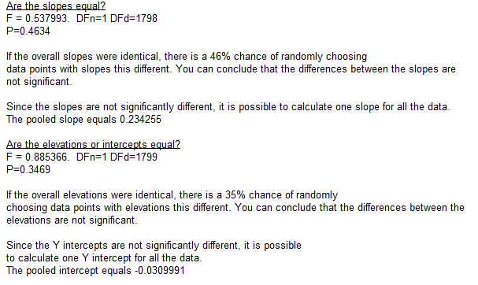
0 | 0.067413 | 0.029531
0.051572 | 0.074159 | 0.022902
0.03447 | 0.079133 | 0.00526
0.044773 | 0.060937 | 0.052446
0.002431 | 0.051873 | 0
0.005577 | 0.088346 | 0.029415
0.036433 | 0.031935 | 0
0.026119 | 0.110874 | 0.05245
0.004722 | 0.080824 | 0.007608
0.011113 | 0.032714 | 0
0.058205 | 0.087779 | 0.044509
0.026497 | 0.087816 | 0.017247
0.02059 | 0.08527 | 0
0.04966 | 0.011649 | 0
0.014692 | 0.021541 | 0
0.001025 | 0.042016 | 0.01618
0.032978 | 0.053997 | 0
0.022111 | 0.062604 | 0
0.031213 | 0.018815 | 0
0.034821 | 0.071917 | 0.00637 | Best-fit values
0.043532 | 0.061841 | 0.046199 | Slope | 0.2276 ± 0.01119 | 0.2415 ± 0.01550
0.042144 | 0.057615 | 0 | Y-intercept when X=0.0 | -0.02191 ± 0.009208 | -0.04442 ± 0.01926
0.040323 | 0.07105 | 0 | X-intercept when Y=0.0 | 0.09624 | 0.1839
0 | 0.10372 | 0.07932 | 1/slope | 4.393 | 4.141
0.030971 | 0.07412 | 0.007078 | 95% Confidence Intervals
0.009449 | 0.170914 | 0.069019 | Slope | 0.2057 to 0.2496 | 0.2111 to 0.2719
0.012847 | 0.076397 | 0.038971 | Y-intercept when X=0.0 | -0.03996 to -0.003859 | -0.08217 to -0.006668
0 | 0.080851 | 0.027372 | X-intercept when Y=0.0 | 0.01834 to 0.1638 | 0.03119 to 0.3061
0.041897 | 0.074093 | 0.038781 | Goodness of Fit
...

