Appendix1 Fig.6
BL [nM] | Data Fig6 MZ | Err Fig6 MZ | Data Fig4 EE | Err Fig4 EE
0 | 5.66138 | 0.021784876322
 |  |  | 5.4222955556 | 0.022695998815 |  |  | Values that are shown in Appendix1 Fig. 6
0.1 | 5.636952 | 0.017679194655
 |  |  | 5.3712644444 | 0.0094212473814
1 | 5.581053 | 0.02161620438
 |  |  | 5.2314488889 | 0.02664627045
5 | 5.441566 | 0.120848605 |  |  |  |  | Values are based on the simulations from Fig 4A / Fig. 6A
 |  |  | 5.10704 | 0.052578956057
10 | 5.423942 | 0.11990218899 |  |  |  |  |  |  |  |  | Erros is standart deviation
 |  |  | 5.0759844444 | 0.0086992851558

Simulation results of 10 models (structurally identical but independent parameterizations). Numbers correspond to the number of the model (internal numbering)

Dose-Response behavior
 |  | Modell #
 | BL [nM] | 3 | 6 | 14 | 23 | 34 | 38 | 40 | 45 | 47 | 50 | mean | standard deviation
 | 0 | 5.43694 | 5.43116 | 5.35568 | 5.42505 | 5.43214 | 5.43776 | 5.42776 | 5.42512 | 5.4295 | 5.43649 | 5.4222955556 | 0.022695998815
 | 0.1 | 5.38236 | 5.3766 | 5.34998 | 5.36475 | 5.37753 | 5.38308 | 5.36746 | 5.36484 | 5.37523 | 5.38191 | 5.3712644444 | 0.0094212473814
 | 1 | 5.23587 | 5.22703 | 5.30446 | 5.20661 | 5.23104 | 5.23358 | 5.20931 | 5.20664 | 5.22889 | 5.23548 | 5.2314488889 | 0.02664627045
 | 5 | 5.09953 | 5.09103 | 5.26166 | 5.07473 | 5.09465 | 5.09769 | 5.07746 | 5.07476 | 5.09235 | 5.09903 | 5.10704 | 0.052578956057
 | 10 | 5.08781 | 5.08092 | 5.06268 | 5.06645 | 5.08287 | 5.08755 | 5.06917 | 5.06647 | 5.08057 | 5.08718 | 5.0759844444 | 0.0086992851558
 | 50 | 5.06365 | 5.06157 | 5.00938 | 5.074 | 5.05855 | 5.06803 | 5.07653 | 5.07384 | 5.0562 | 5.06271 | 5.06009 | 0.01820420391
 | 100 | 5.03822 | 5.03651 | 5.00824 | 5.07298 | 5.03314 | 5.04298 | 5.07533 | 5.07263 | 5.03082 | 5.03731 | 5.0455488889 | 0.020716710378

Simulation results of 10 models (structurally identical but independent parameterizations). Numbers correspond to the number of the model (internal numbering)

 | BL [nM] | 3 | 6 | 14 | 23 | 34 | 38 | 40 | 45 | 47 | 50 | mean | standard deviation
 | 0 | 5.6744 | 5.66869 | 5.59409 | 5.66266 | 5.66966 | 5.67521 | 5.66534 | 5.66273 | 5.66706 | 5.67396 | 5.66138 | 0.021784876322
 | 0.1 | 5.64921 | 5.64372 | 5.58369 | 5.63492 | 5.64446 | 5.65021 | 5.6376 | 5.63499 | 5.64195 | 5.64877 | 5.636952 | 0.017679194655
 | 1 | 5.59493 | 5.58917 | 5.51507 | 5.58019 | 5.59028 | 5.59569 | 5.58287 | 5.58023 | 5.58761 | 5.59449 | 5.581053 | 0.02161620438
 | 5 | 5.48627 | 5.48319 | 5.06142 | 5.48209 | 5.48139 | 5.48975 | 5.48477 | 5.4821 | 5.47904 | 5.48564 | 5.441566 | 0.120848605
 | 10 | 5.46333 | 5.46373 | 5.04708 | 5.47181 | 5.4584 | 5.47025 | 5.47443 | 5.47176 | 5.45606 | 5.46257 | 5.423942 | 0.11990218899
 | 50 | 5.4206 | 5.42842 | 5.07819 | 5.46425 | 5.41567 | 5.43949 | 5.4664 | 5.46373 | 5.431134 | 5.41975 | 5.4027634 | 0.10465540926
 | 100 | 5.40259 | 5.41212 | 5.08325 | 5.45618 | 5.39772 | 5.4187 | 5.45799 | 5.45532 | 5.39537 | 5.4018 | 5.388104 | 0.099557163589

Statistics for Appendix1 Fig. 6

The groups are compared seperately (e.g. meristem 0 BL vs. Elongation zone 0 BL)

meristem 0 BL vs. elongation zone 0 BL
Data is not normally distrubuted (Shapiro-Wilk Test), two-tailed Wilcoxon Test needs to be applied

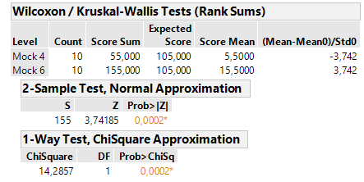

meristem 0,1 BL vs. elongation zone 0,1 BL
Data is not normally distrubuted (Shapiro-Wilk Test), two-tailed Wilcoxon Test needs to be applied

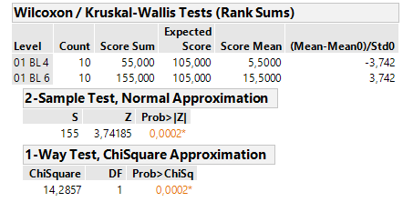

meristem 1 BL vs. elongation zone 1 BL
Data is not normally distrubuted (Shapiro-Wilk Test), two-tailed Wilcoxon Test needs to be applied
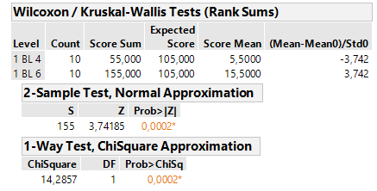

meristem 5 BL vs. elongation zone 5 BL
Data is not normally distrubuted (Shapiro-Wilk Test), two-tailed Wilcoxon Test needs to be applied
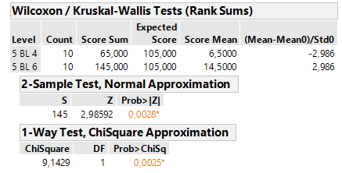

meristem 10 BL vs. elongation zone 10 BL
Data is not normally distrubuted (Shapiro-Wilk Test), two-tailed Wilcoxon Test needs to be applied

