4A
BL [nM] | Experimental Data | Err Experimental Data | Model Data | Err Model Data
0 | 5.5869920403 | 0.26882863702 | -- | -- |  | Shown values of Fig. 4A
 | -- |  | 5.4223 | 0.0227
0.1 | 5.2844496186 | 0.35889562639 | -- | --
 | -- |  | 5.37126 | 0.00942
1 | 5.3251794063 | 0.34365204977 | -- | --
 | -- |  | 5.23145 | 0.02665
5 | 5.053564619 | 0.31210307166 | -- | --
 | -- |  | 5.10704 | 0.05258
10 | 4.9221525532 | 0.22600121172 | -- | --
 | -- |  | 5.07598 | 0.0087
50 | 5.0696350507 | 0.37754063526 | -- | --
 | -- |  | 5.06009 | 0.0182
100 | 5.1051364518 | 0.33725042781 | -- | --
 |  | -- | 5.04555 | 0.02072

Simulation results of 10 models (structurally identical but independent parameterizations). Numbers correspond to the number of the model (internal numbering)

Dose-Response behavior
 |  | Modell #
 | BL [nM] | 3 | 6 | 14 | 23 | 34 | 38 | 40 | 45 | 47 | 50 |  | mean | standard deviation
 | 0 | 5.43694 | 5.43116 | 5.35568 | 5.42505 | 5.43214 | 5.43776 | 5.42776 | 5.42512 | 5.4295 | 5.43649 |  | 5.4222955556 | 0.022695998815
 | 0.1 | 5.38236 | 5.3766 | 5.34998 | 5.36475 | 5.37753 | 5.38308 | 5.36746 | 5.36484 | 5.37523 | 5.38191 |  | 5.3712644444 | 0.0094212473814
 | 1 | 5.23587 | 5.22703 | 5.30446 | 5.20661 | 5.23104 | 5.23358 | 5.20931 | 5.20664 | 5.22889 | 5.23548 |  | 5.2314488889 | 0.02664627045
 | 5 | 5.09953 | 5.09103 | 5.26166 | 5.07473 | 5.09465 | 5.09769 | 5.07746 | 5.07476 | 5.09235 | 5.09903 |  | 5.10704 | 0.052578956057
 | 10 | 5.08781 | 5.08092 | 5.06268 | 5.06645 | 5.08287 | 5.08755 | 5.06917 | 5.06647 | 5.08057 | 5.08718 |  | 5.0759844444 | 0.0086992851558
 | 50 | 5.06365 | 5.06157 | 5.00938 | 5.074 | 5.05855 | 5.06803 | 5.07653 | 5.07384 | 5.0562 | 5.06271 |  | 5.06009 | 0.01820420391
 | 100 | 5.03822 | 5.03651 | 5.00824 | 5.07298 | 5.03314 | 5.04298 | 5.07533 | 5.07263 | 5.03082 | 5.03731 |  | 5.0455488889 | 0.020716710378

Experimental Data

 | 20102020 1 | 20102020 2 | 29092020 |  |  |  |  |  |  |  |  | Mock | 01 BL | 1 BL | 5 BL | 10 BL | 50 BL | 100 BL

mock 1 |  |  |  |  |  |  |  |  |  |  |  | 5.4363545187 | 5.376692341 | 5.603530264 | 5.1837438431 | 4.9655606721 | 4.5732932162 | 4.6687685383
1 | 5.4363545187 | 5.406789793 | 6.135382908 |  |  |  |  |  |  |  |  | 5.5496429007 | 5.1493021406 | 5.2830025493 | 5.4363545187 | 5.376692341 | 5.6812355951 | 5.0782121187
2 | 5.5496429007 | 5.6557333685 | 5.8070226844 |  |  |  |  |  |  |  |  | 5.5768038795 | 4.8860045227 | 5.7311008919 | 5.3148199568 | 4.9655606721 | 5.3148199568 | 5.5220329599
3 | 5.5768038795 | 5.2505672895 | 5.1390269085 |  |  |  |  |  |  |  |  | 6.1426791223 | 5.2505672895 | 5.1493021406 | 4.7590804454 | 5.0039615218 | 5.0782121187 | 5.2830025493
4 | 6.1426791223 | 5.603530264 | 5.2790100316 |  |  |  |  |  |  |  |  | 5.2174897058 | 5.0414993575 | 4.8024689469 | 5.2174897058 | 5.0414993575 | 4.8447588866 | 5.3148199568
5 | 5.2174897058 | 5.8496160742 | 5.6421300816 |  |  |  |  |  |  |  |  | 5.406789793 | 5.5817948495 | 5.465405049 | 5.2505672895 | 4.5732932162 | 5.0414993575 | 4.6687685383
6 |  | 5.465405049 | 5.7897669177 |  |  |  |  |  |  |  |  | 5.6557333685 | 5.1683418488 | 5.8723424573 | 5.1141352966 | 5.1141352966 | 4.3642252842 | 5.1837438431
 |  |  | 5.9522093462 |  |  |  |  |  |  |  |  | 5.2505672895 | 4.8375314508 | 5.2505672895 | 4.5234279194 | 4.8860045227 | 5.4363545187 | 5.465405049
 |  |  | 5.428157124 |  |  |  |  |  |  |  |  | 5.603530264 | 5.0141469851 | 4.9262561907 | 4.4357887553 | 5.2830025493 | 4.8860045227 | 5.0782121187
 |  |  | 5.4045348059 |  |  |  |  |  |  |  |  | 5.8496160742 | 5.840816834 | 4.7590804454 | 5.2790100316 | 4.6217129366 | 5.5220329599 | 4.1882349359
 |  |  | 5.5398420316 |  | 3 measurements ; all pooled, then averaged |  |  |  |  |  |  | 5.465405049 | 5.9822481849 | 5.4045348059 | 4.75901962 | 4.5732932162 | 5.0414993575 | 5.428157124
 |  |  | 5.6421300816 |  |  |  |  |  |  |  |  | 6.135382908 |  | 5.8240371038 | 5.4045348059 | 4.75901962 | 4.9262561907 | 5.1089880699
 |  |  |  |  | Error is Standart Deviation |  |  |  |  |  |  | 5.8070226844 |  | 5.2790100316 | 4.8749655168 | 4.9112819794 | 5.7545032558 | 5.0141469851
01 nM BL 1 |  |  |  |  |  |  |  |  |  |  |  | 5.1390269085 |  | 5.2249339667 | 5.1969669613 | 4.75901962 | 5.4963905857 | 5.1969669613
1 | 5.376692341 |  | 5.5817948495 |  |  |  |  |  |  |  |  | 5.2790100316 |  | 4.9465456414 |  | 5.0465892051 | 4.9808158274 | 5.0781886741
2 | 5.1493021406 |  | 5.1683418488 |  |  |  |  |  |  |  |  | 5.6421300816 |  | 5.6807527272 |  | 4.7177780042 | 4.7989088052 | 5.4045348059
3 | 4.8860045227 |  | 4.8375314508 |  |  |  |  |  |  |  |  | 5.7897669177 |  |  |  | 5.0781886741 | 4.8375314508
4 | 5.2505672895 |  | 5.0141469851 |  |  |  |  |  |  |  |  | 5.9522093462 |  |  |  |  | 4.6750890223
5 | 5.0414993575 |  | 5.840816834 |  |  |  |  |  |  |  |  | 5.428157124
 |  |  | 5.9822481849 |  |  |  |  |  |  |  |  | 5.4045348059
 |  |  |  |  |  |  |  |  |  |  |  | 5.5398420316
1 nM BL 1 |  |  |  |  |  |  |  |  |  |  |  | 5.6421300816
1 | 5.603530264 | 5.465405049 | 5.4045348059
2 | 5.2830025493 | 5.8723424573 | 5.8240371038 |  |  |  |  |  |  |  |  | 5.5869920403 | 5.2844496186 | 5.3251794063 | 5.053564619 | 4.9221525532 | 5.0696350507 | 5.1051364518
3 | 5.7311008919 | 5.2505672895 | 5.2790100316 |  |  |  |  |  |  |  |  | 0.26882863702 | 0.35889562639 | 0.34365204977 | 0.31210307166 | 0.22600121172 | 0.37754063526 | 0.33725042781
4 | 5.1493021406 | 4.9262561907 | 5.2249339667
5 | 4.8024689469 | 4.7590804454 | 4.9465456414 |  |  |  |  |  |  |  |  | 22 | 11 | 16 | 14 | 17 | 18 | 16
 |  |  | 5.6807527272

5 nM BL
1 | 5.1837438431 | 5.2174897058 | 4.4357887553
 | 5.4363545187 | 5.2505672895 | 5.2790100316
3 |  | 5.1141352966 | 4.75901962
4 | 5.3148199568 | 4.5234279194 | 5.4045348059
5 | 4.7590804454 |  | 4.8749655168 |  |  |  |  |  |  |  |  | Statistics for experimental Data of Fig. 4A
6 |  |  | 5.1969669613
 |  |  |  |  |  |  |  |  |  |  |  | The data is normally distributed (tested by Shapiro-Wilk Test). Variances are equal (tested with Levene Test). ANOVA is allowed.

 |  |  |  |  |  |  |  |  |  |  |  | Reveals significant differences between groups. Tukey-HSD Post hoc test, shown below point out in which groups the differences are present.
10 nM BL 1
1 | 4.9655606721 | 5.1141352966 | 4.75901962
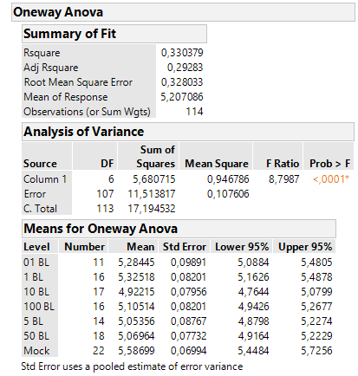
2 | 5.376692341 | 4.8860045227 | 4.9112819794
3 | 4.9655606721 | 5.2830025493 | 4.75901962
4 | 5.0039615218 | 4.6217129366 | 5.0465892051
5 | 5.0414993575 | 4.5732932162 | 4.7177780042 |  |  |  |  |  |  |  |  |  |  |  |  |  |  | Connecting Letters Report
 | 4.5732932162 |  | 5.0781886741
 |  |  |  |  |  |  |  |  |  |  |  |  |  |  |  |  |  | Level |  |  |  | Mean
50 nM BL 1 |  |  |  |  |  |  |  |  |  |  |  |  |  |  |  |  |  | Mock | A |  |  | 5.586992
1 | 4.5732932162 | 4.3642252842 | 5.7545032558 |  |  |  |  |  |  |  |  |  |  |  |  |  |  | 01 BL | A | B | C | 5.2844496
2 | 5.6812355951 | 5.4363545187 | 5.4963905857 |  |  |  |  |  |  |  |  |  |  |  |  |  |  | 1 BL | A | B |  | 5.3251794
3 | 5.3148199568 | 4.8860045227 | 4.9808158274 |  |  |  |  |  |  |  |  |  |  |  |  |  |  | 5 BL |  | B | C | 5.0535646
4 | 5.0782121187 | 5.5220329599 | 4.7989088052 |  |  |  |  |  |  |  |  |  |  |  |  |  |  | 10 BL |  |  | C | 4.9221526
5 | 4.8447588866 | 5.0414993575 | 4.8375314508 |  |  |  |  |  |  |  |  |  |  |  |  |  |  | 50 BL |  | B | C | 5.0696351
6 | 5.0414993575 | 4.9262561907 | 4.6750890223 |  |  |  |  |  |  |  |  |  |  |  |  |  |  | 100 BL |  | B | C | 5.1051365

 |  |  |  |  |  |  |  |  |  |  |  |  |  |  |  |  |  | Same letter means no significant difference (belong to one group).
100 nM BL 1
1 | 4.6687685383 | 5.1837438431 | 5.428157124
2 | 5.0782121187 | 5.465405049 | 5.1089880699
3 | 5.5220329599 | 5.0782121187 | 5.0141469851
4 | 5.2830025493 | 4.1882349359 | 5.1969669613
5 | 5.3148199568 |  | 5.0781886741
6 | 4.6687685383 |  | 5.4045348059
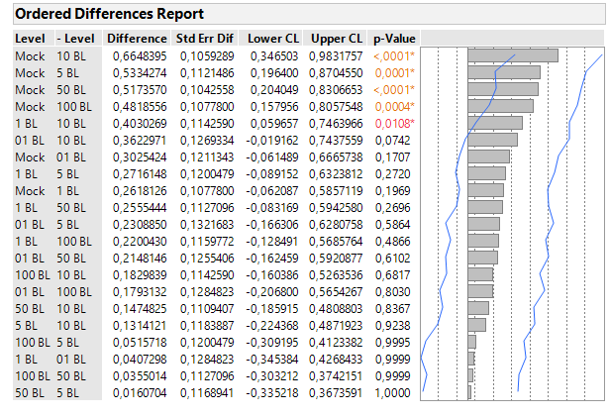

 |  |  |  |  |  |  |  |  |  |  |  |  |  |  |  |  |  |  |  | Exact p-Values are reported here

4B
Time [min] | Experimental Data | Err Experimental Data | Model Data | Err Model Data
10 | -0.40295 | 0.13305280104 | -- | -- |  | Shown values of Fig. 4B
 | -- |  | -0.27762 | 0.03843
20 | -0.34871 | 0.17929081733 | -- | --
 | -- |  | -0.34534 | 0.01682
30 | -0.34235 | 0.18042462939 | -- | --
 | -- |  | -0.35946 | 8.58E-04
40 | -0.19696 | 0.20621895867 | -- | --
 | -- |  | -0.36435 | 0.01054
50 | -0.5927 | 0.23860740728 | -- | --
 | -- |  | -0.36002 | 0.01645
60 | -0.21204 | 0.18454207317 | -- | --
 |  |  | -0.34806 | 0.01943

Simulation results of 10 models (structurally identical but independent parameterizations). Numbers correspond to the number of the model (internal numbering)

Time-course

 | Time [min] | 3 | 6 | 14 | 23 | 34 | 38 | 40 | 45 | 47 | 50 | mean | standard deviation
 | 10 | -0.269309 | -0.268655 | -0.390625 | -0.254342 | -0.269215 | -0.268585 | -0.254368 | -0.25442 | -0.269373 | -0.268996 | -0.27761988889 | 0.038426454004
 | 20 | -0.342074 | -0.342616 | -0.39435 | -0.334073 | -0.342119 | -0.342552 | -0.334079 | -0.334128 | -0.342135 | -0.342033 | -0.34534277778 | 0.01681731435
 | 30 | -0.35961 | -0.360939 | -0.35854 | -0.358593 | -0.359697 | -0.360886 | -0.358591 | -0.358637 | -0.359622 | -0.35965 | -0.35946166667 | 0.00085848610938
...
Statistics for experimental Data of Fig. 4B

A linear mixed effect model was performed; here: measurement time was used as fixed factor and day of measurment was used as random factor. In this model a Tukey HSD test revelead that there is no influence of the day of measurement. Due to this it would be allowed to pool the values.
However this not ideal, due to the fact, that delta values have to be calculated (see above). Therefore, we have decided to continue to treat the measurement days separately.

Data is normally distributed (tested with Shapiro-Wilk Test) and variances are equal (Levene Test). ANOVA is allowed. Reveals no significant differences between groups. Tukey-HSD Post hoc test, shown below, point out comparisions between all groups. The exact p-values are reported.

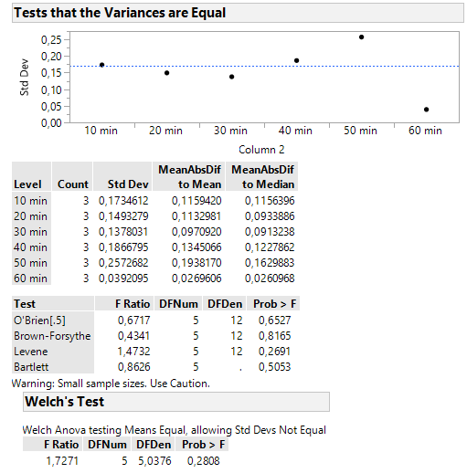
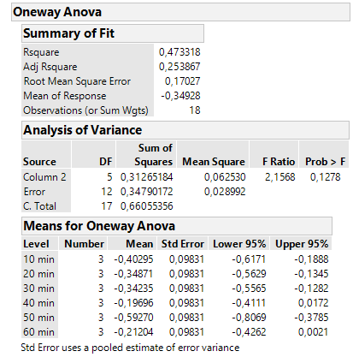
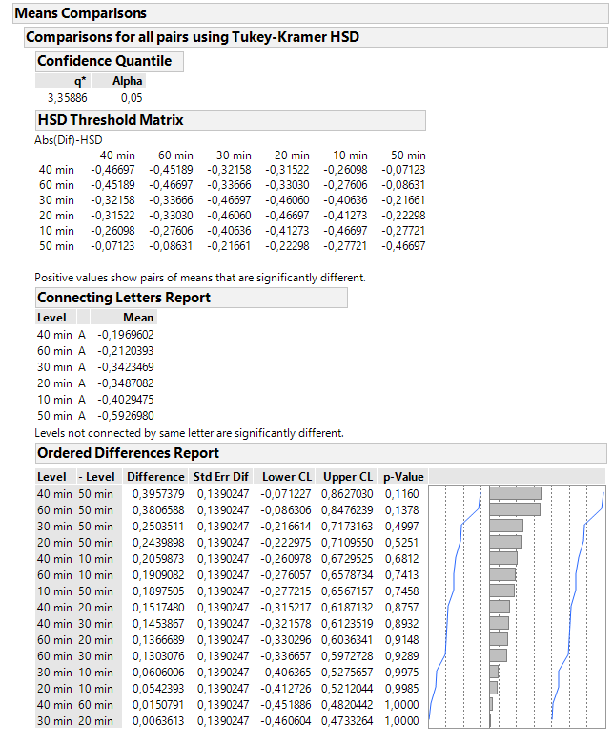

 |  |  |  |  |  |  |  |  |  |  |  |  |  | Exact p-Values are reported here

