6A
BL [nM] | Experimental Data | Err Experimental Data | Model Data | Err Model Data
0 | 5.77352 | 0.32511681789 |  |  |  | Shown values of Fig. 6A
 | -- |  | 5.66138 | 0.02178
0.1 | 5.34828 | 0.42626067971 | -- | --
 | -- |  | 5.63695 | 0.01768
1 | 5.37115 | 0.44127961145 | -- | --
 | -- |  | 5.58105 | 0.02162
5 | 5.18136 | 0.27768995343 | -- | --
 | -- |  | 5.44157 | 0.12085
10 | 5.02328 | 0.29028052031 | -- | --
 | -- |  | 5.42394 | 0.1199
50 | 5.27863 | 0.41682713667 | -- | --
 | -- |  | 5.40276 | 0.10466
100 | 5.25794 | 0.36489262368 | -- | --
 | -- | -- | 5.3881 | 0.09956

Simulation results of 10 models (structurally identical but independent parameterizations). Numbers correspond to the number of the model (internal numbering)

BL [nM] | 3 | 6 | 14 | 23 | 34 | 38 | 40 | 45 | 47 | 50 |  |  | mean | standard deviation
0 | 5.6744 | 5.66869 | 5.59409 | 5.66266 | 5.66966 | 5.67521 | 5.66534 | 5.66273 | 5.66706 | 5.67396 |  |  | 5.66138 | 0.021784876322
0.1 | 5.64921 | 5.64372 | 5.58369 | 5.63492 | 5.64446 | 5.65021 | 5.6376 | 5.63499 | 5.64195 | 5.64877 |  |  | 5.636952 | 0.017679194655
1 | 5.59493 | 5.58917 | 5.51507 | 5.58019 | 5.59028 | 5.59569 | 5.58287 | 5.58023 | 5.58761 | 5.59449 |  |  | 5.581053 | 0.02161620438
5 | 5.48627 | 5.48319 | 5.06142 | 5.48209 | 5.48139 | 5.48975 | 5.48477 | 5.4821 | 5.47904 | 5.48564 |  |  | 5.441566 | 0.120848605
10 | 5.46333 | 5.46373 | 5.04708 | 5.47181 | 5.4584 | 5.47025 | 5.47443 | 5.47176 | 5.45606 | 5.46257 |  |  | 5.423942 | 0.11990218899
50 | 5.4206 | 5.42842 | 5.07819 | 5.46425 | 5.41567 | 5.43949 | 5.4664 | 5.46373 | 5.431134 | 5.41975 |  |  | 5.4027634 | 0.10465540926
100 | 5.40259 | 5.41212 | 5.08325 | 5.45618 | 5.39772 | 5.4187 | 5.45799 | 5.45532 | 5.39537 | 5.4018 |  |  | 5.388104 | 0.099557163589

Experimental Data

 | Meristem
 | 20102020 1 | 20102020 2 | 29092020 |  |  |  |  |  |  |  |  | Mock | 01 BL | 1 BL | 5 BL | 10 BL | 50 BL | 100 BL

mock 1 |  |  |  |  |  |  |  |  |  |  |  | 5.7144932772 | 5.8165693771 | 5.7144932772 | 5.0908051698 | 5.261786247 | 5.0908051698 | 4.7629355291
1 | 5.7144932772 | 5.6719508638 | 6.3032432739 |  |  |  |  |  |  |  |  | 5.3152880603 | 5.7353861213 | 5.8941829621 | 5.341442979 | 5.1496581103 | 5.8558026522 | 5.4907226823
2 | 5.3152880603 | 5.3672160604 | 6.1719360965 |  |  |  |  |  |  |  |  | 5.7144932772 | 6.004557946 | 5.650288939 | 5.560881241 | 5.341442979 | 5.606151022 | 5.6933502134
3 | 5.7144932772 | 6.1084364195 | 6.0940342617 |  |  |  |  |  |  |  |  | 6.0223010574 | 5.3926182932 | 4.7265337297 | 5.4176601985 | 5.2344147728 | 5.2344147728 | 5.3152880603
4 | 6.0223010574 | 5.7144932772 | 5.224284238 |  |  |  |  |  |  |  |  | 5.8558026522 | 4.8335619359 | 4.8335619359 | 5.2344147728 | 4.901471259 | 4.9986751509 | 5.5378034651
5 | 5.8558026522 | 5.6283579151 | 5.6347006712 |  |  |  |  |  |  |  |  | 6.1084364195 | 4.8885116806 | 5.650288939 | 5.4176601985 | 4.8335619359 | 4.8678431047 | 4.6513979342
6 | 6.1084364195 | 5.8165693771 | 5.6347006712 |  |  |  |  |  |  |  |  | 5.6719508638 | 5.6767207513 | 6.0744848977 | 5.261786247 | 5.4667029278 | 5.3926182932 | 5.3152880603
 |  |  | 5.7575821252 |  |  |  |  |  |  |  |  | 5.3672160604 | 5.1101877904 | 5.4907226823 | 5.206612234 | 5.206612234 | 5.560881241 | 5.650288939
 |  |  | 5.139485326 |  |  |  |  |  |  |  |  | 6.1084364195 | 4.7831985135 | 4.798601888 | 4.8678431047 | 5.3672160604 | 5.5144200143 | 5.3152880603
 |  |  | 6.2462132512 |  | 3 measurements ; all pooled, then averaged |  |  |  |  |  |  | 5.7144932772 | 5.6347006712 | 4.798601888 | 5.018924615 | 5.206612234 | 5.261786247 | 5.0908051698
 |  |  |  |  |  |  |  |  |  |  |  | 5.6283579151 | 4.9550492618 | 5.815649284 | 4.8885116806 | 4.7629355291 | 4.8678431047 | 4.8335619359
 |  |  |  |  | Error is Standart-Deviation |  |  |  |  |  |  | 5.8165693771 |  | 5.3048057139 | 5.7176632738 | 4.9550492618 | 4.5905953169 | 4.6310195239
 |  |  |  |  |  |  |  |  |  |  |  | 6.3032432739 |  | 5.0803426058 | 5.1101877904 | 5.018924615 | 5.7377474492 | 5.6767207513
01 nM BL 1 |  |  |  |  |  |  |  |  |  |  |  | 6.1719360965 |  | 5.018924615 | 4.6310195239 | 4.6310195239 | 5.4305928482 | 5.6767207513
1 | 5.8165693771 |  | 4.8885116806 |  |  |  |  |  |  |  |  | 6.0940342617 |  | 5.018924615 | 4.9550492618 | 4.5905953169 | 5.2515784221 | 5.3307684143
2 | 5.7353861213 |  | 5.6767207513 |  |  |  |  |  |  |  |  | 5.224284238 |  | 5.960901274 |  | 4.4178138365 | 6.0121357517 | 5.5245417617
3 | 6.004557946 |  | 5.1101877904 |  |  |  |  |  |  |  |  | 5.6347006712 |  | 5.4782582055 |  | 5.0499289074 | 4.4627934557 | 4.8885116806
4 | 5.3926182932 |  | 4.7831985135 |  |  |  |  |  |  |  |  | 5.6347006712
5 | 4.8335619359 |  | 5.6347006712 |  |  |  |  |  |  |  |  | 5.7575821252
 |  |  | 4.9550492618 |  |  |  |  |  |  |  |  | 5.139485326
 |  |  |  |  |  |  |  |  |  |  |  | 6.2462132512
1 nM BL 1
1 | 5.7144932772 | 5.650288939 | 5.815649284
2 | 5.8941829621 | 6.0744848977 | 5.3048057139 |  |  |  |  |  |  |  | mean | 5.7735246939 | 5.3482783948 | 5.3711510266 | 5.1813641527 | 5.0232791618 | 5.2786284716 | 5.2579419372
3 | 5.650288939 | 5.4907226823 | 5.0803426058 |  |  |  |  |  |  |  | StDev | 0.32511681789 | 0.42626067971 | 0.44127961145 | 0.27768995343 | 0.29028052031 | 0.41682713667 | 0.36489262368
4 | 4.7265337297 | 4.798601888 | 5.018924615 |  |  |  |  |  |  |  | n | 21 | 11 | 17 | 15 | 17 | 17 | 17
5 | 4.8335619359 | 4.798601888 | 5.018924615
 |  |  | 5.960901274
 |  |  | 5.4782582055

5 nM BL
1 | 5.0908051698 | 5.4176601985 | 5.018924615
 |  | 5.261786247 | 4.8885116806
3 | 5.341442979 | 5.206612234 | 5.7176632738 |  |  |  |  |  |  |  | Statistics for experimental Data of Fig. 6A
4 | 5.560881241 | 4.8678431047 | 5.1101877904
5 | 5.4176601985 |  | 4.6310195239 |  |  |  |  |  |  |  | The data is normally distributed (tested by Shapiro-Wilk Test). Variances are equal (tested with Levene Test). ANOVA is allowed.
6 | 5.2344147728 |  | 4.9550492618
 |  |  |  |  |  |  |  |  |  |  | Reveals significant differences between groups. Tukey-HSD Post hoc test, shown below point out in which groups the differences are present.

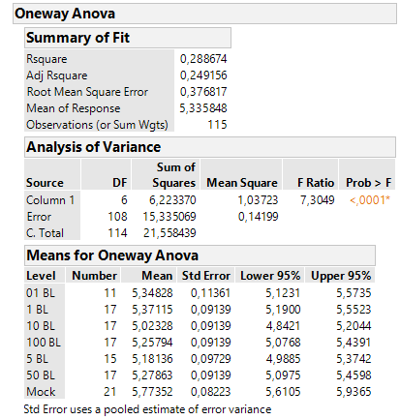
10 nM BL 1
1 | 5.261786247 | 4.8335619359 | 4.9550492618
2 | 5.1496581103 | 5.4667029278 | 5.018924615
3 | 5.341442979 | 5.206612234 | 4.6310195239 |  |  |  |  |  |  |  |  |  |  |  |  |  |  | Connecting Letters Report
4 | 5.2344147728 | 5.3672160604 | 4.5905953169
5 | 4.901471259 | 5.206612234 | 4.4178138365 |  |  |  |  |  |  |  |  |  |  |  |  |  |  | Level |  |  | Mean
 |  | 4.7629355291 | 5.0499289074 |  |  |  |  |  |  |  |  |  |  |  |  |  |  | Mock | A |  | 5.7735247
 |  |  |  |  |  |  |  |  |  |  |  |  |  |  |  |  |  | 1 BL |  | B | 5.371151
50 nM BL 1 |  |  |  |  |  |  |  |  |  |  |  |  |  |  |  |  |  | 01 BL |  | B | 5.3482784
1 | 5.0908051698 | 5.3926182932 | 4.5905953169 |  |  |  |  |  |  |  |  |  |  |  |  |  |  | 50 BL |  | B | 5.2786285
2 | 5.8558026522 | 5.560881241 | 5.7377474492 |  |  |  |  |  |  |  |  |  |  |  |  |  |  | 100 BL |  | B | 5.2579419
3 | 5.606151022 | 5.5144200143 | 5.4305928482 |  |  |  |  |  |  |  |  |  |  |  |  |  |  | 5 BL |  | B | 5.1813642
4 | 5.2344147728 | 5.261786247 | 5.2515784221 |  |  |  |  |  |  |  |  |  |  |  |  |  |  | 10 BL |  | B | 5.0232792
5 | 4.9986751509 | 4.8678431047 | 6.0121357517
6 | 4.8678431047 |  | 4.4627934557
 |  |  |  |  |  |  |  |  |  |  |  |  |  |  |  |  |  | Levels not connected by same letter are significantly different.

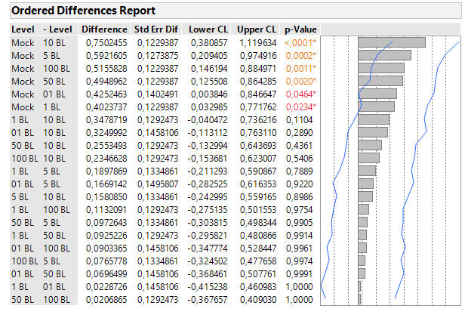
100 nM BL 1
1 | 4.7629355291 | 5.3152880603 | 4.6310195239
2 | 5.4907226823 | 5.650288939 | 5.6767207513 |  |  |  |  |  |  |  |  |  |  |  |  |  |  |  |  |  |  | Exact p-Values are reported here
3 | 5.6933502134 | 5.3152880603 | 5.6767207513
4 | 5.3152880603 | 5.0908051698 | 5.3307684143
5 | 5.5378034651 | 4.8335619359 | 5.5245417617
6 | 4.6513979342 |  | 4.8885116806

6B
Time [min] | Experimental Data | Err Experimental Data | Model Data | Err Model Data
10 | -0.41265 | 0.21319204144 |  |  |  | Shown values of Fig. 6B
 | -- |  | -0.18862 | 0.07201
20 | -0.40809 | 0.18841389491 | -- | --
 | -- |  | -0.24593 | 0.10652
30 | -0.27744 | 0.31128933367 | -- | --
 | -- |  | -0.2569 | 0.11925
40 | -0.26864 | 0.26553632481 | -- | --
 | -- |  | -0.25424 | 0.11189
50 | -0.52748 | 0.28447758291 | -- | --
 | -- |  | -0.24894 | 0.10433
60 | -0.33766 | 0.26211318843 | -- | --
 | -- | -- | -0.23908 | 0.09812

Simulation results of 10 models (structurally identical but independent parameterizations). Numbers correspond to the number of the model (internal numbering)

Time-course
 |  | Modell #
 | Time [min] | 3 | 6 | 14 | 23 | 34 | 38 | 40 | 45 | 47 | 50 | mean | standard deviation
 | 10 | -0.16704 | -0.16487 | -0.41274 | -0.14501 | -0.16696 | -0.16477 | -0.18588 | -0.1451 | -0.16709 | -0.16676 | -0.188622 | 0.072011515468
 | 20 | -0.21347 | -0.21085 | -0.57952 | -0.19121 | -0.21354 | -0.21075 | -0.22562 | -0.18729 | -0.21354 | -0.21348 | -0.245927 | 0.10651539761
 | 30 | -0.21918 | -0.2161 | -0.63132 | -0.21007 | -0.21932 | -0.21602 | -0.22486 | -0.19357 | -0.21924 | -0.21932 | -0.2569 | 0.11924841794
 | 40 | -0.22133 | -0.21752 | -0.6052 | -0.19721 | -0.2215 | -0.21748 | -0.22197 | -0.1973 | -0.22135 | -0.22154 | -0.25424 | 0.11189058487
...
A linear mixed effect model was performed; here: measurement time was used as fixed factor and day of measurment was used as random factor. In this model a Tukey HSD test revelead that there is no influence of the day of measurement. Due to this it would be allowed to pool the values.
However this not ideal, due to the fact, that delta values have to be calculated (see above). Therefore, we have decided to continue to treat the measurement days separately.

Data is normally distributed (tested with Shapiro-Wilk Test) and variances are equal (Levene Test). ANOVA is allowed. Reveals no significant differences between groups. Tukey-HSD Post hoc test, shown below, point out comparisions between all groups. The exact p-values are reported.

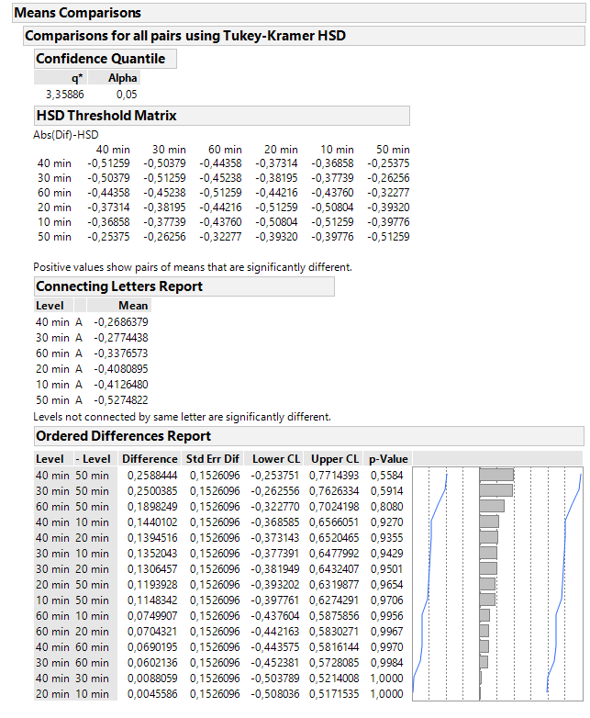

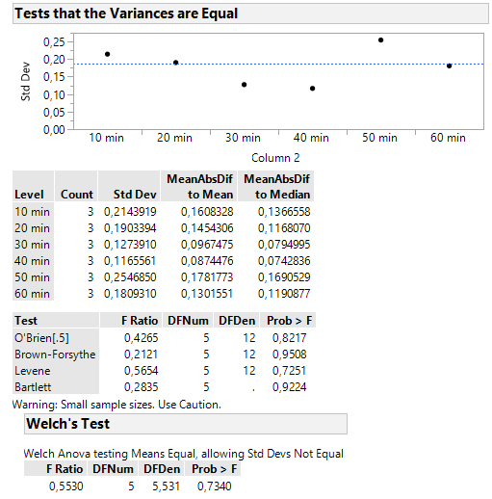
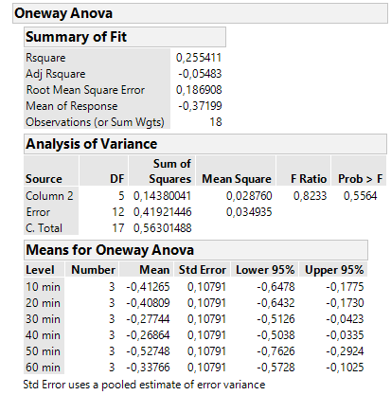

 |  |  |  |  |  |  |  |  |  |  |  |  |  | Exact p-Values are reported here

