Sheet1
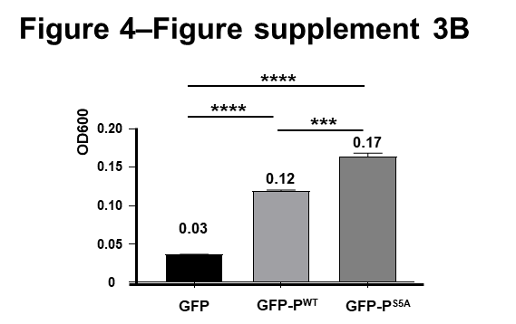
 | Repeats
 | 1 | 2 | 3 | Mean | SEM
GFP | 0.036 | 0.036 | 0.037 | 0.036 | 0.000
GFP-PWT | 0.121 | 0.118 | 0.118 | 0.119 | 0.001
GFP-PS5A | 0.168 | 0.159 | 0.165 | 0.164 | 0.005

t-test | Summary | Adjusted P Value
GFP vs. GFP-PWT | **** | <0.0001
GFP vs. GFP-PS5A | **** | <0.0001
GFP-PWT vs. GFP-PS5A | **** | <0.0001

