Sheet4
 | Repeats
 | 1 | 2 | 3 | 4 | 5 | 6 | 7 | 8 | 9 | 10 | Mean | SEM
GFP-PWT EV | 3.561 | 3.831 | 3.647 | 2.388 | 6.249 | 3.851 | 5.326 | 7.500 | 5.201 | 10.476 | 5.203 | 2.379
GFP-PWT NbCK1 | 1.294 | 0.000 | 5.698 | 1.164 | 0.000 | 2.418 | 1.181 | 1.871 | 6.591 | 0.797 | 2.101 | 2.265
GFP-PS5A EV | 14.413 | 8.705 | 18.241 | 11.415 | 9.789 | 11.338 | 8.644 | 8.977 | 10.631 | 10.094 | 11.225 | 3.004
GFP-PS5A NbCK1 | 7.213 | 13.426 | 8.240 | 7.849 | 8.604 | 11.450 | 6.522 | 9.776 | 11.767 | 9.649 | 9.450 | 2.202
GFP-PS5A EV | 0.602 | 0.810 | 1.584 | 1.411 | 1.260 | 0.363 | 0.396 | 1.162 | 0.717 | 1.404 | 0.971 | 0.448
GFP-PS5A NbCK1 | 0.341 | 0.295 | 0.827 | 1.123 | 0.829 | 0.551 | 1.759 | 0.386 | 0.481 | 0.545 | 0.714 | 0.450
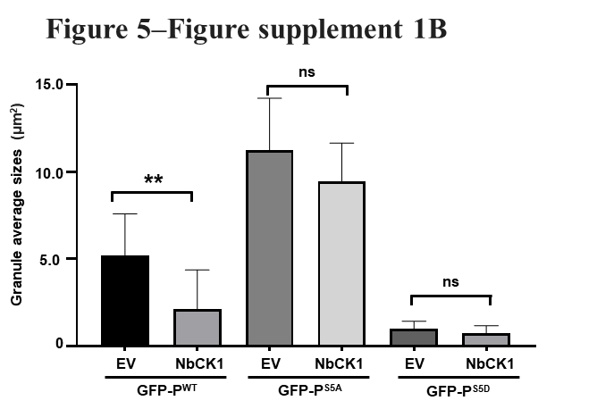
t-test | Summary | Adjusted P Value
GFP-PWT EV vs. GFP-PWT NbCK1 | ** | 0.0079
GFP-PS5A EV vs. GFP-PS5A NbCK1 | ns | 0.1491
GFP-PS5D EV vs. GFP-PS5D NbCK1 | ns | 0.2162

