Fig.8-S2B
 | Detected | Not detected
Control | 5 | 0
MDGA1 CRISPR | 1 | 4
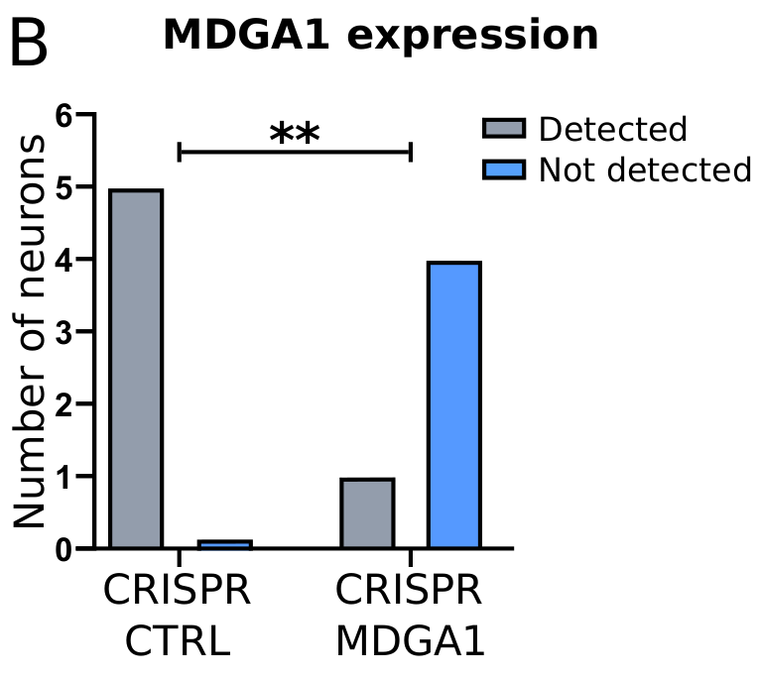
Statistical test

Table Analyzed | MDGA1_contingency

P value and statistical significance
Test | Chi-square
Chi-square, df | 6.667, 1
z | 2.582
P value | 0.0098
P value summary | **
One- or two-sided | Two-sided
Statistically significant (P < 0.05)? | Yes

Effect size | Value | 95% CI
Sensitivity | 0.8333 | 0.4365 to 0.9915
Specificity | 1 | 0.5101 to 1.000
Positive Predictive Value | 1 | 0.5655 to 1.000
Negative Predictive Value | 0.8 | 0.3755 to 0.9897
Likelihood Ratio

Methods used to compute CIs
Sensitivity, specificity, etc. | Wilson-Brown

Data analyzed | WT | KO | Total
Control | 5 | 0 | 5
MDGA1 CRISPR | 1 | 4 | 5
Total | 6 | 4 | 10

Percentage of row total | WT | KO
Control | 100.00% | 0.00%
MDGA1 CRISPR | 20.00% | 80.00%

Percentage of column total | WT | KO
Control | 83.33% | 0.00%
MDGA1 CRISPR | 16.67% | 100.00%

Percentage of grand total | WT | KO
Control | 50.00% | 0.00%
MDGA1 CRISPR | 10.00% | 40.00%

Fig.8-S2C
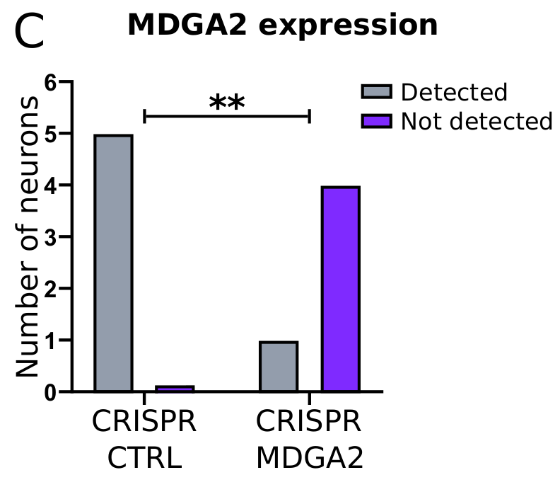
 | Detected | Not detected
Control | 5 | 0
MDGA2_CRISPR | 1 | 4

Statistical test

Table Analyzed | MDGA2_contingency

P value and statistical significance
Test | Chi-square
Chi-square, df | 6.667, 1
z | 2.582
P value | 0.0098
P value summary | **
One- or two-sided | Two-sided
Statistically significant (P < 0.05)? | Yes

Data analyzed | WT | KO | Total
Control | 5 | 0 | 5
MDGA2_CRISPR | 1 | 4 | 5
Total | 6 | 4 | 10

Percentage of row total | WT | KO
Control | 100.00% | 0.00%
MDGA2_CRISPR | 20.00% | 80.00%

Percentage of column total | WT | KO
Control | 83.33% | 0.00%
MDGA2_CRISPR | 16.67% | 100.00%

Percentage of grand total | WT | KO
Control | 50.00% | 0.00%
MDGA2_CRISPR | 10.00% | 40.00%

Fig.8-S2F
 | Condition | CRISPR_CTRL |  |  |  |  |  | CRISPR_MDGA1
Gene | Cell # | 1 | 2 | 3 | 4 | 5 |  | 1 | 2 | 3 | 4 | 5
Vangl2 |  | 11.171088452 | 1.7795338322 | 1 | 1 | 1 |  | 9.4146272436 | 16.623507452 | 38.355375837 | 1 | 2.7393445936
Tbxas1 |  | 1 | 1 | 1 | 1 | 1 |  | 1 | 1 | 1 | 1 | 1
Tfb2m |  | 1 | 1 | 3.7351354314 | 1 | 1 |  | 1 | 1 | 1 | 1 | 1
Scg2 |  | 1346.4524442 | 1024.7228051 | 1352.1569031 | 3878.8575458 | 729.7993445 |  | 2519.7784216 | 1699.1550792 | 864.98176193 | 1 | 1992.5495597
Nyap2 |  | 28.644496818 | 2.9488345805 | 1 | 40.31921466 | 71.648916048 |  | 28.113798896 | 1 | 22.081746759 | 25.842823747 | 24.771042779
Galnt18 |  | 1.2607971398 | 1.5846503742 | 1 | 2.6383006108 | 1 |  | 1.8795951165 | 4.2512747239 | 2.3470028524 | 1.415361383 | 12.545831837
Ttc7b |  | 1 | 34.519954785 | 1 | 1 | 285.45484619 |  | 23.439005983 | 95.942852979 | 1.3698552063 | 1 | 7.9573783744
Srbd1 |  | 212.50648037 | 13.667424773 | 66.643250354 | 1 | 1 |  | 185.65432007 | 3.4036165311 | 277.65169432 | 9.2809412491 | 1
Slc9a9 |  | 1 | 210.30483395 | 6.4702708629 | 1 | 1 |  | 1 | 2.2018082656 | 1.3698552063 | 25.842823747 | 16.074319811
Adora1 |  | 1 | 1 | 72.113521217 | 1 | 1.9295910006 |  | 3.6387853496 | 1 | 1 | 1 | 93.366654697

Statistical test
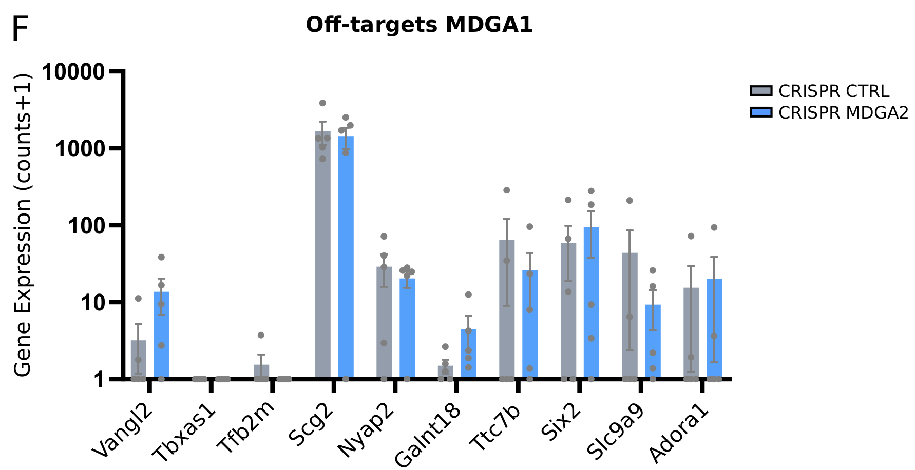
Mann-Whitney
 | Discovery? | P value | Mean rank of Control | Mean rank of MDGA1_KO | Mean rank diff. | Mann-Whitney U | q value
Vangl2 | No | 0.174603 | 4.1 | 6.9 | -2.8 | 5.5 | 0.881746
Tbxas1 | No | >0.999999 | 5.5 | 5.5 | 0 | 12.5 | >0.999999
Tfb2m | No | >0.999999 | 6 | 5 | 1 | 10 | >0.999999
Scg2 | No | >0.999999 | 5.4 | 5.6 | -0.2 | 12 | >0.999999
Nyap2 | No | 0.460317 | 6.3 | 4.7 | 1.6 | 8.5 | >0.999999
Galnt18 | No | 0.087302 | 3.8 | 7.2 | -3.4 | 4 | 0.881746
Ttc7b | No | 0.68254 | 5.1 | 5.9 | -0.8 | 10.5 | >0.999999
Srbd1 | No | 0.833333 | 5.2 | 5.8 | -0.6 | 11 | >0.999999
Slc9a9 | No | 0.555556 | 4.9 | 6.1 | -1.2 | 9.5 | >0.999999
Adora1 | No | 0.84127 | 5.3 | 5.7 | -0.4 | 11.5 | >0.999999

Fig.8-S2G
 |  | CRISPR_CTRL |  |  |  |  |  |  | CRISPR_MDGA2
Gene | Cell # | 1 | 2 | 3 | 4 | 5 | 6 |  | 1 | 2 | 3 | 4 | 5
Pex1 |  | 203.63937762 | 2.3641842064 | 1 | 1 | 1 | 25.366885678 |  | 54.655302109 | 1 | 56.227116949 | 8.4765048937 | 87.593738778
Ssbp2 |  | 49.247470862 | 1 | 3.7351354314 | 1 | 6.5775460038 | 4.6717224994 |  | 1.8795951165 | 1 | 1 | 1 | 12.545831837
Prune2 |  | 16.908625527 | 135.46958605 | 1 | 1 | 355.17417124 | 1 |  | 3.6387853496 | 30.261472515 | 1 | 2.6614455319 | 901.57488329
Crygs |  | 1 | 1 | 1 | 1 | 1 | 1 |  | 1 | 1 | 1 | 1 | 1
Ift80 |  | 2.303985699 | 1.1948834581 | 1 | 1 | 1 | 1.1668964772 |  | 1 | 5.8072330622 | 1 | 61.227400532 | 1
Ccdc178 |  | 1 | 1.1948834581 | 1 | 4.2766012216 | 1 | 1.1668964772 |  | 1 | 1 | 1 | 1 | 1
U6 |  | 1 | 1 | 1 | 1 | 1 | 1 |  | 1 | 1 | 1 | 1 | 1
Tmem47 |  | 3.8687685377 | 1.1948834581 | 1 | 1 | 32.877227154 | 32.877227154 |  | 3.6387853496 | 1 | 33.328068458 | 1 | 151.09581388
Camk2b |  | 973.51253429 | 1104.4301395 | 922.74064039 | 767.72468587 | 164.60801611 | 854.17479167 |  | 1893.8886908 | 41.640934049 | 1089.3783048 | 3897.0897724 | 595.61033961
Samd4a |  | 3.6079713979 | 3.3386014966 | 17.410812589 | 5.9149018325 | 1.9295910006 | 2.8358612497 |  | 1.8795951165 | 4.2512747239 | 3.0205042786 | 1.415361383 | 6.7729159185

Statistical test

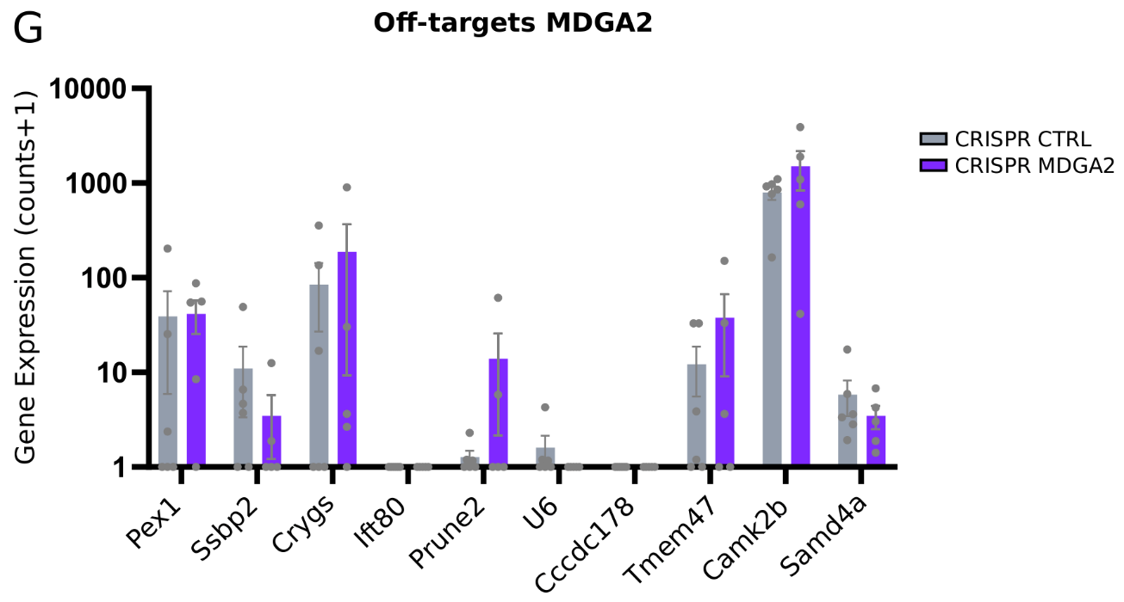
Mann-Whitney
 |  | Discovery? | P value | Mean rank of Control | Mean rank of MDGA2_KO | Mean rank diff. | Mann-Whitney U | q value
Pex1 |  | No | 0.344156 | 5.083 | 7.1 | -2.017 | 9.5 | >0.999999
Ssbp2 |  | No | 0.393939 | 6.833 | 5 | 1.833 | 10 | >0.999999
Prune2 |  | No | 0.670996 | 5.583 | 6.5 | -0.9167 | 12.5 | >0.999999
Crygs |  | No | >0.999999 | 6 | 6 | 0 | 15 | >0.999999
Ift80 |  | No | 0.837662 | 5.75 | 6.3 | -0.55 | 13.5 | >0.999999
Ccdc178 |  | No | 0.181818 | 7.25 | 4.5 | 2.75 | 7.5 | >0.999999
U6 |  | No | >0.999999 | 6 | 6 | 0 | 15 | >0.999999
Tmem47 |  | No | 0.744589 | 5.667 | 6.4 | -0.7333 | 13 | >0.999999
Camk2b |  | No | 0.662338 | 5.5 | 6.6 | -1.1 | 12 | >0.999999
Samd4a |  | No | 0.536797 | 6.667 | 5.2 | 1.467 | 11 | >0.999999

