EC
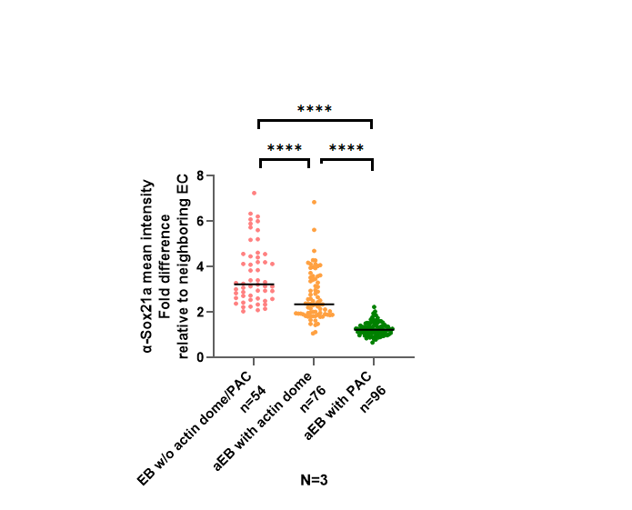
1 | 29.634 | 511.587 | 90.179 | 463 | 279 | 963 | 21.086 | 15160.381 | 1018569 | 2p2'
2 | 20.912 | 414.48 | 81.95 | 365 | 182 | 687 | 17.932 | 8667.623 | 582345
3 | 30.021 | 423.117 | 116.07 | 371 | 192 | 919 | 20.787 | 12702.407 | 853427
4 | 29.426 | 739.773 | 145.386 | 602 | 409 | 1455 | 19.806 | 21768.311 | 1462531
5 | 20.689 | 474.776 | 100.23 | 462 | 244 | 982 | 16.554 | 9822.517 | 659938
6 | 27.074 | 586.294 | 114.234 | 512 | 256 | 1062 | 20.611 | 15873.325 | 1066469
7 | 20.272 | 586.05 | 127.69 | 619 | 296 | 1984 | 17.57 | 11880.409 | 798200
8 | 23.16 | 446.976 | 121.307 | 419 | 190 | 1154 | 19.01 | 10351.748 | 695495
9 | 25.154 | 638.171 | 119.451 | 640 | 346 | 1247 | 18.772 | 16052.528 | 1078509
10 | 18.531 | 427.855 | 107.734 | 348 | 151 | 763 | 16.915 | 7928.394 | 532679
 |  | 524.9079
1 | 19.196 | 360.547 | 72.724 | 360 | 181 | 624 | 17.579 | 6921.112 | 561733 | 2p2
2 | 21.057 | 354.302 | 64.605 | 360 | 194 | 568 | 16.741 | 7460.39 | 605502
3 | 25.147 | 431.123 | 113.12 | 356 | 180 | 977 | 19.254 | 10841.531 | 879923
4 | 19.714 | 372.918 | 100.15 | 370 | 176 | 1145 | 16.74 | 7351.559 | 596669
5 | 20.404 | 406.585 | 90.353 | 359 | 215 | 795 | 17.102 | 8295.779 | 673304
 |  | 385.095

