Figure 1E-H
 | DATA SUMMARY and STATISTICS

Figure 1 E |  | TA mass |  | EDL mass |  |  |  |  |  |  |  | TA mass | Two way ANOVA acvr1b*tgfbr1 |  |  | Pvalue= | 0.000 |  | EDL mass | Two way ANOVA acvr1b*tgfbr1 |  |  | Pvalue= | 0.000
 |  | MEAN | SEM | MEAN | SEM |  |  |  |  |  |  | Multiple Comparisons: Bonferroni corrections |  |  |  |  |  |  | Multiple Comparisons: Bonferroni corrections
 | Control | 57.23 | 1.49 | 12.70 | 0.43 |  |  |  |  |  |  | group 1 | group 2 |  | Pvalue |  |  |  | group 1 | group 2 |  | Pvalue
 | Acvr1bfl/fl | 60.79 | 1.49 | 14.36 | 0.52 |  |  |  |  |  |  | Control | Acvr1bfl/fl |  | 0.539 |  |  |  | Control | Acvr1bfl/fl |  | 0.183
 | Tgfbr1fl/fl | 64.15 | 1.35 | 15.43 | 0.50 |  |  |  |  |  |  | Control | Tgfbr1fl/fl |  | 0.029 |  |  |  | Control | Tgfbr1fl/fl |  | 0.009
 | Acvr1bfl/fl:Tgfbr1fl/fl | 108.38 | 10.97 | 23.34 | 1.47 |  |  |  |  |  |  | Control | Acvr1bfl/fl:Tgfbr1fl/fl |  | 0.000 |  |  |  | Control | Acvr1bfl/fl:Tgfbr1fl/fl |  | 0.000
 |  |  |  |  |  |  |  |  |  |  |  | Acvr1bfl/fl | Tgfbr1fl/fl |  | 0.971 |  |  |  | Acvr1bfl/fl | Tgfbr1fl/fl |  | 1.042
 |  |  |  |  |  |  |  |  |  |  |  | Acvr1bfl/fl | Acvr1bfl/fl:Tgfbr1fl/fl |  | 0.000 |  |  |  | Acvr1bfl/fl | Acvr1bfl/fl:Tgfbr1fl/fl |  | 0.000
 |  |  |  |  |  |  |  |  |  |  |  | Tgfbr1fl/fl | Acvr1bfl/fl:Tgfbr1fl/fl |  | 0.005 |  |  |  | Tgfbr1fl/fl | Acvr1bfl/fl:Tgfbr1fl/fl |  | 0.002

Figure 1 F | CSA per fibre type in TA | Control |  | Acvr1bfl/fl |  | Tgfbr1fl/fl |  | Acvr1bfl/fl:Tgfbr1fl/fl |  |  |  | CSA in IIB myofibre | Two way ANOVA acvr1b*tgfbr1 |  | Pvalue=0.002
 |  | MEAN | SEM | MEAN | SEM | MEAN | SEM | MEAN | SEM |  |  | group 1 | group 2 |  | Pvalue
 | I | 908.408 | 91.8137 | 802.917 | 38.2888 | 953.753 | 143.551 | 919.667 | 224.564 |  |  | Control | Acvr1bfl/fl |  | 0.634
 | IIA | 1103.34 | 82.6622 | 1323.84 | 105.557 | 1302.32 | 109.384 | 1435.99 | 163.764 |  |  | Control | Tgfbr1fl/fl |  | 0.581
 | IIX | 1785.788 | 134.803 | 1691.628 | 87.5791 | 2086.167 | 244.536 | 2265.944 | 256.402 |  |  | Control | Acvr1bfl/fl:Tgfbr1fl/fl |  | 0.003
 | IIB | 2967.7 | 251.646 | 3407.15 | 143.9911 | 3607.21 | 197.11 | 6105.87 | 492.776 |  |  | Acvr1bfl/fl | Tgfbr1fl/fl |  | 2.408
 | N | 5 |  | 7 |  | 5 |  | 5 |  |  |  | Acvr1bfl/fl | Acvr1bfl/fl:Tgfbr1fl/fl |  | 0.000
 |  |  |  |  |  |  |  |  |  |  |  | Tgfbr1fl/fl | Acvr1bfl/fl:Tgfbr1fl/fl |  | 0.022

 | CSA per fibre type in EDL | Control |  | Acvr1bfl/fl:Tgfbr1fl/fl |  |  | CSA per fibre type in EDL
 |  | MEAN | SEM | MEAN | SEM |  | independent t test
 | I | 321.6 | 60.0 | 401.94 | 99.44 |  |  | Pvalue
 | IIA | 422.8 | 19.4 | 660.75 | 51.34 |  | i | 0.490
 | IIX | 711.3 | 54.9 | 1073.36 | 109.28 |  | iix | 0.009
 | IIB | 1524.6 | 123.7 | 2658.86 | 193.84 |  | iia | 0.001
 | N | 7 |  | 5 |  |  | iib | 0.000

Figure 1 G | Fibre type distribution in TA | Control |  | Acvr1bfl/fl |  | Tgfbr1fl/fl |  | Acvr1bfl/fl:Tgfbr1fl/fl |  |  |  | Fibre type | Two way ANOVA acvr1b*tgfbr1 Pvalue |  |  |  |  | LO IIB
 | High oxidative area | MEAN | SEM | MEAN | SEM | MEAN | SEM | MEAN | SEM |  |  | distribution | HO |  | LO |  |  | Multiple Comparisons: Bonferroni corrections
 | I | 1.003771 | 0.50381 | 1.423342 | 0.356503 | 1.440625 | 0.805343 | 4.571888 | 2.696274 |  |  | I | 0.433 | square transf | Cannot be calculated |  |  | group 1 | group 2 |  | Pvalue
 | I/IIA | 8.268203 | 3.210084 | 5.735332 | 1.423911 | 3.826555 | 1.840853 | 3.570645 | 1.707183 |  |  | I/IIA | 0.587 |  | Cannot be calculated |  |  | Control | Acvr1bfl/fl |  | 1.000
 | IIA | 6.064698 | 3.375945 | 9.939605 | 1.857552 | 7.46238 | 2.373413 | 7.4552 | 0.383093 |  |  | IIA | 0.265 | square transf | Cannot be calculated |  |  | Control | Tgfbr1fl/fl |  | 1.000
 | IIA/IIX | 16.35775 | 2.80794 | 22.2586 | 1.592614 | 24.47395 | 5.340152 | 21.14284 | 8.533458 |  |  | IIA/IIX | 0.339 |  | 0.921 | square transf |  | Control | Acvr1bfl/fl:Tgfbr1fl/fl |  | 0.010
 | IIX | 40.73301 | 7.022304 | 42.97591 | 2.080772 | 46.56476 | 6.808334 | 42.00488 | 5.816545 |  |  | IIX | 0.521 |  | 0.163 |  |  | Acvr1bfl/fl | Tgfbr1fl/fl |  | 0.616
 | IIX/IIB | 9.871794 | 4.301893 | 2.007328 | 0.990403 | 5.859885 | 3.047647 | 6.385492 | 1.902336 |  |  | IIX/IIB | 0.085 | square transf | 0.905 | square transf |  | Acvr1bfl/fl | Acvr1bfl/fl:Tgfbr1fl/fl |  | 0.091
 | IIB | 17.70078 | 2.552611 | 15.65989 | 0.865588 | 10.37185 | 3.947474 | 14.86906 | 2.624355 |  |  | IIB | 0.195 |  | 0.036 |  |  | Tgfbr1fl/fl | Acvr1bfl/fl:Tgfbr1fl/fl |  | 0.016
 | N |  | 5 |  | 8 |  | 5 |  | 5

 | Fibre type distribution in TA | Control |  | Acvr1bfl/fl |  | Tgfbr1fl/fl |  | Acvr1bfl/fl:Tgfbr1fl/fl
 | Low oxidative area | MEAN | SEM | MEAN | SEM | MEAN | SEM | MEAN | SEM
 | I | 0 | 0 | 0 | 0 | 0 | 0 | 0.25547 | 0.156589
 | I/IIA | 0.074349 | 0.074349 | 0 | 0 | 0 | 0 | 0.189463 | 0.124595
 | IIA | 0.09009 | 0.09009 | 0.710807 | 0.279737 | 0.275099 | 0.19459 | 1.629012 | 1.278387
 | IIA/IIX | 3.552051 | 1.544439 | 3.53405 | 1.621943 | 2.635938 | 1.936319 | 2.508813 | 1.597715
 | IIX | 32.66157 | 3.636341 | 33.01132 | 4.600075 | 29.06825 | 4.028977 | 42.38027 | 4.32753
 | IIX/IIB | 2.481279 | 1.245632 | 5.929597 | 3.700715 | 4.6323 | 2.513715 | 5.316284 | 3.060799
 | IIB | 61.14066 | 2.256848 | 56.81423 | 2.212416 | 63.38841 | 3.140108 | 47.48358 | 1.79383
 | N |  | 5 |  | 8 |  | 6 |  | 5

 | Fibre type distribution in EDL | Control |  | Acvr1bfl/fl:Tgfbr1fl/fl |  |  |  |  | CSA per fibre type in EDL
 |  | MEAN | SEM | MEAN | SEM |  |  |  | independent t test
 | I | 1.93 | 0.94 | 1.44 | 0.37 |  |  |  |  | Pvalue
 | IIA | 13.29 | 1.21 | 11.20 | 1.71 |  |  |  | i | 0.68448305323
 | IIX | 19.29 | 3.54 | 18.80 | 2.31 |  |  |  | iix | 0.91897440823
 | IIB | 62.71 | 5.18 | 60.20 | 2.31 |  |  |  | iia | 0.32848984172
 | N |  | 7 |  | 5 |  |  |  | iib | 0.70699119345

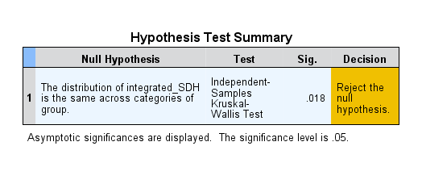
Figure 1 H | SDH |  |  |  |  |  |  |  |  |  | SDH | Two way ANOVA acvr1b*tgfbr1 |  |  | Pvalue= | 0.043 |  |  |  | Integrated SDH ASSUMPTIONS VIOLATED |  |  |  |  | Kruskall Wallis |  | Pvalue | 0.018
 |  | N | Mean | Std. Deviation | Std. Error | 95% Confidence Interval for Mean |  | Minimum | Maximum |  | Multiple Comparisons
 |  |  |  |  |  | Lower Bound | Upper Bound |  |  |  | Dependent Variable: SDH |  |  |  |  |  |  |  |  |  |  |  |  |  | control | Acvr1bfl/fl:Tgfbr1fl/fl | Pvalue | 0.022
 | control | 7 | 0.0000315 | 3.9505E-06 | 1.4932E-06 | 0.00002785 | 0.00003515 | 0.0000267 | 0.0000385 |  | Bonferroni
 | Acvr1b fl/fl | 8 | 0.000034055 | 5.9932E-06 | 2.1189E-06 | 0.00002904 | 0.00003907 | 0.0000258 | 0.0000431 |  | (I) group |  | Mean Difference (I-J) | Std. Error | Sig. | 95% Confidence Interval
 | Tgfbr1 fl/fl | 6 | 0.000027992 | 4.2155E-06 | 0.000001721 | 0.00002357 | 0.00003242 | 0.0000236 | 0.0000337 |  |  |  |  |  |  | Lower Bound | Upper Bound
 | Acvr1bfl/fl:Tgfbr1fl/fl | 5 | 0.000022378 | 4.1542E-06 | 1.8578E-06 | 0.00001722 | 0.00002754 | 0.0000169 | 0.0000283 |  | control | Acvr1b fl/fl | -0.000002555 | 2.4746E-06 | 1 | -0.000009728 | 0.000004618
 | Total | 26 | 0.000029722 | 6.2062E-06 | 1.2171E-06 | 0.00002722 | 0.00003223 | 0.0000169 | 0.0000431 |  |  | Tgfbr1 fl/fl | 3.5083E-06 | 2.6601E-06 | 1 | -0.000004202 | 0.000011219
 |  |  |  |  |  |  |  |  |  |  |  | Acvr1bfl/fl:Tgfbr1fl/fl | .0000091220* | 2.7997E-06 | 0.022 | 0.000001007 | 0.000017237
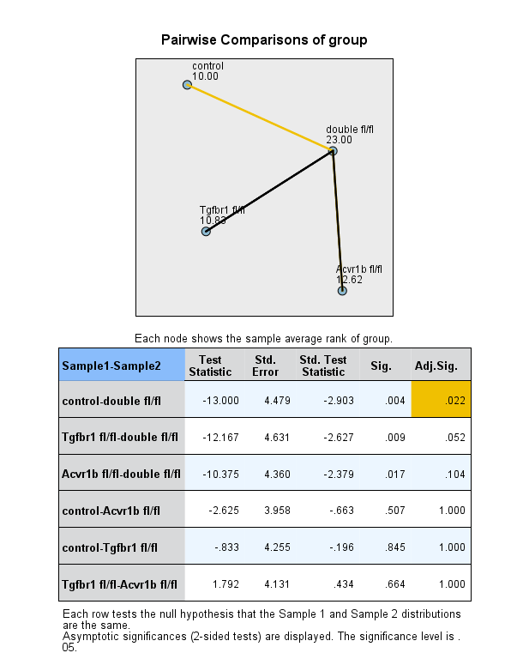
 | integrated_SDH |  |  |  |  |  |  |  |  |  | Acvr1b fl/fl | control | 0.000002555 | 2.4746E-06 | 1 | -0.000004618 | 0.000009728
 |  | N | Mean | Std. Deviation | Std. Error | 95% Confidence Interval for Mean |  | Minimum | Maximum |  |  | Tgfbr1 fl/fl | 6.0633E-06 | 2.5822E-06 | 0.17 | -0.000001421 | 0.000013548
 |  |  |  |  |  | Lower Bound | Upper Bound |  |  |  |  | Acvr1bfl/fl:Tgfbr1fl/fl | .0000116770* | 2.7258E-06 | 0.002 | 0.000003776 | 0.000019578
 | control | 7 | 0.0657332 | 0.0079496 | 0.0030046 | 0.0583810 | 0.0730853 | 0.0505747 | 0.0747433 |  | Tgfbr1 fl/fl | control | -3.5083E-06 | 2.6601E-06 | 1 | -0.000011219 | 0.000004202
 | Acvr1b fl/fl | 8 | 0.0731247 | 0.0173946 | 0.0061499 | 0.0585824 | 0.0876670 | 0.0513638 | 0.1051057 |  |  | Acvr1b fl/fl | -6.0633E-06 | 2.5822E-06 | 0.17 | -0.000013548 | 0.000001421
 | Tgfbr1 fl/fl | 6 | 0.0677817 | 0.0055736 | 0.0022754 | 0.0619326 | 0.0736309 | 0.0604069 | 0.0738848 |  |  | Acvr1bfl/fl:Tgfbr1fl/fl | 5.6137E-06 | 2.8953E-06 | 0.393 | -0.000002778 | 0.000014006
 | Acvr1bfl/fl:Tgfbr1fl/fl | 5 | 0.1026524 | 0.0209398 | 0.0093646 | 0.0766523 | 0.1286526 | 0.0810293 | 0.1293419 |  | Acvr1bfl/fl:Tgfbr1fl/fl | control | -.0000091220* | 2.7997E-06 | 0.022 | -0.000017237 | -0.000001007
 | Total | 26 | 0.0755801 | 0.0191445 | 0.0037545 | 0.0678474 | 0.0833127 | 0.0505747 | 0.1293419 |  |  | Acvr1b fl/fl | -.0000116770* | 2.7258E-06 | 0.002 | -0.000019578 | -0.000003776
 |  |  |  |  |  |  |  |  |  |  |  | Tgfbr1 fl/fl | -5.6137E-06 | 2.8953E-06 | 0.393 | -0.000014006 | 0.000002778

