Figure 2 A
Regenerating areas percentage D0 in TA |  |  |  |  | TA

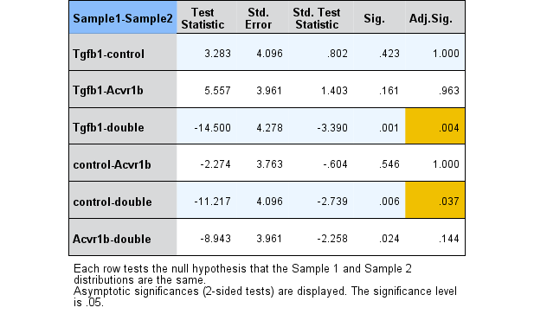
 | Control | Acvr1bfl/fl | Tgfbr1fl/fl | Acvr1bfl/fl:Tgfbr1fl/fl | Independent-Samples Kruskal-Wallis Test Summary
 | 0.11 | 0.03 | 0.04 | 0.21 | Total N | 23
 | 0.12 | 0.00 | 0.07 | 2.59 | Test Statistic | 12,722a
 | 0.04 | 0.09 | 0.03 | 2.90 | Degree Of Freedom | 3
 | 0.03 | 0.10 | 0.00 | 2.17 | Asymptotic Sig.(2-sided test) | 0.005
 | 0.05 | 0.13 | 0.00 | 6.87 | a The test statistic is adjusted for ties.
 | 0.00 | 0.77
 |  | 0.05
AVE | 0.06 | 0.17 | 0.03 | 2.95
SEM | 0.019309474863 | 0.1018569091 | 0.013190905958 | 1.086611246
N | 6 | 7 | 5 | 5

Regenerating areas percentage at day 0 in EDL |  |  |  |  | EDL |  |  |  |  | Independent-Samples Kruskal-Wallis Test Summary

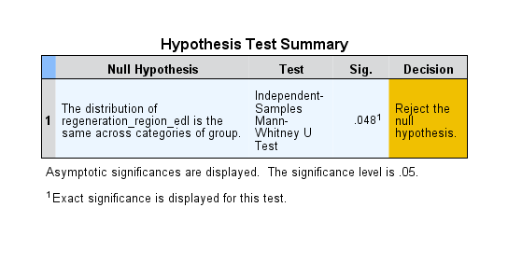
 | Control | Acvr1bfl/fl:Tgfbr1fl/fl
 | 0.00 | 4.43 |  |  | Tests of Normality
 | 0.06 | 0.00 |  |  |  | group | Shapiro-Wilk
 | 0.04 | 1.99 |  |  |  |  | Statistic | df | Sig.
 | 0.00 | 0.38 |  |  | regeneration_region_edl | control | 0.684 | 7 | 0.002
 | 0.09 | 0.90 |  |  |  | doubleKO | 0.876 | 5 | 0.291
 | 0.35 |  |  |  | * This is a lower bound of the true significance.
 | 0.00 |  |  |  | a Lilliefors Significance Correction
AVE | 0.09 | 1.54
SEM | 0.047761841586 | 0.79583917188
N | 7 | 5

Figure 2 C
macrophage number in TA
 | Control |  | Acvr1bfl/fl |  | Tgfbr1fl/fl |  | Acvr1bfl/fl:Tgfbr1fl/fl
 | sample ID | result | sample ID | result | sample ID | result | sample ID | result
 | 150492.00 | 0.71 | 145350.00 | 3.55 | 145618.00 | 5.69 | 153738.00 | 12.79
 | 145433.00 | 1.42 | 146040.00 | 0.71 | 145626.00 | 11.37 | 156501.00 | 18.48
 | 145425.00 | 4.98 | 147196.00 | 3.55 | 153340.00 | 4.98 | 153750.00 | 38.38
 | 146070.00 | 0.71 | 145353.00 | 2.84 | 146538.00 | 0.71 | 156489.00 | 25.59
 | 150493.00 | 0.71 | 153370.00 | 0.71 | 145635.00 | 0.00 | 153749.00 | 23.45
 |  |  | 143203.00 | 2.53 | 145629.00 | 4.26
 |  |  | 147192.00 | 0.00
 |  |  | 147200.00 | 0.00
 | mean | 1.7058 |  | 1.7377 |  | 4.5013 |  | 23.7386
 | sem | 0.82885 |  | 0.54434 |  | 1.66851 |  | 4.27389

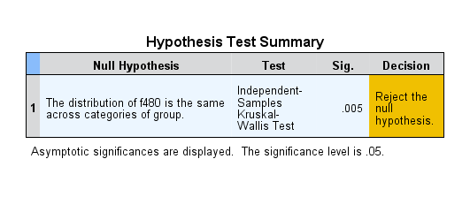
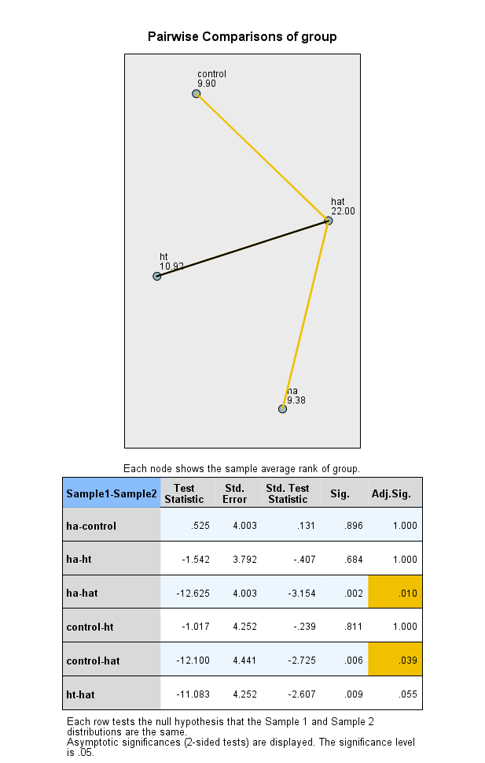
 | Tests of Normality
 | group |  | Shapiro-Wilk
 |  |  | Statistic | df | Sig.
 | f480 | Control | 0.658 | 5 | 0.003
 |  | Acvr1bfl/fl (ha) | 0.848 | 8 | 0.090
 |  | Tgfbr1fl/fl (ht) | 0.921 | 6 | 0.514
 |  | Acvr1bfl/fl:Tgfbr1fl/fl (hat) | 0.959 | 5 | 0.804
 | *. This is a lower bound of the true significance.
 | a. Lilliefors Significance Correction

