Figure 5 E F G
raw data | number of cells per mm2
day0 |  |  |  |  |  |  | day2 |  |  |  |  |  | day4
 |  | ki67 | pax7 | ki67+pax7 | ki67+pax7/Pax7(%) |  |  |  | ki67 | pax7 | ki67+pax7 | ki67+pax7/Pax7(%) |  |  | ki67 | pax7 | ki67+pax7 | ki67+pax7/Pax7(%)
control | 1 | 7.8 | 10.6 | 7.8 | 55.0 |  | control | 1 | 203.8 | 19.5 | 17.7 | 91.7 | control | 1 | 81.5 | 76.2 | 70.9 | 93.8
control | 2 | 1.4 | 4.3 | 1.4 | 20.0 |  | control | 2 | 143.5 | 21.3 | 14.2 | 64.6 | control | 2 | 102.8 | 85.0 | 74.4 | 90.0
control | 3 | 0.0 | 3.5 | 0.0 | 0.0 |  | control | 3 | 145.3 | 30.1 | 19.5 | 63.3 | control | 3 | 60.2 | 90.4 | 42.5 | 43.0
control | 4 | 0.7 | 4.3 | 0.7 | 10.0 |  | control | 4 | 76.2 | 26.6 | 15.9 | 60.8 | control | 4 | 76.2 | 79.7 | 54.9 | 77.9
control | 5 | 1.4 | 0.7 | 0.0 | 0.0 |  | control | 5 | 65.6 | 10.6 | 7.1 | 50.0 | control | 5 | 78.0 | 78.0 | 47.8 | 67.1
control | 6 | 7.8 | 2.8 | 2.8 | 30.0 |  | control | 6 | 62.0 | 17.7 | 17.7 | 100.0 | control | 6 | 106.3 | 101.0 | 76.2 | 79.0
 | average | 3.2 | 4.4 | 2.1 | 19.2 |  |  | 7 | 85.0 | 31.9 | 24.8 | 78.8 |  | 7 | 84.2 | 85.0 | 61.1 | 75.1
 |  |  |  |  |  |  |  | average | 111.6 | 22.5 | 16.7 | 72.7 |  | average
Acvr1bfl/fl:Tgfbr1fl/fl | 1 | 38.3 | 32.6 | 18.4 | 41.3 |  | Acvr1bfl/fl:Tgfbr1fl/fl | 1 |  |  |  |  | Acvr1bfl/fl:Tgfbr1fl/fl | 1 | 114.8 | 208.4 | 60.9 | 34.2
Acvr1bfl/fl:Tgfbr1fl/fl | 2 | 1.4 | 5.0 | 0.7 | 10.0 |  | Acvr1bfl/fl:Tgfbr1fl/fl | 2 | 154.1 | 49.6 | 14.2 | 33.3 | Acvr1bfl/fl:Tgfbr1fl/fl | 2 | 297.7 | 506.7 | 235.6 | 49.1
Acvr1bfl/fl:Tgfbr1fl/fl | 3 | 15.6 | 19.8 | 12.8 | 58.8 |  | Acvr1bfl/fl:Tgfbr1fl/fl | 3 | 148.8 | 14.2 | 8.9 | 62.5 | Acvr1bfl/fl:Tgfbr1fl/fl | 3 | 111.6 | 233.9 | 76.2 | 34.7
Acvr1bfl/fl:Tgfbr1fl/fl | 4 | 34.0 | 39.0 | 7.8 | 21.4 |  | Acvr1bfl/fl:Tgfbr1fl/fl | 4 | 191.4 | 33.7 | 12.4 | 31.5 | Acvr1bfl/fl:Tgfbr1fl/fl | 4 | 118.7 | 163.0 | 93.9 | 57.7
Acvr1bfl/fl:Tgfbr1fl/fl | 5 | 29.8 | 35.0 | 20.6 | 58.7 |  | Acvr1bfl/fl:Tgfbr1fl/fl | 5 | 161.2 | 28.3 | 23.0 | 75.0 | Acvr1bfl/fl:Tgfbr1fl/fl | 5 | 93.9 | 129.3 | 60.2 | 47.2
 | average | 23.8 | 26.3 | 12.0 | 38.1 |  | Acvr1bfl/fl:Tgfbr1fl/fl | 6 | 76.2 | 17.7 | 8.9 | 68.8 | Acvr1bfl/fl:Tgfbr1fl/fl | 6 | 116.9 | 120.5 | 78.0 | 66.9
 |  |  |  |  |  |  |  | average | 146.4 | 28.7 | 13.5 | 54.2 |  | average | 142.3 | 227.0 | 100.8 | 48.3

day 0
Tests of Normality
group |  | Kolmogorov-Smirnova |  |  | Shapiro-Wilk
 |  | Statistic | df | Sig. | Statistic | df | Sig.
ki67 | day 0 control | 0.356 | 6 | 0.017 | 0.752 | 6 | 0.021
 | day 0 d‎KO | 0.253 | 5 | .200* | 0.913 | 5 | 0.484
pax7 | day 0 control | 0.341 | 6 | 0.028 | 0.847 | 6 | 0.149
 | day 0 d‎KO | 0.275 | 5 | .200* | 0.893 | 5 | 0.372
ki67_pax7 | day 0 control | 0.262 | 6 | .200* | 0.777 | 6 | 0.036
 | day 0 d‎KO | 0.184 | 5 | .200* | 0.955 | 5 | 0.773

*. This is a lower bound of the true significance.
a. Lilliefors Significance Correction

Mann-Whitney U test for ki67 &ki67/pax7

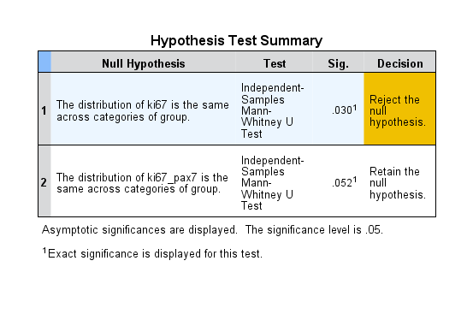

independent t test for pax7

Independent Samples Test
 |  | Levene's Test for Equality of Variances |  | t-test for Equality of Means
 |  | F | Sig. | t | df | Sig. (2-tailed) | Mean Difference | Std. Error Difference | 95% Confidence Interval of the Difference
 |  |  |  |  |  |  |  |  | Lower | Upper

pax7 | Equal variances assumed | 10.767 | 0.010 | -3.773 | 9 | 0.004 | -21.91333 | 5.80847 | -35.05300 | -8.77367
 | Equal variances not assumed |  |  | -3.444 | 4.384 | 0.023 | -21.91333 | 6.36246 | -38.98407 | -4.84260

day 2
Tests of Normality
group |  | Kolmogorov-Smirnova |  |  | Shapiro-Wilk
 |  | Statistic | df | Sig. | Statistic | df | Sig.
ki67 | day 2 control | 0.262 | 7 | 0.158 | 0.866 | 7 | 0.171
 | day 2 dKO | 0.323 | 5 | 0.096 | 0.875 | 5 | 0.286
pax7 | day 2 control | 0.136 | 7 | .200* | 0.962 | 7 | 0.835
 | day 2 dKO | 0.183 | 5 | .200* | 0.946 | 5 | 0.707
ki67_pax7 | day 2 control | 0.179 | 7 | .200* | 0.952 | 7 | 0.748
 | day 2 dKO | 0.251 | 5 | .200* | 0.845 | 5 | 0.179

*. This is a lower bound of the true significance.
a. Lilliefors Significance Correction

independent t test

Independent Samples Test
 |  | Levene's Test for Equality of Variances |  | t-test for Equality of Means
 |  | F | Sig. | t | df | Sig. (2-tailed) | Mean Difference | Std. Error Difference | 95% Confidence Interval of the Difference
 |  |  |  |  |  |  |  |  | Lower | Upper

ki67 | Equal variances assumed | 1.343 | 0.273 | -1.199 | 10 | 0.258 | -34.71143 | 28.94021 | -99.19423 | 29.77138
 | Equal variances not assumed |  |  | -1.250 | 9.804 | 0.240 | -34.71143 | 27.76987 | -96.75446 | 27.33160
pax7 | Equal variances assumed | 1.617 | 0.232 | -0.991 | 10 | 0.345 | -6.17143 | 6.22777 | -20.04777 | 7.70492
 | Equal variances not assumed |  |  | -0.893 | 5.633 | 0.408 | -6.17143 | 6.90717 | -23.34287 | 11.00002
ki67_pax7 | Equal variances assumed | 0.038 | 0.850 | 0.990 | 10 | 0.346 | 3.22000 | 3.25366 | -4.02962 | 10.46962
 | Equal variances not assumed |  |  | 0.977 | 8.351 | 0.356 | 3.22000 | 3.29669 | -4.32695 | 10.76695

day 4
Tests of Normality
group |  | Kolmogorov-Smirnova |  |  | Shapiro-Wilk
 |  | Statistic | df | Sig. | Statistic | df | Sig.
ki67 | day 4 control | 0.227 | 6 | .200* | 0.921 | 6 | 0.513
 | day 4 dKO | 0.454 | 6 | 0.000 | 0.604 | 6 | 0.001
pax7 | day 4 control | 0.216 | 6 | .200* | 0.900 | 6 | 0.375
 | day 4 dKO | 0.314 | 6 | 0.065 | 0.766 | 6 | 0.028
ki67_pax7 | day 4 control | 0.249 | 6 | .200* | 0.878 | 6 | 0.262
 | day 4 dKO | 0.374 | 6 | 0.009 | 0.661 | 6 | 0.002

*. This is a lower bound of the true significance.
a. Lilliefors Significance Correction

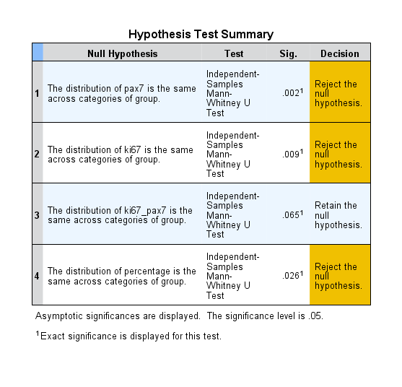
Mann-Whitney U test

