Fig 3A
width / length
control seg-3 | cytD seg-3 | control seg-2 | cytD seg-2 | control seg-1 | cytD seg-1
0.329146273 | 0.384153028 | 0.29439735 | 0.388340405 | 0.168098 | 0.196785192
0.205834369 | 0.345851613 | 0.12447238 | 0.386433332 | 0.233528 | 0.137791932
0.41589659 | 0.257586673 | 0.26150053 | 0.760893938 | 0.141037 | 0.260186637
0.317662508 | 0.290575916 | 0.24400134 | 0.342026392 | 0.175677 | 0.196344821
0.303070825 | 0.734508029 | 0.23706618 | 0.577437275 | 0.198878 | 0.133749784
0.235880534 | 0.511709018 | 0.12 | 0.730075962 | 0.206796 | 0.344918973
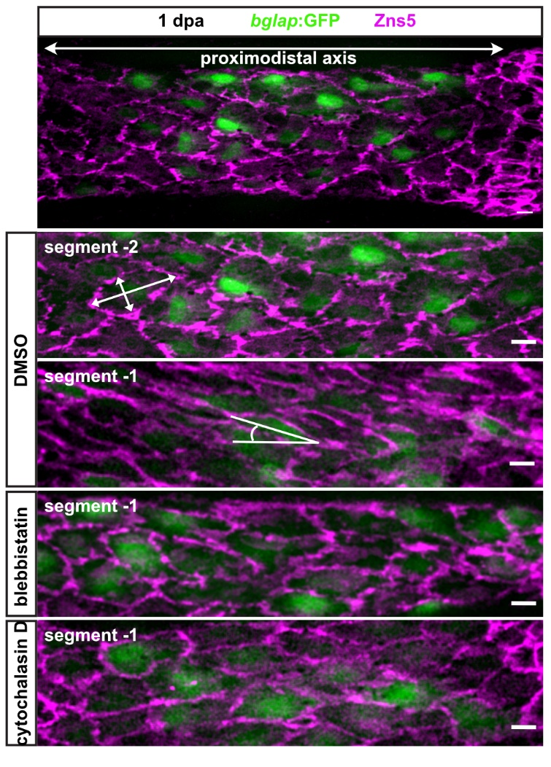
0.386442895 | 0.756443438 | 0.17561929 | 0.520416799 | 0.132969 | 0.239842627
0.539155959 | 0.70287316 | 0.15726582 | 0.800667287 | 0.125858 | 0.332210738
0.297950746 | 0.437540418 | 0.21533424 | 0.726717696 | 0.215316 | 0.140200757
0.257246523 | 0.402918587 | 0.19823143 | 0.640697021 | 0.219616 | 0.086953967
0.393873499 | 0.455496464 | 0.17667278 | 0.819260685 | 0.159627 | 0.100191786
0.303442711 | 0.700395257 | 0.22676667 | 0.591825279 | 0.186506 | 0.23655774
0.57733358 | 0.677920833 | 0.22991627 | 0.572709442 | 0.303506 | 0.095506085

0.39729636 | 0.36487506 | 0.555749487 | 0.296445 | 0.31085092 | 0.29904484
0.3601376 | 0.17975499 | 0.455923414 | 0.308875 | 0.41566828 | 0.187771724
0.48605524 | 0.3468545 | 0.204698549 | 0.350039 | 0.30419953 | 0.338019113
0.42903591 | 0.29571792 | 0.389755155 | 0.269219 | 0.16032141 | 0.230787103
0.35949509 | 0.59177427 | 0.604411864 | 0.309067 | 0.19421898 | 0.150666857
0.32708173 | 0.42260209 | 0.27783639 | 0.284759 | 0.20444928 | 0.271099377
0.3284375 | 0.34443534 | 0.388044892 | 0.193444 | 0.1887423 | 0.196807126
0.44746868 | 0.4952285 | 0.344801378 | 0.325618 | 0.1865841 | 0.368380758
0.34786868 | 0.20471265 | 0.439872112 | 0.176687 | 0.05850125 | 0.410278155
0.45242445 | 0.30161183 | 0.292911255 | 0.208553 | 0.14536063 | 0.165101062
0.48264738 | 0.39072105 | 0.363470495 | 0.333027 | 0.14672248 | 0.200144901
0.36073384 | 0.31196567 | 0.411749469 | 0.306745 | 0.16938696 | 0.202033545
0.46549355 | 0.29337652 | 0.410578404 | 0.294005 | 0.09963434 | 0.573163603
0.18572997 | 0.42501405 | 0.187902898 | 0.393614 | 0.18712871 | 0.166446551
0.30994712 | 0.40111332 | 0.416950775 | 0.290977 | 0.17642643 | 0.335412416
0.45899789 | 0.46046331 | 0.311315506 | 0.344319 | 0.10513872 | 0.311449287
0.34342445 | 0.28766929 | 0.357922156 | 0.435214 | 0.16175479 | 0.416750358
0.32775989 | 0.47425082 | 0.388535925 | 0.318651 | 0.15369323 | 0.262557981
0.4424819 | 0.28265607 | 0.385911261 | 0.352555 | 0.21784222 | 0.243143871
0.41809185 | 0.26278799 | 0.572652603 | 0.473512 | 0.18642887 | 0.218676058
0.37673319 | 0.36800965 | 0.406381315 | 0.529926 | 0.25780026 | 0.250165145
0.26904893 | 0.33528499 | 0.260504491 | 0.461896 | 0.15289665 | 0.377124209
0.36573415 | 0.46883425 | 0.246893448 | 0.235437 | 0.17244768 | 0.183904186
0.36323019 | 0.4029369 | 0.271087802 | 0.38685 | 0.31067516 | 0.220411795
0.23552133 | 0.42446392 | 0.350018425 | 0.477863 | 0.2797356 | 0.287308508
0.40465599 | 0.22441434 | 0.781599312 | 0.270333 | 0.22358363 | 0.246656228
0.38772758 | 0.28085751 | 0.594790322 | 0.320984 | 0.24937691 | 0.233267091
0.50020583 | 0.30767283 | 0.370528629 | 0.468947 | 0.41147221 | 0.314637235
0.30404369 | 0.33329952 | 0.322982389 | 0.28574 | 0.29625723 | 0.290157322
0.47111298 | 0.34046933 | 0.52846556 | 0.320078 | 0.23736115 | 0.269286891
0.40676374 | 0.22800465 | 0.419038848 | 0.19909 | 0.22347095 | 0.302073499
0.19163587 | 0.35296329 | 0.364325184 | 0.412859 | 0.24504436 | 0.382354017
0.38977254 | 0.34905416 | 0.306566989 | 0.508613 | 0.26918744 | 0.296201756
0.26724459 | 0.32404812 | 0.423091271 | 0.405385 | 0.28144133 | 0.508014408

0.553375196 | 0.352554745 | 0.3851778 | 0.486980781 | 0.238984 | 0.53543
0.535562883 | 0.311241066 | 0.33654689 | 0.31805853 | 0.255422 | 0.331206
0.540626239 | 0.262241819 | 0.36082148 | 0.400087758 | 0.168229 | 0.195445
0.549409237 | 0.317766204 | 0.33195706 | 0.329885683 | 0.111224 | 0.163804
0.376186368 | 0.332023011 | 0.29320722 | 0.335753176 | 0.231293 | 0.471914
0.401984263 | 0.687242798 | 0.27875458 | 0.295565302 | 0.165261 | 0.371795
0.416009954 | 0.514202899 | 0.38500586 | 0.278316071 | 0.112071 | 0.348457
0.370823146 | 0.252592396 | 0.3790995 | 0.263333333 | 0.151062 | 0.51114
0.471655329 | 0.327163582 | 0.39003215 | 0.252405625 | 0.186675 | 0.373444
0.41378012 | 0.255298651 | 0.25513539 | 0.282602208 | 0.237182 | 0.372703
0.329117829 | 0.227415144 | 0.31042318 | 0.314347513 | 0.205716 | 0.4782
0.534576888 | 0.359138533 | 0.3846395 | 0.263707572 | 0.23267 | 0.294275
0.328516378 | 0.343069874 | 0.31524704 | 0.402755906 | 0.096068 | 0.263233
0.286793954 | 0.340163934 | 0.23028391 | 0.289455782 | 0.193555 | 0.337438
0.3336 | 0.379620035 | 0.35013175 | 0.245806984 | 0.188406 | 0.318392
0.332520722 | 0.513431935 | 0.39169034 | 0.36461496 | 0.304006 | 0.648785
0.398123827 | 0.343414918 | 0.44509612 | 0.292408879 | 0.236644 | 0.565696
0.478154491 | 0.310144928 | 0.45771812 | 0.204572098 | 0.127027 | 0.482274
0.24621376 | 0.472153246 | 0.43422849 | 0.359494415 | 0.198575 | 0.270931
0.274390244 | 0.540686464 | 0.50684932 | 0.295182781 | 0.241732 | 0.446423
0.221692825 | 0.442032686 | 0.37677334 | 0.291843071 | 0.230832 | 0.505956
0.368808738 | 0.34962406 | 0.37059074 | 0.435649936 | 0.229548 | 0.417717
0.233213737 | 0.221273292 | 0.29646382 | 0.543346415 | 0.136644 | 0.508263
0.353665361 | 0.301779197 | 0.356236 | 0.24288 | 0.176286 | 0.321389
0.384114583 | 0.271512972 | 0.28950863 | 0.428171642 | 0.343159 | 0.162554
0.232056646 | 0.177670424 | 0.49661705 | 0.562922433 | 0.331878 | 0.268145
0.436804191 | 0.375157154 | 0.27953074 | 0.248117942 | 0.280566 | 0.249878
0.202388435 | 0.395391009 | 0.48497409 | 0.265884653 | 0.148058 | 0.40459
0.210614059 | 0.30631797 | 0.35833333 | 0.329750645 | 0.269801 | 0.385728
0.345313922 | 0.29015025 | 0.28892273 | 0.34519573 | 0.294762 | 0.446515
0.348774885 | 0.346485498 | 0.32841091 | 0.253835425 | 0.315257 | 0.277498
0.43579235 | 0.333253817 | 0.36041237 | 0.332260372 | 0.383902 | 0.363453
0.322712934 | 0.495900039 | 0.3468426 | 0.354097268 | 0.221587 | 0.411246
0.352260398 | 0.362991618 | 0.22166547 | 0.327148159 | 0.172233 | 0.271078
0.234669811 | 0.275850567 | 0.35587929 | 0.269487751 | 0.170333 | 0.518917
0.246197382 | 0.291962617 | 0.29503546 | 0.433277027 | 0.233081 | 0.30719
0.377702892 | 0.372186093 | 0.18167349 | 0.312850905 | 0.298134 | 0.225777
0.464410328 | 0.351845464 | 0.43747296 | 0.333892055 | 0.17529 | 0.422299
0.493646139 | 0.410915493 | 0.34340481 | 0.342531494 | 0.185513 | 0.267865
0.55502008 | 0.4114082 | 0.41348402 | 0.352858744 | 0.298311 | 0.288555

