Fig 5C
width / length
control_seg-3 | W54011_seg-3 | control_seg-2 | W54011_seg-2 | control_seg-1 | W54011_seg-1
0.366688096 | 0.33989095866 | 0.22197322816 | 0.57677049963 | 0.203122 | 0.39109953771
0.440975858 | 0.41396982403 | 0.25912441367 | 0.38685888286 | 0.158842 | 0.45491497304
0.345135337 | 0.20987978963 | 0.31544600939 | 0.26346195301 | 0.190355 | 0.33494531174
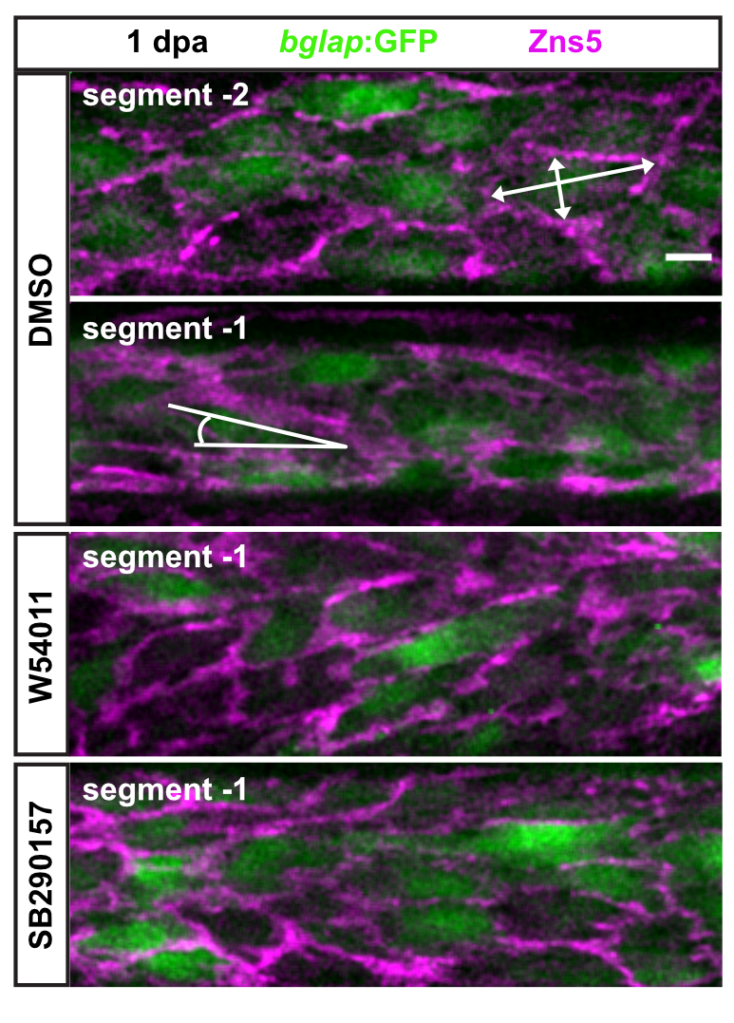
0.276934023 | 0.37001317075 | 0.32741326953 | 0.35935650115 | 0.170946 | 0.33504334556
0.25580373 | 0.27991778589 | 0.39054148896 | 0.35490583339 | 0.316392 | 0.20690547006
0.443579767 | 0.17642803117 | 0.19245797039 | 0.27398661944 | 0.096873 | 0.2998542676
0.367898953 | 0.23124687325 | 0.30730799894 | 0.32151898734 | 0.251016 | 0.37009071365
0.318890069 | 0.16974184197 | 0.43987683665 | 0.52152926755 | 0.243769 | 0.42805988343
0.448844277 | 0.22488540537 | 0.32268834374 | 0.4945604081 | 0.179227 | 0.30026447738
0.36882141 | 0.31129265937 | 0.30563268544 | 0.2755113789 | 0.178763 | 0.32025220507
0.31027355 | 0.27398599551 | 0.29294833348 | 0.28379062468 | 0.241225 | 0.41146448163
0.468158348 | 0.40087575935 | 0.22787617434 | 0.17414056532 | 0.148588 | 0.24383293515
0.239016712 | 0.28703397126 | 0.23037275394 | 0.25322038849 | 0.235104 | 0.16740831225
0.41699979 | 0.27928485599 | 0.30999209946 | 0.35827031789 | 0.144214 | 0.3389087861
0.426350344 | 0.29045133558 | 0.36809514717 | 0.37277676951 | 0.186372 | 0.30172564668
0.293171873 | 0.42582012532 | 0.24665244697 | 0.55891102497 | 0.153817 | 0.36600023113
0.476731094 | 0.42047629173 | 0.31475280158 | 0.41316643486 | 0.142323 | 0.47017045455
0.490996342 | 0.42693095726 | 0.34464186843 | 0.40945886494 | 0.206982 | 0.35395012178
0.391027548 | 0.33977597189 | 0.3166382335 | 0.24607751538 | 0.238064 | 0.20137965238
0.413194444 | 0.34016993847 | 0.2528328799 | 0.33855875562 | 0.149656 | 0.23670506549
0.477050367 | 0.37110434311 | 0.18493334964 | 0.29677839245 | 0.15557 | 0.32722841226
0.491608761 | 0.31149868181 | 0.15727332565 | 0.12921562228 | 0.16151 | 0.33454690407
0.339728534 | 0.30560157237 | 0.2759895227 | 0.21966163333 | 0.241841 | 0.35684489951
0.291532778 | 0.25788038848 | 0.23231733546 | 0.2266520227 | 0.188477 | 0.33200819547
0.415011599 | 0.32304537298 | 0.25269005438 | 0.36123543406 | 0.133255 | 0.32542857977
0.259078321 | 0.2104610709 | 0.21345434036 | 0.39339030531 | 0.184213 | 0.32808194984
0.451875207 | 0.45322916667 | 0.21280529874 | 0.3339663144 | 0.154789 | 0.40407905043
0.357834736 | 0.41908174925 | 0.20189057879 | 0.30088884978 | 0.106295 | 0.32104582675
0.365513118 | 0.33585396845 | 0.36971189615 | 0.30533568338 | 0.201717 | 0.32304890872
0.497038703 | 0.35949646958 | 0.35735253392 | 0.39194052467 | 0.248079 | 0.31863460603
0.46315117 | 0.33192872192 | 0.56662030598 | 0.30911330049 | 0.206847 | 0.35209476643
0.338297068 | 0.46878720871 | 0.45570443136 | 0.21757974376 | 0.155059 | 0.24187011253
0.28513483 | 0.54219399207 | 0.3725053345 | 0.27438546248 | 0.19325 | 0.363228536

0.37032211836 | 0.39875882731 | 0.3620814898 | 0.43490153173 | 0.27018879301 | 0.18719897249
0.3321145827 | 0.41733003934 | 0.36819327889 | 0.32385727239 | 0.11924711597 | 0.25461886387
0.2495764573 | 0.30319503735 | 0.32298815899 | 0.34597172543 | 0.14150442839 | 0.29989362194
0.29797782127 | 0.27361199745 | 0.30672101015 | 0.42332361516 | 0.16661148069 | 0.15892629777
0.38094853575 | 0.36589328324 | 0.38159418276 | 0.25664016241 | 0.17966652095 | 0.27904761905
0.33282043838 | 0.39225800664 | 0.44980519481 | 0.3679245283 | 0.096695781147 | 0.22908455181
0.32064065811 | 0.38570957368 | 0.33584096831 | 0.35147571156 | 0.18684474476 | 0.36543289003
0.39327249233 | 0.36816435117 | 0.30084417262 | 0.26172719307 | 0.13317008853 | 0.37440241281
0.36557036313 | 0.31373356957 | 0.18046928916 | 0.27739046773 | 0.14186211798 | 0.19226472758
0.36374111773 | 0.30223422539 | 0.32230812748 | 0.30923508841 | 0.15425483098 | 0.2542311192
0.40719951511 | 0.37023198388 | 0.20947915846 | 0.26699029126 | 0.22632151929 | 0.32318544645
0.31014079785 | 0.35466644062 | 0.33533578721 | 0.36103698056 | 0.17137674313 | 0.53902289809
0.32172513679 | 0.31008603332 | 0.20794810391 | 0.31806111491 | 0.24157570005 | 0.32866805632
0.29534361151 | 0.3656652848 | 0.22821343094 | 0.31590301466 | 0.21347214807 | 0.42556376298
0.38608857171 | 0.30803281352 | 0.25142332415 | 0.38451692976 | 0.18829523054 | 0.27969882159
0.41290089854 | 0.24136205977 | 0.26834513701 | 0.31020150072 | 0.25703083767 | 0.33678350192
0.21591433875 | 0.27133285576 | 0.26496759991 | 0.31639283325 | 0.19630403089 | 0.21819808476
0.32518272956 | 0.28888005206 | 0.43701349546 | 0.45630345853 | 0.16344659116 | 0.20430794797
0.27654526384 | 0.26533455545 | 0.37305980259 | 0.30020460909 | 0.22340643575 | 0.32675544794
0.28434217597 | 0.24614885682 | 0.4697618772 | 0.29447355337 | 0.22335923408 | 0.29704836568
0.39693341373 | 0.33402618998 | 0.21947424182 | 0.22450229709 | 0.31251031251 | 0.2093111639
0.48505263158 | 0.49624402458 | 0.36376183721 | 0.54161319454 | 0.21037931585 | 0.19111559091
0.32211747643 | 0.38491531619 | 0.3292807279 | 0.4203116407 | 0.17087704574 | 0.37770548828
0.34953139172 | 0.2458896898 | 0.36438651601 | 0.36267942584 | 0.20074833703 | 0.53971860178
0.32537734691 | 0.19696838832 | 0.33167672859 | 0.45815008484 | 0.14246282303 | 0.34739308729
0.37840685586 | 0.1806206089 | 0.31630510847 | 0.41539902464 | 0.24445507672 | 0.32154111172
0.22279792746 | 0.35777508618 | 0.30779889153 | 0.53565074586 | 0.29211698384 | 0.4085003712
0.4827298295 | 0.39148408433 | 0.22821642026 | 0.39744702394 | 0.23003517852 | 0.47950630929
0.44567251983 | 0.36779543319 | 0.26985869118 | 0.40735711148 | 0.15380867306 | 0.3952345247
0.27748568132 | 0.42305934914 | 0.30370664024 | 0.31358618048 | 0.1956567133 | 0.4345502736
0.27082394075 | 0.48454983327 | 0.28303421628 | 0.4134205989 | 0.0682623581 | 0.22020612571
0.30461689587 | 0.18923538073 | 0.37158894938 | 0.26222731975 | 0.058285196511 | 0.16603773585
0.32992238239 | 0.46008801882 | 0.39238810968 | 0.29872370127 | 0.073645880746 | 0.30420168067
0.30833972393 | 0.45803006474 | 0.50003295762 | 0.24771885588 | 0.16505642294 | 0.14623677381
0.37834928675 | 0.34811795732 | 0.26873230052 | 0.3221430307 | 0.12910685326 | 0.30663100099
0.39010050513 | 0.33820734593 | 0.18443311426 | 0.31967703612 | 0.14423699699 | 0.26589872044

0.26693712 | 0.28011472275 | 0.6049936 | 0.35088993825 | 0.157906 | 0.1290174472
0.383071553 | 0.33036551078 | 0.60858086 | 0.29170267934 | 0.158647 | 0.5161498708
0.399912968 | 0.31884790298 | 0.57890521 | 0.36523809524 | 0.140999 | 0.51463890696
0.3454323 | 0.40645409143 | 0.41999083 | 0.42644628099 | 0.164762 | 0.29789065863
0.350947522 | 0.45601851852 | 0.36590909 | 0.32298447672 | 0.198433 | 0.33255131965
0.337134358 | 0.49734171097 | 0.26286353 | 0.36034115139 | 0.318242 | 0.35102533172
0.337073609 | 0.3161641541 | 0.23901393 | 0.28 | 0.172956 | 0.35695538058
0.286507496 | 0.36972193615 | 0.34993271 | 0.49117043121 | 0.212337 | 0.391
0.313903743 | 0.37595907928 | 0.37841191 | 0.31584158416 | 0.331122 | 0.31791907514
0.34201302 | 0.38151709402 | 0.40984252 | 0.4801980198 | 0.173481 | 0.50286650287
0.575923393 | 0.45874416191 | 0.32234432 | 0.36001894837 | 0.171543 | 0.25952380952
0.331815266 | 0.46306497175 | 0.35704225 | 0.44705361099 | 0.223845 | 0.24613402062
0.366964286 | 0.39770114943 | 0.35733882 | 0.39188640974 | 0.190025 | 0.24904942966
0.416751269 | 0.38298533985 | 0.23461633 | 0.42582987552 | 0.266975 | 0.28986402967
0.344348659 | 0.46747608536 | 0.27197976 | 0.3108 | 0.174415 | 0.36815920398
0.308561495 | 0.41873706004 | 0.25259764 | 0.33176571184 | 0.193512 | 0.40707016604
0.432835821 | 0.38427947598 | 0.21165535 | 0.57776530039 | 0.249665 | 0.42098030234
0.328716036 | 0.51116656269 | 0.23876681 | 0.3730458221 | 0.235132 | 0.35670464505
0.294722092 | 0.52145214521 | 0.39017191 | 0.45285359801 | 0.10733 | 0.44192027432
0.595803067 | 0.26763485477 | 0.27719466 | 0.48047619048 | 0.100585 | 0.36226851852
0.297243108 | 0.35663627153 | 0.38029284 | 0.34320735444 | 0.154173 | 0.30545774648
0.351932896 | 0.32507149666 | 0.55555556 | 0.4566888775 | 0.263952 | 0.44220183486
0.469354839 | 0.58113649678 | 0.44244604 | 0.45009689922 | 0.239822 | 0.56395348837
0.535820012 | 0.48540965208 | 0.49500907 | 0.28111353712 | 0.133538 | 0.37209302326
0.365725227 | 0.44600389864 | 0.50056561 | 0.46643632774 | 0.23994 | 0.35673187572
0.459701493 | 0.44935622318 | 0.47613435 | 0.28441349759 | 0.183493 | 0.35252879319
0.379164909 | 0.37762893503 | 0.41337258 | 0.53670473083 | 0.157746 | 0.4442071543
0.383627019 | 0.38359201774 | 0.52581818 | 0.39791666667 | 0.210235 | 0.35809261807
0.508992806 | 0.36412092283 | 0.37598598 | 0.28032473734 | 0.15268 | 0.38450074516
0.367464115 | 0.31053294167 | 0.28707564 | 0.43655071044 | 0.182741 | 0.31573849879
0.397776704 | 0.35186412593 | 0.3127161 | 0.35666104553 | 0.203114 | 0.59338313767
0.512591389 | 0.37241093621 | 0.37637851 | 0.32616940582 | 0.186813 | 0.59402985075
0.480118694 | 0.34256619145 | 0.49246502 | 0.38859416446 | 0.280747 | 0.30764449969
0.513563502 | 0.47188649501 | 0.40630915 | 0.32759643917 | 0.322001 | 0.41935483871
0.443687795 | 0.37375745527 | 0.38284619 | 0.21560035057 | 0.345588 | 0.38995215311
0.322647363 | 0.5041906327 | 0.34308636 | 0.38521400778 | 0.23002 | 0.3118514473
0.583236321 | 0.43418388011 | 0.30948122 | 0.30849220104 | 0.276123 | 0.33245033113
0.381175247 | 0.33766233766 | 0.32090609 | 0.42008691453 | 0.25161 | 0.47513540128
0.316704036 | 0.47347531462 | 0.39103982 | 0.45071923282 | 0.328675 | 0.39093898429
0.340387213 | 0.30099857347 | 0.36091453 | 0.2646884273 | 0.216744 | 0.60339204175
...

