Sheet1
Figure 1 - Source data 2 (Relates to Figure 2F) : co-localization of Brl1-mCherry with old or new Nup170-yEGFP marked NPCs using the RITE strategy
Pearson Correlation coefficient of Brl1-mCherry and Nup170-RITE intensity profiles along the NE of individual cells in 5 biological replicates (n=1-5).
In the graph, individual points reflect the average of a biological replicate.
Cells were imaged ~30min (for new-yEGFP) or ~5h (for old Nup170-yEGFP) after recombination induction.

 |  |  |  |  |  |  |  |  |  |  |  |  | Average Pearson Corr
 |  |  |  |  |  |  |  |  |  |  |  |  | OLD | NEW
 |  | n=1 |  | n=2 |  | n=3 |  | n=4 |  | n=5 |  | n=1 | -0.05269210831 | 0.2726269262
 | Average | -0.05269210831 | 0.2726269262 | 0.07482499431 | 0.2075682117 | -0.1134907709 | 0.1493414383 | -0.06321090405 | 0.2736080525 | -0.08046749873 | 0.3141974101 | n=2 | 0.07482499431 | 0.2075682117
 |  |  |  |  |  |  |  |  |  |  |  | n=3 | -0.1134907709 | 0.1493414383
 |  | Pearson Corr Coeff |  |  |  |  |  |  |  |  |  | n=4 | -0.06321090405 | 0.2736080525
 |  | old Nup170-yEGFP | new Nup170-yEGFP | old Nup170-yEGFP | new Nup170-yEGFP | old Nup170-yEGFP | new Nup170-yEGFP | old Nup170-yEGFP | new Nup170-yEGFP | old Nup170-yEGFP | new Nup170-yEGFP | n=5 | -0.08046749873 | 0.3141974101
 |  | -0.11132453789 | 0.41911098873 | 0.14820465772 | -0.047157413158 | -0.022529060972 | 0.17429300878 | 0.23685612508 | 0.17475623994 | -0.06722050292 | 0.087510846584
 |  | -0.181903035 | 0.57514696953 | -0.057665375277 | 0.86622857518 | 0.19281551061 | 0.55874442799 | -0.24979337614 | 0.34823401212 | -0.22106124187 | 0.20908498545 | Average | -0.04700725753 | 0.2434684078
 |  | 0.39621952168 | 0.37268006512 | 0.19857077269 | 0.71588673161 | 0.34697857046 | -0.051283315408 | -0.19900012577 | 0.71031524632 | -0.21961490355 | -0.61362622922 | Two tailed Student's t-test |  | 0.0001526381029
 |  | -0.1630832963 | 0.19271941311 | -0.21519508112 | 0.60199249369 | 0.057303296166 | 0.3355878163 | -0.2524148356 | 0.69674215304 | -0.092149126337 | 0.39149646157 |  |  | ***
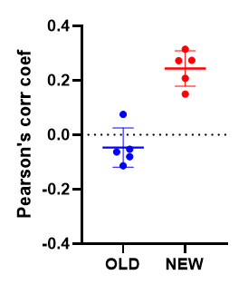
 |  | -0.21986890093 | 0.3379530203 | -0.2943386493 | -0.027115431527 | -0.13187255936 | 0.63004243962 | 0.15074357627 | 0.44262114989 | -0.31514718505 | 0.44729360674
 |  | -0.0071111632077 | 0.099087132363 | 0.45512317313 | 0.14589929113 | -0.089566459467 | 0.41324189504 | -0.63907483165 | 0.71903723377 | -0.39875947149 | 0.12140498712
 |  | 0.35684413189 | 0.52003434823 | 0.02613021755 | 0.48546868995 | -0.28863869936 | -0.16380753579 | -0.20382084491 | -0.048509148263 | 0.03497751402 | 0.45642009555
 |  | -0.42171524571 | 0.19362548916 | -0.046985978088 | 0.35007246944 | -0.24563632475 | -0.32725876284 | -0.078065902797 | -0.12742441968 | -0.28854884521 | 0.36647325783
 |  | 0.014592370557 | 0.64424836975 | -0.056708178601 | -0.26464107509 | -0.13067890041 | 0.52005462749 | 0.30587062047 | -0.085851026325 | -0.087107157716 | 0.033951115109
 |  | 0.3024496199 | 0.19447945907 | 0.1147741409 | 0.32768098867 | 0.0054439320011 | 0.48638187561 | -0.60968141811 | 0.57584169339 | 0.047677275082 | 0.42012186099
 |  | -0.13757748295 | 0.019138653166 | 0.34618896135 | 0.10816985323 | -0.57826832958 | -0.038577326092 | 0.45837907094 | 0.73924735379 | 0.21060337452 | 0.31672273437
 |  | 0.53040096393 | -0.02807879125 | 0.36826078657 | 0.35974015266 | -0.25238184377 | 0.32165361135 | 0.1215338447 | -0.023685182202 | -0.37225177467 | -0.18891449302
 |  | -0.21725091102 | 0.30222824774 | 0.37773682546 | 0.34220447455 | -0.21039762856 | -0.16039892161 | -0.23420927061 | 0.014284125034 | -0.049277901837 | 0.20876531188
 |  | -0.046186508914 | 0.49147366306 | -0.56694479109 | 0.32456312535 | -0.065293559074 | -0.065802102847 | 0.25206767768 | 0.36219201929 | 0.1537495097 | 0.53613449489
 |  | -0.1387776562 | 0.22773140789 | 0.32354525497 | 0.13593440446 | 0.087018949244 | 0.18784465818 | 0.21795737899 | -0.37126257552 | -0.18488171202 | 0.50752812035
 |  | 0.15212798752 | 0.3660708004 | -0.04381142911 | 0.2447204017 | -0.18922419971 | -0.024021953346 | -0.098450400584 | 0.21858181998 | -0.34897098352 | 0.7319725476
 |  | 0.31028190918 | 0.14403946995 | 0.17538992532 | 0.15104290308 | -0.28410181726 | 0.58588050005 | -0.29200722547 | 0.80323019661 | 0.020607577514 | 0.51323616122
 |  | -0.30067729773 | 0.13525425831 | -0.078558614466 | -0.24028464231 | -0.42783322848 | 0.046163053257 | -0.2882801574 | 0.47266916108 | -0.16241060717 | 0.27694754898
 |  | 0.1147524841 | 0.24514631847 | 0.034775891828 | -0.09957814408 | -0.46136647306 | 0.39344793934 | 0.16085689999 | 0.33664752445 | -0.31898045216 | 0.24745725986
 |  | -0.073352604502 | 0.61614432277 | 0.10629077383 | 0.093253148367 | -0.010117008246 | -0.10602946302 | 0.47956422791 | 0.30252454504 | 0.34439822672 | 0.78584555862
 |  | 0.052133182894 | 0.29360162605 | -0.12955483311 | 0.36084406657 | 0.39905999763 | 0.68377502128 | -0.20412201379 | -0.15194561 | -0.23029606109 | 0.41284170273
Graph 6: Pearson's corr coef of Brl1-mCherry and Nup170-RITE intensity profiles along the NE. Individual points reflect the average of a biological replicate. The average and the standard deviation are indicated with lines.
 |  | -0.17089874251 | 0.30249640703 | 0.55154916535 | 0.44564282833 | -0.28107757571 | 0.33674731781 | 0.27470631645 | -0.085220131774 | 0.078400605866 | 0.63266044577
 |  | -0.030168079142 | -0.23075199407 | -0.12870013969 | 0.10663659838 | 0.36330278002 | 0.39776952225 | -0.28755695788 | 0.43613747029 | -0.11473108145 | 0.37202210486
 |  | -0.10449292821 | 0.81057132487 | 0.069983935487 | -0.38298007631 | 0.014249534467 | 0.6077231203 | -0.07421024888 | 0.47067652312 | -0.18635919813 | 0.39356501502
 |  | -0.23473444689 | -0.17428995381 | 0.48391127815 | -0.11058074417 | -0.096733778089 | -0.096811981903 | -0.20104560761 | 0.30303385672 | 0.065424732933 | 0.42503319709
 |  | -0.35151909457 | 0.32549944659 | -0.11081533936 | 0.19024759794 | -0.094231004787 | 0.3023558896 | -0.17397969055 | 0.28286343033 | 0.26726228185 | 0.080406908888
 |  | -0.18899061943 | -0.18091751702 | -0.19716793949 | 0.56008980535 | -0.49361803587 | -0.32855600572 | -0.3368748856 | -0.2181457526 | -0.47596512212 | 0.64767743463
 |  | -0.34237283967 | 0.41911098873 | -0.19716793949 | 0.41155242379 | -0.047643064021 | 0.27956811667 | -0.074142352798 | 0.45246404361 | -0.20326474809 | 0.59357782674
 |  | -0.35050267268 |  | -0.011619966196 | -0.022842354721 | -0.00077478772037 | 0.1432098551 | -0.053981237722 | 0.50674961811 | -0.48437732668 | 0.42023549822
 |  | -0.018057357464 |  | 0.59954832327 | 0.094355208669 | 0.42115118778 | -0.17617712754 | 0.4758808504 | -0.24622955343 | 0.28311717813 | 0.16905261081
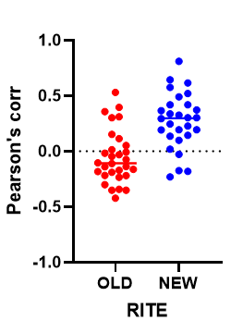
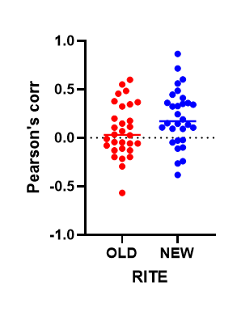
 |  |  |  |  |  | -0.31260336704 | 0.24106398651 | -0.39727635092 | 0.46554504356 | 0.14793980702 | 0.16235208239
 |  |  |  |  |  | 0.008158636317 | 0.021711675785 | -0.64082472145 | -0.39950295847 | 0.26211435079 | -0.48183885516
 |  |  |  |  |  | -0.22888284343 | 0.0035607378742 | 0.40995383891 | 0.40411841216 | 0.12874733974 | 0.41716471317
 |  |  |  |  |  | 0.038044421958 | -0.4621732848 | -0.152309852 | -0.02484541894 | 0.17234947739 | 0.48365537825
 |  |  |  |  |  | 0.33104797985 | -0.55580818774 | -0.015629761321 | 0.62741838363 | -0.46159827504 | -0.1683503692
 |  |  |  |  |  | -0.067296507309 | 0.62092529514 |  | 0.7875415162 | -0.18362843149 | 0.52054818094
 |  |  |  |  |  | -0.18017156561 | 0.35481993183 |  | 0.044102459343 | -0.18187351627 | 0.69423317031
 |  |  |  |  |  | -0.18017156561 | -0.33182815872 |  | 0.023062208382 | 0.062054613255 | 0.16184844866
 |  |  |  |  |  | -0.24685046209 | 0.38343636844 |  | 0.2192177338 | 0.210504866 | 0.3779260611
 |  |  |  |  |  | -0.45788885033 | 0.40359397075 |  | 0.52364066654 | 0.43934286318 | 0.53864616061
 |  |  |  |  |  | -0.33583595787 | 0.35346347932 |  | 0.30837241702 | -0.40111869033 | 0.44124780085
 |  |  |  |  |  | 0.36065590389 | 0.30485290055 |  | 0.6000008211 | -0.49597357984 | 0.50234890849
 |  |  |  |  |  | -0.23031037412 | -0.045079821529 |  | 0.21972588413 | 0.080932549462 | 0.19481457336
 |  |  |  |  |  | -0.59784155383 | 0.091168289145 |  | 0.39205209944 | -0.049069258565 | 0.27872186007
 |  |  |  |  |  | -0.35165818766 | 0.31541350448 |  | 0.018999318697 | 0.29422029464 | 0.52970979261
Graph 1: Pearson's corr coef of Brl1-mCherry and Nup170-RITE intensity profiles along the NE, first biological replicate. Points represent individual cells. The average and is indicated with a line.
Graph 2: Pearson's corr coef of Brl1-mCherry and Nup170-RITE intensity profiles along the NE, second biological replicate. Points represent individual cells. The average and is indicated with a line.
 |  |  |  |  |  | -0.21047604585 | -0.069403839871 |  | 0.42608804724 | -0.29787453412 | 0.46378380873
 |  |  |  |  |  | -0.5160499896 | 0.276157066 |  | 0.42876680738 | -0.20461967103 | -0.23904896692
 |  |  |  |  |  | 0.18322442246 | -0.28509381558 |  | 0.42573689374 | -0.16281406803 | 0.25003126112
 |  |  |  |  |  | 0.0030554968314 | 0.024713317969 |  | 0.020650437299 | 0.20373664574 | 0.42191569504
 |  |  |  |  |  | 0.29129980713 | -0.023326194679 |  | 0.25280453025 | -0.23599386003 | 0.32111412565
 |  |  |  |  |  | -0.51998282553 | -0.14571541742 |  | 0.25168614327 | -0.2601536002 | 0.50939156497
 |  |  |  |  |  | -0.043544169429 | 0.34758204069 |  | 0.48479421536 | -0.06000427672 | 0.415735811
 |  |  |  |  |  | -0.23627267903 | -0.047530084665 |  | -0.009324893612 | 0.044450956593 | -0.092501220495
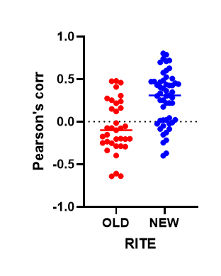
 |  |  |  |  |  |  | 0.46119325723 |  |  | -0.30577976654 | 0.61675057056
 |  |  |  |  |  |  | -0.10974798755 |  |  | 0.43837256112 | 0.0040881554988
 |  |  |  |  |  |  | 0.36941131578 |  |  | -0.25852328405 | 0.67509902642
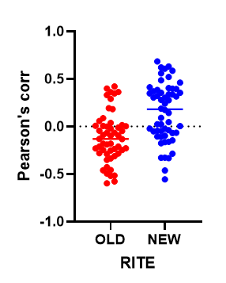
 |  |  |  |  |  |  |  |  |  | -0.40436173078 | 0.49508698684
 |  |  |  |  |  |  |  |  |  | 0.2115526277 | -0.27392391873
 |  |  |  |  |  |  |  |  |  | 0.044871265629
 |  |  |  |  |  |  |  |  |  | -0.12788068414
 |  |  |  |  |  |  |  |  |  | -0.20989847575
 |  |  |  |  |  |  |  |  |  | 0.077029478395
 |  |  |  |  |  |  |  |  |  | 0.38420776319
 |  |  |  |  |  |  |  |  |  | -0.31778078192
 |  |  |  |  |  |  |  |  |  | 0.055536626421
 |  |  |  |  |  |  |  |  |  | -0.54214441783
 |  |  |  |  |  |  |  |  |  | -0.29467889441
 |  |  |  |  |  |  |  |  |  | -0.10623444376
Graph 4: Pearson's corr coef of Brl1-mCherry and Nup170-RITE intensity profiles along the NE, fourth biological replicate. Points represent individual cells. The average and is indicated with a line.
 |  |  |  |  |  |  |  |  |  | -0.16985739279
 |  |  |  |  |  |  |  |  |  | 0.0044365986295
 |  |  |  |  |  |  |  |  |  | 0.071425665572
Graph 3: Pearson's corr coef of Brl1-mCherry and Nup170-RITE intensity profiles along the NE, third biological replicate. Points represent individual cells. The average and is indicated with a line.
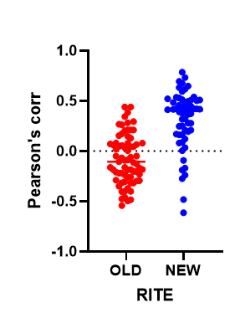

Graph 5: Pearson's corr coef of Brl1-mCherry and Nup170-RITE intensity profiles along the NE, fifth biological replicate. Points represent individual cells. The average and is indicated with a line.

