Figure 4
Figure 4

Figure 4A -- Native-PAGE and SDS | Figure 4C-D -- NINJ1 Puncta Density and intensity

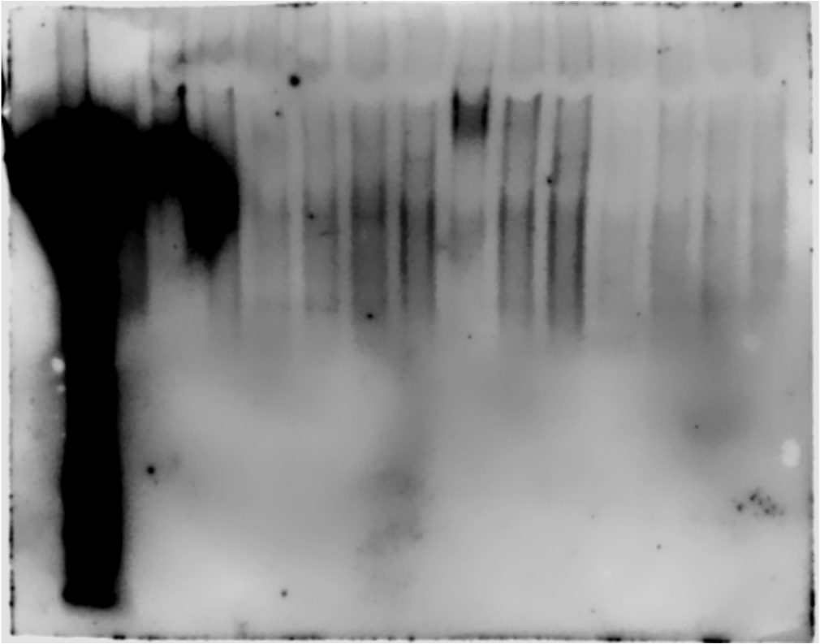
Native PAGE (NINJ1) | Density |  |  |  |  |  |  | Intensity
 | Yellow: Cells shown in figure. | Donor 1

 |  | Image file | Cell mask | Maxima | Area in micron^2 | Puncta/micron^2 | Mean puncta/micron^2 | Mean of intensities in middle of maximas | Mean of mean values
 | LPS | E2-1 | Cell 2 | 186 | 483.496 | 0.38469811539 | 0.38216138877 | 3334.8172043 | 3455.7624457
 |  | E2-2 | Cell 1 | 1123 | 2530.188 | 0.44384053675 |  | 3890.2128228
 |  | E2-3 | Cell 1 | 171 | 537.828 | 0.31794551418 |  | 3142.2573099

 |  | Image file | Cell mask | Maxima | Area in micron^2 | Puncta/micron^2 | Mean puncta/micron^2 | Mean of intensities in middle of maximas | Mean of mean values
 | LPS + N | D2-5 | Cell 1 | 256 | 742.212 | 0.34491492997 | 0.27396950462 | 2429.265625 | 4459.1536204
 |  | D2-6 | Cell 1 | 237 | 1198.712 | 0.19771221111 |  | 5964.8860759
 |  | D2-8-2 | Cell 1 | 262 | 938.122 | 0.27928137279 |  | 4983.3091603

SDS PAGE (Beta-actin) |  | Image file | Cell mask | Maxima | Area in micron^2 | Puncta/micron^2 | Mean puncta/micron^2 | Mean of intensities in middle of maximas | Mean of mean values
 | LPS + N + glycine | C2-3 | Cell 1 | 281 | 1050.576 | 0.26747231995 | 0.28710307376 | 2562.4021352 | 3379.1455624
 |  | C2-5 | Cell 1 | 489 | 1610.12 | 0.30370407175 |  | 2544.8200409
 |  | C2-10 | Cell 1 | 317 | 1092.603 | 0.29013282958 |  | 5030.214511

 |  | Donor 2

 |  | Image file | Cell mask | Maxima | Area in micron^2 | Puncta/micron^2 | Mean puncta/micron^2 | Mean of intensities in middle of maximas | Mean of mean values
 | LPS | E3-1 | Cell 1 | 634 | 2123.762 | 0.29852685941 | 0.27804833372 | 3348.3722397 | 5816.9939732
 |  | E3-2 | Cell 1 | 427 | 1110.657 | 0.38445712763 |  | 4076.2763466
 |  | E3-3 | Cell 1 | 93 | 615.238 | 0.15116101411 |  | 10026.333333

 |  | Image file | Cell mask | Maxima | Area in micron^2 | Puncta/micron^2 | Mean puncta/micron^2 | Mean of intensities in middle of maximas | Mean of mean values
 | LPS + N | D3-2 | Cell 1 | 528 | 3335.632 | 0.15829084263 | 0.19628301305 | 6277.7424242 | 4203.6323893
 |  | D3-3 | Cell 1 | 455 | 1625.576 | 0.27990078594 |  | 2892.0395604
 |  | D3-4 | Cell 1 | 191 | 1267.777 | 0.15065741057 |  | 3441.1151832

 |  | Image file | Cell mask | Maxima | Area in micron^2 | Puncta/micron^2 | Mean puncta/micron^2 | Mean of intensities in middle of maximas | Mean of mean values
 | LPS + N + glycine | C3-1 | Cell 1 | 584 | 1461.814 | 0.39950363042 | 0.29582272241 | 3576.0068493 | 4964.0533167
 |  | C3-3 | Cell 1 | 149 | 691.797 | 0.21538110168 |  | 7905.852349
 |  | C3-4 | Cell 1 | 133 | 487.924 | 0.27258343513 |  | 3410.3007519

 |  | Donor 3

 |  | Image file | Cell mask | Maxima | Area in micron^2 | Puncta/micron^2 | Mean puncta/micron^2 | Mean of intensities in middle of maximas | Mean of mean values
 | LPS | E4-1 | Cell 1 | 2923 | 8248.682 | 0.35435964194 | 0.32319584936 | 3553.5248033 | 3117.8486732
 |  | E4-2 | Cell 1 | 2629 | 7698.676 | 0.3414872895 |  | 2957.2434386
 |  | E4-3 | Cell 1 | 504 | 1841.159 | 0.27374061664 |  | 2842.7777778

 |  | Image file | Cell mask | Maxima | Area in micron^2 | Puncta/micron^2 | Mean puncta/micron^2 | Mean of intensities in middle of maximas | Mean of mean values
 | LPS + N | D4-1 | Cell 1 | 117 | 459.14 | 0.25482423662 | 0.29942524193 | 2450.6666667 | 6393.002984
 |  | D4-2 | Cell 1 | 333 | 1067.31 | 0.31199932541 |  | 13969.6997
 |  | D4-3 | Cell 1 | 263 | 793.478 | 0.33145216377 |  | 2758.6425856

 |  | Image file | Cell mask | Maxima | Area in micron^2 | Puncta/micron^2 | Mean puncta/micron^2 | Mean of intensities in middle of maximas | Mean of mean values
 | LPS + N + glycine | C4-2 | Cell 1 | 795 | 2122.953 | 0.37447837988 | 0.31555383273 | 3576.3647799 | 3203.2049739
 |  | C4-3 | Cell 1 | 682 | 2229.148 | 0.30594648718 |  | 3362.7375367
 |  | C4-4 | Cell 1 | 595 | 2234.854 | 0.26623663112 |  | 2670.512605

 |  | Donor 4

 |  | Image file | Cell mask | Maxima | Area in micron^2 | Puncta/micron^2 | Mean puncta/micron^2 | Mean of intensities in middle of maximas | Mean of mean values
 | LPS | E5-1 | Cell 1 | 747 | 2143.69 | 0.34846456344 | 0.26034470437 | 3507.1445783 | 3433.2523533
 |  | E5-2 | Cell 2 | 374 | 1484.211 | 0.25198573518 |  | 2646.9679144
 |  | E5-5 | Cell 1 | 543 | 3006.914 | 0.1805838145 |  | 4145.6445672

 |  | Image file | Cell mask | Maxima | Area in micron^2 | Puncta/micron^2 | Mean puncta/micron^2 | Mean of intensities in middle of maximas | Mean of mean values
 | LPS + N | D5-1-2 | Cell 1 | 624 | 2307.41 | 0.27043308298 | 0.25226203715 | 3285.6650641 | 2831.3535766
 |  | D5-3 | Cell 1 | 839 | 3171.06 | 0.26458029807 |  | 2826.5327771
 |  | D5-4 | Cell 1 | 547 | 2466.489 | 0.22177273039 |  | 2381.8628885

 |  | Image file | Cell mask | Maxima | Area in micron^2 | Puncta/micron^2 | Mean puncta/micron^2 | Mean of intensities in middle of maximas | Mean of mean values
 | LPS + N + glycine | C5-1 | Cell 2 | 373 | 1072.675 | 0.34772880882 | 0.28365696049 | 3706.9276139 | 3346.8888705
 |  | C5-2 | Cell 1 | 538 | 1592.747 | 0.33778120442 |  | 3818.6840149
 |  | C5-3 | Cell 1 | 291 | 1758.724 | 0.16546086822 |  | 2515.0549828

