Figure 4 - Figure suppl 2
Figure 4 - Figure Supplement 2

A) siNinj1 |  |  |  |  | B) Native and SDS PAGE | C ) LDH release

NINJ1 signal intensity relative to B-actin |  |  |  |  | Native PAGE (NINJ1) | Average LDH measurements from triplicate wells per condition and experiment
≈
 | NINJ1: | B-actin: | NINJ1/B-actin: | siCTR = 1: |  |  | exp1 | exp2 | exp3
siNINJ1 - Untreated | 0.323 | 57.5 | 0.005617 | 0.252783 |  | LPS + N | 100.00 | 100.00 | 100.00
siCTR - Untreated | 1.16 | 52.2 | 0.022222 | 1.000000 |  | LPS + N + Glycine | 11.38 | 4.96 | 22.43

B-actin:
siNINJ1 -untreated = 1, siCTR = 5

 |  |  |  |  |  | D) IL-1b release

 |  |  |  |  |  | OD values at 450 nm:

 |  |  |  |  |  |  | No Inhibition |  |  | Glycin
NINJ1: |  |  |  |  | SDS PAGE (beta-actin) | Experiment | 1 | 2 | 3 | 1 | 2 | 3
siNINJ1 untreated = 7, siCTR untreated = 3 |  |  |  |  |  | Medium | 0.046 | 0.046 | 0.045 | 0.041 | 0.042 | 0.039
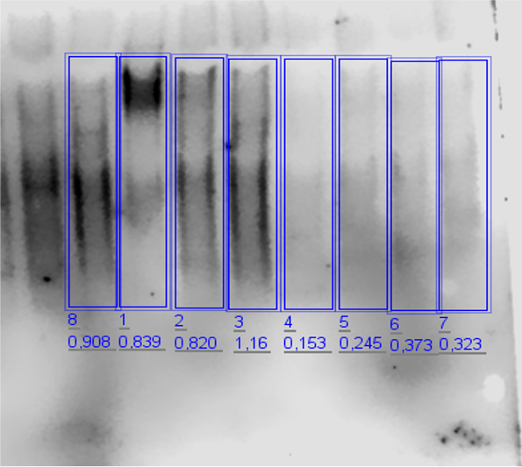
 |  |  |  |  |  | LPS+Ng | 0.296 | 0.302 | 0.323 | 0.312 | 0.296 | 0.319

