Basal Glycolysis
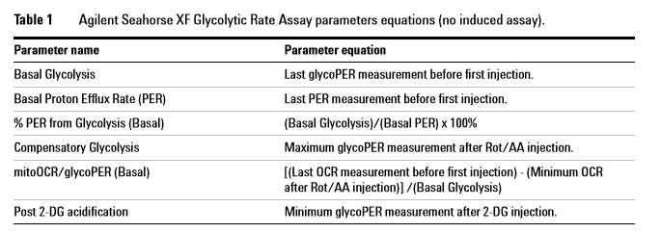
Assay Name | XF Glycolytic Rate Assay-20210119_040204
Normalized | No
Baseline | No
Background Correction | True
Widget Title | Basal Glycolysis
Data Type | PER
Units | pmol/min

1st |  |  | 2nd |  |  | 3rd
Group | Value | Std Dev | Group | Value | Std Dev | Group | Value | Std Dev
FB | 1.426 | 0 | FB | 1.696 | 0 | FB | 1.534 | 0
5% | 1.352 | 0 | 5% | 1.253 | 0 | 5% | 1.142 | 0
20% | 0.861 | 0 | 20% | 0.972 | 0 | 20% | 0.912 | 0

