KRasWT
WB_KRasWT |  |  |  |  | Figure 3; Figure 3-figure supplement 6; Figure 3-figure supplement 7

 | Cell lysate 1 |  |  |  |  |  | Cell lysate 2 |  |  |  |  |  | Cell lysate 3 |  |  |  |  |  |  | KRasWT
 | control | 50 µg | 100 µg | 200 µg | 300 µg |  | control | 50 µg | 100 µg | 200 µg | 300 µg |  | control | 50 µg | 100 µg | 200 µg | 300 µg | lane | Amount (µg) | KRas |  | pcRaf |  | tAkt |  | pAkt |  | tErk |  | pErk |  | pS6
KRas | 1.00 | 3.29 | 5.43 | 12.50 | 19.50 | KRas | 1.00 | 1.91 | 4.27 | 6.46 | 14.20 | KRas | 1.00 | 6.15 | 24.70 | 45.10 | 48.80 | 1 | control | 1.00 | 0.00 | 1.00 | 0.00 | 1.00 | 0.00 | 1.00 | 0.00 | 1.00 | 0.00 | 1.00 | 0.00 | 1.00 | 0.00
pcRaf | 1.00 | 0.80 | 0.73 | 0.68 | 0.74 | pcRaf | 1.00 | 1.26 | 1.13 | 1.17 | 1.28 | pcRaf | 1.00 | 0.90 | 0.94 | 0.81 | 0.95 | 2 | 50 µg | 3.78 | 1.77 | 0.99 | 0.20 | 1.29 | 0.17 | 0.90 | 0.69 | 1.13 | 0.26 | 1.07 | 0.05 | 0.99 | 0.03
tAkt | 1.00 | 1.49 | 2.02 | 2.21 | 3.26 | tAkt | 1.00 | 1.08 | 0.88 | 0.52 | 0.76 | tAkt | 1.00 | 1.30 | 1.26 | 1.56 | 1.99 | 3 | 100 µg | 11.47 | 9.37 | 0.93 | 0.17 | 1.39 | 0.47 | 0.83 | 0.58 | 0.99 | 0.07 | 1.26 | 0.17 | 1.01 | 0.34
pAkt | 1.00 | 1.73 | 1.53 | 2.61 | 1.50 | pAkt | 1.00 | 0.91 | 0.85 | 0.69 | 0.83 | pAkt | 1.00 | 0.05 | 0.11 | 0.44 | 0.22 | 4 | 200 µg | 21.35 | 16.97 | 0.89 | 0.21 | 1.43 | 0.70 | 1.25 | 0.97 | 0.93 | 0.09 | 1.50 | 0.34 | 0.99 | 0.35
tErk | 1.00 | 0.90 | 0.89 | 0.96 | 1.03 | tErk | 1.00 | 1.00 | 1.05 | 1.03 | 1.13 | tErk | 1.00 | 1.50 | 1.04 | 0.81 | 1.07 | 5 | 300 µg | 27.50 | 15.22 | 0.99 | 0.22 | 2.00 | 1.02 | 0.85 | 0.52 | 1.08 | 0.04 | 1.42 | 0.27 | 0.87 | 0.05
pErk | 1.00 | 1.00 | 1.37 | 1.60 | 1.72 | pErk | 1.00 | 1.13 | 1.01 | 1.04 | 1.07 | pErk | 1.00 | 1.07 | 1.39 | 1.86 | 1.48
pS6 | 1.00 | 0.97 | 0.75 | 0.82 | 0.81 | pS6 | 1.00 | 0.98 | 0.79 | 0.68 | 0.86 | pS6 | 1.00 | 1.03 | 1.49 | 1.48 | 0.93
KRas

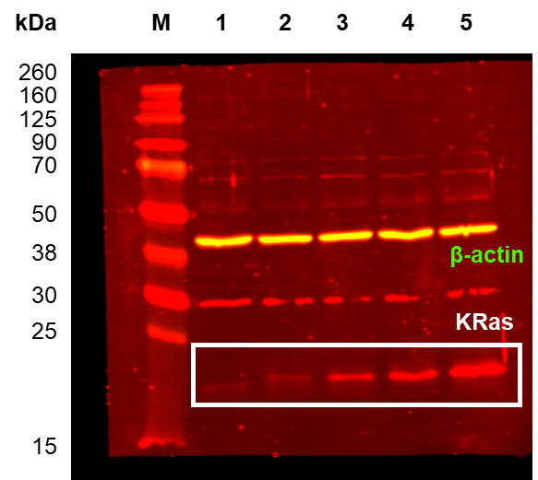
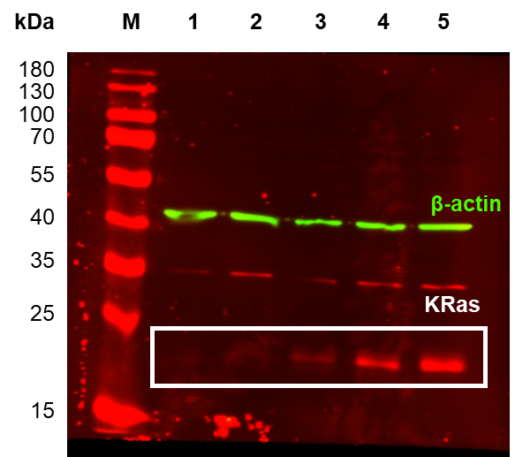
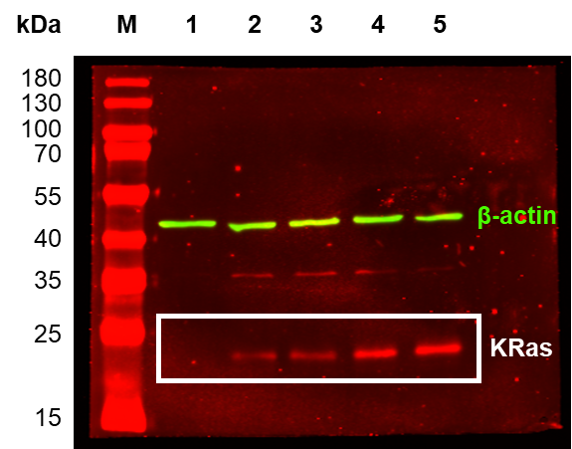

pcRaf
pAkt
pErk
pS6

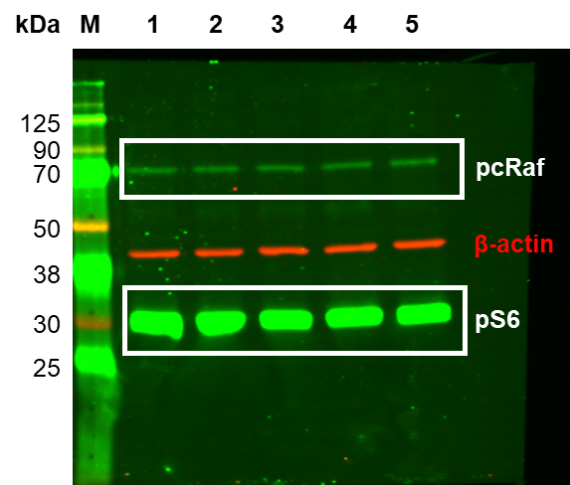
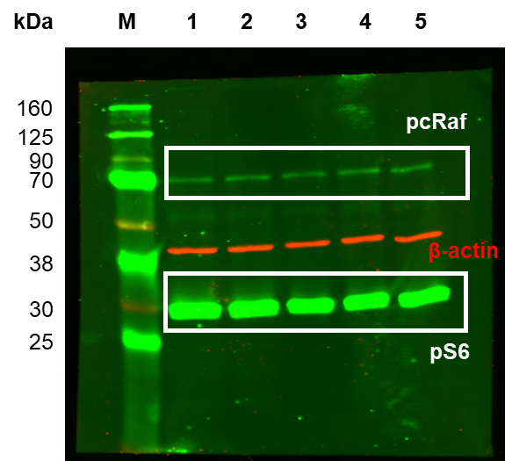
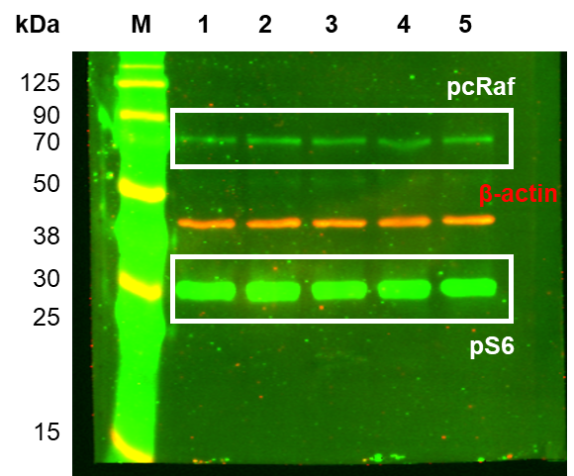

tAkt
tErk

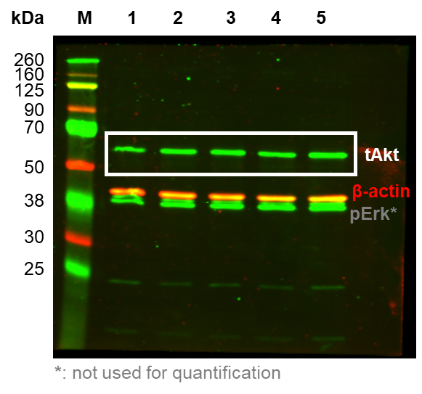
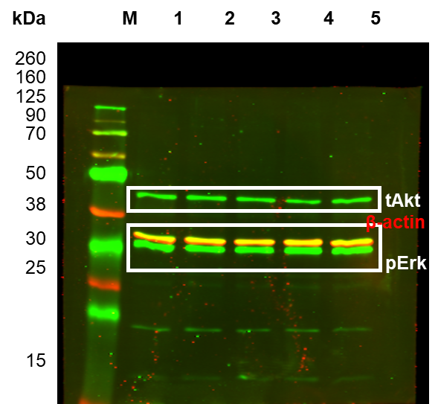
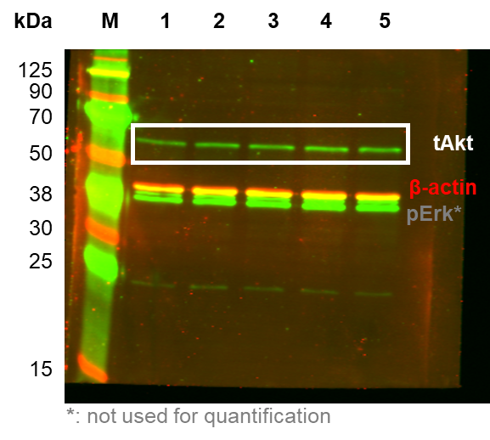

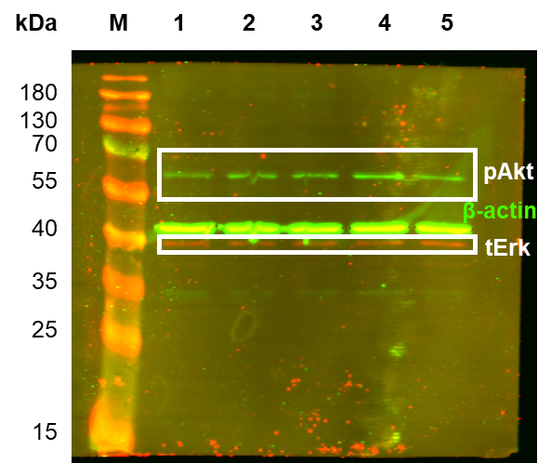
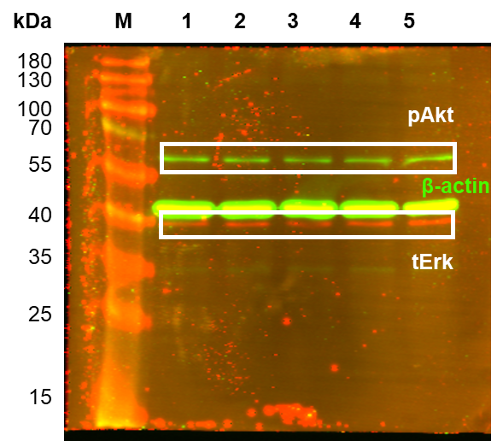
25
35
40
55
70
kDa
M
1
2
3
4
5
100
130
pAkt
15
180
tErk
M
1
2
3
4
5
β-actin

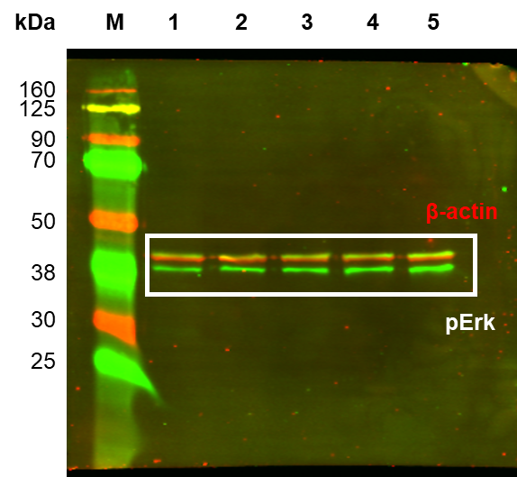
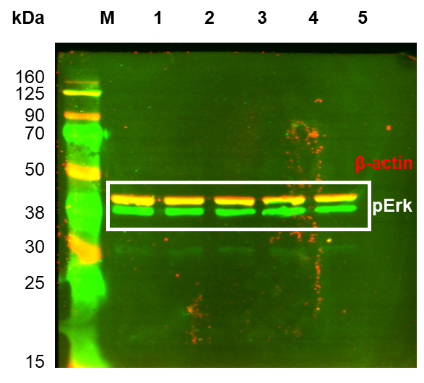

KRasG13C
WB_KRasG13C |  |  |  |  | Figure 3; Figure 3-figure supplement 6; Figure 3-figure supplement 7

 | Cell lysate 1 |  |  |  |  |  | Cell lysate 2 |  |  |  |  |  | Cell lysate 3 |  |  |  |  |  |  | KRasG13C
 | control | 50 µg | 100 µg | 200 µg | 300 µg |  | control | 50 µg | 100 µg | 200 µg | 300 µg |  | control | 50 µg | 100 µg | 200 µg | 300 µg | lane | Amount (µg) | KRas |  | pcRaf |  | tAkt |  | pAkt |  | tErk |  | pErk |  | pS6
KRas | 1.00 | 10.10 | 16.60 | 37.90 | 53.60 | KRas | 1.00 | 12.20 | 17.60 | 21.60 | 30.50 | KRas | 1.00 | 2.79 | 4.10 | 13.40 | 20.80 | 1 | control | 1.00 | 0.00 | 1.00 | 0.00 | 1.00 | 0.00 | 1.00 | 0.00 | 1.00 | 0.00 | 1.00 | 0.00 | 1.00 | 0.00
pcRaf | 1.00 | 1.43 | 1.55 | 1.46 | 1.29 | pcRaf | 1.00 | 2.59 | 4.23 | 6.14 | 6.29 | pcRaf | 1.00 | 1.91 | 1.55 | 1.74 | 1.50 | 2 | 50 µg | 8.36 | 4.03 | 1.98 | 0.48 | 1.52 | 0.43 | 1.70 | 0.40 | 0.97 | 0.07 | 3.62 | 1.53 | 1.37 | 0.18
tAkt | 1.00 | 1.94 | 2.66 | 2.05 | 1.78 | tAkt | 1.00 | 0.93 | 0.74 | 1.29 | 1.44 | tAkt | 1.00 | 1.69 | 1.08 | 1.44 | 1.65 | 3 | 100 µg | 12.77 | 6.14 | 2.44 | 1.26 | 1.49 | 0.84 | 2.65 | 0.72 | 0.83 | 0.27 | 4.22 | 1.42 | 1.32 | 0.36
pAkt | 1.00 | 1.68 | 3.58 | 4.98 | 4.64 | pAkt | 1.00 | 1.22 | 2.56 | 2.01 | 3.64 | pAkt | 1.00 | 2.21 | 1.82 | 1.89 | 1.72 | 4 | 200 µg | 24.30 | 10.18 | 3.11 | 2.14 | 1.59 | 0.33 | 2.96 | 1.43 | 0.81 | 0.23 | 4.88 | 1.44 | 1.48 | 0.52
tErk | 1.00 | 0.88 | 0.44 | 0.50 | 0.97 | tErk | 1.00 | 1.05 | 1.04 | 1.05 | 1.08 | tErk | 1.00 | 0.99 | 1.00 | 0.89 | 0.89 | 5 | 300 µg | 34.97 | 13.76 | 3.03 | 2.31 | 1.62 | 0.14 | 3.33 | 1.21 | 0.98 | 0.08 | 6.30 | 2.07 | 1.70 | 0.52
pErk | 1.00 | 5.54 | 6.18 | 6.87 | 9.07 | pErk | 1.00 | 1.80 | 2.89 | 3.48 | 4.08 | pErk | 1.00 | 3.53 | 3.58 | 4.30 | 5.76
pS6 | 1.00 | 1.14 | 0.95 | 1.17 | 1.44 | pS6 | 1.00 | 1.57 | 1.80 | 2.22 | 2.42 | pS6 | 1.00 | 1.40 | 1.21 | 1.06 | 1.24
KRas

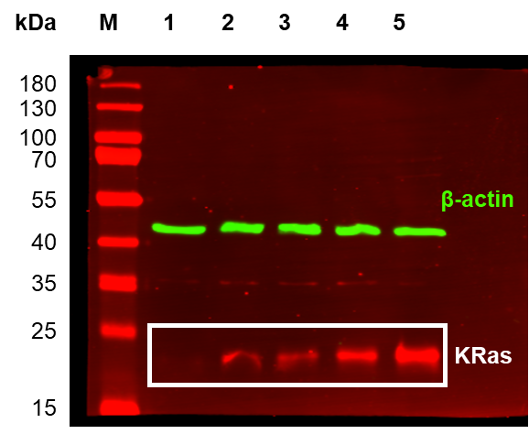
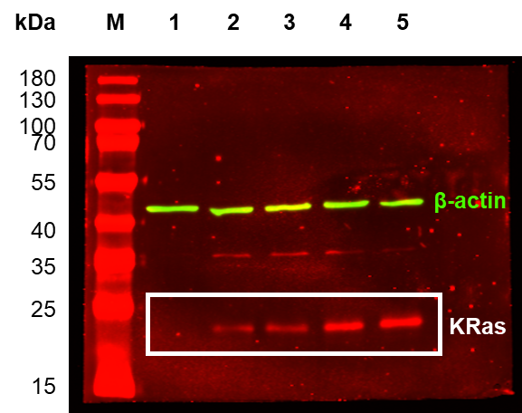
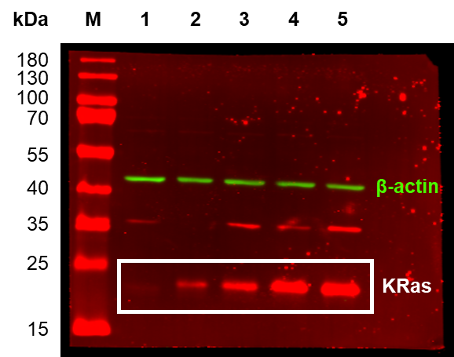

pcRaf
pAkt
pErk
pS6

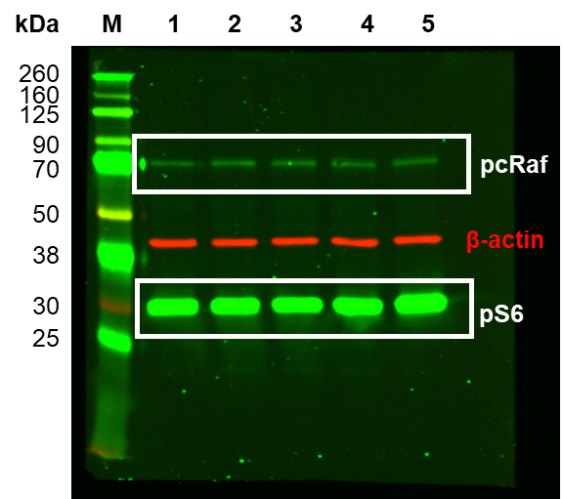
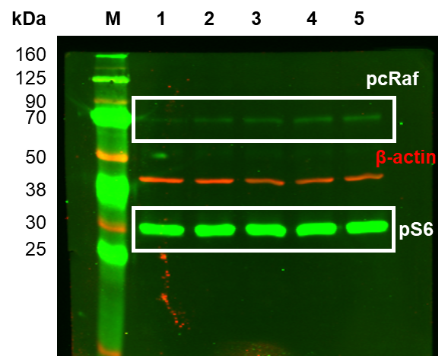
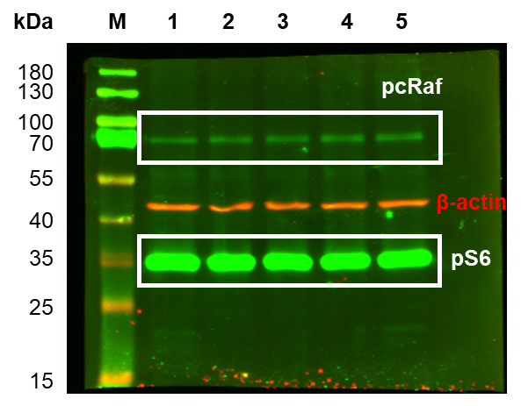

tAkt
tErk

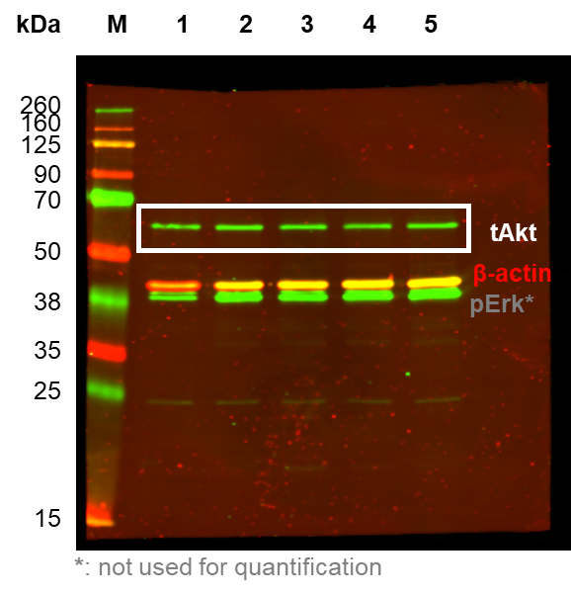
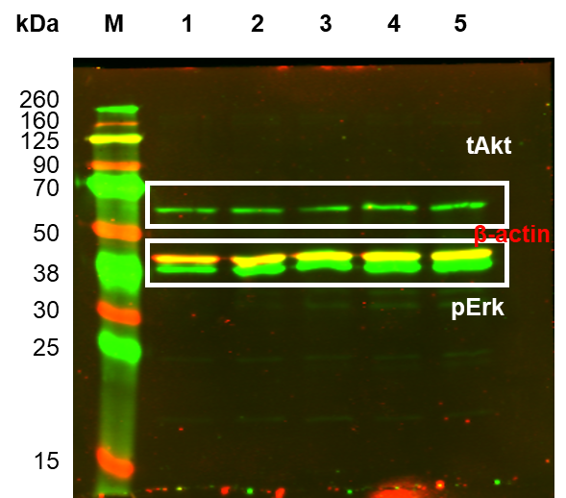
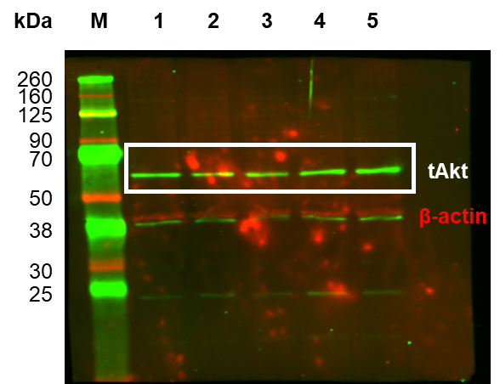

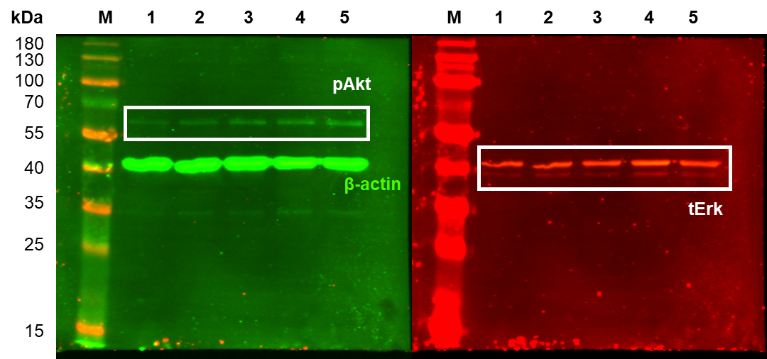
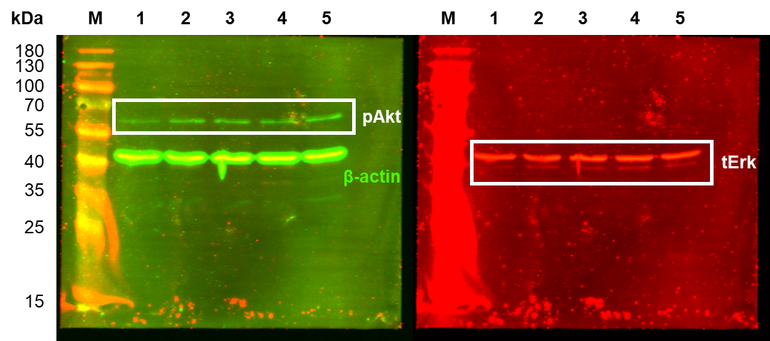
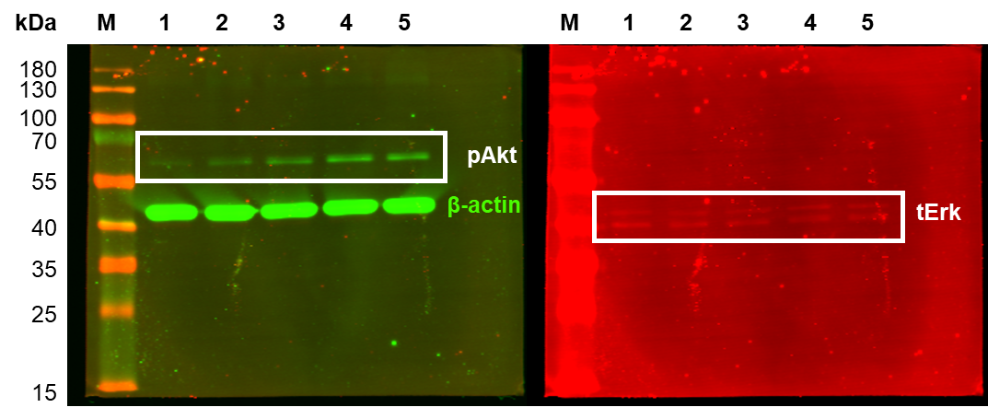

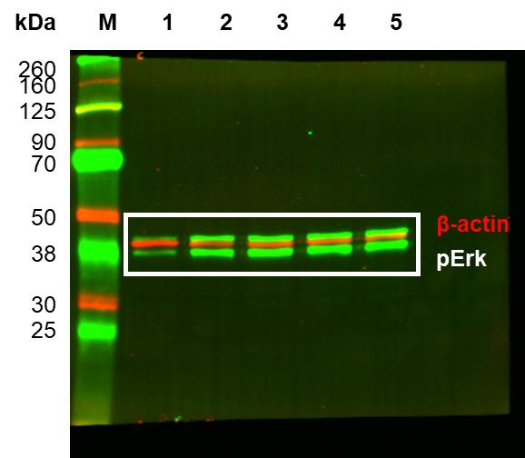
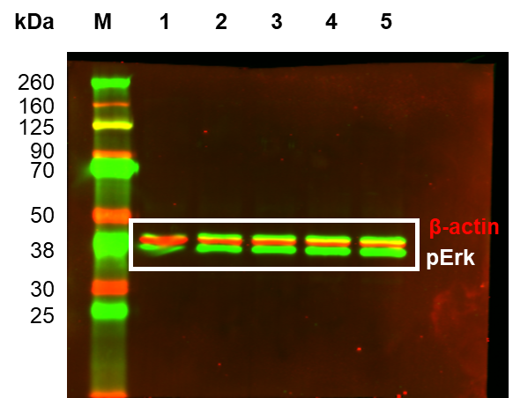

KRasG13CedaGDP
WB_KRasG13CedaGDP |  |  |  |  | Figure 3; Figure 3-figure supplement 6; Figure 3-figure supplement 7

 | Cell lysate 1 |  |  |  |  |  | Cell lysate 2 |  |  |  |  |  | Cell lysate 3 |  |  |  |  |  |  | KRasG13CedaGDP
 | control | 50 µg | 100 µg | 200 µg | 300 µg |  | control | 50 µg | 100 µg | 200 µg | 300 µg |  | control | 50 µg | 100 µg | 200 µg | 300 µg | lane | Amount (µg) | KRas |  | pcRaf |  | tAkt |  | pAkt |  | tErk |  | pErk |  | pS6
KRas | 1.00 | 3.66 | 7.36 | 15.00 | 14.00 | KRas | 1.00 | 7.00 | 10.20 | 18.10 | 33.80 | KRas | 1.00 | 3.42 | 10.00 | 17.60 | 27.10 | 1 | control | 1.00 | 0.00 | 1.00 | 0.00 | 1.00 | 0.00 | 1.00 | 0.00 | 1.00 | 0.00 | 1.00 | 0.00 | 1.00 | 0.00
pcRaf | 1.00 | 0.75 | 0.89 | 0.74 | 0.57 | pcRaf | 1.00 | 1.33 | 0.78 | 0.88 | 0.97 | pcRaf | 1.00 | 0.84 | 1.40 | 1.21 | 1.13 | 2 | 50 µg | 4.69 | 1.63 | 0.97 | 0.26 | 0.98 | 0.24 | 0.54 | 0.74 | 1.19 | 0.64 | 0.77 | 0.05 | 0.96 | 0.25
tAkt | 1.00 | 0.65 | 0.92 | 1.06 | 0.92 | tAkt | 1.00 | 1.23 | 1.65 | 1.22 | 0.97 | tAkt | 1.00 | 1.06 | 0.97 | 0.78 | 0.68 | 3 | 100 µg | 9.19 | 1.29 | 1.02 | 0.27 | 1.18 | 0.33 | 0.66 | 0.30 | 1.18 | 0.48 | 0.91 | 0.14 | 0.93 | 0.16
pAkt | 1.00 | 0.89 | 0.28 | 0.45 | 0.63 | pAkt | 1.00 | 1.23 | 0.69 | 0.95 | 0.97 | pAkt | 1.00 | -0.49 | 1.01 | 0.56 | 1.17 | 4 | 200 µg | 16.90 | 1.36 | 0.94 | 0.20 | 1.02 | 0.18 | 0.65 | 0.21 | 1.21 | 0.42 | 1.34 | 0.53 | 1.05 | 0.14
tErk | 1.00 | 0.84 | 0.91 | 1.12 | 1.26 | tErk | 1.00 | 2.08 | 1.86 | 1.76 | 1.23 | tErk | 1.00 | 0.64 | 0.78 | 0.74 | 0.72 | 5 | 300 µg | 24.97 | 8.22 | 0.89 | 0.24 | 0.86 | 0.12 | 0.92 | 0.22 | 1.07 | 0.25 | 1.61 | 0.62 | 0.91 | 0.10
pErk | 1.00 | 0.82 | 1.10 | 2.08 | 2.38 | pErk | 1.00 | 0.70 | 0.77 | 0.84 | 0.86 | pErk | 1.00 | 0.80 | 0.86 | 1.10 | 1.58
pS6 | 1.00 | 0.80 | 0.91 | 1.23 | 0.98 | pS6 | 1.00 | 1.31 | 1.13 | 1.03 | 0.98 | pS6 | 1.00 | 0.76 | 0.75 | 0.88 | 0.76
KRas

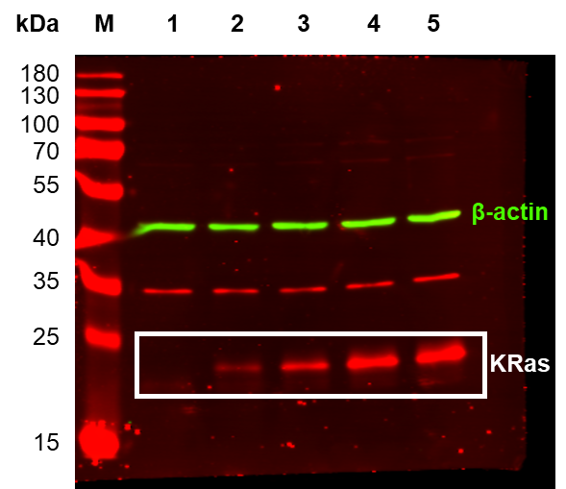
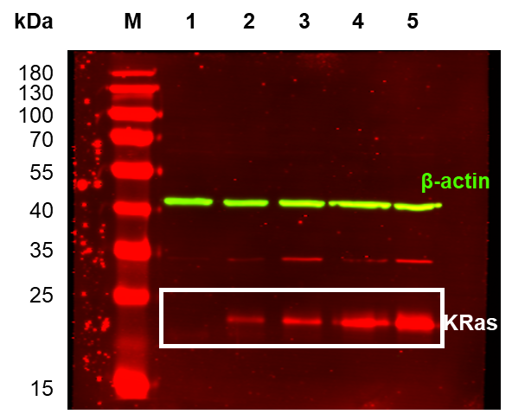
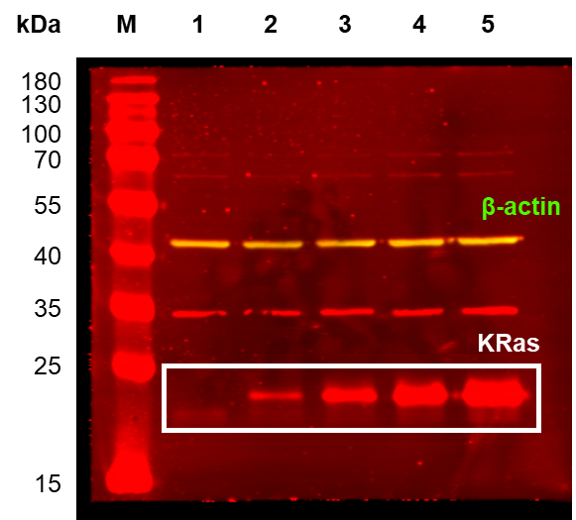

pcRaf
pAkt
pErk
pS6

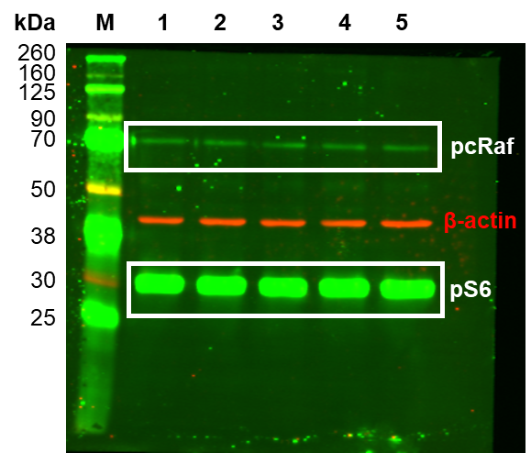
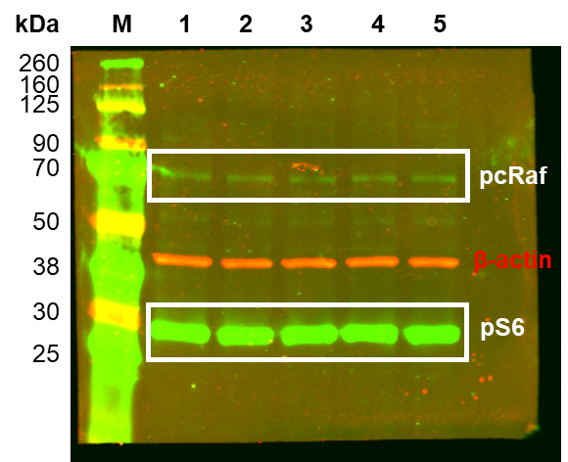
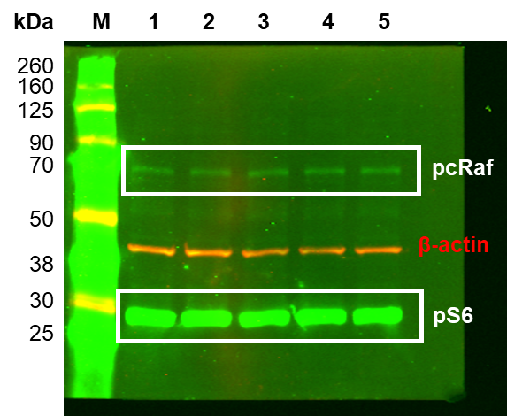

tAkt
tErk

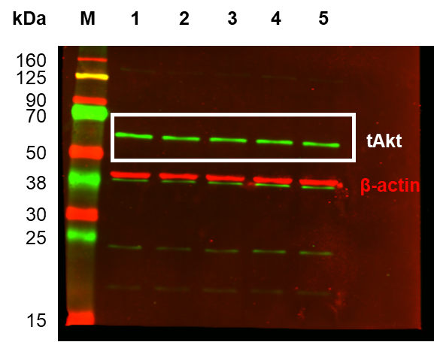
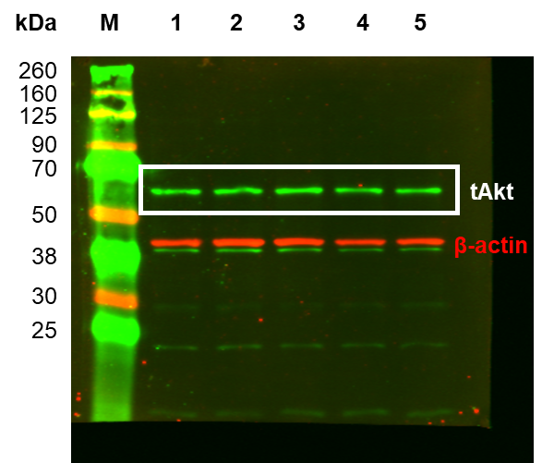
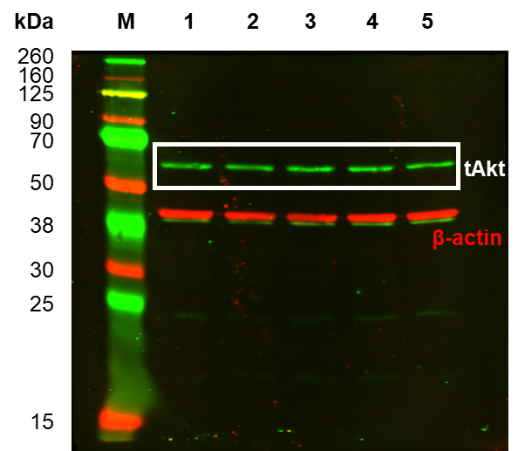

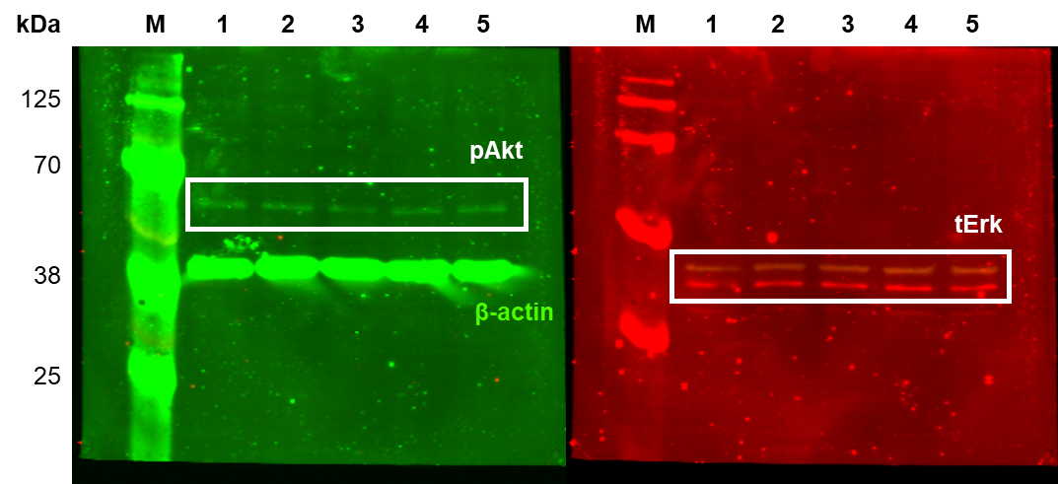
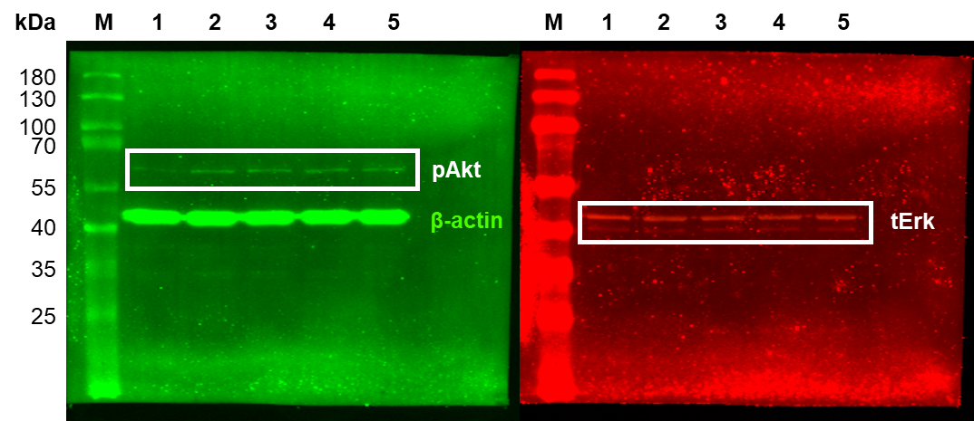
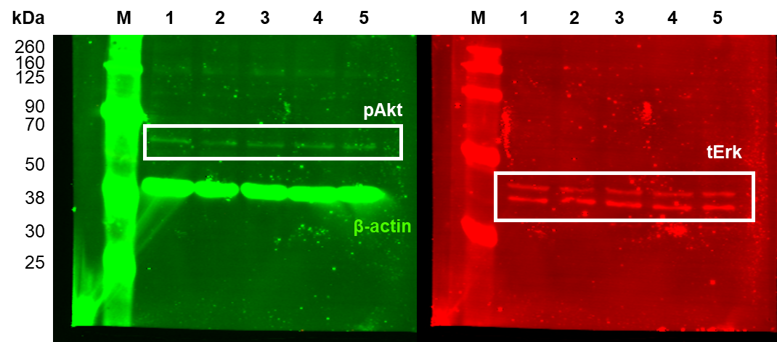

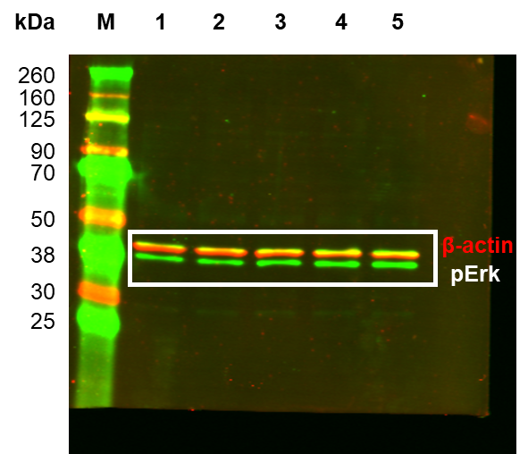
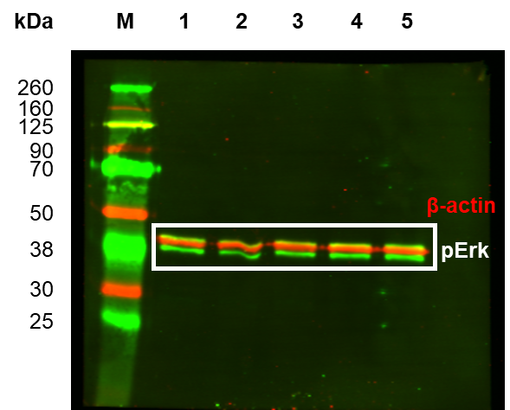
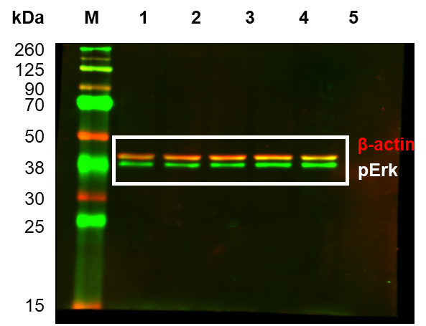

KRasG13CacetyledaGDP
WB_KRasG13CacetyledaGDP |  |  |  |  | Figure 3-figure supplement 8

 | Cell lysate 1 |  |  |  |  |  | Cell lysate 2 |  |  |  |  |  | Cell lysate 3 |  |  |  |  |  |  | KRasG13CacetyledaGDP
 | control | 50 µg | 100 µg | 200 µg | 300 µg |  | control | 50 µg | 100 µg | 200 µg | 300 µg |  | control | 50 µg | 100 µg | 200 µg | 300 µg | lane | Amount (µg) | KRas |  | pcRaf |  | tAkt |  | pAkt |  | tErk |  | pErk |  | pS6
KRas | 1.00 | 1.86 | 3.77 | 13.20 | 25.20 | KRas | 1.00 | 3.06 | 6.87 | 34.60 | 50.90 | KRas | 1.00 | 2.70 | 3.59 | 13.20 | 19.70 | 1 | control | 1.00 | 0.00 | 1.00 | 0.00 | 1.00 | 0.00 | 1.00 | 0.00 | 1.00 | 0.00 | 1.00 | 0.00 | 1.00 | 0.00
pcRaf | 1.00 | 8.73 | 8.39 | 13.70 | 10.10 | pcRaf | 1.00 | 1.10 | 1.51 | 2.17 | 3.88 | pcRaf | 1.00 | 15.70 | 22.70 | 32.40 | 30.30 | 2 | 50 µg | 2.54 | 0.50 | 8.51 | 5.96 | 1.62 | 0.62 | 2.20 | 1.07 | 0.92 | 0.03 | 8.05 | 4.64 | 3.38 | 1.55
tAkt | 1.00 | 0.92 | 1.23 | 1.36 | 0.81 | tAkt | 1.00 | 2.42 | 2.03 | 3.63 | 4.18 | tAkt | 1.00 | 1.53 | 1.95 | 1.80 | 2.17 | 3 | 100 µg | 4.74 | 1.51 | 10.87 | 8.83 | 1.74 | 0.36 | 3.08 | 1.63 | 0.82 | 0.11 | 9.70 | 5.24 | 4.32 | 2.49
pAkt | 1.00 | 0.68 | 0.79 | 1.19 | 2.16 | pAkt | 1.00 | 2.89 | 4.04 | 9.05 | 13.30 | pAkt | 1.00 | 3.02 | 4.42 | 6.20 | 3.81 | 4 | 200 µg | 20.33 | 10.09 | 16.09 | 12.46 | 2.26 | 0.98 | 5.48 | 3.25 | 0.90 | 0.07 | 15.22 | 5.36 | 6.61 | 2.42
tErk | 1.00 | 0.88 | 0.68 | 0.80 | 0.62 | tErk | 1.00 | 0.96 | 0.93 | 0.93 | 0.90 | tErk | 1.00 | 0.92 | 0.86 | 0.97 | 1.12 | 5 | 300 µg | 31.93 | 13.60 | 14.76 | 11.28 | 2.39 | 1.38 | 6.42 | 4.91 | 0.88 | 0.21 | 18.87 | 7.87 | 6.46 | 2.66
pErk | 1.00 | 3.76 | 5.77 | 14.00 | 17.00 | pErk | 1.00 | 14.50 | 17.10 | 22.30 | 29.30 | pErk | 1.00 | 5.88 | 6.22 | 9.35 | 10.30
pS6 | 1.00 | 1.20 | 1.62 | 3.38 | 2.82 | pS6 | 1.00 | 4.69 | 7.62 | 9.20 | 9.13 | pS6 | 1.00 | 4.24 | 3.73 | 7.24 | 7.42
KRas

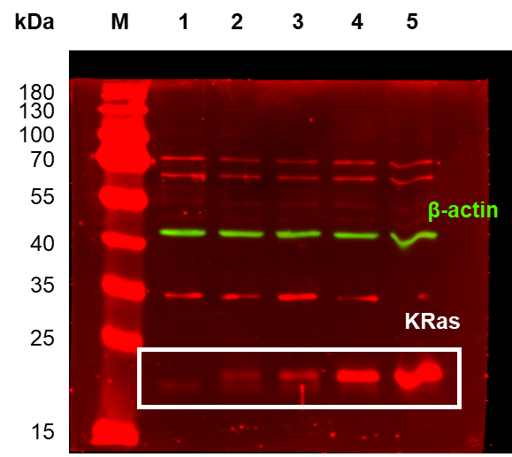
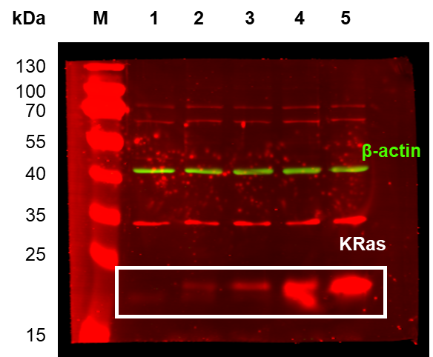
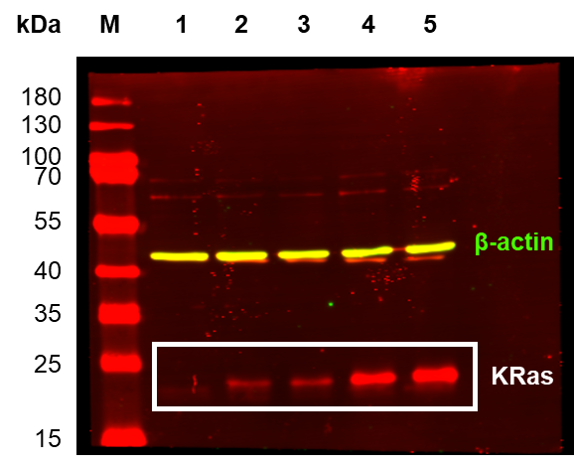

pcRaf
pAkt
pErk
pS6

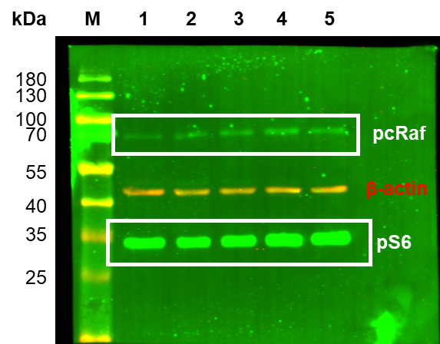
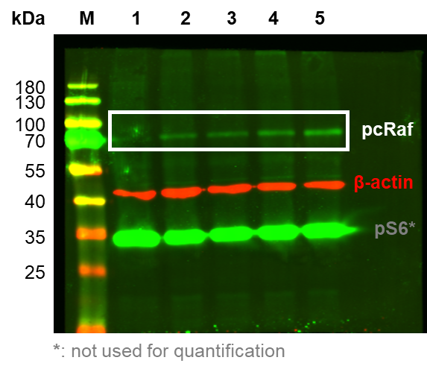
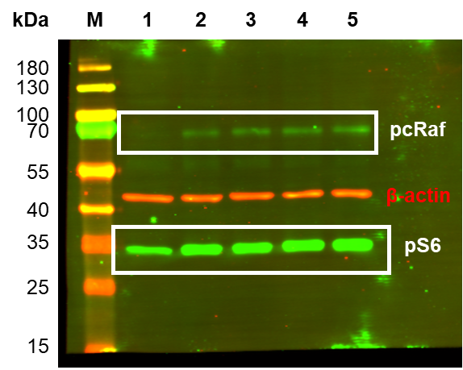

tAkt
tErk

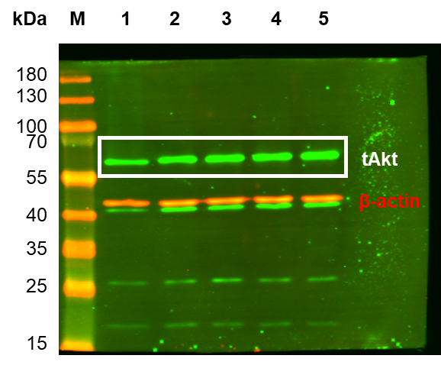
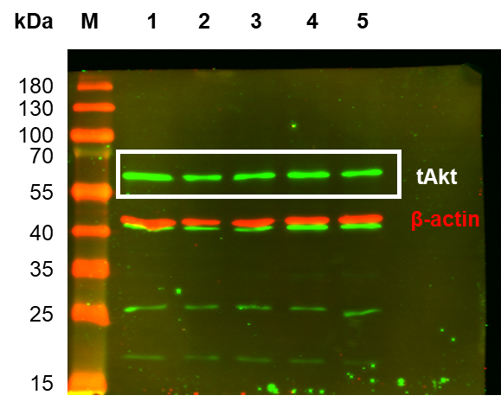

KRasG13CedaGppCp
WB_KRasG13CedaGppCp |  |  |  |  | Figure 3-figure supplement 9

 | Cell lysate 1 |  |  |  |  |  | Cell lysate 2 |  |  |  |  |  |  | KRasG13CedaGppCp
 | control | 50 µg | 100 µg | 200 µg | 300 µg |  | control | 50 µg | 100 µg | 200 µg | 300 µg | lane | Amount (µg) | KRas |  | pcRaf |  | tAkt |  | pAkt |  | tErk |  | pErk |  | pS6
KRas | 1.00 | 2.70 | 22.50 | 18.20 | 32.00 | KRas | 1.00 | 3.63 | 7.10 | 8.84 | 13.00 | 1 | control | 1.00 | 0.00 | 1.00 | 0.00 | 1.00 | 0.00 | 1.00 | 0.00 | 1.00 | 0.00 | 1.00 | 0.00 | 1.00 | 0.00
pcRaf | 1.00 | 2.67 | 2.60 | 2.93 | 3.66 | pcRaf | 1.00 | 1.69 | 2.10 | 3.37 | 3.19 | 2 | 50 µg | 3.17 | 0.47 | 2.18 | 0.49 | 1.44 | 0.09 | 2.62 | 0.51 | 1.12 | 0.01 | 4.94 | 0.22 | 3.36 | 0.85
tAkt | 1.00 | 1.35 | 1.30 | 1.09 | 0.94 | tAkt | 1.00 | 1.53 | 1.69 | 1.67 | 1.47 | 3 | 100 µg | 14.80 | 7.70 | 2.35 | 0.25 | 1.50 | 0.19 | 5.59 | 0.71 | 1.21 | 0.08 | 6.09 | 1.79 | 2.82 | 0.00
pAkt | 1.00 | 2.11 | 4.88 | 6.55 | 6.53 | pAkt | 1.00 | 3.13 | 6.30 | 7.78 | 5.20 | 4 | 200 µg | 13.52 | 4.68 | 3.15 | 0.22 | 1.38 | 0.29 | 7.17 | 0.62 | 1.19 | 0.02 | 6.26 | 0.99 | 3.22 | 0.06
tErk | 1.00 | 1.12 | 1.29 | 1.21 | 1.69 | tErk | 1.00 | 1.11 | 1.14 | 1.17 | 1.50 | 5 | 300 µg | 22.50 | 9.50 | 3.43 | 0.24 | 1.20 | 0.27 | 5.87 | 0.67 | 1.60 | 0.09 | 6.73 | 0.89 | 3.51 | 0.10
pErk | 1.00 | 4.72 | 7.88 | 7.25 | 7.62 | pErk | 1.00 | 5.16 | 4.30 | 5.27 | 5.84
pS6 | 1.00 | 4.20 | 2.82 | 3.15 | 3.41 | pS6 | 1.00 | 2.51 | 2.81 | 3.28 | 3.61
KRas

pcRaf
pAkt
pErk
pS6

tAkt
tErk

