SourceFig4A
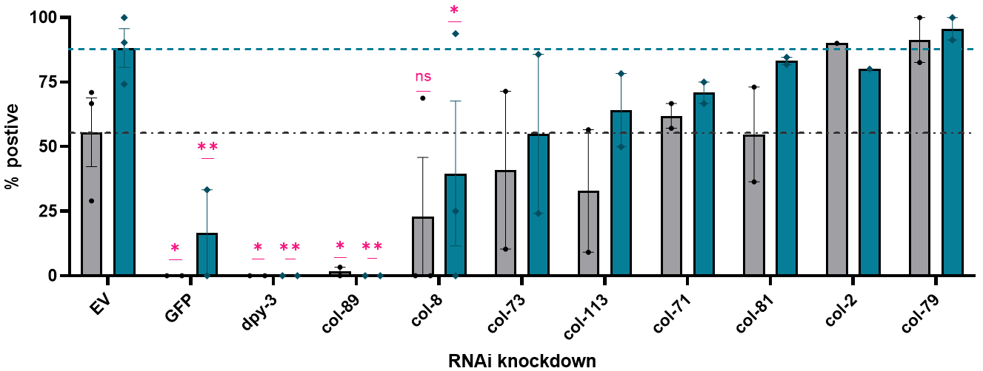

 |  |  |  |  |  |  |  |  | 2022-04-09 | Flower |  | Moss |  |  | % yes |  | 2022-03-23 | Flower |  | Moss |  |  | % yes |  | run1 | Flower |  | Moss |  |  | % yes
 |  | % flowers | run1 | 413903 | 2022-04-09 |  |  |  | RNAi | yes | no | yes | no | n total | Flower | Moss | RNAi | yes | no | yes | no | n total | Flower | Moss | RNAi | yes | no | yes | no | n total | Flower | Moss
 |  | EV | 66.66667 | 29.03226 | 70.96774 |  |  |  | EV | 22 | 9 | 28 | 3 | 31 | 70.967741935 | 90.322580645 | EV | 9 | 22 | 23 | 8 | 31 | 29.032258065 | 74.193548387 | EV | 20 | 10 | 30 | 0 | 30 | 66.666666667 | 100
 |  | GFP |  | 0 | 0 |  |  |  | GFP | 0 | 29 | 0 | 29 | 29 | 0 | 0 | GFP | 0 | 30 | 10 | 20 | 30 | 0 | 33.333333333 | GFP
 |  | col-2 |  |  | 90 |  |  |  | col-2 | 18 | 2 | 16 | 4 | 20 | 90 | 80 | col-2 |  |  |  |  | 0 |  |  | col-2
 |  | col-113 |  | 9.090909 | 56.52174 |  |  |  | col-113 | 13 | 10 | 18 | 5 | 23 | 56.52173913 | 78.260869565 | col-113 | 2 | 20 | 11 | 11 | 22 | 9.0909090909 | 50 | col-113
 |  | col-89 | 3 | 0 |  |  |  |  | col-89 |  |  |  |  |  |  |  | col-89 | 0 | 29 | 0 | 29 | 29 | 0 | 0 | col-89 | 1 | 29 | 0 | 30 | 30 | 3.3333333333 | 0
 |  | col-79 |  | 100 | 82.6087 |  |  |  | col-79 | 19 | 4 | 21 | 2 | 23 | 82.608695652 | 91.304347826 | col-79 | 28 | 0 | 28 | 0 | 28 | 100 | 100 | col-79
 |  | col-71 |  | 66.66667 | 57.14286 |  |  |  | col-71 | 16 | 12 | 21 | 2 | 28 | 57.142857143 | 75 | col-71 | 20 | 10 | 20 | 10 | 30 | 66.666666667 | 66.666666667 | col-71
 |  | col-81 |  | 36.36364 | 73.07692 |  |  |  | col-81 | 19 | 7 | 22 | 4 | 26 | 73.076923077 | 84.615384615 | col-81 | 8 | 14 | 18 | 4 | 22 | 36.363636364 | 81.818181818 | col-81
 |  | col-8 | 0 | 0 | 68.75 |  |  |  | col-8 | 11 | 5 | 15 | 1 | 16 | 68.75 | 93.75 | col-8 | 0 | 28 | 7 | 21 | 28 | 0 | 25 | col-8 | 0 | 30 | 0 | 30 | 30 | 0 | 0
 |  | dpy-3 | 0 |  | 0 |  |  |  | dpy-3 | 0 | 27 | 0 | 27 | 27 | 0 | 0 | dpy-3 |  |  |  |  | 0 |  |  | dpy-3 | 0 | 22 | 0 | 22 | 22 | 0 | 0
 |  | col-73 |  | 10.34483 | 71.42857 |  |  |  | col-73 | 20 | 8 | 24 | 4 | 28 | 71.428571429 | 85.714285714 | col-73 | 3 | 26 | 7 | 22 | 29 | 10.344827586 | 24.137931034 | col-73

 |  | % moss | run1 | 413903 | 2022-04-09
 |  | EV | 100 | 74.19355 | 90.32258
 |  | GFP |  | 33.33333 | 0
 |  | col-2 |  |  | 80
 |  | col-113 |  | 50 | 78.26087
 |  | col-89 | 0 | 0
 |  | col-79 |  | 100 | 91.30435
 |  | col-71 |  | 66.66667 | 75
 |  | col-81 |  | 81.81818 | 84.61538
 |  | col-8 | 0 | 25 | 93.75
 |  | dpy-3 | 0 |  | 0
 |  | col-73 |  | 24.13793 | 85.71429

Within each column, compare rows (simple effects within columns) |  |  |  |  |  |  |  | Table Analyzed |  | LSD2104

Number of families |  |  |  | 2 |  |  |  | Two-way ANOVA |  | Ordinary
Number of comparisons per family |  |  |  | 10 |  |  |  | Alpha |  | 0.05
Alpha |  |  |  | 0.05
 |  |  |  |  |  |  |  | Source of Variation | % of total variation | P value | P value summary | Significant?
Uncorrected Fisher's LSD | Predicted (LS) mean diff. | 95.00% CI of diff. | Below threshold? | Summary | Individual P Value |  |  | Interaction | 2.95 | 0.9792 | ns | No
 |  |  |  |  |  |  |  | RNAi | 67.97 | <0.0001 | **** | Yes
Flower |  |  |  |  |  |  |  | Aggregation type | 2.758 | 0.1175 | ns | No
EV vs. GFP | 55.56 | 6.814 to 104.3 | Yes | * | 0.0272
EV vs. dpy-3 | 55.56 | 6.814 to 104.3 | Yes | * | 0.0272 |  |  | ANOVA table | SS (Type III) | DF | MS | F (DFn, DFd) | P value
EV vs. col-89 | 53.89 | 5.147 to 102.6 | Yes | * | 0.0317 |  |  | Interaction | 1887 | 10 | 188.7 | F (10, 24) = 0.2820 | P=0.9792
EV vs. col-8 | 32.64 | -10.96 to 76.23 | No | ns | 0.1354 |  |  | RNAi | 43483 | 10 | 4348 | F (10, 24) = 6.497 | P<0.0001
EV vs. col-73 | 14.67 | -34.07 to 63.41 | No | ns | 0.5404 |  |  | Aggregation type | 1765 | 1 | 1765 | F (1, 24) = 2.637 | P=0.1175
EV vs. col-113 | 22.75 | -25.99 to 71.49 | No | ns | 0.345 |  |  | Residual | 16063 | 24 | 669.3
EV vs. col-71 | -6.349 | -55.09 to 42.39 | No | ns | 0.7903
EV vs. col-81 | 0.8353 | -47.91 to 49.58 | No | ns | 0.9721 |  |  | Difference between column means
EV vs. col-2 | -34.44 | -96.10 to 27.21 | No | ns | 0.2602 |  |  | Predicted (LS) mean of Flower | 41.07
EV vs. col-79 | -35.75 | -84.49 to 12.99 | No | ns | 0.1432 |  |  | Predicted (LS) mean of Moss | 53.93
 |  |  |  |  |  |  |  | Difference between predicted means | -12.86
Moss |  |  |  |  |  |  |  | SE of difference | 7.918
EV vs. GFP | 71.51 | 22.76 to 120.2 | Yes | ** | 0.0058 |  |  | 95% CI of difference | -29.20 to 3.485
EV vs. dpy-3 | 88.17 | 39.43 to 136.9 | Yes | ** | 0.001
EV vs. col-89 | 88.17 | 39.43 to 136.9 | Yes | ** | 0.001 |  |  | Data summary
EV vs. col-8 | 48.59 | 4.993 to 92.18 | Yes | * | 0.0304 |  |  | Number of columns (Aggregation type) | 2
EV vs. col-73 | 33.25 | -15.50 to 81.99 | No | ns | 0.172 |  |  | Number of rows (RNAi) | 11
EV vs. col-113 | 24.04 | -24.70 to 72.78 | No | ns | 0.3188 |  |  | Number of values | 46
EV vs. col-71 | 17.34 | -31.40 to 66.08 | No | ns | 0.47
EV vs. col-81 | 4.955 | -43.79 to 53.70 | No | ns | 0.8356
EV vs. col-2 | 8.172 | -53.48 to 69.83 | No | ns | 0.7868
EV vs. col-79 | -7.48 | -56.22 to 41.26 | No | ns | 0.7542

Test details | Predicted (LS) mean 1 | Predicted (LS) mean 2 | Predicted (LS) mean diff. | SE of diff. | N1 | N2 | t | DF

Flower
EV vs. GFP | 55.56 | 0 | 55.56 | 23.62 | 3 | 2 | 2.352 | 24
EV vs. dpy-3 | 55.56 | 2.132E-14 | 55.56 | 23.62 | 3 | 2 | 2.352 | 24
EV vs. col-89 | 55.56 | 1.667 | 53.89 | 23.62 | 3 | 2 | 2.282 | 24
EV vs. col-8 | 55.56 | 22.92 | 32.64 | 21.12 | 3 | 3 | 1.545 | 24
EV vs. col-73 | 55.56 | 40.89 | 14.67 | 23.62 | 3 | 2 | 0.6211 | 24
EV vs. col-113 | 55.56 | 32.81 | 22.75 | 23.62 | 3 | 2 | 0.9633 | 24
EV vs. col-71 | 55.56 | 61.9 | -6.349 | 23.62 | 3 | 2 | 0.2688 | 24
EV vs. col-81 | 55.56 | 54.72 | 0.8353 | 23.62 | 3 | 2 | 0.03537 | 24
EV vs. col-2 | 55.56 | 90 | -34.44 | 29.87 | 3 | 1 | 1.153 | 24
EV vs. col-79 | 55.56 | 91.3 | -35.75 | 23.62 | 3 | 2 | 1.514 | 24

Moss
EV vs. GFP | 88.17 | 16.67 | 71.51 | 23.62 | 3 | 2 | 3.028 | 24
EV vs. dpy-3 | 88.17 | 2.132E-14 | 88.17 | 23.62 | 3 | 2 | 3.734 | 24
EV vs. col-89 | 88.17 | 2.132E-14 | 88.17 | 23.62 | 3 | 2 | 3.734 | 24
EV vs. col-8 | 88.17 | 39.58 | 48.59 | 21.12 | 3 | 3 | 2.3 | 24
EV vs. col-73 | 88.17 | 54.93 | 33.25 | 23.62 | 3 | 2 | 1.408 | 24
EV vs. col-113 | 88.17 | 64.13 | 24.04 | 23.62 | 3 | 2 | 1.018 | 24
EV vs. col-71 | 88.17 | 70.83 | 17.34 | 23.62 | 3 | 2 | 0.7342 | 24
EV vs. col-81 | 88.17 | 83.22 | 4.955 | 23.62 | 3 | 2 | 0.2098 | 24
EV vs. col-2 | 88.17 | 80 | 8.172 | 29.87 | 3 | 1 | 0.2736 | 24
EV vs. col-79 | 88.17 | 95.65 | -7.48 | 23.62 | 3 | 2 | 0.3167 | 24

SourceFig4B
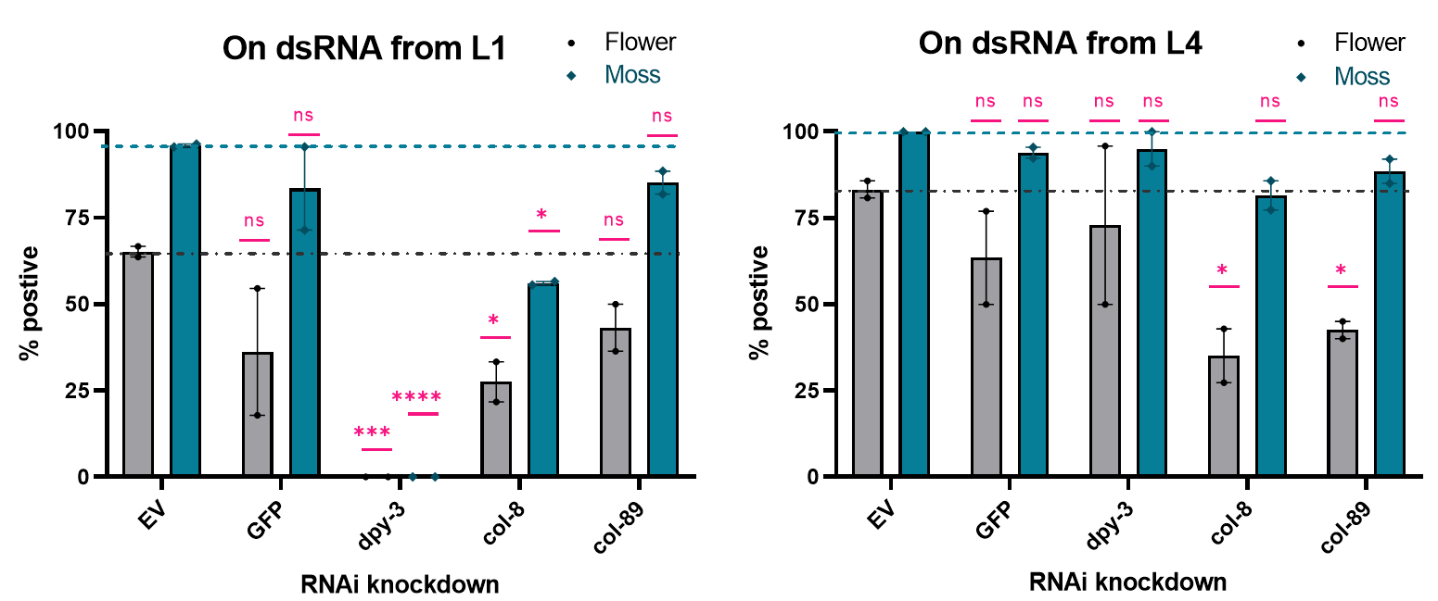

L1 | flower |  | moss |  |  | L4 | flower |  | moss
EV | 63.63636 | 66.66667 | 95.45455 | 96.2963 |  | EV | 80.76923 | 85.71429 | 100 | 100
GFP | 54.54545 | 17.85714 | 95.45455 | 71.42857 |  | GFP | 76.92308 | 50 | 92.30769 | 95.45455
dpy-3 | 0 | 0 | 0 | 0 |  | dpy-3 | 50 | 95.83333 | 90 | 100
col-8 | 33.33333 | 21.73913 | 55.55556 | 56.52174 |  | col-8 | 27.27273 | 42.85714 | 77.27273 | 85.71429
col-89 | 36.36364 | 50 | 81.81818 | 88.46154 |  | col-89 | 45 | 40 | 85 | 92

Table Analyzed |  | LSD2104 L1 |  |  |  |  |  |  | Table Analyzed |  | LSD2104 L4

Two-way ANOVA |  | Ordinary |  |  |  |  |  |  | Two-way ANOVA |  | Ordinary
Alpha |  | 0.05 |  |  |  |  |  |  | Alpha |  | 0.05

Source of Variation | % of total variation | P value | P value summary | Significant? |  |  |  |  | Source of Variation | % of total variation | P value | P value summary | Significant?
Interaction | 6.083 | 0.0771 | ns | No |  |  |  |  | Interaction | 6.956 | 0.4081 | ns | No
RNAi | 68.74 | <0.0001 | **** | Yes |  |  |  |  | RNAi | 27.87 | 0.026 | * | Yes
Aggregation type | 19.96 | 0.0001 | *** | Yes |  |  |  |  | Aggregation type | 49.37 | 0.0002 | *** | Yes

ANOVA table | SS | DF | MS | F (DFn, DFd) | P value |  |  |  | ANOVA table | SS | DF | MS | F (DFn, DFd) | P value
Interaction | 1342 | 4 | 335.6 | F (4, 10) = 2.920 | P=0.0771 |  |  |  | Interaction | 736.8 | 4 | 184.2 | F (4, 10) = 1.100 | P=0.4081
RNAi | 15171 | 4 | 3793 | F (4, 10) = 33.00 | P<0.0001 |  |  |  | RNAi | 2952 | 4 | 738 | F (4, 10) = 4.408 | P=0.0260
Aggregation type | 4406 | 1 | 4406 | F (1, 10) = 38.34 | P=0.0001 |  |  |  | Aggregation type | 5229 | 1 | 5229 | F (1, 10) = 31.23 | P=0.0002
Residual | 1149 | 10 | 114.9 |  |  |  |  |  | Residual | 1674 | 10 | 167.4

Difference between column means |  |  |  |  |  |  |  |  | Difference between column means
Mean of Flower | 34.41 |  |  |  |  |  |  |  | Mean of Flower | 59.44
...

SourceFig4D
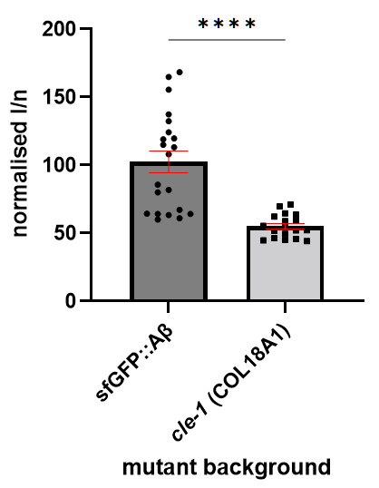
 |  | intensity per number of pixels
 |  | cle-1 (COL18A1)
 |  | 22.10.2020 | 29.10.2020 | 05.11.2020 | run 4 | run 5
 |  | 73.7677376 |  | 70.582429071 | 52.279163 | 58.309143922
 |  | 42.6411314 |  | 32.454721968 | 73.6470551
 |  | 45.499649 |  | 50.833479444 | 81.9126196
 |  | 71.0393677 |  |  | 39.6855946
 |  | 54.4183185 |  |  | 84.9557103
 |  | 70.0194827 |  |  | 54.6028916
 |  | 65.3341642 |  |  | 38.7579962
 |  | 42.9558523 |  |  | 99.3595154
 |  | 53.9971131 |  |  | 37.5038453
 |  | 39.5294173 |  |  | 64.8585334
 |  | 58.9853209
 |  | 46.4816728
 |  | 51.8224627
 |  | 54.825326
 |  | 44.3093888
 |  | 64.6195348
 |  | 45.052414
Table Analyzed | Grouped IperN cle-1 | 44.7968512
Data sets analyzed | A-J

ANOVA summary
F | 9.565
P value | <0.0001
P value summary | ****
Significant diff. among means (P < 0.05)? | Yes
R squared | 0.4754
...

SourceFig4C
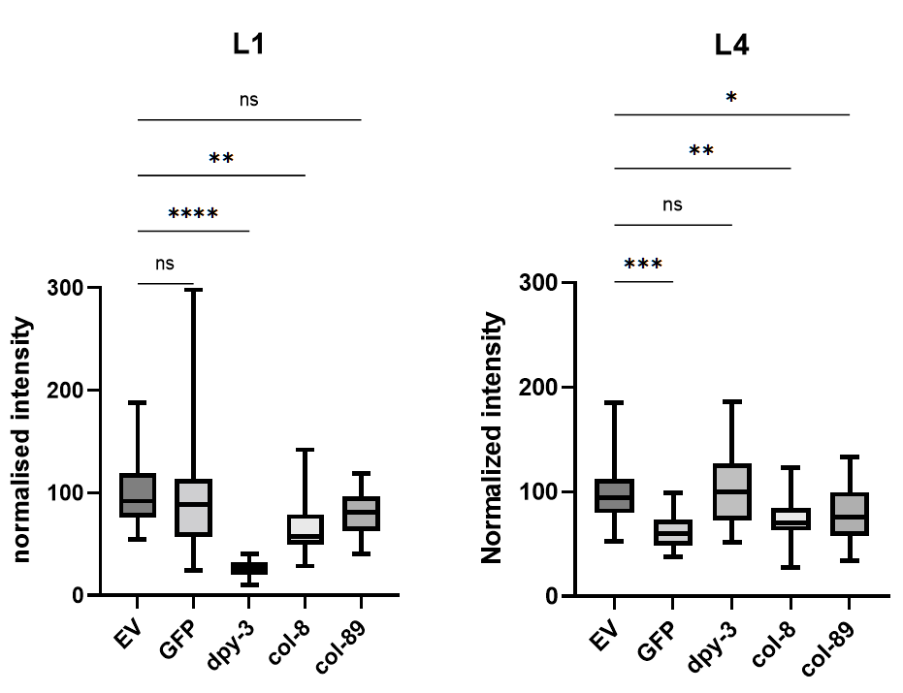
...
Normalized intensity L1 |  |  |  |  |  |  |  |  |  | Normalized intensity L4
EV |  | GFP |  | dpy-3 |  | col-8 |  | col-89 |  | EV |  | GFP |  | dpy-3
57.33518 | 91.92334 | 42.05776 | 120.1345 | 26.93302 | 12.16096 | 37.49397 | 57.91958 | 135.7827 | 11.9758 | 62.20438 | 106.8307 | 30.26787 | 116.4951 | 49.73727
54.51977 | 103.6643 | 50.65761 | 128.6078 | 33.48878 | 15.49983 | 50.80703 | 102.9804 | 100.0321 | 83.01141 | 75.3478 | 118.9369 | 51.71658 | 46.62963 | 111.0003
83.29778 | 45.43362 | 33.30229 | 116.4883 | 39.31327 | 11.35463 | 51.48727 | 125.3342 | 65.58346 | 76.85535 | 132.1939 | 59.63227 | 42.56911 | 37.52787 | 84.66169
168.7052 | 60.36572 | 38.49908 | 35.69076 | 10.08477 | 11.4222 | 22.01477 | 68.82225 | 133.3291 | 78.0404 | 106.9505 | 87.37608 | 58.71021 | 50.23303 | 15.99268
123.2397 | 104.0205 | 50.45653 | 59.15744 | 45.73314 | 18.5788 | 33.08981 | 24.07007 | 134.5579 | 84.27804 | 124.617 | 82.81525 | 51.08365 | 51.5965 | 35.72067
144.47 | 112.4564 | 36.30749 | 121.2348 | 39.60052 | 18.2835 | 27.53413 | 230.5304 | 59.15111 | 40.2261 | 139.9406 | 157.2326 | 41.32765 | 104.8251 | 107.2399
207.8378 | 45.74396 | 39.28079 | 61.43714 | 50.25435 | 25.80926 | 13.90292 | 243.5887 | 105.7922 | 58.33102 | 128.2936 | 102.4407 | 40.37446 | 131.3486 | 97.31839
76.93165 | 156.7842 | 59.64922 | 73.12549 | 47.39996 | 25.3768 | 11.4947 | 159.9079 | 85.65526 | 56.27348 | 59.92537 | 151.9043 | 16.30075 | 88.65959 | 52.79812
...

SourceFig4E
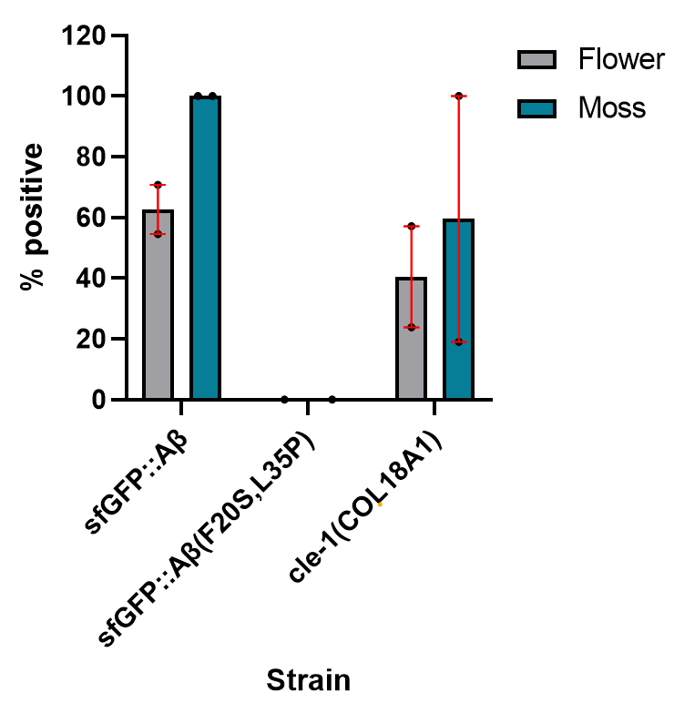
...
 |  |  |  |  |  | 2020-10-16 | 2022-04-07 | 2020-10-16 | 2022-04-07
 |  |  |  |  |  | Flower |  | Moss
 |  |  |  |  | sfGFP::Aβ | 70.8 | 54.5 | 100 | 100
 |  |  |  |  | sfGFP::Aβ(F20S,L35P) | 0 |  | 0
 |  |  |  |  | cle-1(COL18A1) | 57.1 | 23.8 | 100 | 19
...
Table Analyzed | in cle-1 mut.agg |  |  |  |  | Within each column, compare rows (simple effects within columns)

Two-way RM ANOVA | Matching: Across row |  |  |  |  | Number of families | 2
Assume sphericity? | Yes |  |  |  |  | Number of comparisons per family | 3
Alpha | 0.05 |  |  |  |  | Alpha | 0.05

Source of Variation | % of total variation | P value | P value summary | Significant? |  | Šídák's multiple comparisons test | Predicted (LS) mean diff. | 95.00% CI of diff. | Below threshold? | Summary
Row Factor x Time | 3.329 | 0.5668 | ns | No
Row Factor | 60.75 | 0.2733 | ns | No |  | Flower
...

