SourceFig5B
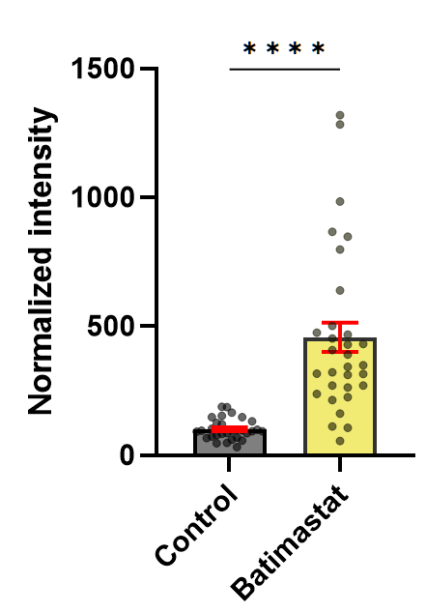
 |  | Control treatment: DMSO |  |  | Batimastat |  |  | 2021-11-29 | raw |  | Normalized |  | 2021.11.24 | raw |  | Normalized |  | 2021-11-20 | raw |  | Normalized
 |  | 2021.11.20 | 2021.11.24 | 2021.11.29 | 2021.11.20 | 2021.11.24 | 2021.11.29 |  | ctrl | bati | ctrl | bati |  | ctrl | bati | ctrl | bati |  | ctrl | bati | ctrl | bati
 |  | 111.7196 | 122.81000958 | 41.96827 | 612.3811 | 215.43290967 | 530.1691 | average | 77958.9 | 906069.28571 | 100 | 1162.2397003 | average | 4899756.9667 | 7929042.3871 | 100 | 161.82521788 | average | 1095806.5789 | 4452820.5455 | 100 | 406.35095928
 |  | 70.59156 | 110.80894495 | 117.721 | 810.3318 | 59.182588437 | 1731.361 | std. dev | 67414.944509 | 709392.67851 | 86.4749817 | 909.95727045 | std. dev | 2872426.1628 | 4069810.3223 | 58.623849762 | 83.061473253 | std. dev | 883601.56724 | 2181146.9209 | 80.634811308 | 199.04488281
 |  | 21.47249 | 228.88906687 | 8.197909 | 436.6111 | 100.63121566 | 1381.953 |  | 32718 | 413314 | 41.968267895 | 530.16910192 |  | 6017392 | 10555689 | 122.81000958 | 215.43290967 |  | 1224231 | 6710512 | 111.71962493 | 612.38106514
 |  | 117.2129 | 67.816404418 | 15.12977 | 667.4581 | 120.05687302 | 618.4823 |  | 91774 | 1349750 | 117.72100427 | 1731.361012 |  | 5429369 | 2899803 | 110.80894495 | 59.182588437 |  | 773547 | 8879669 | 70.591563772 | 810.33178397
 |  | 258.6934 | 124.12089092 | 178.7916 | 121.1442 | 187.03323578 | 987.7128 |  | 6391 | 1077355 | 8.1979094112 | 1381.9525417 |  | 11215008 | 4930685 | 228.88906687 | 100.63121566 |  | 235297 | 4784413 | 21.472493825 | 436.61108556
 |  | 39.1936 | 281.06904268 | 138.3665 | 284.0171 | 37.875531636 | 708.9902 |  | 11795 | 482162 | 15.129767095 | 618.48230285 |  | 3322839 | 5882495 | 67.816404418 | 120.05687302 |  | 1284427 | 7314050 | 117.21293015 | 667.45812085
 |  | 114.8016 | 44.888083531 | 120.1184 | 545.707 | 205.64579159 | 537.0894 |  | 139384 | 770010 | 178.79164534 | 987.71275634 |  | 6081622 | 9164174 | 124.12089092 | 187.03323578 |  | 2834779 | 1327506 | 258.69337294 | 121.14418963
 |  | 66.26133 | 45.458050576 | 28.36751 | 275.5548 | 260.6272737 | 275.3502 |  | 107869 | 552721 | 138.36649824 | 708.99024999 |  | 13771700 | 1855809 | 281.06904268 | 37.875531636 |  | 429486 | 3112278 | 39.193595681 | 284.01709387
 |  | 356.8298 | 54.744776491 | 32.62617 | 293.2062 | 62.526488984 | 1148.391 |  | 93643 | 418709 | 120.11842137 | 537.08941506 |  | 2199407 | 10076144 | 44.888083531 | 205.64579159 |  | 1258003 | 5979893 | 114.80155569 | 545.70698104
 |  | 74.25006 | 52.102298489 | 163.998 | 586.9953 | 154.54115483 | 1802.377 |  | 22115 | 214660 | 28.367511599 | 275.35021659 |  | 2227334 | 12770103 | 45.458050576 | 260.6272737 |  | 726096 | 3019548 | 66.261328774 | 275.55483404
 |  | 23.05379 | 35.66685066 | 110.8238 | 574.3226 | 56.89718937 | 2322.017 |  | 25435 | 895273 | 32.626165839 | 1148.3910112 |  | 2682361 | 3063646 | 54.744776491 | 62.526488984 |  | 3910164 | 3212973 | 356.8297613 | 293.20621556
 |  | 128.0596 | 29.418540752 | 126.0818 | 146.4459 | 72.555945615 | 425.2818 |  | 127851 | 1405113 | 163.99795277 | 1802.3766369 |  | 2552886 | 7572141 | 52.102298489 | 154.54115483 |  | 813637 | 6432333 | 74.250056135 | 586.99528946
 |  | 77.80442 | 81.647661858 | 22.21427 | 411.6869 | 86.146538057 | 725.8632 |  | 86397 | 1810219 | 110.82378022 | 2322.0171141 |  | 1747589 | 2787824 | 35.66685066 | 56.89718937 |  | 252625 | 6293465 | 23.053794789 | 574.32261504
 |  | 77.44086 | 131.90517497 | 76.01698 | 346.2635 | 78.694433749 | 745.2735 |  | 98292 | 331545 | 126.08182004 | 425.28178309 |  | 1441437 | 3555065 | 29.418540752 | 72.555945615 |  | 1403285 | 1604764 | 128.05955238 | 146.44591763
 |  | 48.37085 | 71.588713968 | 23.0955 | 312.1559 | 178.47462761 | 444.2482 |  | 17318 | 565875 | 22.214269314 | 725.86324332 |  | 4000537 | 4220971 | 81.647661858 | 86.146538057 |  | 852586 | 4511292 | 77.804424283 | 411.68688769
 |  | 144.6299 | 77.502456261 | 56.98259 | 353.1464 | 182.4736831 | 513.0473 |  | 59262 | 581007 | 76.016978177 | 745.27347102 |  | 6463033 | 3855836 | 131.90517497 | 78.694433749 |  | 848602 | 3794378 | 77.440856471 | 346.26348052
 |  | 77.6711 | 46.393994957 | 239.2556 | 416.1525 | 158.87010423 | 852.9315 |  | 18005 | 346331 | 23.095502887 | 444.24818719 |  | 3507673 | 8744823 | 71.588713968 | 178.47462761 |  | 530051 | 3420625 | 48.370853961 | 312.15591015
 |  | 61.87324 | 67.034671767 | 367.4898 | 813.9791 | 159.63773414 | 1421.839 |  | 44423 | 399966 | 56.982589544 | 513.04725952 |  | 3797432 | 8940767 | 77.502456261 | 182.4736831 |  | 1584864 | 3869802 | 144.62990371 | 353.14644704
 |  | 30.07 | 123.37722138 | 65.10995 | 298.6819 | 168.50290854 | 3383.828 |  | 186521 | 664936 | 239.25555645 | 852.93148056 |  | 2273193 | 7784249 | 46.393994957 | 158.87010423 |  | 851125 | 4560226 | 77.671097833 | 416.15245679
 |  |  | 184.83037142 | 67.64462 | 293.9396 | 149.32948817 | 3513.658 |  | 286491 | 1108450 | 367.4897927 | 1421.8389433 |  | 3284536 | 7821861 | 67.034671767 | 159.63773414 |  | 678011 | 8919637 | 61.873236849 | 813.97914298
 |  |  | 131.91078749 |  | 119.4268 | 218.68703025 | 337.1713 |  | 50759 | 2637995 | 65.10994896 | 3383.8278888 |  | 6045184 | 8256233 | 123.37722138 | 168.50290854 |  | 329509 | 3272976 | 30.069996506 | 298.68190818
 |  |  | 188.14347452 |  | 220.1133 | 102.51245183 |  |  | 52735 | 2739209 | 67.644617869 | 3513.6578377 |  | 9056239 | 7316782 | 184.83037142 | 149.32948817 |  |  | 3221009 |  | 293.93955666
 |  |  | 147.59562666 |  |  | 106.8021952 |  |  |  | 262855 |  | 337.17125306 |  | 6463308 | 10715133 | 131.91078749 | 218.68703025 |  |  | 1308687 |  | 119.42682451
 |  |  | 99.147733919 |  |  | 321.33936657 |  |  |  |  |  |  |  | 9218573 | 5022861 | 188.14347452 | 102.51245183 |  |  | 2412016 |  | 220.11329794
 |  |  | 103.10331787 |  |  | 315.98899916 |  |  |  |  |  |  |  | 7231827 | 5233048 | 147.59562666 | 106.8021952
 |  |  | 78.485525428 |  |  | 316.91906569 |  |  |  |  |  |  |  | 4857998 | 15744848 | 99.147733919 | 321.33936657
 |  |  | 31.828537836 |  |  | 237.90882036 |  |  |  |  |  |  |  | 5051812 | 15482693 | 103.10331787 | 315.98899916
 |  |  | 69.764582677 |  |  | 263.48978302 |  |  |  |  |  |  |  | 3845600 | 15528264 | 78.485525428 | 316.91906569
 |  |  | 85.028788741 |  |  | 270.66285308 |  |  |  |  |  |  |  | 1559521 | 11656954 | 31.828537836 | 237.90882036
 |  |  | 82.918398354 |  |  | 55.414789314 |  |  |  |  |  |  |  | 3418295 | 12910359 | 69.764582677 | 263.48978302
 |  |  |  |  |  | 111.72068405 |  |  |  |  |  |  |  | 4166204 | 13261822 | 85.028788741 | 270.66285308
 |  |  |  |  |  |  |  |  |  |  |  |  |  | 4062800 | 2715190 | 82.918398354 | 55.414789314
Table Analyzed | Grouped |  |  |  |  |  |  |  |  |  |  |  |  |  | 5474042 |  | 111.72068405

Column B | Batimastat
vs. | vs.
Column A | Control

Unpaired t test
P value | <0.0001
P value summary | ****
Significantly different (P < 0.05)? | Yes
One- or two-tailed P value? | Two-tailed
t, df | t=6.079, df=59

How big is the difference?
Mean of column A | 100.7
Mean of column B | 457.3
Difference between means (B - A) ± SEM | 356.6 ± 58.65
95% confidence interval | 239.2 to 473.9
R squared (eta squared) | 0.3851

F test to compare variances
F, DFn, Dfd | 62.68, 30, 29
P value | <0.0001
P value summary | ****
Significantly different (P < 0.05)? | Yes

Data analyzed
Sample size, column A | 30
Sample size, column B | 31

SourceFig5C
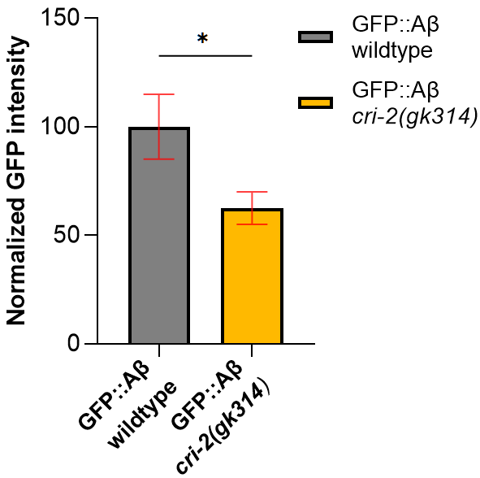
 |  | Normalised data |  | Raw data
 |  | GFP::Aβ wildtype | GFP::Aβ cri-2 mutant | GFP::Aβ wildtype | GFP::Aβ cri-2 mutant
 |  | 71.56 | 4.260626 | 675662 | 40230
 |  | 51.57 | 44.99764 | 486915 | 424880
 |  | 74.71 | 33.9773 | 705475 | 320823
 |  | 134.29 | 30.41661 | 1268028 | 287202
 |  | 86.86 | 52.79936 | 820122 | 498546
 |  | 63 | 42.29288 | 594849 | 399341
 |  | 128.06 | 49.08786 | 1209177 | 463501
 |  | 117.9 | 78.58552 | 1113229 | 742026
 |  | 357.41 | 65.21268 | 3374784 | 615756
 |  | 106.85 | 68.53783 | 1008871 | 647153
 |  | 58.05 | 50.31563 | 548127 | 475094
 |  | 102.9 | 55.36452 | 971637 | 522767
 |  | 40.42 | 64.79933 | 381625 | 611853
 |  | 51.77 | 48.46777 | 488869 | 457646
 |  | 118.62 | 75.27763 | 1120018 | 710792
 |  | 154.17 | 46.548 | 1455685 | 439519
 |  | 50.42 | 66.20651 | 476076 | 625140
Table Analyzed | cri-2 intensity 24h 100% | 42.12 | 145.8537 | 397752 | 1377191
 |  | 68.14 | 143.319 | 643392 | 1353257
Column B | GFP::Aβ cri-2(gk314) | 138.67 | 83.53878 | 1309347 | 788796
vs. | vs. | 82.52 |  | 779135
Column A | GFP::Aβ wildtype

Unpaired t test
P value | 0.0328
P value summary | *
Significantly different (P < 0.05)? | Yes
One- or two-tailed P value? | Two-tailed
t, df | t=2.213, df=39

How big is the difference?
Mean of column A | 100
Mean of column B | 62.49
Difference between means (B - A) ± SEM | -37.51 ± 16.95
95% confidence interval | -71.79 to -3.227
R squared (eta squared) | 0.1116

F test to compare variances
F, DFn, Dfd | 4.173, 20, 19
P value | 0.0029
P value summary | **
Significantly different (P < 0.05)? | Yes

Data analyzed
Sample size, column A | 21
Sample size, column B | 20

SourceFig5D,E
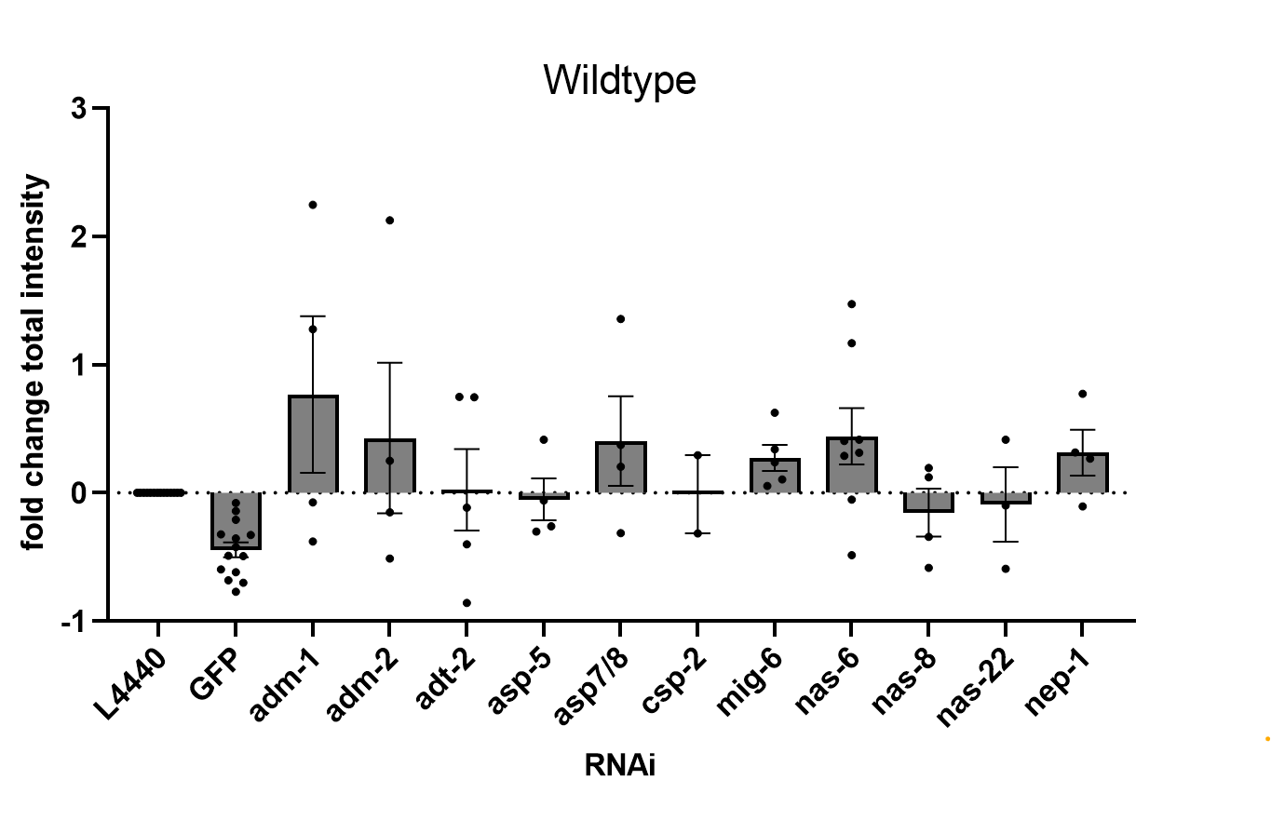
WT fold change to total EV | EV | GFP | adm-1 | adm-2 | adt-2 | asp-5 | asp7/8 | csp-2 | mig-6 | nas-6 | nas-8 | nas-22 | nep-1 | WT Median: raw data | L4440 = EV | GFP | adm-1 | adm-2 | adt-2 | asp-5 | asp7/8 | csp-2 | mig-6 | nas-6 | nas-8 | nas-22 | nep-1
JulyRun1-14.07.2020 | 0 | -0.61800721072 | 2.2465352829 | 2.1259276838 | -0.85881179841 |  |  |  | 0.62488395789 | 0.41529230421 |  |  | 0.77153375889 | JulyRun1-14.07.2020 | 1148290 | 438638.5 | 3727964 | 3589471.5 | 162125 |  |  |  | 1865838 | 1625166 |  |  | 2034234.5
JulyRun2 | 0 | -0.68114338449 | 1.2769186664 | 0.24877535358 | 0.74782309688 |  |  |  | 0.33965325776 | 0.28965353962 |  |  | 0.2674798496 | JulyRun2 | 620893.5 | 197976.0 | 1413724.0 | 775356.5 | 1085212.0 |  |  |  | 831782.0 | 800737.5 |  |  | 786970.0
JulyRun3 |  |  |  |  |  |  |  |  |  |  |  |  |  | JulyRun3
JulyRun4 | 0 | -0.70208136854 |  |  |  |  |  |  |  |  |  |  |  | JulyRun4 | 2751555 | 819739.5
06.10.2020 | 0 | -0.77173823697 | -0.38015648667 | -0.51287069107 |  |  |  |  |  |  |  |  |  | 06.10.2020 | 1295638 | 295745 | 803092.5 | 631143
16.10.2020 | 0 | -0.32341246884 |  |  |  |  |  |  | 0.23891712861 | -0.48457843777 |  |  | -0.10526696399 | 16.10.2020 | 3802760 | 2572900 |  |  |  |  |  |  | 4711304.5 | 1960024.5 |  |  | 3402455
2020-10-20 | 0 |  |  |  |  |  |  |  |  |  |  |  |  | 2020-10-20 | 2331631
27.10.2020 | 0 | -0.32882365774 | -0.075572381903 | -0.15209783958 | -0.1162381402 |  |  |  | 0.052724938399 |  |  |  |  | 27.10.2020 | 2236968 | 1501400 | 2067915 | 1896730 | 1976947 |  |  |  | 2354912
03.11.2020 | 0 | -0.4942418267 |  |  |  |  |  |  |  | 0.31296348737 |  |  | 0.31503344603 | 03.11.2020 | 2895710 | 1464529 |  |  |  |  |  |  |  | 3801961.5 |  |  | 3807955.5
06.11.2020 | 0 | -0.22713808337 |  |  |  | 0.29956411021 |  |  |  | 0.42427966278 |  |  |  | 06.11.2020 | 2376977 | 1837075 |  |  |  | 3089034 |  |  |  | 3385480
10.11.2020 | 0 | -0.59614725951 |  |  |  |  | -0.31507832657 |  |  |  | -0.5854225634 | -0.59260336505 |  | 10.11.2020 | 2284633.5 | 922655.5 |  |  |  |  | 1564795.0 |  |  |  | 947157.5 | 930752.0
17.11.2020 | 0 | -0.20877579289 |  |  |  | -0.060348925585 | 0.20378675612 |  |  | 0.40515667138 | 0.12120112711 |  |  | 17.11.2020 | 1074957 | 850532 |  |  |  | 1010084.5 | 1294019 |  |  | 1510483 | 1205243
20.11.2020 | 0 | -0.07911325268 |  |  | -0.39998550896 |  |  | -0.31586138018 |  |  |  | 0.41352733255 |  | 20.11.2020 | 959213.5 | 883327 |  |  | 575542 |  |  | 656235 |  |  |  | 1355874.5
24.11.2020 | 0 | -0.35436622387 |  |  |  |  | 0.37227411754 |  |  |  | -0.34233339448 | -0.098279885837 |  | 24.11.2020 | 1330028 | 858711 |  |  |  |  | 1825163 |  |  |  | 874715 | 1199313
27.11.2020 | 0 | -0.14310981783 |  |  | 0.74679213737 | 0.41532171512 |  | 0.29317407005 | 0.10421816666 | 1.166034812 |  |  |  | 2021-11-27 | 1921723.5 | 1646706 |  |  | 3356851.5 | 2719857 |  | 2485123 | 2122002 | 4162520
08.12.2020 | 0 | -0.42299331387 |  |  |  | -0.3012719322 | 1.3558651205 |  |  | 1.4724717055 | 0.19314450887 |  |  | 2021-12-08 | 1725288.5 | 995503 |  |  |  | 1205507.5 | 4064547 |  |  | 4265727 | 2058518.5

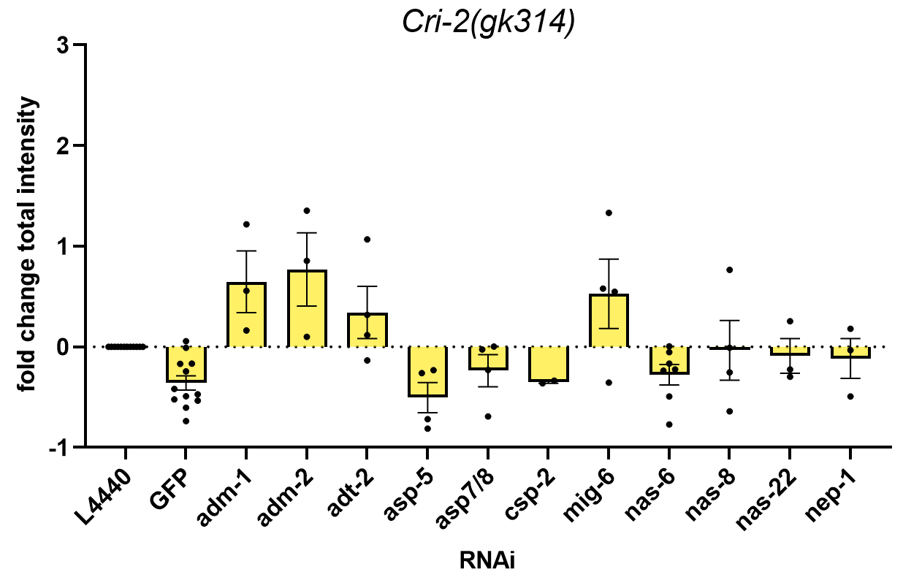
Cri-2 mut median: raw data | L4440 | GFP | adm-1 | adm-2 | adt-2 | asp-5 | asp7/8 | csp-2 | mig-6 | nas-6 | nas-8 | nas-22 | nep-1 | Cri-2 mut median: raw data | L4440 = EV | GFP | adm-1 | adm-2 | adt-2 | asp-5 | asp7/8 | csp-2 | mig-6 | nas-6 | nas-8 | nas-22 | nep-1
JulyRun1-14.07.2020 |  |  |  |  |  |  |  |  |  |  |  |  |  | JulyRun1-14.07.2020
JulyRun2 |  |  |  |  |  |  |  |  |  |  |  |  |  | JulyRun2
JulyRun3 |  |  |  |  |  |  |  |  |  |  |  |  |  | JulyRun3
JulyRun4 |  |  |  |  |  |  |  |  |  |  |  |  |  | JulyRun4
06.10.2020 | 0 | -0.60462746522 | 1.2186097179 | 0.85447427547 |  |  |  |  |  |  |  |  |  | 06.10.2020 | 440630 | 174213 | 977586 | 817137
16.10.2020 | 0 | -0.16671465777 |  |  |  |  |  |  | 1.3318519364 | -0.22537628985 |  |  | 0.17881019211 | 16.10.2020 | 2252153.5 | 1876686.5 |  |  |  |  |  |  | 5251688.5 | 1744571.5 |  |  | 2654861.5
20.10.2020 | 0 | -0.41685397038 | 0.16214480084 | 1.353115344 | 0.11597364023 |  |  |  | -0.3543646644 | -0.16706332251 |  |  | -0.49317167586 | 20.10.2020 | 3091681 | 1802901.5 | 3592981 | 7275082 | 3450234.5 |  |  |  | 1996098.5 | 2575174.5 |  |  | 1566951.5
27.10.2020 | 0 | -0.16957868015 | 0.55834916576 | 0.098721415646 | 1.0679083439 |  |  |  | 0.57881568801 |  |  |  |  | 27.10.2020 | 1460873.5 | 1213140.5 | 2276551 | 1605093 | 3020952.5 |  |  |  | 2306450
03.11.2020 | 0 | -0.47021442671 |  |  |  |  |  |  |  | 0.0048056278656 |  |  | -0.033373770182 | 03.11.2020 | 2543060 | 1347276.5 |  |  |  |  |  |  |  | 2555281 |  |  | 2458188.5
06.11.2020 | 0 | -0.49123759906 |  |  |  | -0.25981856409 |  |  |  | -0.05225494852 |  |  |  | 06.11.2020 | 4322959 | 2199359 |  |  |  | 3199774 |  |  |  | 4097063
10.11.2020 | 0 | -0.53343545601 |  |  |  |  | -0.027205569207 |  |  |  | -0.0089537084214 | -0.22473848488 |  | 10.11.2020 | 1363066.5 | 635958.5 |  |  |  |  | 1325983.5 |  |  |  | 1350862 | 1056733
17.11.2020 | 0 | 0.057419483597 |  |  |  | -0.81126272687 | -0.22822204118 |  |  | -0.77087042582 | -0.25341166931 |  |  | 17.11.2020 | 1588372 | 1679575.5 |  |  |  | 299785 | 1225870.5 |  |  | 363943 | 1185860
20.11.2020 | 0 | -0.0098007945763 |  |  | -0.13601185996 |  |  | -0.36356584598 |  |  |  | -0.29697351668 |  | 20.11.2020 | 783814 | 776132 |  |  | 677206 |  |  | 498846 |  |  |  | 551042
24.11.2020 | 0 | -0.24463826027 |  |  |  |  | 0.001820417259 |  |  |  | 0.76530525992 | 0.25389172782 |  | 24.11.2020 | 650675 | 491495 |  |  |  |  | 651859.5 |  |  |  | 1148640 | 815876
27.11.2020 | 0 | -0.52134297336 |  |  | 0.31693440922 | -0.23265638173 |  | -0.33505507014 | 0.54791370596 | -0.23608156986 |  |  |  | 2021-11-27 | 3217487.5 | 1540073 |  |  | 4237220 | 2468918.5 |  | 2139452 | 4980393 | 2457898
08.12.2020 | 0 | -0.73674409996 |  |  |  | -0.7172202023 | -0.69230237459 |  |  | -0.49311214878 | -0.64047850534 |  |  | 2021-12-08 | 4527682 | 1191939 |  |  |  | 1280337 | 1393157 |  |  | 2295027 | 1627799

