SourceFig6A
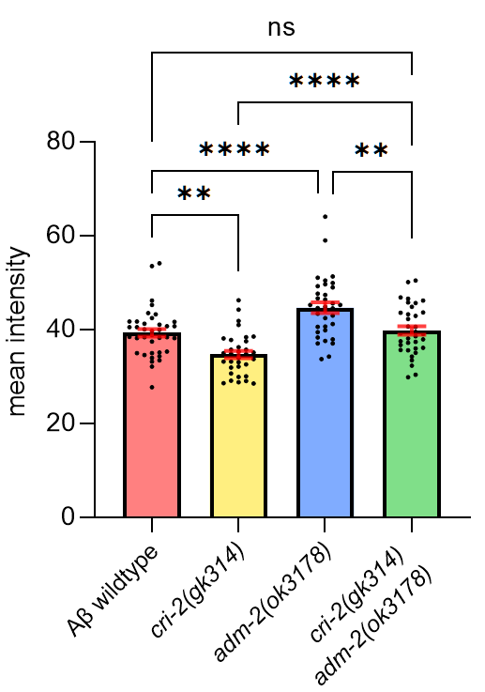
 |  |  |  |  |  |  |  | raw data measured as intensity per number of pixels
 |  |  |  |  |  |  |  | Aβ wildtype |  |  |  | cri-2 mut |  |  |  | adm-2 mut |  |  |  | cri-2/adm-2 mut
 |  |  |  |  |  |  |  | 14.01.2022 | 11.11.2021 | 29.10.2021 | 05.02.2021 | 14.01.2022 | 11.11.2021 | 29.10.2021 | 05.02.2021 | 14.01.2022 | 11.11.2021 | 29.10.2021 | 05.02.2021 | 14.01.2022 | 11.11.2021 | 29.10.2021 | 05.02.2021
 |  |  |  |  |  |  |  | 40.964 | 26.383 | 36.485 | 33.334 | 31.517 | 32.202 | 31.569 | 21.149 | 61.865 | 42.732 | 31.883 | 37.077 | 33.066 | 35.358 | 36.027 | 74.973
 |  |  |  |  |  |  |  | 34.965 | 52.371 | 36.407 | 26.098 | 33.619 | 33.086 | 30.849 | 52.404 | 57.823 | 35.687 | 50.678 | 57.511 | 28.596 | 32.846 | 38.992 | 36.521
 |  |  |  |  |  |  |  | 34.334 | 58.034 | 25.893 | 35.212 | 36.173 | 38.958 | 34.903 | 30.487 | 62.285 | 36.923 | 39.486 | 65.353 | 36.664 | 32.846 | 38.059 | 61.414
 |  |  |  |  |  |  |  | 37.53 | 43.109 | 30.046 | 29.217 | 38.001 | 30.994 | 30.51 | 20.708 | 43.219 | 39.76 | 34.188 | 63.778 | 42.267 | 47.099 | 39.329 | 53.959
 |  |  |  |  |  |  |  | 40.65 | 51.083 | 31.682 | 30.081 | 30.679 | 42.797 | 35.545 | 26.498 | 45.015 | 46.153 | 34.554 | 60.74 | 44.111 | 31.193 | 31.105 | 95.334
 |  |  |  |  |  |  |  | 62.342 | 41.191 | 36.036 | 27.14 | 33.829 | 39.313 | 35.841 | 29.971 | 72.172 | 52.01 | 41.254 | 70.334 | 43.863 | 34.826 | 26.049 | 95.545
 |  |  |  |  |  |  |  | 28.506 | 33.77 | 38.487 | 27.552 | 42.418 | 30.025 | 33.057 | 22.129 | 60.726 | 52.01 | 53.918 | 31.893 | 46.379 | 33.757 | 35.495 | 81.474
 |  |  |  |  |  |  |  | 43.611 | 32.106 | 39.17 | 25.465 | 33.5 | 32.404 | 26.409 | 30.192 | 53.428 | 41.181 | 37.076 | 49.255 | 40.458 | 31.982 | 33.546 | 54.527
 |  |  |  |  |  |  |  | 56.175 | 27.53 | 50.456 | 25.672 | 29.975 | 31.881 | 31.505 | 46.577 | 41.275 | 48.731 | 40.352 | 39.273 | 37.464 | 31.617 | 32.621 | 73.397
 |  |  |  |  |  |  |  | 44.833 | 30.957 | 34.347 | 30.981 | 44.231 | 34.644 | 34.111 | 26.331 | 76.495 | 36.662 | 31.387 | 34.803 | 36.696 | 34.51 | 29.987 | 53.307
 |  |  |  |  |  |  |  | 40.625 | 35.938 | 48.368 | 35.183 | 51.272 | 33.976 | 40.171 | 41.833 | 40.225 | 43.253 | 33.975 | 30.609 | 35.985 | 51.655 | 31.934 | 39.535
 |  |  |  |  |  |  |  | 55.694 | 35.868 | 32.21 | 32.369 | 31.503 | 45.089 | 34.187 | 32.023 | 39.885 | 41.814 | 32.751 | 50.129 | 32.36 | 45.551 | 31.09 | 61.612
 |  |  |  |  |  |  |  | 55.032 | 35.689 | 32.821 | 29.146 | 28.824 | 32.638 | 38.908 | 63.521 | 50.69 | 34.963 | 41.473 | 51.171 | 34.615 | 42.571 | 44.229 | 48.453
 |  |  |  |  |  |  |  | 38.56 | 33.694 | 33.035 | 33.069 | 29.831 | 28.487 | 37.222 | 39.235 | 43.168 | 35.278 | 65.566 | 61.11 | 36.816 | 32.752 | 31.419 | 38.679
 |  |  |  |  |  |  |  | 32.887 | 35.887 | 58.315 | 35.025 | 30.743 | 33.341 | 35.886 | 53.999 | 31.224 | 53.079 | 39.571 | 58.452 | 40.422 | 40.127 | 32.289 | 48
 |  |  |  |  |  |  |  | 43.284 | 38.77 | 47.329 | 32.681 | 31.816 | 30.334 | 33.807 | 36.821 | 41.121 | 36.499 | 29.618 | 55.102 | 28.465 | 40.517 | 54.605 | 56.675
 |  |  |  |  |  |  |  | 37.975 | 48.065 | 47.398 | 29.287 | 35.754 | 29.765 | 34.917 | 19.196 | 40.234 | 36.499 | 46.486 | 76.409 | 41.608 | 40.964 | 45.295 | 39.793
 |  |  |  |  |  |  |  | 39.853 | 20.318 | 42.033 | 30.583 | 36.012 | 29.71 | 42.816 | 36.425 | 66.487 | 36.499 | 35.9 | 56.868 | 41.783 | 37.752 | 55.03 | 41.194
 |  |  |  |  |  |  |  | 30.024 | 43.144 | 27.54 | 33.123 | 33.688 | 41.923 | 23.692 | 41.867 | 53.891 | 45.984 | 40.327 | 50.287 | 44.725 | 36.032 | 40.225 | 71.067
 |  |  |  |  |  |  |  | 55.285 | 39.667 | 28.59 | 35.201 | 32.914 | 28.562 | 28.923 | 24.763 | 48.528 | 41.139 | 34.568 | 33.395 | 41.618 | 38.385 | 35.208 | 39.099
 |  |  |  |  |  |  |  | 39.955 | 42.067 | 78.491 |  | 33.279 | 36.19 | 29.596 |  | 51.31 | 30.678 | 43.089 | 34.14 | 28.6 | 33.73 | 48.702
 |  |  |  |  |  |  |  | 36.082 | 45.154 | 33.25 |  | 37.696 | 31.122 | 63.911 |  | 39.355 | 40.506 | 35.012 |  | 30.535 | 35.644 | 38.924
 |  |  |  |  |  |  |  | 50.151 | 44.123 | 29.453 |  | 31.508 | 43.225 | 23.011 |  | 54.445 | 57.102 | 30.524 |  | 33.353 | 37.805 | 38.916
Table Analyzed |  | 4columns |  |  |  |  |  | 67.68 | 34.965 | 35.82 |  | 33.241 | 37.963 | 35.846 |  | 91.945 | 47.847 | 52.282 |  | 40.954 | 33.888 | 33.434
 |  |  |  |  |  |  |  | 44.435 | 41.561 | 43.629 |  | 34.026 | 44.102 | 37.025 |  | 59.75 | 40.164 | 33.679 |  |  | 42.888 | 36.156
Two-way ANOVA |  | Ordinary |  |  |  |  |  | 32.423 | 53.858 | 35.865 |  | 40.333 | 29.818 | 29.44 |  | 58.886 | 37.149 | 51.672 |  |  | 40.877 | 40.355
Alpha |  | 0.05 |  |  |  |  |  | 41.676 | 37.082 | 48.511 |  | 31.814 | 32.534 | 21.213 |  | 59.843 | 43.837 | 35.403 |  |  | 42.625 | 33.522
 |  |  |  |  |  |  |  | 35.939 | 35.583 | 53.378 |  | 30.612 | 28.348 | 26.715 |  | 50.623 | 34.974 | 43.335 |  |  | 36.167 | 35.131
Source of Variation |  | % of total variation | P value | P value summary | Significant? |  |  | 40.175 | 35.449 | 29.29 |  |  | 31.164 | 45.02 |  |  | 32.214 | 35.203 |  |  | 37.951 | 33.237
Row Factor |  | 3.434 | 0.9628 | ns | No |  |  | 30.555 | 50.553 | 35.384 |  |  | 34.835 | 23.252 |  |  | 32.202 | 41.807 |  |  | 36.555 | 30.268
Column Factor |  | 26.59 | <0.0001 | **** | Yes |  |  |  | 26.688 | 60.305 |  |  | 30.231 | 33.983 |  |  | 35.503 | 32.976 |  |  | 36.814 | 22.813
 |  |  |  |  |  |  |  |  | 32.514 | 44.409 |  |  | 37.772 |  |  |  | 34.74 | 41.032 |  |  | 45.851 | 26.075
ANOVA table |  | SS (Type III) | DF | MS | F (DFn, DFd) | P value |  |  | 40.814 | 49.645 |  |  | 46.205 |  |  |  | 36.116 | 39.044 |  |  | 31.561 | 29.122
Row Factor |  | 2604 | 38 | 68.53 | F (38, 483) = 0.6236 | P=0.9628 |  |  | 54.157 | 29.196 |  |  |  |  |  |  |  | 40.629 |  |  | 30.718 | 33.827
Column Factor |  | 20163 | 4 | 5041 | F (4, 483) = 45.87 | P<0.0001 |  |  |  | 38.228 |  |  |  |  |  |  |  |  |  |  | 39.15
Residual |  | 53078 | 483 | 109.9 |  |  |  |  |  | 41.019
 |  |  |  |  |  |  |  |  |  | 54.129
Data summary |  |  |  |  |  |  |  |  |  | 33.943
Number of columns (Column Factor) |  | 5 |  |  |  |  |  |  |  | 27.725
Number of rows (Row Factor) |  | 39
Number of values |  | 526

Compare column means (main column effect)

Number of families |  | 1
Number of comparisons per family |  | 10
Alpha |  | 0.05

Tukey's multiple comparisons test | Mean Diff. | 95.00% CI of diff. | Below threshold? | Summary | Adjusted P Value

Aβ(F20S;L35P) vs. Aβ wildtype | -14.71 | -19.23 to -10.19 | Yes | **** | <0.0001
Aβ(F20S;L35P) vs. cri-2(gk314) | -10.11 | -14.68 to -5.539 | Yes | **** | <0.0001
Aβ(F20S;L35P) vs. adm-2(ok3178) | -21.04 | -25.58 to -16.51 | Yes | **** | <0.0001
Aβ(F20S;L35P) vs. cri-2(gk314) adm-2(ok3178) | -16.48 | -21.04 to -11.92 | Yes | **** | <0.0001
Aβ wildtype vs. cri-2(gk314) | 4.606 | 0.8147 to 8.398 | Yes | ** | 0.0084
Aβ wildtype vs. adm-2(ok3178) | -6.331 | -10.08 to -2.578 | Yes | **** | <0.0001
Aβ wildtype vs. cri-2(gk314) adm-2(ok3178) | -1.768 | -5.543 to 2.007 | No | ns | 0.7023
cri-2(gk314) vs. adm-2(ok3178) | -10.94 | -14.74 to -7.131 | Yes | **** | <0.0001
cri-2(gk314) vs. cri-2(gk314) adm-2(ok3178) | -6.374 | -10.22 to -2.531 | Yes | **** | <0.0001
adm-2(ok3178) vs. cri-2(gk314) adm-2(ok3178) | 4.563 | 0.7605 to 8.366 | Yes | ** | 0.0096

Test details | Mean 1 | Mean 2 | Mean Diff. | SE of diff. | N1 | N2 | q | DF

Aβ(F20S;L35P) vs. Aβ wildtype | 24.07 | 38.78 | -14.71 | 1.651 | 62 | 123 | 12.61 | 483
Aβ(F20S;L35P) vs. cri-2(gk314) | 24.07 | 34.17 | -10.11 | 1.668 | 62 | 112 | 8.568 | 483
Aβ(F20S;L35P) vs. adm-2(ok3178) | 24.07 | 45.11 | -21.04 | 1.657 | 62 | 116 | 17.96 | 483
Aβ(F20S;L35P) vs. cri-2(gk314) adm-2(ok3178) | 24.07 | 40.55 | -16.48 | 1.665 | 62 | 113 | 14 | 483
Aβ wildtype vs. cri-2(gk314) | 38.78 | 34.17 | 4.606 | 1.385 | 123 | 112 | 4.704 | 483
Aβ wildtype vs. adm-2(ok3178) | 38.78 | 45.11 | -6.331 | 1.37 | 123 | 116 | 6.533 | 483
Aβ wildtype vs. cri-2(gk314) adm-2(ok3178) | 38.78 | 40.55 | -1.768 | 1.379 | 123 | 113 | 1.813 | 483
cri-2(gk314) vs. adm-2(ok3178) | 34.17 | 45.11 | -10.94 | 1.39 | 112 | 116 | 11.13 | 483
cri-2(gk314) vs. cri-2(gk314) adm-2(ok3178) | 34.17 | 40.55 | -6.374 | 1.404 | 112 | 113 | 6.422 | 483
adm-2(ok3178) vs. cri-2(gk314) adm-2(ok3178) | 45.11 | 40.55 | 4.563 | 1.389 | 116 | 113 | 4.647 | 483

SourceFig6B,C
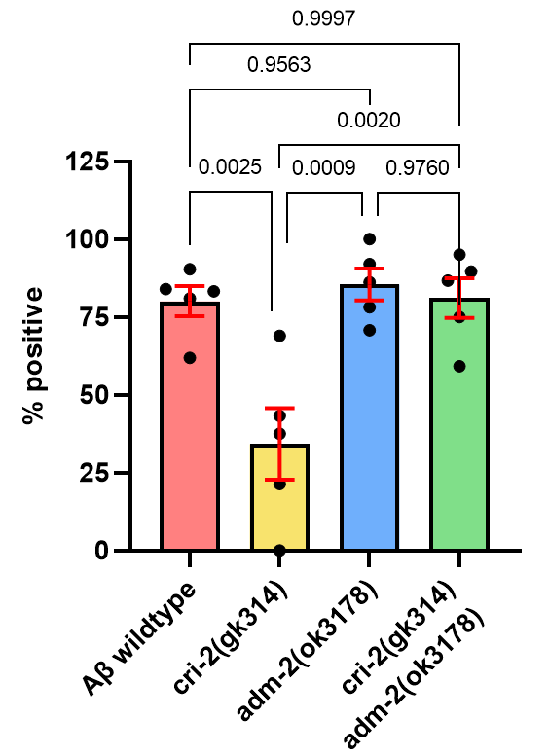
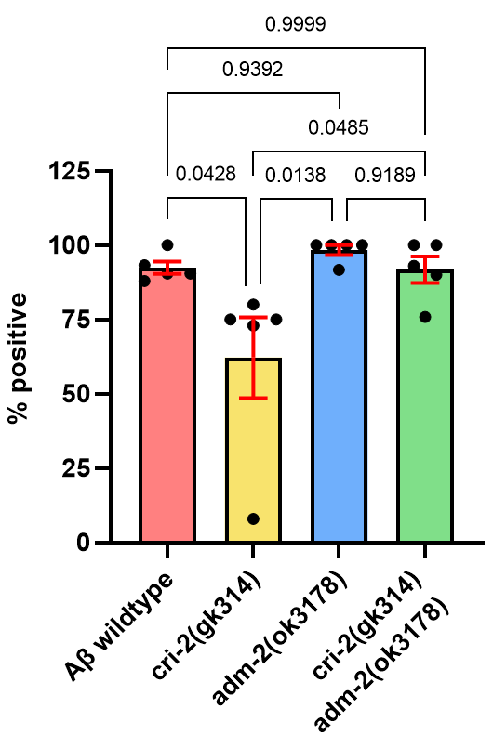
Flower |  |  |  |  |  |  | Moss |  |  |  |  |  |  | Raw data per date
 |  |  |  |  |  |  |  |  |  |  |  |  |  | 2022-02-22 | total count: yes or no aggregate per worm |  |  |  |  | percentage of counted animals with aggregates
 |  |  |  |  |  |  |  |  |  |  |  |  |  |  | moss | no moss | flower | no flower | n | moss | no moss | flower | no flower
 |  |  |  |  |  |  |  |  |  |  |  |  |  | Aβ wildtype | 19 | 2 | 13 | 8 | 21 | 90.48 | 9.52 | 61.90 | 38.10
 |  |  |  |  |  |  |  |  |  |  |  |  |  | cri-2(gk314) | 2 | 23 | 0 | 25 | 25 | 8.00 | 92.00 | 0.00 | 100.00
 |  |  |  |  |  |  |  |  |  |  |  |  |  | adm-2(ok3178) | 22 | 2 | 17 | 7 | 24 | 91.67 | 8.33 | 70.83 | 29.17
 |  |  |  |  |  |  |  |  |  |  |  |  |  | cri-2(gk314) / adm-2(ok3178) | 18 | 2 | 15 | 5 | 20 | 90.00 | 10.00 | 75.00 | 25.00

 |  |  |  |  |  |  |  |  |  |  |  |  |  | 2022-02-04 | total count: yes or no aggregate per worm |  |  |  |  | percentage of counted animals with aggregates
 |  |  |  |  |  |  |  |  |  |  |  |  |  |  | moss | no moss | flower | no flower | n | moss | no moss | flower | no flower
 |  |  |  |  |  |  |  |  |  |  |  |  |  | Aβ wildtype | 22 | 3 | 21 | 4 | 25 | 88.00 | 12.00 | 84.00 | 16.00
 |  |  |  |  |  |  |  |  |  |  |  |  |  | cri-2(gk314) | 19 | 7 | 18 | 8 | 26 | 73.08 | 26.92 | 69.23 | 30.77
 |  |  |  |  |  |  |  |  |  |  |  |  |  | adm-2(ok3178) | 26 | 0 | 24 | 2 | 26 | 100.00 | 0.00 | 92.31 | 7.69
 |  |  |  |  |  |  |  |  |  |  |  |  |  | cri-2(gk314) / adm-2(ok3178) | 20 | 0 | 19 | 1 | 20 | 100.00 | 0.00 | 95.00 | 5.00

 |  |  |  |  |  |  |  |  |  |  |  |  |  | 2022-04-01 | total count: yes or no aggregate per worm |  |  |  |  | percentage of counted animals with aggregates
 |  |  |  |  |  |  |  |  |  |  |  |  |  |  | moss | no moss | flower | no flower | n | moss | no moss | flower | no flower
 |  |  |  |  |  |  |  |  |  |  |  |  |  | Aβ wildtype | 28 | 2 | 25 | 5 | 30 | 93.33 | 6.67 | 83.33 | 16.67
 |  |  |  |  |  |  |  |  |  |  |  |  |  | cri-2(gk314) | 21 | 7 | 6 | 22 | 28 | 75.00 | 25.00 | 21.43 | 78.57
 |  |  |  |  |  |  |  |  |  |  |  |  |  | adm-2(ok3178) | 29 | 0 | 25 | 4 | 29 | 100.00 | 0.00 | 86.21 | 13.79
Flower | Aβ wildtype | cri-2(gk314) | adm-2(ok3178) | cri-2(gk314) / adm-2(ok3178) |  | Moss | Aβ wildtype | cri-2(gk314) | adm-2(ok3178) | cri-2(gk314) / adm-2(ok3178) |  |  |  | cri-2(gk314) / adm-2(ok3178) | 27 | 2 | 26 | 3 | 29 | 93.10 | 6.90 | 89.66 | 10.34
2022-02-22 | 61.9 | 0 | 70.83 | 75 |  | 2022-02-22 | 90.48 | 8 | 91.67 | 90
2022-02-04 | 84 | 69 | 92 | 95 |  | 2022-02-04 | 88 | 73 | 100 | 100 |  |  |  | 2022-04-02 | total count: yes or no aggregate per worm |  |  |  |  | percentage of counted animals with aggregates
2022-04-01 | 83.33 | 21.43 | 86.21 | 89.66 |  | 2022-04-01 | 93.33 | 75 | 100 | 75.86 |  |  |  |  | moss | no moss | flower | no flower | n | moss | no moss | flower | no flower
2022-04-02 | 80.95 | 37.5 | 100 | 59.26 |  | 2022-04-02 | 90.48 | 75 | 100 | 93.1 |  |  |  | Aβ wildtype | 19 | 2 | 17 | 4 | 21 | 90.48 | 9.52 | 80.95 | 19.05
2022-07-06 | 90.32 | 44.44 | 70.97 | 91.43 |  | 2022-07-06 | 100 | 66.67 | 93.55 | 100 |  |  |  | cri-2(gk314) | 18 | 6 | 9 | 15 | 24 | 75.00 | 25.00 | 37.50 | 62.50
 |  |  |  |  |  |  |  |  |  |  |  |  |  | adm-2(ok3178) | 28 | 0 | 28 | 0 | 28 | 100.00 | 0.00 | 100.00 | 0.00
 |  |  |  |  |  |  |  |  |  |  |  |  |  | cri-2(gk314) / adm-2(ok3178) | 21 | 6 | 16 | 11 | 27 | 77.78 | 22.22 | 59.26 | 40.74

Table Analyzed |  | Flower |  |  |  |  | Table Analyzed |  | Moss |  |  |  |  | 2022-07-06 | total count: yes or no aggregate per worm |  |  |  |  | percentage of counted animals with aggregates
Data sets analyzed |  | A-D |  |  |  |  | Data sets analyzed |  | A-D |  |  |  |  |  | moss | no moss | flower | no flower | n | moss | no moss | flower | no flower
 |  |  |  |  |  |  |  |  |  |  |  |  |  | Aβ wildtype | 31 | 0 | 28 | 3 | 31 | 100.00 | 0.00 | 90.32 | 9.68
ANOVA summary |  |  |  |  |  |  | ANOVA summary |  |  |  |  |  |  | cri-2(gk314) | 24 | 6 | 13 | 17 | 30 | 80.00 | 20.00 | 43.33 | 56.67
F |  | 10.47 |  |  |  |  | F |  | 5 |  |  |  |  | adm-2(ok3178) | 32 | 0 | 25 | 7 | 32 | 100.00 | 0.00 | 78.13 | 21.88
P value |  | 0.0005 |  |  |  |  | P value |  | 0.0124 |  |  |  |  | cri-2(gk314) / adm-2(ok3178) | 30 | 0 | 26 | 4 | 30 | 100.00 | 0.00 | 86.67 | 13.33
P value summary |  | *** |  |  |  |  | P value summary |  | *
Significant diff. among means (P < 0.05)? |  | Yes |  |  |  |  | Significant diff. among means (P < 0.05)? |  | Yes
R squared |  | 0.6626 |  |  |  |  | R squared |  | 0.4839

Brown-Forsythe test |  |  |  |  |  |  | Brown-Forsythe test
F (DFn, DFd) |  | 1.086 (3, 16) |  |  |  |  | F (DFn, DFd) |  | 0.7537 (3, 16)
P value |  | 0.3834 |  |  |  |  | P value |  | 0.5361
P value summary |  | ns |  |  |  |  | P value summary |  | ns
Are SDs significantly different (P < 0.05)? |  | No |  |  |  |  | Are SDs significantly different (P < 0.05)? |  | No

Bartlett's test |  |  |  |  |  |  | Bartlett's test
Bartlett's statistic (corrected) |  | 3.884 |  |  |  |  | Bartlett's statistic (corrected) |  | 18.85
P value |  | 0.2743 |  |  |  |  | P value |  | 0.0003
P value summary |  | ns |  |  |  |  | P value summary |  | ***
Are SDs significantly different (P < 0.05)? |  | No |  |  |  |  | Are SDs significantly different (P < 0.05)? |  | Yes

ANOVA table |  | SS | DF | MS | F (DFn, DFd) | P value | ANOVA table |  | SS | DF | MS | F (DFn, DFd) | P value
Treatment (between columns) |  | 8708 | 3 | 2903 | F (3, 16) = 10.47 | P=0.0005 | Treatment (between columns) |  | 3968 | 3 | 1323 | F (3, 16) = 5.000 | P=0.0124
Residual (within columns) |  | 4434 | 16 | 277.1 |  |  | Residual (within columns) |  | 4233 | 16 | 264.6
Total |  | 13142 | 19 |  |  |  | Total |  | 8201 | 19

Data summary |  |  |  |  |  |  | Data summary
Number of treatments (columns) |  | 4 |  |  |  |  | Number of treatments (columns) |  | 4
Number of values (total) |  | 20 |  |  |  |  | Number of values (total) |  | 20

Number of families |  | 1 |  |  |  |  | Number of families |  | 1
Number of comparisons per family |  | 6 |  |  |  |  | Number of comparisons per family |  | 6
Alpha |  | 0.05 |  |  |  |  | Alpha |  | 0.05

Tukey's multiple comparisons test | Mean Diff. | 95.00% CI of diff. | Below threshold? | Summary | Adjusted P Value |  | Tukey's multiple comparisons test | Mean Diff. | 95.00% CI of diff. | Below threshold? | Summary | Adjusted P Value
Aβ wildtype vs. cri-2(gk314) | 45.85 | 15.72 to 75.97 | Yes | ** | 0.0025 | A-B | Aβ wildtype vs. cri-2(gk314) | 30.26 | 0.8258 to 59.69 | Yes | * | 0.0428 | A-B
Aβ wildtype vs. adm-2(ok3178) | -5.334 | -35.46 to 24.79 | No | ns | 0.9563 | A-C | Aβ wildtype vs. adm-2(ok3178) | -5.876 | -35.31 to 23.56 | No | ns | 0.9392 | A-C
Aβ wildtype vs. cri-2(gk314) adm-2(ok3178) | -1.018 | -31.14 to 29.11 | No | ns | 0.9997 | A-D | Aβ wildtype vs. cri-2(gk314) adm-2(ok3178) | 0.666 | -28.77 to 30.10 | No | ns | 0.9999 | A-D
cri-2(gk314) vs. adm-2(ok3178) | -51.18 | -81.31 to -21.06 | Yes | *** | 0.0009 | B-C | cri-2(gk314) vs. adm-2(ok3178) | -36.13 | -65.57 to -6.702 | Yes | * | 0.0138 | B-C
cri-2(gk314) vs. cri-2(gk314) adm-2(ok3178) | -46.87 | -76.99 to -16.74 | Yes | ** | 0.002 | B-D | cri-2(gk314) vs. cri-2(gk314) adm-2(ok3178) | -29.59 | -59.02 to -0.1598 | Yes | * | 0.0485 | B-D
adm-2(ok3178) vs. cri-2(gk314) adm-2(ok3178) | 4.316 | -25.81 to 34.44 | No | ns | 0.976 | C-D | adm-2(ok3178) vs. cri-2(gk314) adm-2(ok3178) | 6.542 | -22.89 to 35.97 | No | ns | 0.9189 | C-D
...

SourceFig6E,F
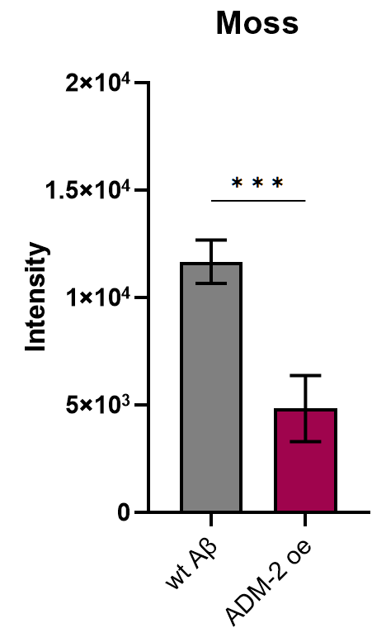
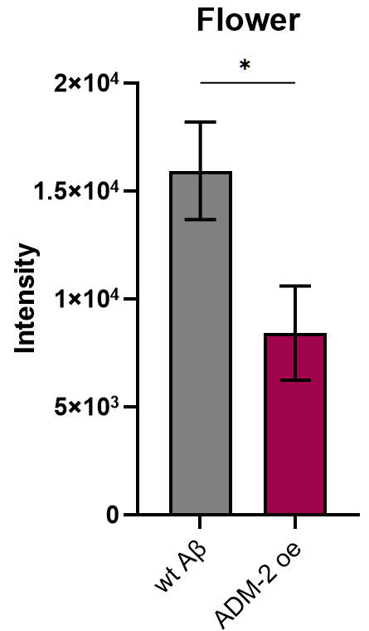
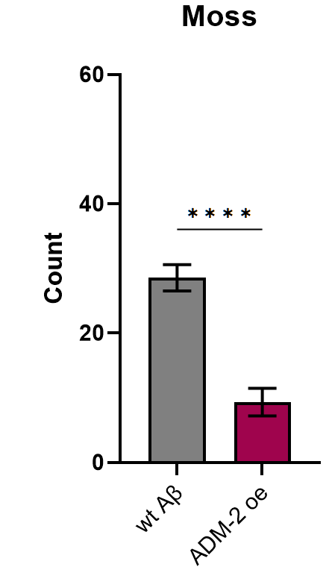
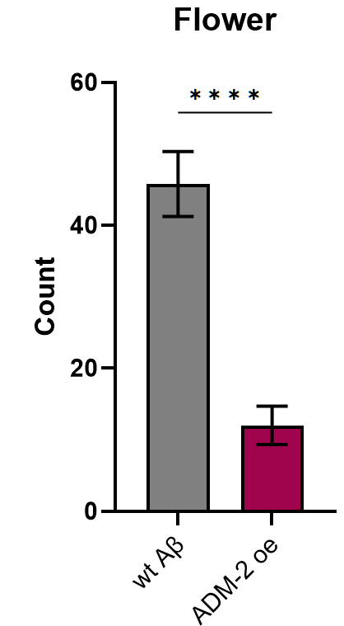
 | Intensity |  |  | Count |  |  | Moss
 |  |  |  |  |  |  | Name image (2=LSD2104, 2+18=LSD3014) | Count | Total Area | Average Size | %Area | Mean
 |  |  |  |  |  |  | 2 1_0002_C001T001-M1.tif | 25 | 454 | 18.16 | 0.043 | 255
 |  |  |  |  |  |  | 2 1_0002_C001T001-M2.tif | 28 | 470 | 16.786 | 0.045 | 255
 |  |  |  |  |  |  | 2 10_0002_C001T001-M1.tif | 33 | 1100 | 33.333 | 0.105 | 255
 |  |  |  |  |  |  | 2 10_0002_C001T001-M2.tif | 19 | 698 | 36.737 | 0.067 | 255
 |  |  |  |  |  |  | 2 11_0003_C001T001-M1.tif | 20 | 404 | 20.2 | 0.039 | 255
 |  |  |  |  |  |  | 2 11_0003_C001T001-M2.tif | 20 | 875 | 43.75 | 0.083 | 255
 |  |  |  |  |  |  | 2 12_0003_C001T001-M1.tif | 16 | 683 | 42.688 | 0.065 | 255
 |  |  |  |  |  |  | 2 12_0003_C001T001-M2.tif | 22 | 404 | 18.364 | 0.039 | 255
 |  |  |  |  |  |  | 2 13_0003_C001T001-M1.tif | 8 | 45 | 5.625 | 0.004 | 255
 |  |  |  |  |  |  | 2 13_0003_C001T001-M2.tif | 2 | 17 | 8.5 | 0.002 | 255
 |  |  |  |  |  |  | 2 14_0003_C001T001-M1.tif | 39 | 1622 | 41.59 | 0.155 | 255
 |  |  |  |  |  |  | 2 14_0003_C001T001-M2.tif | 39 | 1622 | 41.59 | 0.155 | 255
 |  |  |  |  |  |  | 2 15_C001T001-M1.tif | 7 | 54 | 7.714 | 0.005 | 255
 |  |  |  |  |  |  | 2 15_C001T001-M2.tif | 15 | 192 | 12.8 | 0.018 | 255
 |  |  |  |  |  |  | 2 17_0001_C001T001-M1.tif | 30 | 894 | 29.8 | 0.085 | 255
 |  |  |  |  |  |  | 2 17_0001_C001T001-M2.tif | 36 | 624 | 17.333 | 0.06 | 255
Table Analyzed | intensity ADM-2oe aggregates Moss |  | Table Analyzed |  | intensity ADM-2oe aggregates Flower |  | 2 18_0005_C001T001-M1.tif | 21 | 1158 | 55.143 | 0.11 | 255
 |  |  |  |  |  |  | 2 18_0005_C001T001-M2.tif | 22 | 1358 | 61.727 | 0.13 | 255
Column B |  | ADM-2 oe | Column B |  |  | ADM-2 oe | 2 19_0002_C001T001-M1.tif | 66 | 3999 | 60.591 | 0.381 | 255
vs. |  | vs. | vs. |  |  | vs. | 2 19_0002_C001T001-M2.tif | 62 | 5427 | 87.532 | 0.518 | 255
Column A |  | wt Aβ | Column A |  |  | wt Aβ | 2 2_0001_C001T001-M1.tif | 25 | 1678 | 67.12 | 0.16 | 255
 |  |  |  |  |  |  | 2 20_0005_C001T001-M1.tif | 34 | 3543 | 104.206 | 0.338 | 255
Unpaired t test |  |  | Unpaired t test |  |  |  | 2 20_0005_C001T001-M2.tif | 32 | 2162 | 67.562 | 0.206 | 255
P value |  | 0.0003 | P value |  |  | 0.0194 | 2 21_0001_C001T001-M2.tif | 23 | 1567 | 68.13 | 0.149 | 255
P value summary |  | *** | P value summary |  |  | * | 2 21_0002_C001T001-M1.tif | 33 | 2850 | 86.364 | 0.272 | 255
Significantly different (P < 0.05)? |  | Yes | Significantly different (P < 0.05)? |  |  | Yes | 2 22_0002_C001T001-M1.tif | 21 | 1580 | 75.238 | 0.151 | 255
...

