Figure 4
Figure 4
panel B : t1/2 of trapping reaction (min)
 | Treatment | Untreated ATP/Mg2+ (vanadate) | Untreated ATP/Mg2+ (BeFx) | Quercetin ATP/Mg2+ (vanadate) | Quercetin ATP/Mg2+ (BeFx) | E3S ATP/Mg2+ (vanadate) | E3S ATP/Mg2+ (BeFx) | Untreated ADP/Mg2+ (vanadate) | Untreated ADP/Mg2+ (BeFx) | Quercetin ADP/Mg2+ (vanadate) | Quercetin ADP/Mg2+ (BeFx) | E3S ADP/Mg2+ (vanadate) | E3S ADP/Mg2+ (BeFx)

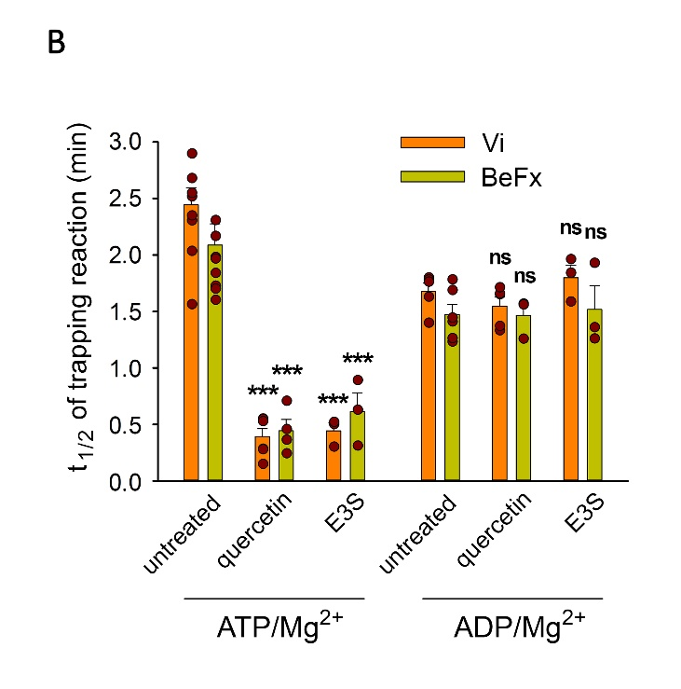
 |  | 2.52 | 2.31 | 0.1522 | 0.46 | 0.3045 | 0.8936 | 1.6317 | 1.2344 | 1.3342 | 1.2607 | 1.8449 | 1.3625
 |  | 2.6824 | 3.47 | 0.5532 | 0.71 | 0.5045 | 0.6312 | 1.402 | 1.4119 | 1.3742 | 1.5714 | 1.9647 | 1.2623
 |  | 2.9 | 1.9843 | 0.55 | 0.3658 | 0.5241 | 0.3133 | 1.8022 | 1.6914 | 1.6538 | 1.5639 | 1.5894 | 1.9318
 |  | 2.552 | 1.8429 | 0.5301 | 0.2456 |  |  | 1.7846 | 1.2655 | 1.6606
 |  | 3.0765 | 2.17 | 0.286 |  |  |  | 1.765 | 1.4479 | 1.7161
 |  | 2.3074 | 1.97 | 0.2818 |  |  |  |  | 1.785
 |  | 1.566 | 1.73
 |  | 2.038 | 1.6052
 |  | 2.3515 | 1.703

 | Average | 2.4437555556 | 2.0872666667 | 0.39221666667 | 0.44535 | 0.44436666667 | 0.6127 | 1.6771 | 1.4726833333 | 1.54778 | 1.4653333333 | 1.7996666667 | 1.5188666667
 | SD | 0.45348678071 | 0.56570351113 | 0.17372670971 | 0.19704695718 | 0.12152387968 | 0.2905919992 | 0.16783462098 | 0.23038934437 | 0.17891803151 | 0.17725733647 | 0.19169523555 | 0.36110312008

