Figure 5
Figure 5
panel B: t1/2 of 5D3 dissociation reaction (min)
 |  | Untreated | E3S | Quercetin | ATP/Mg2+ | ATP/Mg2+ + E3S | ATP/Mg2+ + Quercetin | AMP-PNP/Mg2+ | AMP-PNP/Mg2+ + Quercetin | AMP-PNP/Mg2+ + E3S
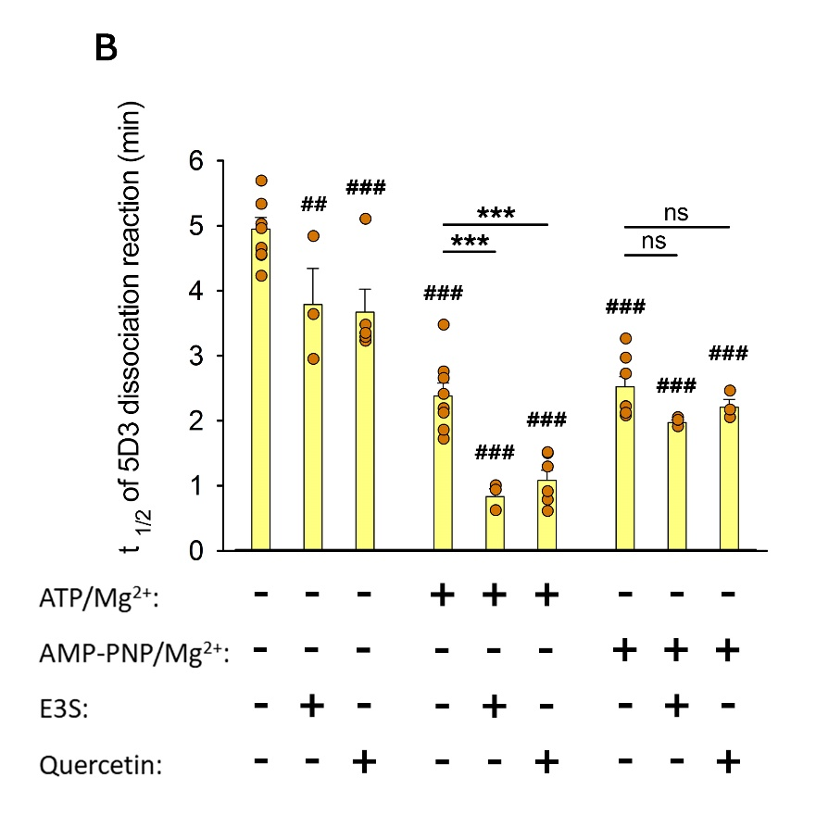
 |  | 4.62 | 4.82 | 3.2105 | 1.701 | 0.9848 | 1.4795 | 2.2 | 2.4415 | 2.0314
 |  | 4.53 | 2.93 | 3.457 | 2.17 | 0.917 | 1.2734 | 2.95 | 2.032 | 1.8924
 |  | 4.64 | 3.62 | 3.2695 | 1.8385 | 0.602 | 0.7646 | 2.0598 | 2.15 | 1.9907
 |  | 5.3155 |  | 5.085 | 2.7375 |  | 0.5898 | 2.1992
 |  | 4.5392 |  | 3.3308 | 3.457 |  | 0.8927 | 3.2435
 |  | 6.0116 |  |  | 2.3901 |  | 1.4928 | 2.7054
 |  | 4.2085 |  |  | 2.1017 |  |  | 2.1
 |  | 5.0082 |  |  | 2.6345 |  |  | 2.7054
 |  | 5.6722
 |  | 4.9404

 | Average | 4.94856 | 3.79 | 3.67056 | 2.3787875 | 0.8346 | 1.0821333333 | 2.5204125 | 2.2078333333 | 1.9715
 | SD | 0.56623465925 | 0.95639949812 | 0.79595690398 | 0.56422005443 | 0.20427011529 | 0.38528816056 | 0.4424919513 | 0.21078681964 | 0.071461388176

panel C: t1/2 of 5D3 dissociation reaction (min)

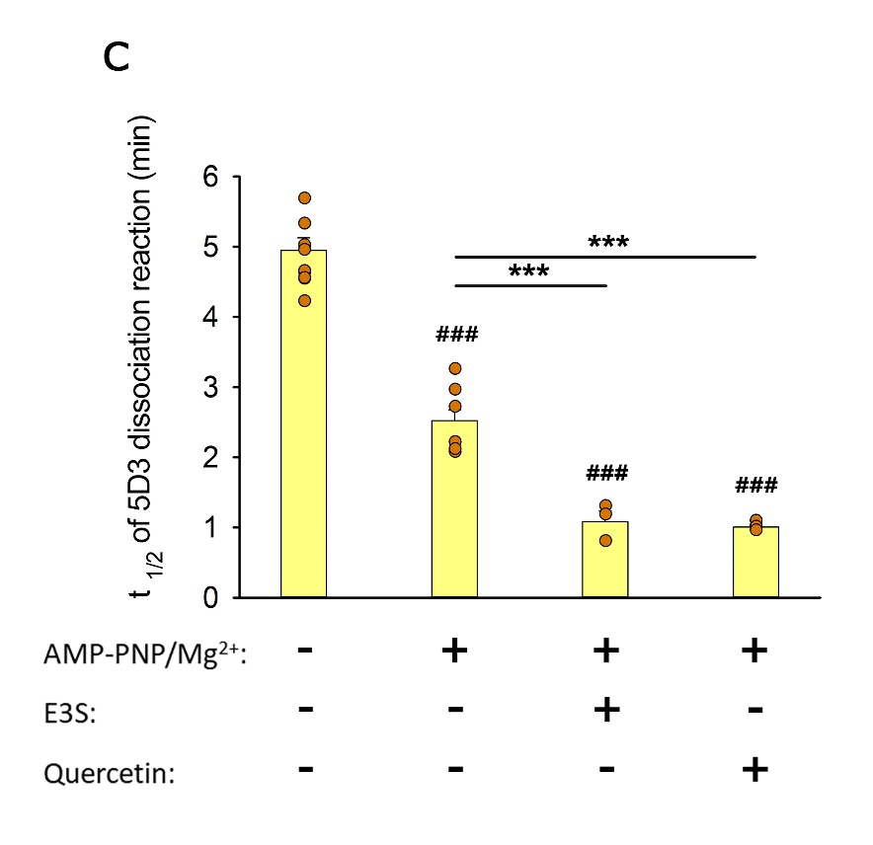
 |  | Untreated | AMP-PNP/Mg2+ | AMP-PNP/Mg2+ +E3S | AMP-PNP/Mg2+ + Quercetin
 |  | 4.62 | 2.2 | 1.29 | 1.0801
 |  | 4.53 | 2.95 | 1.17 | 0.9954
 |  | 4.64 | 2.0598 | 0.7892 | 0.9436
 |  | 5.3155 | 2.1992
 |  | 4.5392 | 3.2435
 |  | 6.0116 | 2.7054
 |  | 4.2085 | 2.1
 |  | 5.0082 | 2.7054
 |  | 5.6722
 |  | 4.9404

 | Average | 4.94856 | 2.5204125 | 1.0830666667 | 1.0063666667
 | SD | 0.56623465925 | 0.4424919513 | 0.26147315987 | 0.068907643504

