Figure 6
Figure 6 |  |  |  |  |  |  |  | 2020-01-30 |  |  |  |  |  |  |  |  |  |  |  | 2020-02-04 |  |  |  |  |  |  |  |  |  |  |  | 2020-06-26 |  |  |  |  |  |  |  |  |  |  |  |  |  |  | 2020-07-03 |  |  |  |  |  |  |  |  |  |  |  | 2020-07-17
panel B: Relative MX intracellular fluorescence intensity |  |  |  |  |  |  |  |  | MX intracellular fluorescence intensity | Relative MX intracellular fluorescence intensity |  | MX intracellular fluorescence intensity | Relative MX intracellular fluorescence intensity |  | MX intracellular fluorescence intensity | Relative MX intracellular fluorescence intensity |  | MX intracellular fluorescence intensity | Relative MX intracellular fluorescence intensity |  | MX intracellular fluorescence intensity | Relative MX intracellular fluorescence intensity |  | MX intracellular fluorescence intensity | Relative MX intracellular fluorescence intensity |  | MX intracellular fluorescence intensity | Relative MX intracellular fluorescence intensity |  | MX intracellular fluorescence intensity | Relative MX intracellular fluorescence intensity |  | MX intracellular fluorescence intensity | Relative MX intracellular fluorescence intensity |  | MX intracellular fluorescence intensity | Relative MX intracellular fluorescence intensity |  | MX intracellular fluorescence intensity | Relative MX intracellular fluorescence intensity |  | MX intracellular fluorescence intensity | Relative MX intracellular fluorescence intensity |  | MX intracellular fluorescence intensity | Relative MX intracellular fluorescence intensity |  | MX intracellular fluorescence intensity | Relative MX intracellular fluorescence intensity |  | MX intracellular fluorescence intensity | Relative MX intracellular fluorescence intensity |  | MX intracellular fluorescence intensity | Relative MX intracellular fluorescence intensity |  | MX intracellular fluorescence intensity | Relative MX intracellular fluorescence intensity |  | MX intracellular fluorescence intensity | Relative MX intracellular fluorescence intensity |  | MX intracellular fluorescence intensity | Relative MX intracellular fluorescence intensity |  | MX intracellular fluorescence intensity | Relative MX intracellular fluorescence intensity |  | MX intracellular fluorescence intensity | Relative MX intracellular fluorescence intensity
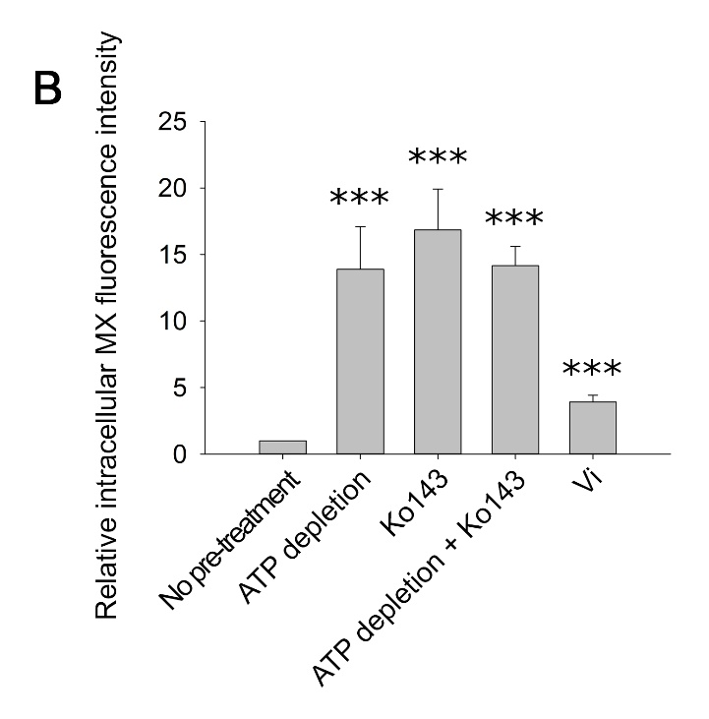
 |  |  | No pre-treatment | ATP depletion | Ko143 | ATP depletion + Ko143 | Vi | No pre-treatment | 29.367 | 2.2230514145 | ATP depletion | 127.2129 | 9.6298844718 | Ko143 | 52.4639 | 3.9714627679 | ATP depletion + Ko143 | 216.438 | 16.384131918 | No pre-treatment | 118.6262 | 1.0565908841 | ATP depletion | 3277.65 | 29.193678219 | Ko143 | 3218.09 | 28.663183665 | ATP_depletion +_Ko143 | 1219.21 | 10.859373155 | No pre-treatment | 307.681 | 0.90547312974 | ATP depletion | 2992.77 | 8.8074103324 | Ko143 | 3088.21 | 9.0882803098 | ATP depletion + Ko143 | 2957.25 | 8.7028786728 | Vanadate | 1853.63 | 5.4550399845 | No pre-treatment | 147.559 | 0.54041260577 | ATP depletion | 3592.25 | 13.156074405 | Ko143 | 2549.58 | 9.3374526218 | Vanadate | 1211.18 | 4.4357642696 | No pre-treatment | 62.8302 | 0.47399872003 | ATP depletion | 3943.71 | 29.751831001 | Ko143 | 1777.88 | 13.412544355 | Vanadate | 373.952 | 2.8211396645
 |  | 2020-01-30 | 1 | 8.2076 | 25.5713 | 15.2049 |  |  | 12.0213 | 0.90999993083 |  | 136.7209 | 10.349630202 |  | 43.7064 | 3.3085291089 |  | 218.961 | 16.575120399 |  | 102.3236 | 0.91138536836 |  | 2884.78 | 25.694427121 |  | 3244.92 | 28.902155607 |  | 1750.82 | 15.594366604 |  | 311.996 | 0.91817172522 |  | 3303.15 | 9.720826338 |  | 2267.08 | 6.6717802626 |  | 4582.37 | 13.485437533 |  | 3130.65 | 9.2131768085 |  | 275.347 | 1.0084169028 |  | 3597.01 | 13.173507187 |  | 2962.11 | 10.848281594 |  | 1520.05 | 5.5669541092 |  | 53.7227 | 0.40529062515 |  | 3173.53 | 23.941498801 |  | 2155.12 | 16.258489094 |  | 243.501 | 1.8370013517
 |  | 2020-02-04 | 1 | 20.4012 | 17.905 | 15.9899 |  |  | 13.4831 | 1.0206566734 |  | 52.0973 | 3.9437115284 |  | 37.9778 | 2.8748800357 |  | 216.763 | 16.408734081 |  | 51.2589 | 0.4565575435 |  | 3125.44 | 27.837960018 |  | 3663.81 | 32.633164064 |  | 1532.36 | 13.648566734 |  | 383.574 | 1.1288183224 |  | 2700.48 | 7.9472313123 |  | 3077.04 | 9.0554081634 |  | 3210.41 | 9.4479021794 |  | 3375.09 | 9.9325382635 |  | 213.476 | 0.781823687 |  | 3768.68 | 13.802222698 |  | 2442.72 | 8.9460939717 |  | 1496.31 | 5.480009936 |  | 77.8315 | 0.58717036358 |  | 2735.65 | 20.638078479 |  | 1998.35 | 15.075797024 |  | 438.283 | 3.3064606035
 |  | 2020-06-26 | 1 | 6.9372 | 9.1159 | 11.2869 | 4.4691 |  | 12.3023 | 0.93127133913 |  | 126.8465 | 9.6021483722 |  | 40.1651 | 3.0404563751 |  | 142.775 | 10.807919287 |  | 81.316 | 0.72427292055 |  | 2394.72 | 21.329515081 |  | 2581.88 | 22.996529196 |  | 1949.3 | 17.362206749 |  | 327.239 | 0.96303028625 |  | 3233.62 | 9.5162067914 |  | 2434.66 | 7.1649507446 |  | 3661.97 | 10.776796217 |  | 649.84 | 1.9124114217 |  | 241.549 | 0.88463681992 |  | 3690.92 | 13.517438414 |  | 2539.37 | 9.3000600351 |  | 1162.48 | 4.2574078569 |  | 167.996 | 1.2673823889 |  | 3461.55 | 26.114356938 |  | 2161.67 | 16.307903096 |  | 453.925 | 3.4244657663
 |  | 2020-07-03 | 1 | 11.323 | 10.8076 |  | 4.3636 |  | 16.8742 | 1.2773594231 |  | 44.0749 | 3.3364241764 |  | 934.22 | 70.719484197 |  | 260.508 | 19.72018517 |  | 212.6979 | 1.8944774611 |  | 2505.08 | 22.312479805 |  | 2982.31 | 26.563116406 |  | 2855.64 | 25.434880255 |  | 306.967 | 0.90337190212 |  | 2653.38 | 7.808620919 |  | 4034.49 | 11.873083769 |  | 3995.83 | 11.759311417 |  | 453.121 | 1.3334878982 |  | 363.443 | 1.33105523 |  | 3444.36 | 12.614449561 |  | 3803.52 | 13.929818949 |  | 947.551 | 3.4702627763 |  | 107.939 | 0.81430502913 |  | 2901.85 | 21.891911624 |  | 2317.92 | 17.486672223 |  | 247.395 | 1.8663781643
 |  | 2020-07-17 | 1 | 22.5892 | 20.7982 |  | 2.9017 |  | 7.74754 | 0.58648073537 |  | 126.3666 | 9.5658204403 |  | 192.69 | 14.586432971 |  | 191.939 | 14.52958305 |  | 217.6164 | 1.9382860149 |  | 2854.15 | 25.421608985 |  | 2665.96 | 23.745420769 |  | 2655.28 | 23.650295151 |  | 366.698 | 1.0791540125 |  | 3015.93 | 8.8755677997 |  | 3710.08 | 10.918378935 |  | 3412.11 | 10.041484267 |  | 3055.11 | 8.990870458 |  | 275.027 | 1.007244951 |  | 3680.29 | 13.47850764 |  | 3665.62 | 13.424780975 |  | 1166.62 | 4.2725699831 |  | 85.9411 | 0.6483501787 |  | 2737.43 | 20.651507017 |  | 2153.24 | 16.244306144 |  | 332.966 | 2.5119362633
 |  |  |  |  |  |  |  |  | 6.23917 | 0.47229869219 |  | 138.6984 | 10.499324899 |  | 352.078 | 26.651939112 |  | 178.878 | 13.540878909 |  | 113.1288 | 1.0076261298 |  | 2216.32 | 19.740525349 |  | 3173.6 | 28.26691599 |  | 2316.88 | 20.636202521 |  | 307.658 | 0.90540544313 |  | 2864.72 | 8.4305725223 |  | 3964.76 | 11.667875643 |  | 2994.03 | 8.8111183812 |  | 682.045 | 2.0071873816 |  | 369.528 | 1.3533406257 |  | 3410.53 | 12.490552283 |  | 3820.02 | 13.990247713 |  | 1082.42 | 3.964200169 |  | 94.2569 | 0.71108559186 |  | 3408.19 | 25.711802566 |  | 2111.22 | 15.927302121 |  | 333.74 | 2.5177754141
 | Average |  | 1 | 13.89164 | 16.8396 | 14.160566667 | 3.9114666667 |  | 11.3097 | 0.85613254954 |  | 132.4619 | 10.027228323 |  | 382.003 | 28.917230547 |  | 204.677 | 15.493836427 |  | 130.5992 | 1.1632331153 |  | 2451.32 | 21.833645231 |  | 2665.16 | 23.738295255 |  | 2199.57 | 19.591334889 |  | 342.156 | 1.0069294632 |  | 1396.88 | 4.1108723173 |  | 3220.51 | 9.4776254272 |  | 3725.78 | 10.9645824 |  | 3018.31 | 8.8825718917 |  | 183.889 | 0.67346575717 |  | 3525.79 | 12.912674668 |  | 3538.76 | 12.960175339 |  | 920.418 | 3.3708922518 |  | 293.444 | 2.2137774573 |  | 3052.9 | 23.031451314 |  | 2312.75 | 17.44766911 |  | 264.769 | 1.9974497471
 | SD |  | 0 | 7.1640138755 | 6.8754771053 | 2.5194297635 | 0.87607311529 |  | 8.78772 | 0.66522128157 |  | 147.3744 | 11.156089092 |  | 180.93 | 13.696213179 |  | 114.961 | 8.7024283604 |  | 110.3256 | 0.98265832706 |  | 2938.61 | 26.173885177 |  | 2547.53 | 22.690577418 |  | 3222.49 | 28.702373995 |  | 312.509 | 0.91968143077 |  | 1711.07 | 5.035500756 |  | 2321.95 | 6.8332569564 |  | 3910.33 | 11.507693824 |  | 3346.75 | 9.8491365959 |  | 296.825 | 1.0870768419 |  | 3228.45 | 11.823711716 |  | 3285.16 | 12.031403547 |  | 1199.71 | 4.3937571227 |  | 216.013 | 1.6296285148 |  | 3489.91 | 26.32830825 |  | 2913.5 | 21.97980065 |  | 558.732 | 4.215142604
 |  |  |  |  |  |  |  |  | 20.4717 | 1.5496864386 |  | 114.8224 | 8.6919364842 |  | 430.219 | 32.567131695 |  | 246.353 | 18.648666364 |  | 81.278 | 0.72393445861 |  | 2440.21 | 21.734689649 |  | 742.746 | 6.6155592337 |  | 2397.59 | 21.355077864 |  | 263.042 | 0.77410520309 |  | 1817.37 | 5.348330582 |  | 2982.42 | 8.7769513606 |  | 4005.04 | 11.786415487 |  | 3139.25 | 9.2384857126 |  | 314.602 | 1.152182426 |  | 3321.66 | 12.165079298 |  | 3884.06 | 14.224784565 |  | 928.347 | 3.3999310197 |  | 37.3259 | 0.28159115877 |  | 3405.85 | 25.69414932 |  | 2524.99 | 19.048833651 |  | 339.099 | 2.5582043661
 |  |  |  |  |  |  |  |  | 13.0457 | 0.98754594741 |  | 139.9946 | 10.597445893 |  | 379.349 | 28.716325502 |  | 207.939 | 15.740766441 |  | 59.60871 | 0.5309284087 |  | 3257.86 | 29.017410804 |  | 1958.95 | 17.448158268 |  | 1665.33 | 14.832916311 |  | 295.232 | 0.86883701964 |  | 1479.29 | 4.3533963621 |  | 3349.07 | 9.8559641142 |  | 3771.59 | 11.099396457 |  | 3125.93 | 9.1992863402 |  | 204.556 | 0.74915553091 |  | 3061.15 | 11.211000672 |  | 4041.33 | 14.800762245 |  | 898.422 | 3.2903352158 |  | 63.1349 | 0.47629741413 |  | 2969.51 | 22.402346946 |  | 2246.39 | 16.947041147 |  | 227.976 | 1.7198788512
 |  |  |  |  |  |  |  |  | 10.2177 | 0.77346928313 |  | 108.4426 | 8.208992247 |  | 254.365 | 19.255166447 |  | 169.576 | 12.836727165 |  | 112.489 | 1.0019274996 |  | 1920.93 | 17.109518192 |  | 1959.36 | 17.451810094 |  | 2178.18 | 19.400816446 |  | 301.953 | 0.88861622246 |  | 1503.1 | 4.4234667117 |  | 2441.54 | 7.1851978679 |  | 3815.28 | 11.227971576 |  | 636.678 | 1.8736770268 |  | 236.294 | 0.86539117416 |  | 2486.29 | 9.1056625323 |  | 3949.24 | 14.463496494 |  | 1088.42 | 3.986174265 |  | 232.337 | 1.752778769 |  | 3352.69 | 25.293103772 |  | 2602.99 | 19.6372752 |  | 229.549 | 1.7317457558
 |  |  |  |  |  |  |  |  | 10.3659 | 0.78468786928 |  | 118.9073 | 9.0011591738 |  | 395.637 | 29.949310194 |  | 204.831 | 15.505494067 |  | 69.17372 | 0.61612293042 |  | 1822.36 | 16.231565737 |  | 2027.53 | 18.058992998 |  | 2253.89 | 20.075157323 |  | 283.938 | 0.83559995421 |  | 1672.78 | 4.9228172749 |  | 3591.04 | 10.568056616 |  | 3504.76 | 10.314143565 |  | 684.744 | 2.0151302575 |  | 274.044 | 1.0036448616 |  | 3571.27 | 13.079238316 |  | 2398.06 | 8.7825334503 |  | 1069.71 | 3.9176517089 |  | 333.019 | 2.5123361018 |  | 3610.73 | 27.23978912 |  | 2302.55 | 17.370719062 |  | 220.964 | 1.6669794648
 |  |  |  |  |  |  |  |  | 15.4654 | 1.1707147256 |  | 117.8338 | 8.9198963381 |  | 208.3 | 15.768093766 |  | 284.062 | 21.503198519 |  | 115.3219 | 1.0271598371 |  | 1413.82 | 12.592743624 |  | 2653.75 | 23.636667604 |  | 2718.07 | 24.20955897 |  | 259.977 | 0.76508522739 |  | 1584.87 | 4.6641073031 |  | 3348.48 | 9.8542278056 |  | 3835.06 | 11.286182055 |  | 703.281 | 2.0696827173 |  | 282.127 | 1.0332476313 |  | 2268.82 | 8.309211422 |  | 2489.17 | 9.1162100984 |  | 931.513 | 3.4115260177 |  | 135.808 | 1.0245521767 |  | 2745.43 | 20.711859996 |  | 2671.04 | 20.15065273 |  | 278.609 | 2.1018604013
 |  |  |  |  |  |  |  |  | 10.8823 | 0.82377881321 |  | 124.9888 | 9.4615224106 |  | 325.74 | 24.658179853 |  | 210.079 | 15.902762219 |  | 110.8945 | 0.98772545856 |  | 2494.81 | 22.221006013 |  | 1518.2 | 13.522445127 |  | 1020.7 | 9.0912658026 |  | 275.383 | 0.81042348045 |  | 3102.31 | 9.1297751409 |  | 2275.51 | 6.6965888744 |  | 2791.35 | 8.2146522557 |  | 884.49 | 2.6029619265 |  | 419.198 | 1.5352495172 |  | 2414.93 | 8.8443172836 |  | 2685.78 | 9.8362646014 |  | 2039.15 | 7.4680796499 |  | 388.071 | 2.9276551289 |  | 3654.65 | 27.571126976 |  | 3114.59 | 23.496848226 |  | 201.11 | 1.5171984585
 |  |  |  |  |  |  |  |  | 19.8209 | 1.5004215542 |  | 124.9507 | 9.4586382802 |  | 372.859 | 28.22503924 |  | 171.561 | 12.986989605 |  | 90.5907 | 0.80688168213 |  | 3813.19 | 33.963675758 |  | 2272.41 | 20.240112984 |  | 1046.52 | 9.3212417829 |  | 256.5 | 0.75485277862 |  | 3140.6 | 9.2424586219 |  | 2958.35 | 8.7061158582 |  | 4130.25 | 12.154895473 |  | 660.752 | 1.9445243009 |  | 373.917 | 1.3694146769 |  | 3783.12 | 13.855107023 |  | 2742.57 | 10.04424942 |  | 1850.18 | 6.7760054957 |  | 123.608 | 0.93251388321 |  | 3073.6 | 23.187614648 |  | 3463.19 | 26.126729299 |  | 275.348 | 2.0772590181
 |  |  |  |  |  |  |  |  | 14.3202 | 1.0840242744 |  | 98.9024 | 7.4868090106 |  | 219.28 | 16.599268368 |  | 150.149 | 11.366123432 |  | 112.101 | 0.9984716251 |  | 2119.82 | 18.881010163 |  | 1876.14 | 16.710578449 |  | 1728.76 | 15.397880542 |  | 294.473 | 0.86660336171 |  | 2317.06 | 6.8188661958 |  | 3469.35 | 10.209935624 |  | 3487.74 | 10.264055478 |  | 667.785 | 1.9652216872 |  | 374.171 | 1.3703449137 |  | 3033.07 | 11.108161903 |  | 2223.07 | 8.1416589399 |  | 594.605 | 2.1776512273 |  | 79.3319 | 0.59848956485 |  | 3163.38 | 23.864925958 |  | 2566.84 | 19.364555174 |  | 208.048 | 1.5695395798
 |  |  |  |  |  |  |  |  | 15.7326 | 1.1909414882 |  | 118.6905 | 8.9847476388 |  | 101.11 | 7.6539220389 |  | 213.283 | 16.145301693 |  | 212.4589 | 1.8923487137 |  | 1967.38 | 17.523243377 |  | 1594.88 | 14.205425691 |  | 1793.41 | 15.973711182 |  | 362.869 | 1.0678856644 |  | 2829.23 | 8.3261291495 |  | 2759.55 | 8.1210681686 |  | 3879.09 | 11.415757758 |  | 888.528 | 2.6148453399 |  | 251.707 | 0.92183896449 |  | 3909.31 | 14.317258885 |  | 2704.16 | 9.9035785823 |  | 807.835 | 2.9585739764 |  | 72.6756 | 0.54827362283 |  | 2995.78 | 22.600531042 |  | 3172.27 | 23.931993207 |  | 534.062 | 4.0290291041
 |  |  |  |  |  |  |  |  | 20.3614 | 1.5413368431 |  | 132.5332 | 10.032625659 |  | 403.044 | 30.510012405 |  | 250.159 | 18.936776613 |  | 51.2975 | 0.45690134957 |  | 1919.06 | 17.092862302 |  | 3055.6 | 27.215902603 |  | 2219.89 | 19.772322957 |  | 208.056 | 0.61228713337 |  | 2251.89 | 6.627077675 |  | 3060.44 | 9.0065560928 |  | 4075.55 | 11.993919072 |  | 726.72 | 2.1386612525 |  | 355.538 | 1.3021043585 |  | 3835.33 | 14.046318281 |  | 2552.51 | 9.3481833053 |  | 822.629 | 3.0127547725 |  | 205.594 | 1.5510263034 |  | 2983.52 | 22.508040101 |  | 2378.43 | 17.94316707 |  | 386.524 | 2.9159843715
 |  |  |  |  |  |  |  |  | 24.5462 | 1.8581218589 |  | 117.5684 | 8.8998058336 |  | 351.11 | 26.578662517 |  | 169.161 | 12.805312096 |  | 110.0066 | 0.97981702816 |  | 1185.46 | 10.558765512 |  | 3190.04 | 28.413345313 |  | 1927.21 | 17.16545348 |  | 326.051 | 0.95953412601 |  | 2585.11 | 7.6077094212 |  | 2921.29 | 8.597052139 |  | 4210.99 | 12.392504882 |  | 1437.02 | 4.2290001557 |  | 322.188 | 1.1799650081 |  | 3062.29 | 11.21517575 |  | 2499.96 | 9.1557268477 |  | 852.145 | 3.1208526755 |  | 77.0687 | 0.581415707 |  | 3105.2 | 23.426008917 |  | 3427.79 | 25.859667366 |  | 627.289 | 4.7323450043
 |  |  |  |  |  |  |  |  | 47.1311 | 3.5677753438 |  | 41.3258 | 3.1283201602 |  | 263.71 | 19.962573246 |  | 248.051 | 18.777203201 |  | 112.484 | 1.0018829652 |  | 1587.6 | 14.14058351 |  | 3605.07 | 32.109973163 |  | 1859.5 | 16.562367748 |  | 299.121 | 0.88028194149 |  | 2376.9 | 6.9949690819 |  | 3236.53 | 9.5247706182 |  | 3973.27 | 11.692919687 |  | 1340.02 | 3.9435392608 |  | 296.879 | 1.0872746087 |  | 2850.1 | 10.438061844 |  | 3265.87 | 11.960756828 |  | 1177.63 | 4.3128924493 |  | 217.403 | 1.6401148449 |  | 2796.89 | 21.100080535 |  | 3570.36 | 26.935232898 |  | 657.018 | 4.9566242195
 |  |  |  |  |  |  |  |  | 13.2408 | 1.0023148149 |  | 94.3156 | 7.1395930121 |  | 408.45 | 30.919240993 |  | 177.341 | 13.424529604 |  | 120.3544 | 1.0719837767 |  | 1301.37 | 11.591163493 |  | 1366 | 12.166815995 |  | 990.988 | 8.8266241944 |  | 342.066 | 1.0066646026 |  | 2126.95 | 6.2593922709 |  | 3458.32 | 10.177475483 |  | 3598.16 | 10.589010035 |  | 1710.33 | 5.0333230131 |  | 344.294 | 1.2609249025 |  | 3153.67 | 11.549841233 |  | 2383.47 | 8.7290997735 |  | 1354.68 | 4.9613113994 |  | 94.9911 | 0.71662448654 |  | 3092.97 | 23.333744299 |  | 2019.33 | 15.234072712 |  | 423.37 | 3.1939551059
 |  |  |  |  |  |  |  |  | 10.6959 | 0.80966852671 |  | 72.2844 | 5.4718540424 |  | 414.91 | 31.408256287 |  | 229.394 | 17.364887669 |  | 112.8947 | 1.0055410262 |  | 1623.98 | 14.464616281 |  | 1841.62 | 16.403112499 |  | 997.134 | 8.8813659595 |  | 316.707 | 0.93203570744 |  | 2172.33 | 6.3929408833 |  | 3813.32 | 11.2222035 |  | 3799.05 | 11.180208377 |  | 1991.88 | 5.8618953321 |  | 265.521 | 0.97243065822 |  | 2941.06 | 10.77118914 |  | 3037.35 | 11.123836758 |  | 1519.9 | 5.5664047568 |  | 190.395 | 1.4363631868 |  | 3007.23 | 22.686911244 |  | 3513.18 | 26.503859979 |  | 530.55 | 4.0025341462
 |  |  |  |  |  |  |  |  | 8.04526 | 0.60901783031 |  | 76.3388 | 5.7787679136 |  | 585.56 | 44.326284137 |  | 204.016 | 15.443799413 |  | 71.3801 | 0.63577492125 |  | 1384.22 | 12.329099588 |  | 1499.74 | 13.358023881 |  | 1112.15 | 9.905801178 |  | 392.728 | 1.1557575908 |  | 2265.44 | 6.6669539134 |  | 3295.18 | 9.6973714583 |  | 4012.82 | 11.809311217 |  | 758.018 | 2.230768006 |  | 242.627 | 0.88858483251 |  | 2663.7 | 9.7553999281 |  | 2484.13 | 9.0977518577 |  | 1626.82 | 5.9579831479 |  | 139.936 | 1.055694314 |  | 2818.84 | 21.265674022 |  | 3077.44 | 23.216584078 |  | 480.507 | 3.6250036283
 |  |  |  |  |  |  |  |  | 10.1378 | 0.76742093607 |  | 57.3033 | 4.3378003241 |  | 295.33 | 22.356174421 |  | 294.653 | 22.304926224 |  | 55.0154 | 0.49001628749 |  | 1655.96 | 14.749458723 |  | 896.848 | 7.9881292765 |  | 1970.47 | 17.550765677 |  | 246.736 | 0.7261183438 |  | 2476.03 | 7.2866983448 |  | 3238.85 | 9.5315981366 |  | 4301.49 | 12.658836954 |  | 738.083 | 2.1721013778 |  | 313.693 | 1.1488533505 |  | 2869.32 | 10.508452199 |  | 2632.56 | 9.6413543697 |  | 1331.96 | 4.8781028225 |  | 73.9291 | 0.55773018027 |  | 2782.96 | 20.99499091 |  | 2359.02 | 17.796735654 |  | 368.658 | 2.7812010805
 |  |  |  |  |  |  |  |  | 8.55572 | 0.64765912241 |  | 98.64 | 7.466945603 |  | 357.053 | 27.028541448 |  | 276.298 | 20.915471778 |  | 60.2947 | 0.53703844831 |  | 1327.57 | 11.824524093 |  | 886.937 | 7.8998530589 |  | 2439.99 | 21.732730132 |  | 297.848 | 0.87653563511 |  | 2344.38 | 6.8992661097 |  | 3435.27 | 10.109641734 |  | 3903.57 | 11.487799848 |  | 1571.13 | 4.6236719145 |  | 317.882 | 1.1641949318 |  | 2176.24 | 7.9701511204 |  | 2794.11 | 10.233006905 |  | 1348.29 | 4.9379089871 |  | 119.633 | 0.90252599662 |  | 3285.29 | 24.784629922 |  | 3408.17 | 25.711651684 |  | 461.624 | 3.4825479647
 |  |  |  |  |  |  |  |  | 11.4427 | 0.86620051147 |  | 80.631 | 6.1036829979 |  | 436.191 | 33.019205895 |  | 209.45 | 15.855147572 |  | 78.92826 | 0.70300557558 |  | 1397.2 | 12.44471106 |  | 1638.08 | 14.590203474 |  | 3197.75 | 28.482017459 |  | 271.699 | 0.79958185223 |  | 2517.02 | 7.4073276446 |  | 3316.41 | 9.7598491366 |  | 3860.42 | 11.360813893 |  | 2228.18 | 6.5573016151 |  | 387.004 | 1.4173438427 |  | 3063.48 | 11.219533946 |  | 2846.78 | 10.425902845 |  | 653.694 | 2.3940557873 |  | 90.3807 | 0.68184306456 |  | 3071.45 | 23.171394785 |  | 2370.13 | 17.880550854 |  | 485.563 | 3.6631467112
 |  |  |  |  |  |  |  |  | 14.1435 | 1.0706482678 |  | 62.3627 | 4.720791652 |  | 258.285 | 19.551906377 |  | 96.1158 | 7.2758662833 |  | 99.12693 | 0.88291297034 |  | 586.68 | 5.2254960528 |  | 1713.96 | 15.266058524 |  | 2912.55 | 25.941771543 |  | 363.52 | 1.0698014896 |  | 1856.65 | 5.4639275299 |  | 2842.66 | 8.3656522404 |  | 3669.34 | 10.798485359 |  | 525.535 | 1.5465947564 |  | 260.322 | 0.95339010402 |  | 3010.28 | 11.024696961 |  | 3051.22 | 11.174633543 |  | 1528.81 | 5.5990362894 |  | 89.89 | 0.67814116369 |  | 3184.14 | 24.02154194 |  | 2171.37 | 16.381081084 |  | 457.072 | 3.4482071195
 |  |  |  |  |  |  |  |  | 9.18185 | 0.69505651343 |  | 111.1846 | 8.4165588006 |  | 313.954 | 23.765991888 |  | 214.413 | 16.23084152 |  | 116.1976 | 1.0349596034 |  | 2565.09 | 22.846982461 |  | 2375.08 | 21.1545837 |  | 3088.03 | 27.504753146 |  | 260.78 | 0.76744837274 |  | 2685.75 | 7.9038824568 |  | 2944.36 | 8.6649447456 |  | 4094.26 | 12.048980653 |  | 511.616 | 1.5056325894 |  | 270.457 | 0.99050801455 |  | 2337.35 | 8.5601922221 |  | 2983.49 | 10.926582622 |  | 850.185 | 3.1136744708 |  | 78.1089 | 0.58926310314 |  | 2473.25 | 18.658500758 |  | 2011.43 | 15.174474145 |  | 271.693 | 2.0496852507
 |  |  |  |  |  |  |  |  | 9.35183 | 0.70792382298 |  | 97.50402 | 7.3809530962 |  | 122.91 | 9.3041594086 |  | 238.213 | 18.032476814 |  | 99.61526 | 0.88726247346 |  | 2918.62 | 25.995836384 |  | 2065.87 | 18.40048328 |  | 3309.75 | 29.479589488 |  | 256.668 | 0.75534718512 |  | 2551.92 | 7.5100347088 |  | 2992.81 | 8.8075280482 |  | 4475.03 | 13.169547095 |  | 952.193 | 2.8022048025 |  | 198.976 | 0.72871962161 |  | 3097.54 | 11.344273564 |  | 3554.81 | 13.018956045 |  | 1218.66 | 4.4631586426 |  | 111.558 | 0.84160720814 |  | 2907.59 | 21.935214886 |  | 3753.94 | 28.320182891 |  | 355.827 | 2.6844024458
 |  |  |  |  |  |  |  |  | 7.22294 | 0.54676905995 |  | 117.71989 | 8.9112734694 |  | 475.678 | 36.008330804 |  | 264.382 | 20.013442948 |  | 112.0878 | 0.99835405411 |  | 3153.58 | 28.08859999 |  | 2208.91 | 19.674525271 |  | 2171.21 | 19.338735401 |  | 444.201 | 1.3072372675 |  | 1979.45 | 5.825315137 |  | 2887.47 | 8.4975234022 |  | 3913.44 | 11.51684623 |  | 769.522 | 2.2646230796 |  | 264.234 | 0.96771721463 |  | 2785.81 | 10.202609406 |  | 3164.91 | 11.591006039 |  | 1240.66 | 4.543730328 |  | 132.734 | 1.0013615444 |  | 3110.62 | 23.46689806 |  | 2186.39 | 16.494393802 |  | 775.162 | 5.8479170178
 |  |  |  |  |  |  |  |  | 12.7689 | 0.96659247476 |  | 88.36069 | 6.6888125068 |  | 482.182 | 36.500676853 |  | 250.558 | 18.966980499 |  | 31.1562 | 0.27750494327 |  | 1377 | 12.26479182 |  | 2325.49 | 20.71289087 |  | 1577.66 | 14.052048992 |  | 496.612 | 1.4614773805 |  | 2632.91 | 7.7483798415 |  | 3232.4 | 9.5126164585 |  | 3792.31 | 11.160373259 |  | 925.546 | 2.7237854575 |  | 204.231 | 0.74796526738 |  | 2809.28 | 10.288564745 |  | 2999.69 | 10.985912682 |  | 1008.05 | 3.6918312488 |  | 124.361 | 0.93819460739 |  | 2751.23 | 20.755615906 |  | 3982.5 | 30.044467509 |  | 305.823 | 2.3071661487
 |  |  |  |  |  |  |  |  | 7.75894 | 0.58734370354 |  | 75.82728 | 5.7400463806 |  | 189.5 | 14.344953282 |  | 214.331 | 16.224634206 |  | 111.075 | 0.98933315277 |  | 2014.54 | 17.943292456 |  | 1979.51 | 17.63128399 |  | 1458.75 | 12.992930332 |  | 496.656 | 1.4616068679 |  | 2406.76 | 7.0828439511 |  | 2499.93 | 7.357033555 |  | 3695.82 | 10.876413241 |  | 2559.58 | 7.5325772908 |  | 282.112 | 1.0331926961 |  | 2979.05 | 10.910321791 |  | 2733.42 | 10.010738924 |  | 1920.94 | 7.0351533348 |  | 125.667 | 0.94804723126 |  | 2687.72 | 20.276488692 |  | 2077.1 | 15.669896664 |  | 247.017 | 1.8635264861
 |  |  |  |  |  |  |  |  | 10.1416 | 0.76770859213 |  | 125.769 | 9.5205827407 |  | 137.1 | 10.378327678 |  | 204.609 | 15.488688898 |  | 94.4459 | 0.84121953646 |  | 1715.28 | 15.277815623 |  | 1151.6 | 10.257178111 |  | 1434.75 | 12.779164897 |  | 495.099 | 1.4570247791 |  | 2969.99 | 8.7403711656 |  | 2614.29 | 7.6935831213 |  | 4072.25 | 11.984207516 |  | 649.242 | 1.91065157 |  | 189.736 | 0.69487951374 |  | 3081.21 | 11.2844674 |  | 2670.75 | 9.7812194909 |  | 1024.17 | 3.7508683201 |  | 54.1382 | 0.40842520801 |  | 3079.91 | 23.235218061 |  | 3880.69 | 29.276400406 |  | 495.439 | 3.7376524641
 |  |  |  |  |  |  |  |  | 20.0182 | 1.5153569593 |  | 131.624 | 9.9638001627 |  | 215.929 | 16.345601147 |  | 203.224 | 15.383845836 |  | 86.2836 | 0.76851880279 |  | 1622.13 | 14.448138529 |  | 1058.14 | 9.4247398809 |  | 1339.14 | 11.927576846 |  | 491.933 | 1.4477075709 |  | 1816.5 | 5.3457702626 |  | 3099.45 | 9.1213584588 |  | 3936.68 | 11.585239129 |  | 2325.98 | 6.8451168266 |  | 232.502 | 0.85150354547 |  | 3364.6 | 12.322340578 |  | 2578.97 | 9.4450890688 |  | 894.874 | 3.2773412003 |  | 78.9332 | 0.59548172324 |  | 2270.46 | 17.128628174 |  | 3414.37 | 25.758425243 |  | 450.199 | 3.3963563662
 |  |  |  |  |  |  |  |  | 12.5175 | 0.94756175573 |  | 64.8125 | 4.9062389689 |  | 380.633 | 28.813522969 |  | 141.095 | 10.680745031 |  | 84.2873 | 0.75073797206 |  | 1795.16 | 15.989298245 |  | 1004.52 | 8.947152272 |  | 1662.72 | 14.80966932 |  | 446.838 | 1.3149976838 |  | 1950.16 | 5.7391177183 |  | 2971.62 | 8.7451680858 |  | 3837.38 | 11.293009574 |  | 3061.07 | 9.0084101171 |  | 172.75 | 0.63267084791 |  | 2849.11 | 10.434436119 |  | 2906.35 | 10.644068995 |  | 1044.48 | 3.8252506352 |  | 137.141 | 1.0346084918 |  | 2416.38 | 18.229466516 |  | 3719.78 | 28.062475669 |  | 469.396 | 3.5411808841
 |  |  |  |  |  |  |  |  | 12.0757 | 0.91411795436 |  | 136.429 | 10.327533675 |  | 320.807 | 24.284756874 |  | 167.921 | 12.711445383 |  | 66.5834 | 0.59305122704 |  | 1675.22 | 14.921005484 |  | 1727.57 | 15.387281339 |  | 1843.65 | 16.421193492 |  | 432.678 | 1.2733262789 |  | 1997.78 | 5.8792584174 |  | 3210.26 | 9.447460745 |  | 4351.17 | 12.805040018 |  | 2404.92 | 7.0774290228 |  | 139.06 | 0.50928629876 |  | 2387.86 | 8.7451774871 |  | 2729.07 | 9.9948077042 |  | 1253.18 | 4.5895829417 |  | 266.105 | 2.0075286947 |  | 2640.72 | 19.921914938 |  | 3329.27 | 25.116420426 |  | 323.187 | 2.4381622903
 |  |  |  |  |  |  |  |  | 18.1135 | 1.3711731466 |  | 138.9458 | 10.518052822 |  | 244.788 | 18.530197488 |  | 177.099 | 13.406210456 |  | 215.0285 | 1.9152358662 |  | 1996.25 | 17.780385381 |  | 1450.59 | 12.920250084 |  | 1635.29 | 14.565353242 |  | 417.191 | 1.2277496513 |  | 2293.38 | 6.7491784227 |  | 3184.07 | 9.3703863034 |  | 4409.75 | 12.977434856 |  | 634.552 | 1.8674204303 |  | 233.664 | 0.8557591954 |  | 2732.83 | 10.008578138 |  | 2690.73 | 9.8543932307 |  | 1047.97 | 3.8380322344 |  | 104.614 | 0.7892208221 |  | 3012.76 | 22.728630241 |  | 3575.33 | 26.972727186 |  | 385.405 | 2.9075424985
...
panel C: Relative plasmamembrane GFP fluorescence intensity

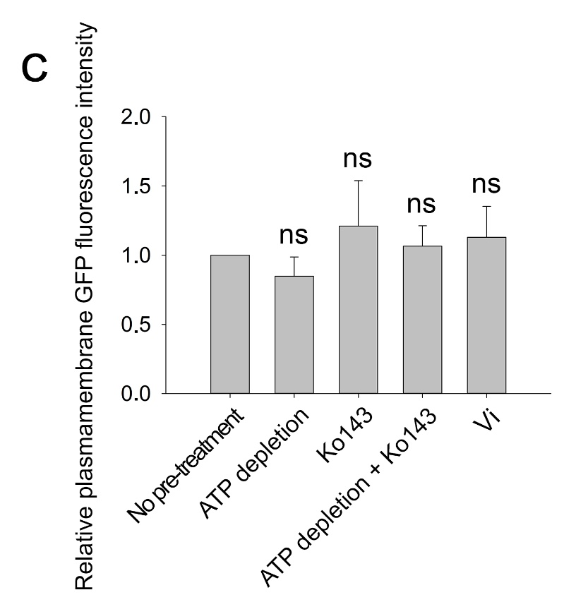
 |  |  | No pre-treatment | ATP depletion | Ko143 | ATP depletion + Ko143
 |  | 2020-01-30 | 1 | 0.953 | 1.4007 | 1.0348
 |  | 2020-02-04 | 1 | 0.6317 | 0.646 | 0.9349
 |  | 2020-06-26 | 1 | 0.954 | 1.3781 | 1.225
 |  | 2020-07-03 | 1 | 0.915 | 1.4302
 |  | 2020-07-17 | 1 | 0.7859 | 1.1931
...
 | Average |  | 1 | 0.84792 | 1.20962 | 1.0649
 | SD |  | 0 | 0.1390971495 | 0.32844064456 | 0.14737370865
...
panel D: Pearson's correlation coeffitient

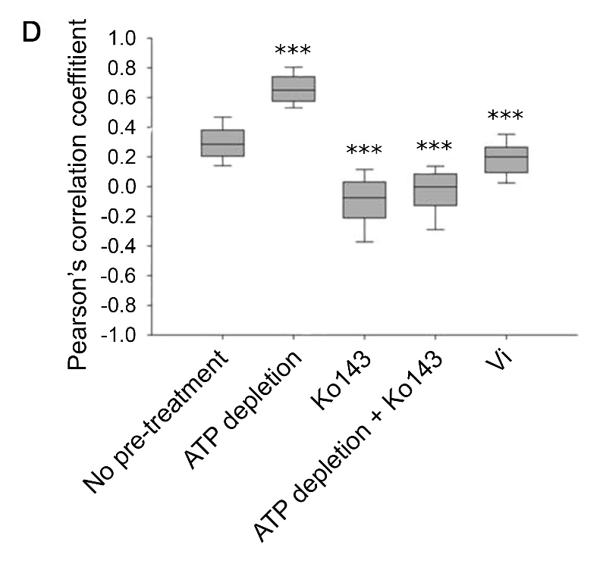
 |  | No pre-treatment | ATP depletion | Ko143 | ATP depletion + Ko143 | Vi
 |  | 0.6803 | 0.7915 | 0.0232 | -0.1252 | 0.0138
 |  | 0.3455 | 0.7653 | -0.1642 | 0.0798 | 0.0888
 |  | 0.2481 | 0.7865 | -0.053 | -0.3739 | 0.016
 |  | 0.1086 | 0.5975 | -0.0939 | -0.2071 | 0.139
 |  | 0.2686 | 0.5647 | 0.179 | 0.1033 | 0.1327
 |  | 0.6871 | 0.5312 | -0.3568 | -0.3667 | 0.3378
 |  | 0.5198 | 0.7011 | 0.1255 | 0.0341 | 0.2298
 |  | 0.1236 | 0.5517 | -0.3736 | 0.0207 | 0.1131
 |  | 0.6607 | 0.7615 | -0.0249 | -0.1275 | 0.0891
 |  | 0.3962 | 0.6133 | 0.1161 | -0.1212 | 0.1779
 |  | 0.3648 | 0.6975 | -0.1031 | -0.0869 | 0.4077
 |  | 0.3744 | 0.5379 | -0.1196 | -0.077 | 0.1955
 |  | 0.243 | 0.6653 | 0.0119 | -0.1303 | 0.4025
 |  | 0.2765 | 0.6548 | 0.0824 | 0.1302 | 0.0722
 |  | 0.4154 | 0.7105 | 0.1842 | 0.186 | 0.3343
 |  | 0.2139 | 0.6554 | -0.1503 | 0.12 | 0.3615
 |  | 0.6683 | 0.7114 | -0.1163 | -0.055 | 0.3918
 |  | 0.4824 | 0.5213 | -0.0627 | 0.0936 | 0.4401
 |  | 0.4235 | 0.6529 | 0.1576 | 0.0776 | 0.3548
 |  | 0.2046 | 0.5931 | 0.02 | 0.1032 | 0.2642
 |  | 0.2287 | 0.7009 | 0.1169 | -0.1123 | 0.0249
 |  | 0.3484 | 0.6552 | 0.1935 | -0.1566 | 0.3494
 |  | 0.2713 | 0.6633 | 0.0208 | -0.0887 | 0.4333
 |  | 0.2533 | 0.5005 | 0.1078 | 0.1885 | 0.0458
 |  | 0.4691 | 0.6624 | -0.0778 | 0.0427 | 0.3326
 |  | 0.259 | 0.5751 | -0.3571 | 0.1214 | 0.2362
...

