Figure 7
Figure 7
panel B: D values (µm2/s) |  | No pre-treatment | No pre-treatment | Ko143 | ATP depletion
 |  | 0.178 | 10.0927 | 3.1716 | 0.0573
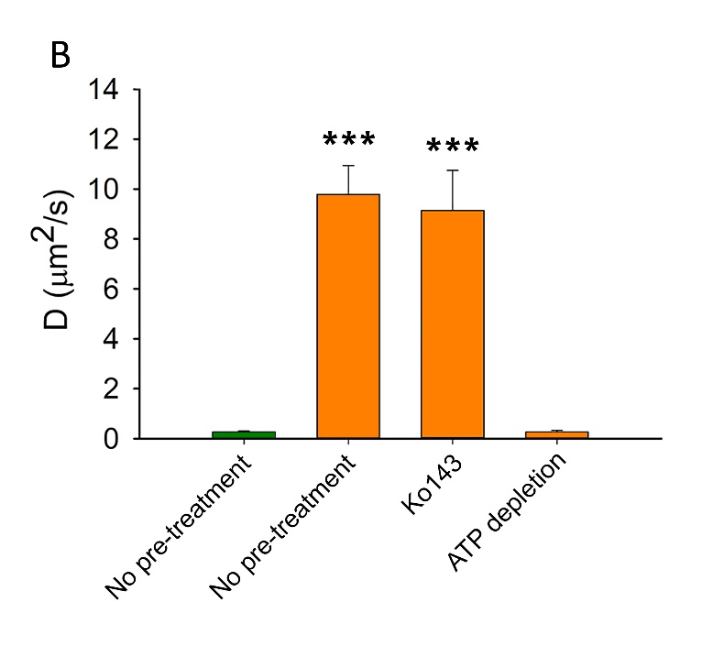
 |  | 0.3039 | 9.3461 | 8.6182 | 0.0576
 |  | 0.7218 | 11.8592 | 7.8917 | 0.3085
 |  | 0.3588 | 16.1274 | 11.2959 | 0.5325
 |  | 0.6368 | 9.6438 | 13.7294 | 0.0819
 |  | 0.3057 | 14.227 | 16.0102 | 0.1244
 |  | 0.2238 | 10.8812 | 6.1271 | 0.079
 |  | 0.0997 | 17.8569 | 2.4427 | 0.144
 |  | 0.2646 | 4.7421 | 5.5535 | 0.2298
 |  | 0.1729 | 10.1338 | 16.5916 | 0.7927
 |  | 0.1469 | 15.7483 |  | 0.1592
 |  | 0.1249 | 5.5507 |  | 0.6839
 |  | 0.1347 | 3.2809 |  | 0.2328
 |  | 0.142 | 7.8468 |  | 0.3614
 |  | 0.2254 | 6.6746 |  | 0.2076
 |  | 0.3751 | 2.6544
 |  | 0.4676
 |  | 0.1254
 |  | 0.1494
 |  | 0.0948
 |  | 0.5278
 |  | 0.1215
 | Average | 0.26825 | 9.79161875 | 9.14319 | 0.27017333333
 | SD | 0.17936470362 | 4.5938089226 | 5.0846510713 | 0.23017599002

