L
Supplementary file 1L. Association of genetically-predicted smoking initiation (excluding 23andMe and UK Biobank) with 24 gastrointestinal diseases

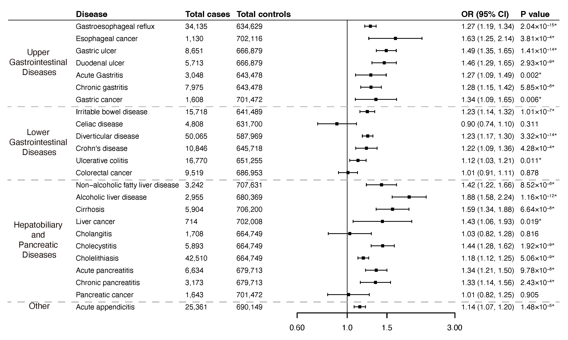

* Significant association after multiple testing

M
Supplementary file 1M. Associations of genetically-predicted lifetime smoking with 24 gastrointestinal diseases

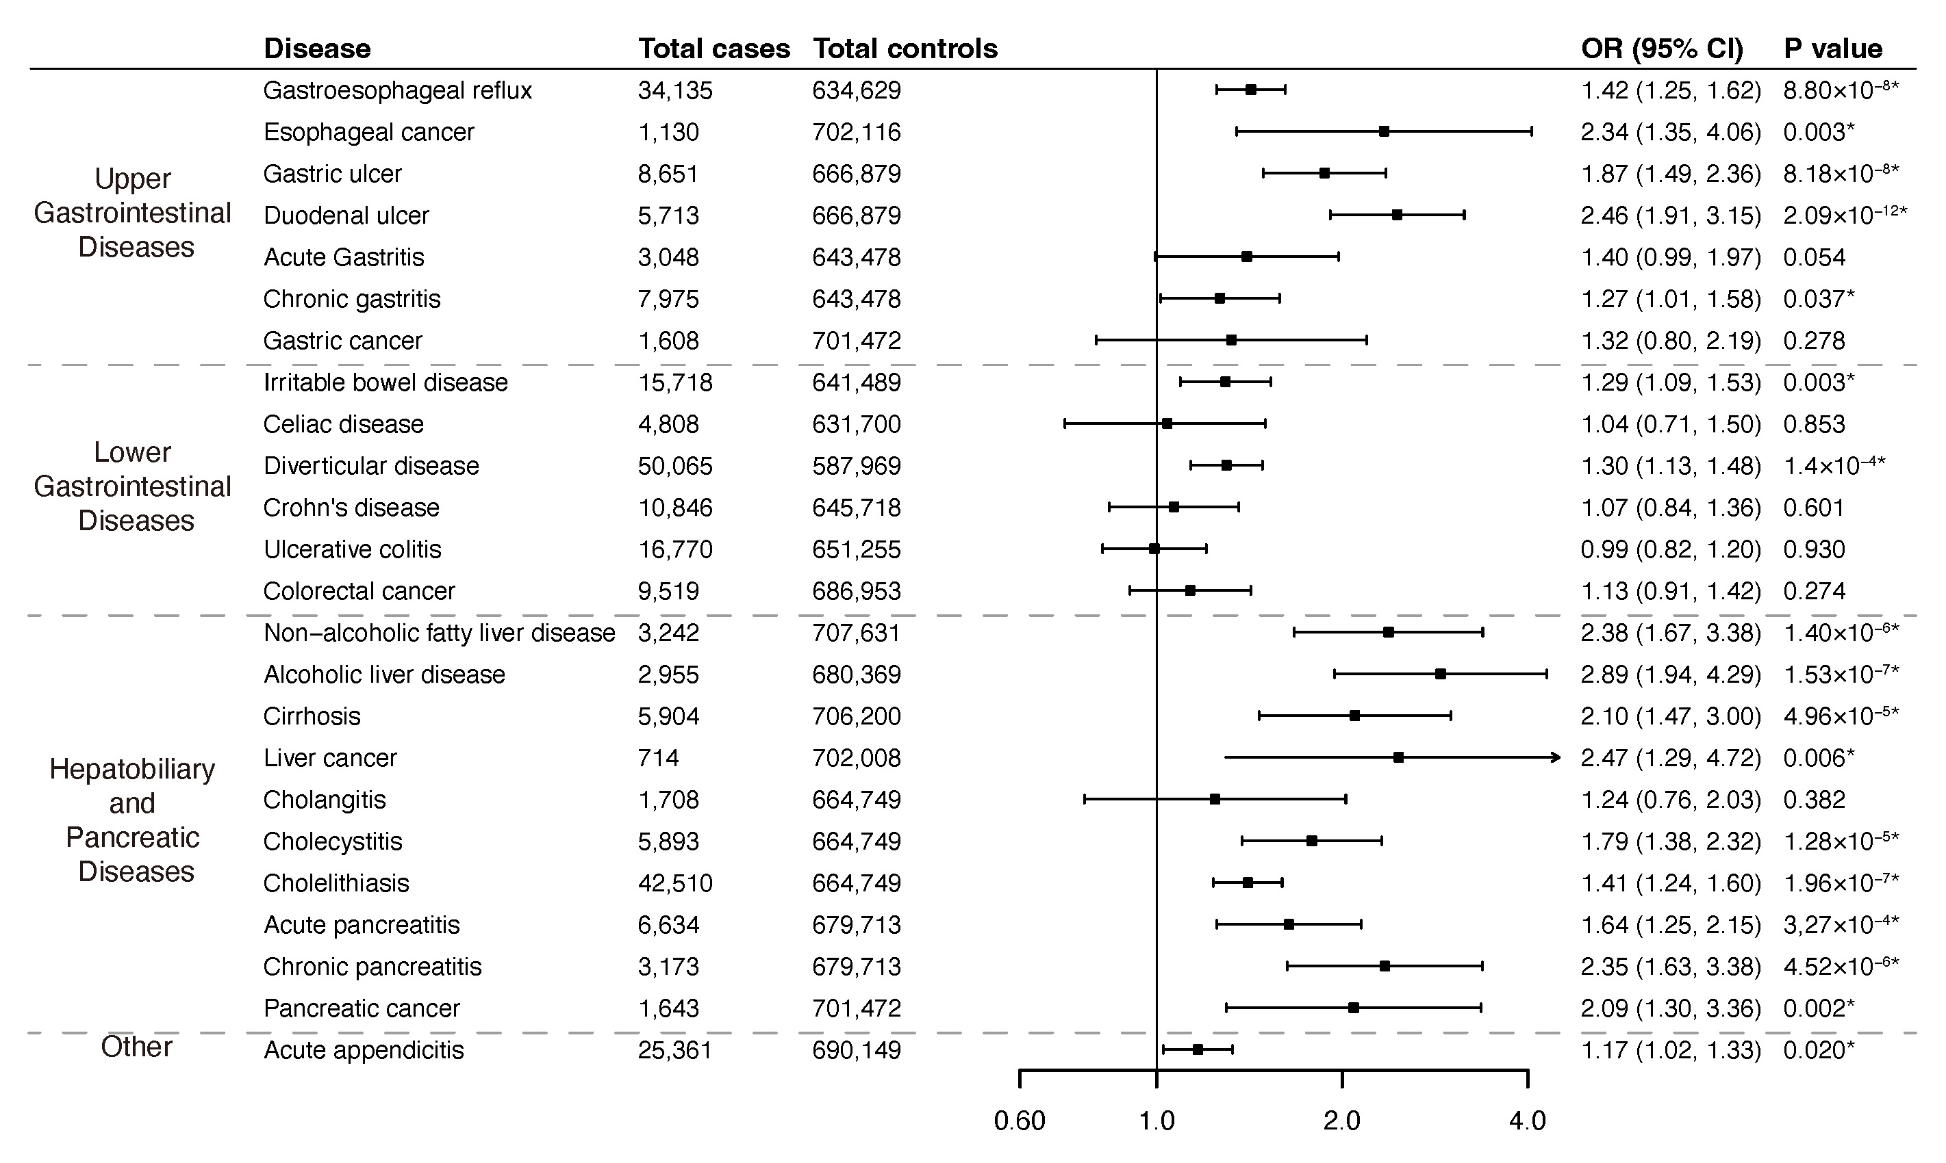

* Significant association after multiple testing

N
Supplementary file 1N. Association of genetically-predicted alcohol consumption (excluding 23andMe and UK Biobank) with 24 gastrointestinal diseases

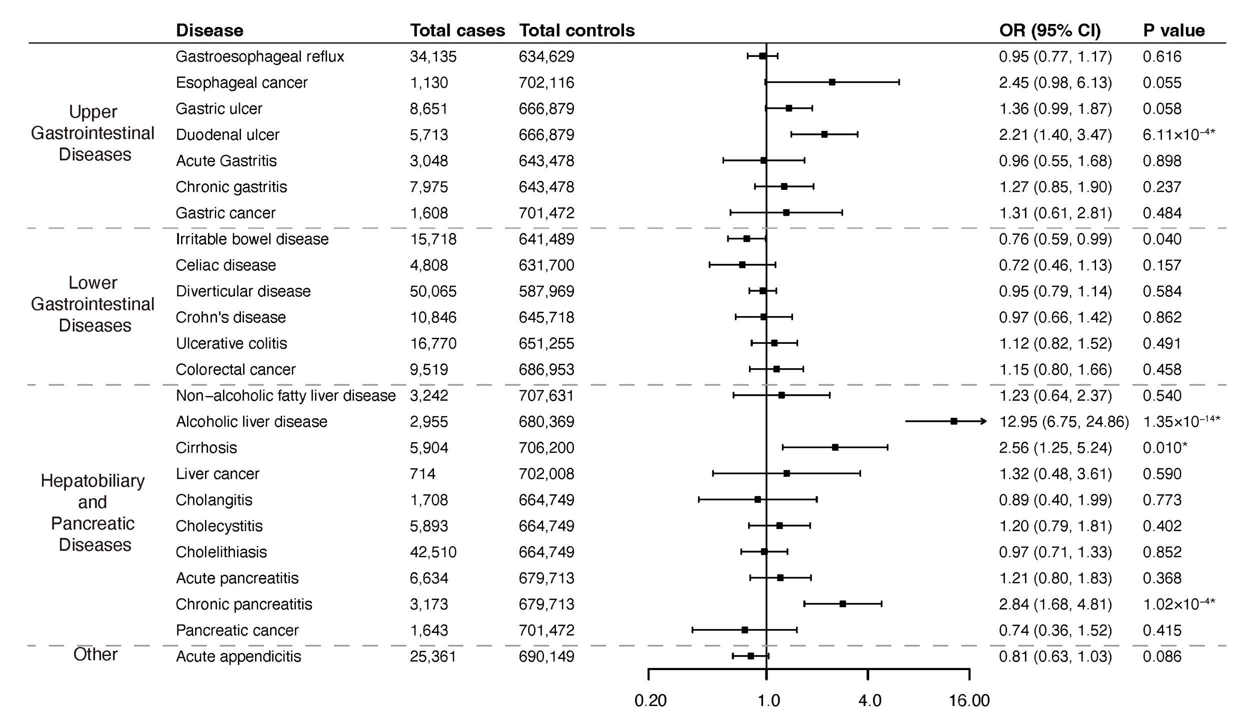

* Significant association after multiple testing

