Calculations
Bell and Fong
 |  |  | N authors |  |  |  |  | N authors
 |  |  | Pre-Pandemic Period |  |  |  |  | Pandemic Period
 |  |  | Gender predicted with >95% accuracy |  | Gender predicted with 50-94% accuracy |  | Unknown | Gender predicted with >95% accuracy |  | Gender predicted with 50-94% accuracy |  | Unknown
 |  | Continent | Male | Female | Male | Female |  | Male | Female | Male | Female
 |  | Africa | 2 | 3 | 1 | 0 | 1 | 3 | 1 | 1 | 1 | 0
 |  | Asia | 17 | 17 | 11 | 6 | 4 | 72 | 32 | 95 | 45 | 17
 |  | Australia/Oceania | 8 | 4 | 0 | 0 | 2 | 4 | 6 | 3 | 3 | 0
 |  | Europe | 13 | 11 | 3 | 1 | 0 | 45 | 19 | 4 | 6 | 0
 |  | North America | 181 | 220 | 25 | 46 | 8 | 313 | 343 | 52 | 79 | 8
 |  | South America | 5 | 12 | 1 | 0 | 0 | 4 | 6 | 0 | 2 | 1
 |  |  | 226 | 267 |  |  |  | 441 | 407 |  |  |  | 1341

Krukowski et. al |  | N papers per 2 months | First authors |  |  |  | Last authors |  |  |  | Coauthors
 |  |  | Pre-pandemic |  | Pandemic |  | Pre-pandemic |  | Pandemic |  | Pre-pandemic |  | Pandemic |  |  | N individuals
 |  |  | Mean rate of articles per 2 months | SD rate of articles per 2 months | Mean rate of articles per 2 months | SD rate of articles per 2 months | Mean rate of articles per 2 months | SD rate of articles per 2 months | Mean rate of articles per 2 months | SD rate of articles per 2 months | Mean rate of articles per 2 months | SD rate of articles per 2 months | Mean rate of articles per 2 months | SD rate of articles per 2 months
 |  | Men | 0.8 | 1.1 | 0.9 | 1.3 | 0.7 | 1 | 0.8 | 1.2 | 1 | 1.1 | 0.9 | 1.4 |  | 88
 |  | Women | 0.6 | 0.8 | 0.5 | 0.8 | 0.5 | 0.9 | 0.4 | 0.8 | 0.9 | 1.2 | 0.6 | 0.9 |  | 192

 |  | N papers per 2 months * N individuals | First authors |  |  |  | Last authors |  |  |  | Coauthors
 |  |  | Pre-pandemic |  | Pandemic |  | Pre-pandemic |  | Pandemic |  | Pre-pandemic |  | Pandemic
 |  |  | Mean rate of articles per 2 months | SD rate of articles per 2 months | Mean rate of articles per 2 months | SD rate of articles per 2 months | Mean rate of articles per 2 months | SD rate of articles per 2 months | Mean rate of articles per 2 months | SD rate of articles per 2 months | Mean rate of articles per 2 months | SD rate of articles per 2 months | Mean rate of articles per 2 months | SD rate of articles per 2 months
 |  | Men | 70.4 | 96.8 | 79.2 | 114.4 | 61.6 | 88 | 70.4 | 105.6 | 88 | 96.8 | 79.2 | 123.2
 |  | Women | 115.2 | 153.6 | 96 | 153.6 | 96 | 172.8 | 76.8 | 153.6 | 172.8 | 230.4 | 115.2 | 172.8

King and Frederickson |  |  | N women pre-pandemic | N men pre-pandemic | N total pre-pandemic | N women pandemic | N men pandemic | N total pandemic | Sample size |  | N women pre-pandemic | N men pre-pandemic | N total pre-pandemic | N women pandemic | N men pandemic | N total pandemic | Sample size
 |  |  | 7000 | 25750 | 32750 | 7189 | 27398 | 34587 | 67337 |  | 7000 | 25750 | 32750 | 7189 | 27398 | 34587 | 67337
 |  |  | 189.18918919 | 1166.6666667 | 1355.8558559 | 196.18918919 | 1278.6666667 | 1474.8558559 | 2830.7117117 |  | 189 | 1167 | 1356 | 196 | 1279 | 1475 | 2831
 |  |  | 1479.5918367 | 5586.9565217 | 7066.5483585 | 1721.0869565 | 6004.461402 | 7725.5483585 | 14792.096717 |  | 1480 | 5587 | 7067 | 1721 | 6004 | 7726 | 14792
 |  |  | 4142.8571429 | 13166.666667 | 17309.52381 | 4171.8571429 | 13561.666667 | 17733.52381 | 35043.047619 |  | 4143 | 13167 | 17310 | 4172 | 13562 | 17734 | 35043
 |  |  | 1333.3333333 | 5915.0943396 | 7248.427673 | 1341.3333333 | 6542.0943396 | 7883.427673 | 15131.855346 |  | 1333 | 5915 | 7248 | 1341 | 6542 | 7883 | 15132
 |  |  | 7000 | 11138.982698 | 18138.982698 | 9512.5897436 | 15464.392954 | 24976.982698 | 43115.965395 |  | 7000 | 11139 | 18139 | 9513 | 15464 | 24977 | 43116
 |  |  | 16.997167139 | 61.994609164 | 78.991776303 | 22.997167139 | 84.994609164 | 107.9917763 | 186.98355261 |  | 17 | 62 | 79 | 23 | 85 | 108 | 187
 |  |  | 954.17789757 | 1500 | 2454.1778976 | 1308.1778976 | 1791 | 3099.1778976 | 5553.3557951 |  | 954 | 1500 | 2454 | 1308 | 1791 | 3099 | 5553
 |  |  | 5210.0238663 | 7881.7966903 | 13091.820557 | 7393.0238663 | 11215.79669 | 18608.820557 | 31700.641113 |  | 5210 | 7882 | 13092 | 7393 | 11216 | 18609 | 31701
 |  |  | 677.41935484 | 1843.9716312 | 2521.390986 | 803.41935484 | 2363.9716312 | 3167.390986 | 5688.7819721 |  | 677 | 1844 | 2521 | 803 | 2364 | 3167 | 5689
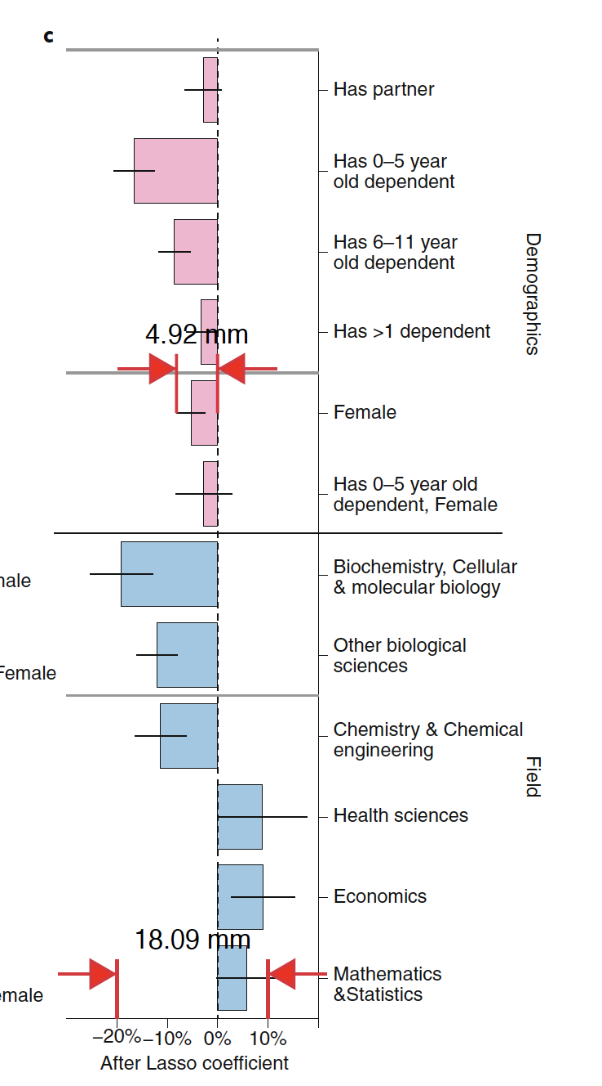
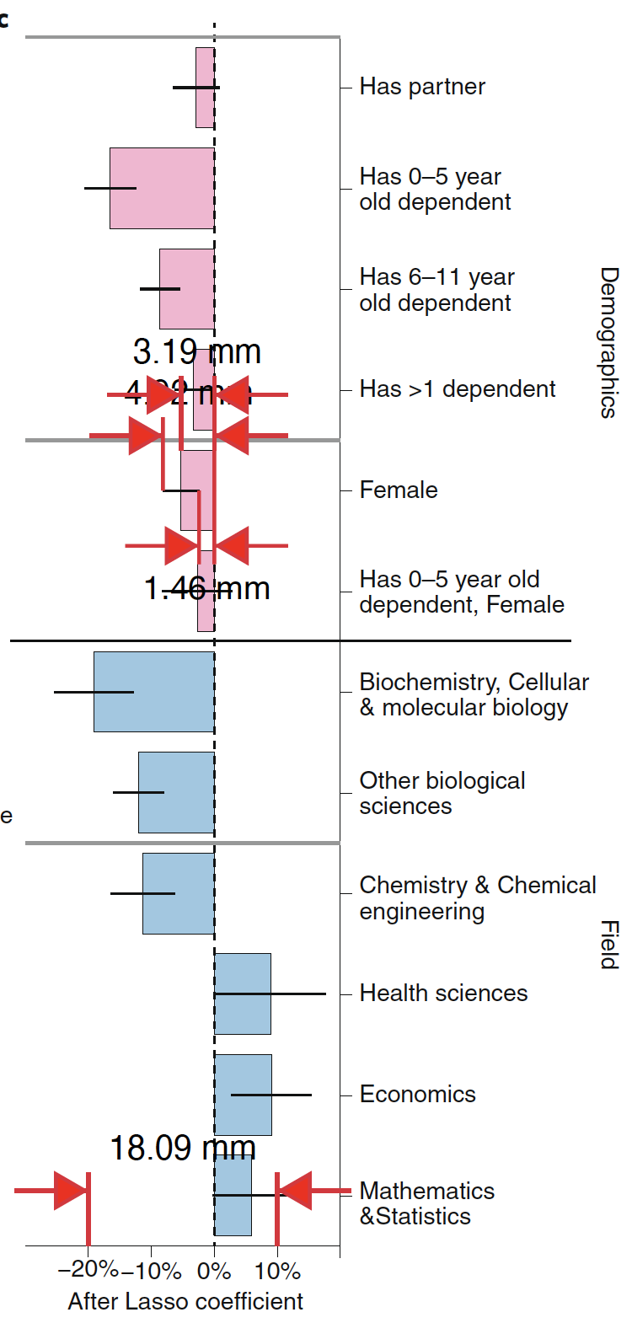
Myers et. al |  |  | Scale | Distance mm
 |  |  | 30% | 18.1
 |  |  | Percentage reduction female | Distance female mm
 |  |  | 0.053038674033 | 3.2
 |  |  | Percentage reduction female | Upper 95% CI distance mm
 |  |  | 0.081215469613 | 4.9
 |  |  | Percentage reduction female | Lower 95% CI distance mm
 |  |  | 0.024861878453 | 1.5

 |  |  |  |  |  |  |  |  |  |  |  |  |  |  |  |  |  |  |  | 17.40% | 4
Muric et. al |  | All publishers |  | Proportion women before | SE women before | Proportion women during | SE women during |  |  | N before | N after | Total N |  |  |  |  |  |  |  | 0.00% | 1
 |  |  | First | 0.389 | 0.007 | 0.353 | 0.004 |  |  | 19706.087 | 658.846 | 20364.933 |  |  |  |  |  |  |  | 82.60% | 25
 |  |  | Last | 0.257 | 0.005 | 0.236 | 0.003 |  |  |  |  |  |  |  |  |  |  |  |  | 23 | 30
 |  |  | Any | 0.354 | 0.003 | 0.348 | 0.002
 |  |  | Solo | 0.21 | 0.03 | 0.137 | 0.008

 |  | bioRxiv | First | 0.367 | 0.008 | 0.37 | 0.004 |  |  | 13156.66 | 495.626 | 13652.286
 |  |  | Last | 0.235 | 0.007 | 0.233 | 0.004
 |  |  | Any | 0.342 | 0.003 | 0.344 | 0.002
 |  |  | Solo | 0.209 | 0.035 | 0.165 | 0.016

 |  | medXriv | First | 0.335 | 0.055 | 0.3 | 0.009 |  |  | 2165.893 | 198.779 | 2364.672
 |  |  | Last | 0.309 | 0.038 | 0.23 | 0.005
 |  |  | Any | 0.376 | 0.016 | 0.348 | 0.005
 |  |  | Solo | – | – | 0.145 | 0.025

 |  | Springer-Nature | First | 0.458 | 0.011 | 0.438 | 0.014 |  |  | 4770.883 | 195.95 | 4966.833
 |  |  | Last | 0.315 | 0.008 | 0.275 | 0.011
 |  |  | Any | 0.39 | 0.006 | 0.382 | 0.007
 |  |  | Solo | 0.284 | 0.04 | 0.299 | 0.029

Breuning et. al |  |  | Has pandemic affected research? | M | F | Total |  |  |  |  |  | M | F
 |  |  | Disgree | 0.212 | 0.212 | 181 |  | 61.904 | 118.72
 |  |  | Neither agree or disagree | 0.113 | 0.111 | 95 |  | 32.996 | 62.16 |  | N that Disagree/ No effect of pandemic | 94.9 | 180.88
 |  |  | Agree | 0.675 | 0.677 | 576 |  | 197.1 | 379.12 |  | N that Agree there is affect of pandemic | 230.096 | 441.28
 |  |  | N | 292 | 560 | 852 |  | 292 | 560

 |  | Pre-pandemic |  | Pandemic |  |  |  | Pre-pandemic |  | Pandemic
 | Articles per week worldwide | Mean | SD | Mean | SD | N | Articles per week US | Mean | SD | Mean | SD | N
 |  | 779.1 | 177.5 | 1015.8 | 140.4 |  |  | 378.8 | 88 | 511.4 | 86
 | Female | 231 | 57 | 268.2 | 42.9 |  | Female | 103.4 | 36.2 | 119.3 | 21.4 | 3877 | 400881.8
 | Male | 548.1 | 124.4 | 747.6 | 104.3 |  | Male | 275.4 | 55.4 | 392.1 | 68.6 | 11617

 | n Articles worldwide |  |  |  |  |  | n Articles per week US
 | Female | 3234 |  | 2682 |  |  | Female | 1447.6 |  | 1193
 | Male | 7673.4 |  | 7476 |  |  | Male | 3855.6 |  | 3921
Andersen et. al |  |  |  |  |  |  |  |  |  |  |  |  | Pre-covid |  |  |  | Covid
 |  | Journal specialty | N | First author | Full group | Last author | N | First author | Full group | Last author |  |  | First author | Full group | Last author |  | First author | Full group | Last author
 |  | Dermatology | 1811 | 0.44 | 0.42 | 0.37 | 72 | 0.46 | 0.41 | 0.31 |  |  | 796.84 | 760.62 | 670.07 |  | 33.12 | 29.52 | 22.32
 |  | Emergency medicine | 1283 | 0.32 | 0.3 | 0.22 | 54 | 0.31 | 0.25 | 0.13 |  |  | 410.56 | 384.9 | 282.26 |  | 16.74 | 13.5 | 7.02
 |  | High impact general medicine | 7142 | 0.41 | 0.42 | 0.39 | 194 | 0.31 | 0.37 | 0.35 |  |  | 2928.22 | 2999.64 | 2785.38 |  | 60.14 | 71.78 | 67.9
 |  | Infectious diseases | 1404 | 0.45 | 0.42 | 0.34 | 44 | 0.2 | 0.32 | 0.34 |  |  | 631.8 | 589.68 | 477.36 |  | 8.8 | 14.08 | 14.96
 |  | Internal medicine | 19,980 | 0.36 | 0.33 | 0.25 | 484 | 0.33 | 0.32 | 0.24 |  |  | 7192.8 | 6593.4 | 4995 |  | 159.72 | 154.88 | 116.16
 |  | Other basic sciences | 6975 | 0.42 | 0.38 | 0.29 | 135 | 0.33 | 0.34 | 0.28 |  |  | 2929.5 | 2650.5 | 2022.75 |  | 44.55 | 45.9 | 37.8
 |  | Other clinical sciences | 21,869 | 0.4 | 0.37 | 0.31 | 429 | 0.38 | 0.38 | 0.35 |  |  | 8747.6 | 8091.53 | 6779.39 |  | 163.02 | 163.02 | 150.15
 |  | Otolaryngology | 1063 | 0.32 | 0.29 | 0.21 | 106 | 0.28 | 0.29 | 0.24 |  |  | 340.16 | 308.27 | 223.23 |  | 29.68 | 30.74 | 25.44
 |  | Pathology | 869 | 0.46 | 0.43 | 0.32 | 66 | 0.27 | 0.37 | 0.3 |  |  | 399.74 | 373.67 | 278.08 |  | 17.82 | 24.42 | 19.8
 |  | Public health | 11,015 | 0.47 | 0.41 | 0.35 | 99 | 0.33 | 0.41 | 0.37 |  |  | 5177.05 | 4516.15 | 3855.25 |  | 32.67 | 40.59 | 36.63
 |  | Radiology | 2262 | 0.37 | 0.33 | 0.27 | 60 | 0.25 | 0.28 | 0.17 |  |  | 836.94 | 746.46 | 610.74 |  | 15 | 16.8 | 10.2
 |  | Surgery | 9700 | 0.21 | 0.2 | 0.13 | 186 | 0.26 | 0.22 | 0.16 |  |  | 2037 | 1940 | 1261 |  | 48.36 | 40.92 | 29.76
 |  |  | 85373 |  |  |  | 1929 |  |  |  |  |  | 32428.21 | 29954.82 | 24240.51 |  | 629.62 | 646.15 | 538.14

 |  |  |  |  |  |  |  |  |  |  |  |  | 0.37984151898 | 0.35086994717 | 0.28393649046 |  | 0.32639709694 | 0.33496630378 | 0.27897356143

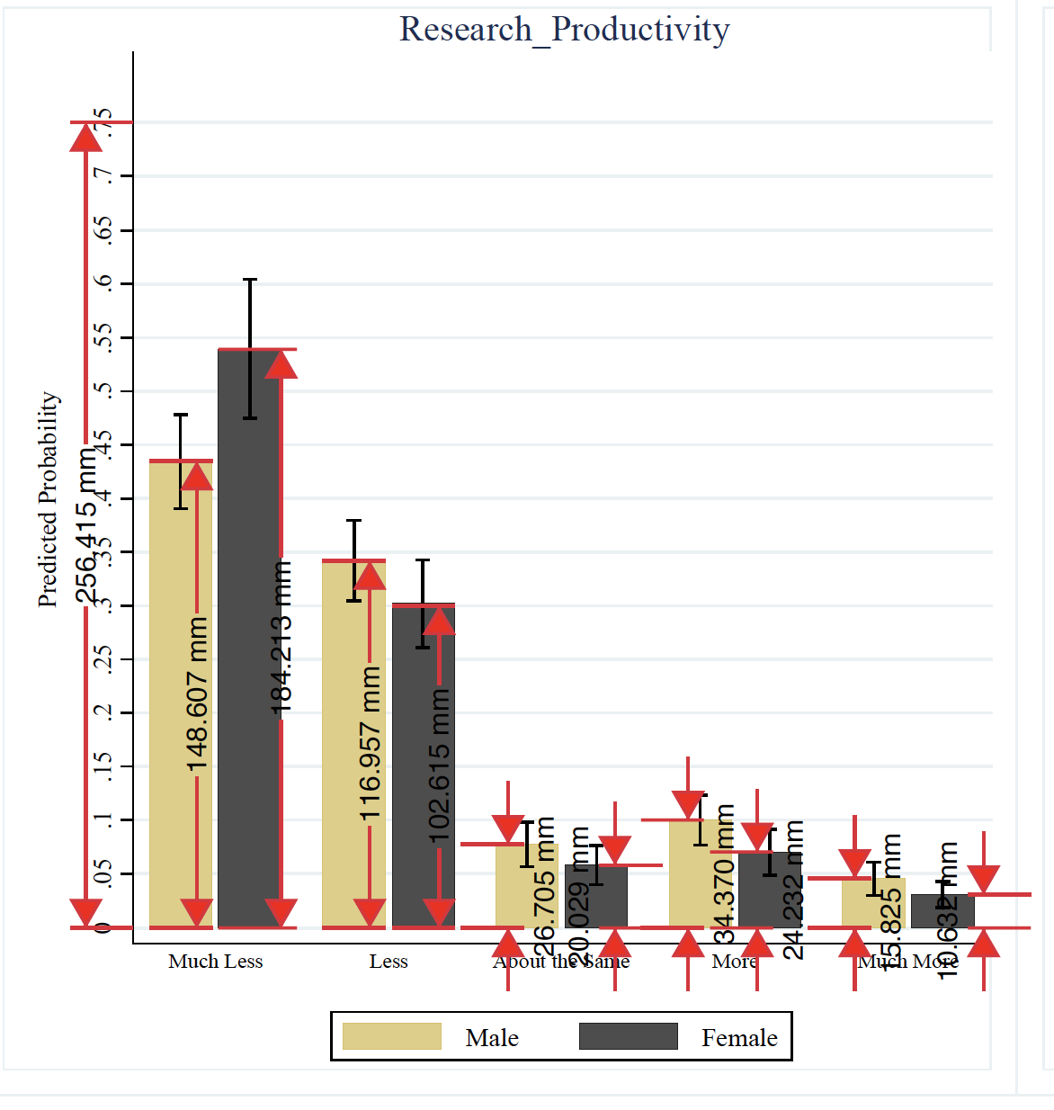
 |  |  | Length Much Less (mm) | Length Less (mm) | Length About the Same (mm) | Length More (mm) | Length Much More (mm) |  | Proportion Much Less (mm) | Proportion Less (mm) | Proportion About the Same (mm) | Proportion More (mm) | Proportion Much More (mm) | Sum (check it adds to 1) |  | Scale Length (mm) | Scale proportion
Barber et. al |  | Male | 148.6 | 117 | 26.7 | 34.4 | 15.8 |  | 0.4346723869 | 0.34223868955 | 0.078100624025 | 0.10062402496 | 0.046216848674 | 1.0018525741 |  | 256.4 | 0.75 |  |  |  |  | Barber et. al
 |  | Female | 184.2 | 102.6 | 20 | 24.2 | 10.6 |  | 0.53880655226 | 0.30011700468 | 0.058502340094 | 0.070787831513 | 0.03100624025 | 0.9992199688

 |  |  |  |  |  |  |  |  | Proportion*1 | Proportion*2 | Proportion*3 | Proportion*4 | Proportion*5 | Mean | SD | N
 |  |  |  |  |  |  |  |  | 0.4346723869 | 0.6844773791 | 0.23430187207 | 0.40249609984 | 0.23108424337 | 0.39740639626 | 0.18580268612 | 673.344
 |  |  |  |  |  |  |  |  | 0.53880655226 | 0.60023400936 | 0.17550702028 | 0.28315132605 | 0.15503120125 | 0.35054602184 | 0.2068772949 | 334.656

 | Dieter's calculations | I extracted these values from Figure 3: I converted the labels on the x-axis according to the Likert scale (as listed in the text) from 'much less' =1 to 'much more' =5, and multiplied it by their y-values to get the mean and sd.

Ghaffarazideh et. al |  |  | Length (mm) | Proportion | N | Proportion productivity reduction | N productivity reduction | N no production reduction
 |  | Total | 253.6 | 1 | 740
 |  | Male | 149 | 0.58753943218 | 434.77917981 | 0.61 | 265.21529968 | 169.56388013
 |  | Female | 100.3 | 0.39550473186 | 292.67350158 | 0.74 | 216.57839117 | 76.09511041

 | Dieter's calculations | There are 740 individuals in total. Based on Figure 1 I estimated that 39% are men (288 individuals) and 59% are women (437 individuals). I then took the percentages in the text to assume that this reflects the proportion of men (61%) and women (74%) who had experienced a reduction to arrive at the two by two table |  |  |  |  |  |  |  |  | total men (39% of 740) | 288 |  | total women (59% of 740) | 437
 |  |  |  |  |  |  |  |  |  |  | men experiencing lower productivity (61% of 288) | 176 |  | women experiencing lower productivity (74% of 437) | 323
 |  |  |  |  |  |  |  |  |  |  | men not experiencing lower productivity (remaining 39% of 288) | 112 |  | women not experiencing lower productivity (remaining 26% of 437) | 114

Shalaby et. al |  |  | Proportion decreased | Proportion stay same | Proportion increased | N | N decreased | N stay same | N increased | N no decrease
 |  | Total
 |  | Male | 0.701 | 0.221 | 0.078 | 77 | 53.977 | 17.017 | 6.006 | 23.023
 |  | Female | 0.761 | 0.185 | 0.054 | 93 | 70.773 | 17.205 | 5.022 | 22.227

 | Dieter's calculations | There are 170 individuals in total, of which 54.7% identified as female (93), remaining as male (77). Of the men, 76.1% report a decrease in publications, 70.1% of women. |  |  |  |  |  |  |  |  | total men (45.3% of 170) | 77 |  | total women (54.7% of 170) | 93
 |  |  |  |  |  |  |  |  |  |  | men experiencing lower productivity (76.1% of 77) | 59 |  | women experiencing lower productivity (70.1% of 437) | 65
 |  |  |  |  |  |  |  |  |  |  | men not experiencing lower productivity (remaining 23.9% of 288) | 18 |  | women not experiencing lower productivity (remaining 29.9% of 437) | 28

Ribravsoka et. al |  | First authors | Proportion authors pre-covid | N authors pre-covid | Proportion authors covid | N authors covid |  | Last authors | Proportion pre-covid | N pre-covid | Proportion covid | N covid? |  | Scale 109mm=0.8 | July length during COVID (mm) | August length during COVID (mm) | October length during COVID (mm) | November length during COVID (mm) | January length during COVID (mm) | July proportion | August proportion | October proportion | November proportion | January proportion
 |  | Male | 0.38 | 100.7 | 0.5 | 132.5 |  | Male | 0.58 | 153.7 | 0.67001834862 | 177.55486239 |  |  | 34.6 | 48.1 | 54 | 42.1 | 46 | 0.25394495413 | 0.35302752294 | 0.39633027523 | 0.30899082569 | 0.3376146789
 |  | Female | 0.62 | 164.3 | 0.5 | 132.5 |  | Female | 0.42 | 111.3 | 0.32998165138 | 87.445137615
 |  | Total |  | 265 |  | 265 |  | Total |  | 265 |  | 265

 | Dieter's calculations | To get at the absolute numbers for the proportions in Figure 1, I assumed that each month had the average number of articles published (From the legend "Each month contained between 40 and 136 articles" = so average is 88 articles).

Cushman et. al |  | First authors | Proportion pre-covid | N pre-covid | Proportion covid | N covid |  | Last authors | Proportion pre-covid | N pre-covid | Proportion covid | N covid
 |  | Male | 0.667 | 10.005 | 0.649 | 48.026 |  | Male | 0.6 | 9 | 0.622 | 46.028
 |  | Female | 0.333 | 4.995 | 0.351 | 25.974 |  | Female | 0.4 | 6 | 0.378 | 27.972
 |  | Total |  | 15 |  | 74 |  | Total |  | 15 |  | 74

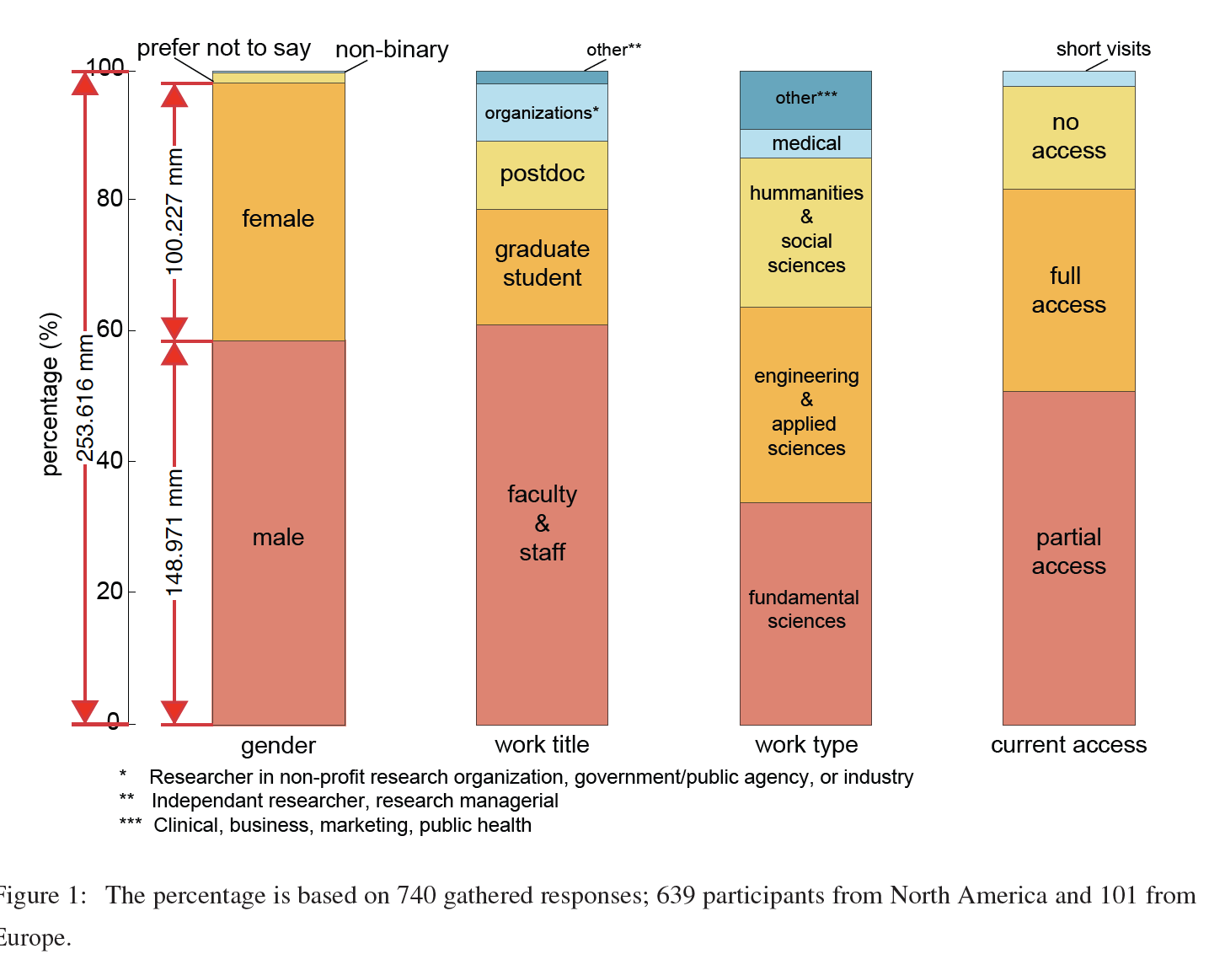
Ipe et. al |  | First authors | Proportion pre-covid | N pre-covid | Proportion covid | N covid |  | Last authors | Proportion pre-covid | N pre-covid | Proportion covid | N covid |  |  |  |  |  |  |  |  |  |  | Ghaffaridzadeh et. al
 |  | Male | 0.509 | 257 | 0.573 | 181 |  | Male | 0.646 | 331 | 0.645 | 318
 |  | Female | 0.491 | 248 | 0.427 |  |  | Female | 0.354 | 181 | 0.355 | 175
 |  | Total |  |  |  |  |  | Total

Davis |  |  |  | Yes |  | No
 |  | Females | 362 | 56% | 202.72 | 44% | 159.28
 |  | Males | 314 | 40.70% | 127.798 | 59.30% | 186.202

Anabaraonye et. al |  | First authors | Pre-covid |  |  | COVID
 |  |  | Total | N female | N male | Total | N female | N male | P
 |  | Non-senior | 254 | 98 (38.6) | 156 (61.4) | 26 | 5 (19.2) | 21 (80.8) | 0.051
 |  | Senior | 160 | 46 (28.8) | 114 (71.3) | 38 | 14 (36.8) | 24 (63.2) | 0.329
 |  | Scientiﬁc articles
 |  | Non-senior | 232 | 85 (36.6) | 147 (63.4) | 19 | 2 (10.5) | 17 (89.5) | 0.021
 |  | Senior | 152 | 45 (29.6) | 107 (70.4) | 25 | 11 (44.0) | 14 (56.0) | 0.152
 |  | Non-Scientiﬁc articles
 |  | Non-Senior | 22 | 13 (29.1) | 9 (40.9) | 7 | 3 (42.9) | 4 (57.1) | 0.667
 |  | Senior | 8 | 1 (12.5) | 7 (87.5) | 13 | 3 (23.1) | 10 (76.9) | 1
 |  |  | 828 | 288 | 540 | 128 | 38 | 90

 |  | Corresponding authors | Pre-covid |  |  | COVID
 |  |  | Total | N female | N male | Total | N female | N male | P
 |  | Non-senior | 244 | 62 (25.4) | 182 (74.6) | 28 | 9 (32.1) | 19 (67.9) | 0.442
 |  | Senior | 147 | 38 (25.9) | 109 (74.1) | 36 | 9 (25.0) | 27 (75.0) | 0.917
 |  | Scientiﬁc articles
 |  | Non-senior | 222 | 55 (24.8) | 167 (75.2) | 21 | 6 (27.3) | 15 (71.4) | 0.701
 |  | Senior | 139 | 37 (26.6) | 102 (73.4) | 21 | 6 (27.3) | 15 (71.4) | 0.851
 |  | Non-science articles
 |  | Non-senior | 22 | 7 (31.8) | 15 (68.2) | 7 | 3 (42.9) | 4 (57.4) | 0.665
 |  | Senior | 8 | 1 (12.5) | 7 (87.5) | 15 | 3 (20.0) | 12 (80.0) | 1
 |  |  | 782 | 200 | 582 | 128 | 36 | 92 |  | 1866

Jemielniak et. al |  | field | year | Gender | No Authors |  |  | Women | Men |  | psychology | Sample size
 |  | psychology | 2019 | female | 9181
 |  |  |  | male | 8003
 |  |  | 2020 | male | 13938
 |  |  |  | female | 3217 |  | Pre-pandemic | 8003 | 9181 | 17184
 |  |  | 2021 | male | 2096
 |  |  |  | female | 430 |  | Pandemic | 3647 | 16034 | 19681 | mathematics | 36865
 |  | mathematics | 2019 | male | 23865
 |  |  |  | female | 5300
 |  |  | 2020 | male | 273
 |  |  |  | female | 69 |  | Pre-pandemic | 5300 | 23865 | 29165
 |  |  | 2021 | male | 1584
 |  |  |  | female | 314 |  | Pandemic | 383 | 1857 | 2240 | philosophy | 31405
 |  | philosophy | 2019 | male | 3919
 |  |  |  | female | 1747
 |  |  | 2020 | male | 710
 |  |  |  | female | 206 |  | Pre-pandemic | 1747 | 3919 | 5666
 |  |  | 2021 | male | 550
 |  |  |  | female | 237 |  | Pandemic | 443 | 1260 | 1703 | materials sciences | 7369
 |  | materials sciences | 2019 | male | 12023
 |  |  |  | female | 4365
 |  |  | 2020 | male | 3704
 |  |  |  | female | 1198 |  | Pre-pandemic | 4365 | 12023 | 16388
 |  |  | 2021 | male | 2648
 |  |  |  | female | 913 |  | Pandemic | 2111 | 6352 | 8463 | earth sciences | 24851
 |  | earth sciences | 2019 | male | 17202
...
Gerding et. al |  |  |  | Jan | Feb | March | April | May | June | July | August | September | October | November | December | Sum | Scale
 |  |  |  |  |  |  |  |  |  |  |  |  |  |  |  | 823.25515947
 |  | Female | 2018 | 15.54 | 13.47 | 16.83 | 16.75 | 17.52 | 13.29 | 24.78 | 22.01 | 15.45 | 21.32 | 22.62 | 19.08 | 218.66 | 42.73
 |  |  |  |  |  |  |  |  |  |  |  |  |  |  |  | 307.03487011 | 60 | Female pre-pandemic | 721.88158203
 |  |  | 2019 | 24.23 | 22.65 | 26.85 | 26.76 | 23.18 | 17.67 | 28.51 | 27.55 | 30.26 | 27.55 | 18.19 | 22.04 | 295.44
 |  |  |  |  |  |  |  |  |  |  |  |  |  |  |  | 414.84671191 |  | Female pandemic | 471.91200562
 |  |  | 2020 | 19.72 | 19.72 | 27.8 | 31.71 | 40.5 | 34.01 | 27.53 | 19.01 | 34.64 | 22.03 | 31.79 | 27.62 | 336.08
 |  |  |  |  |  |  |  |  |  |  |  |  |  |  |  | 471.91200562
 |  |  |  |  |  |  |  |  |  |  |  |  |  |  |  |  |  | Sum | 3311.2419929

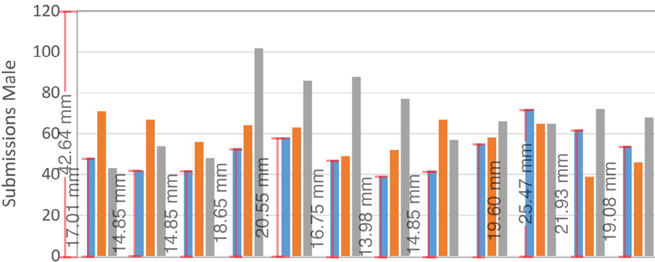
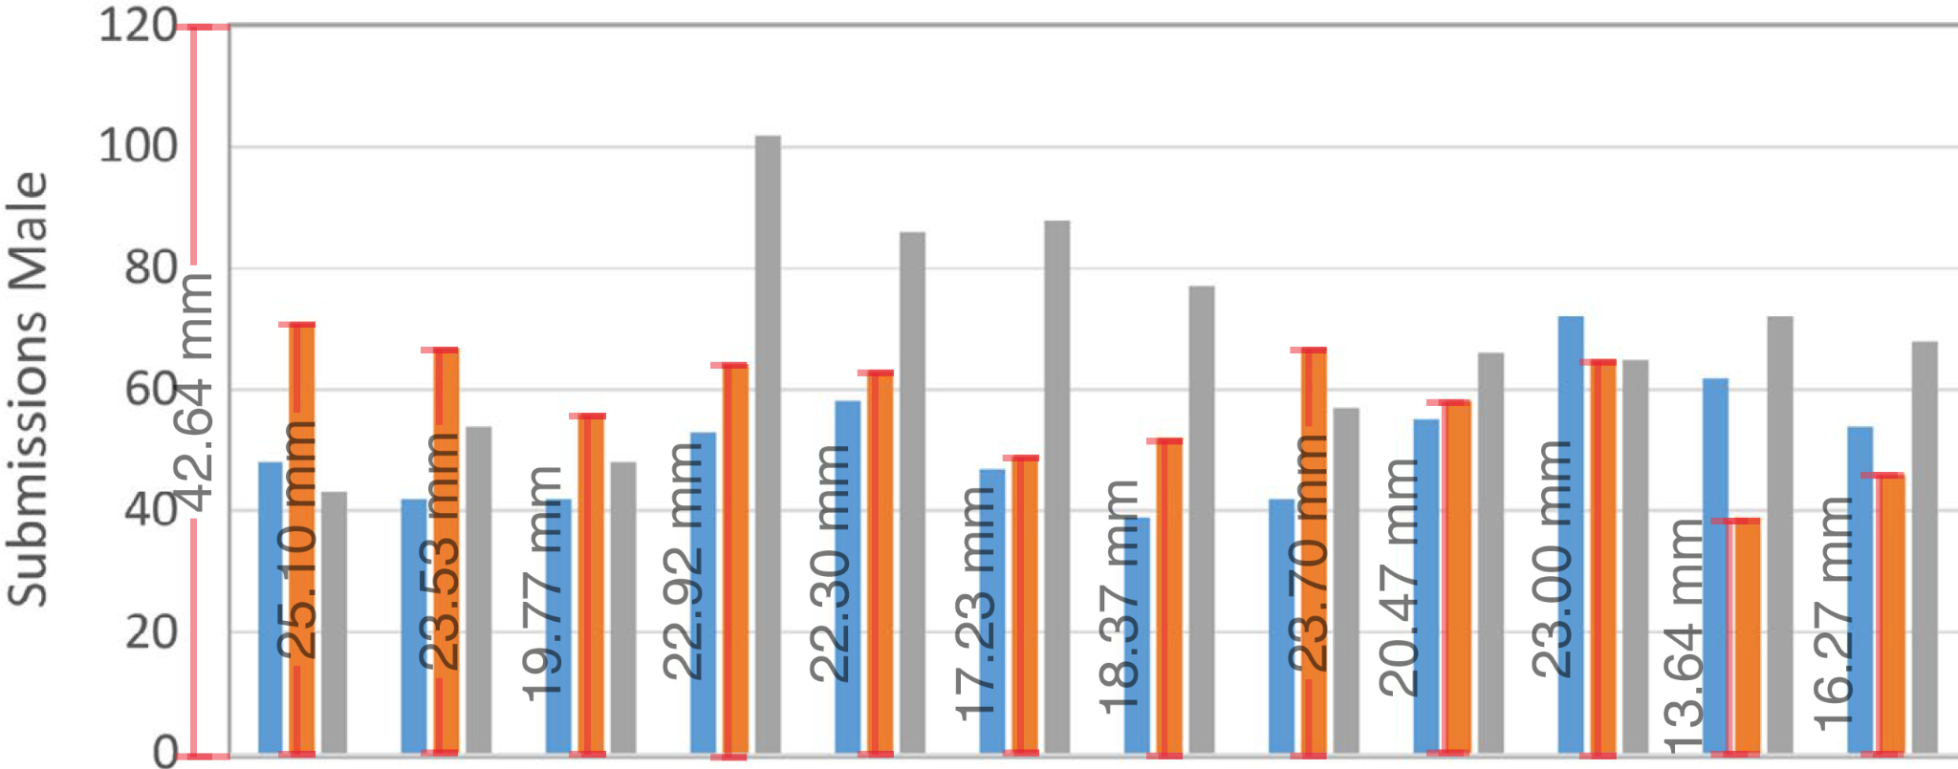
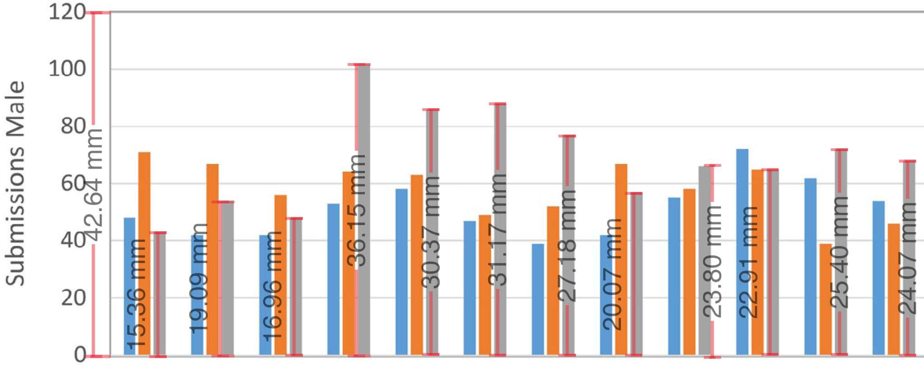

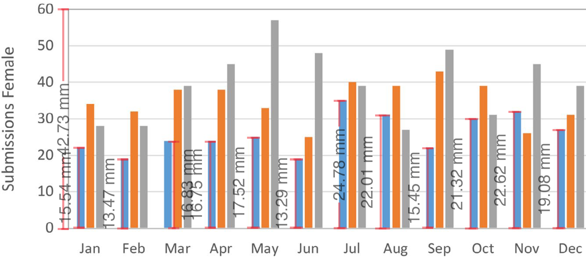

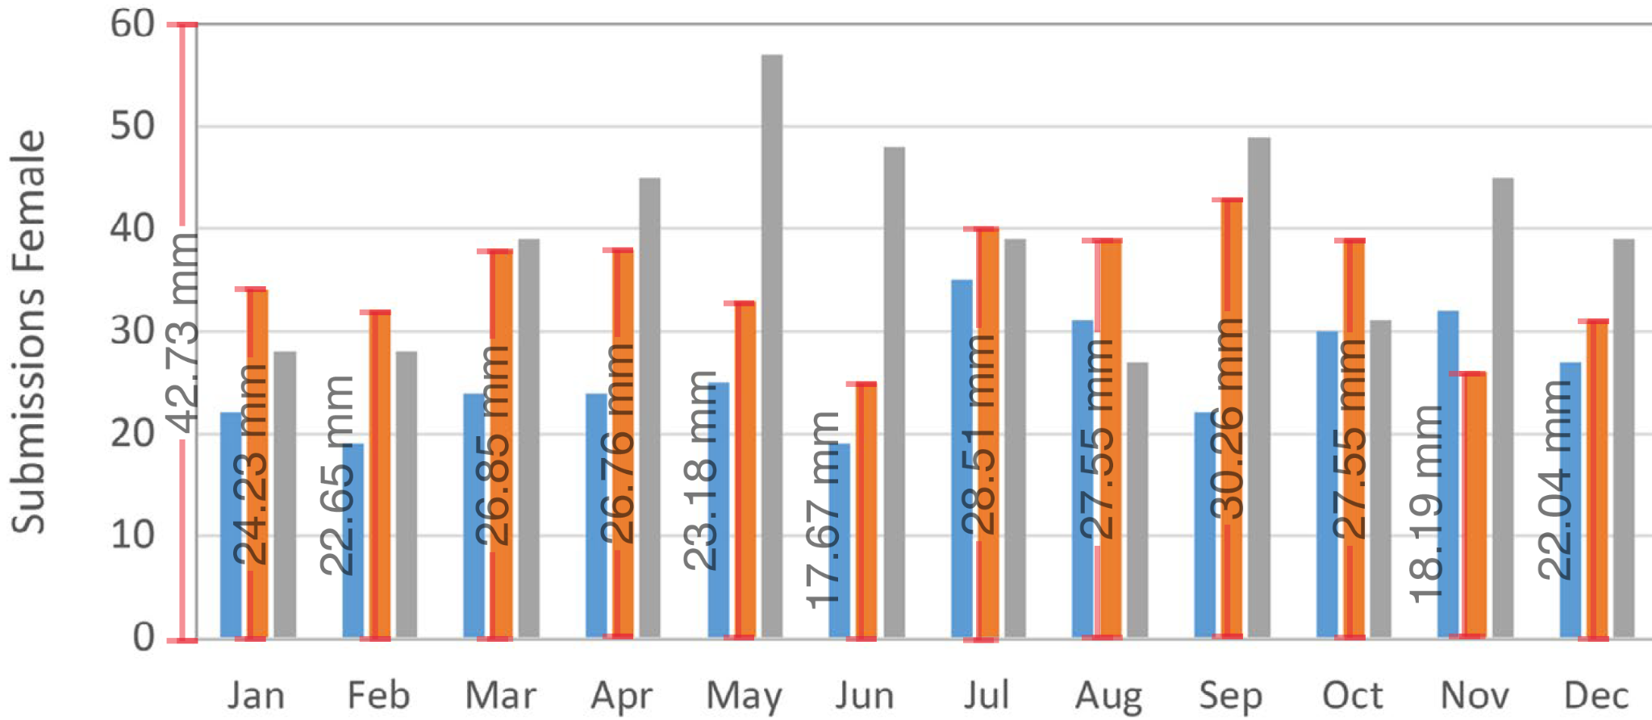
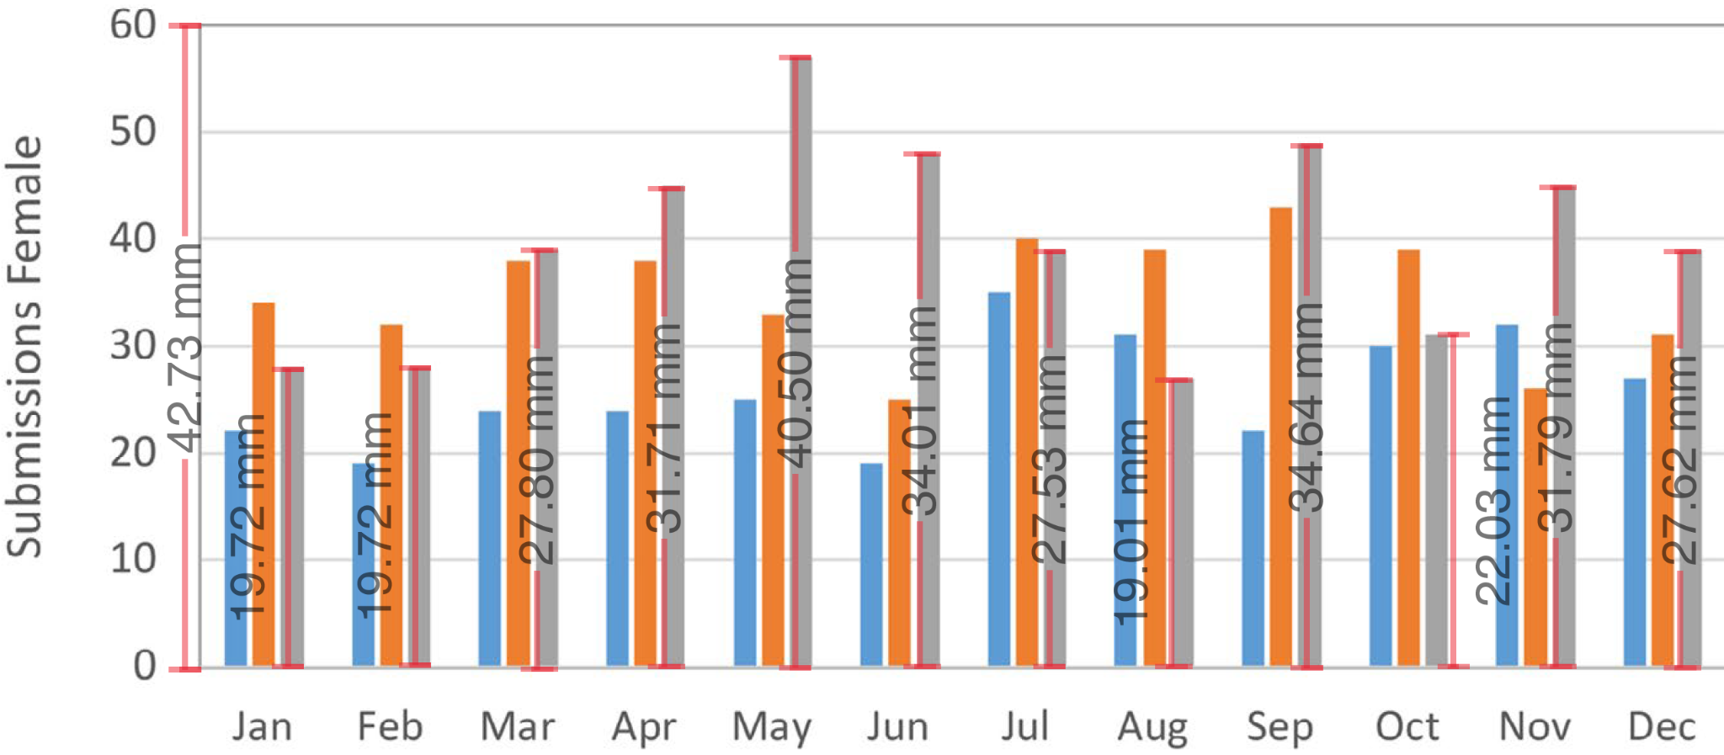

Diaz et. al |  |  | Burnout | No burnout | N
 |  | Women | 28 | 17 | 45
 |  | Men | 18 | 114 | 132

Stenson et. al |  | N=100 | Decrease in work productivity | No decrease in work productivity | N
 |  | Women | 30/52 | 22/52
 |  | Men | 31/48 | 17/48
...
 |  |  |  |  |  | Positive | Very positive | Sum | Mean | SD
 |  |  |  |  |  | 0.089108910891 | 0.0049504950495
 |  |  |  |  |  | 0.3216080402 | 0.025125628141 |  | 0.39698492462 | 0.45458642963
 |  |  |  |  |  | 0.35643564356 | 0.024752475248 |  | 0.41089108911 | 0.41573843605

 |  |  |  |  |  | Pandemic
 |  |  |  |  |  | March | April | Sum
 |  |  |  |  |  | 35 | 25 | 60 |  | 130
 |  |  |  |  |  | 15 | 22 | 37

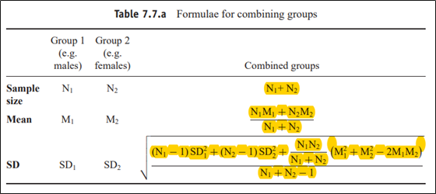
 |  |  |  |  |  |  |  |  |  |  |  | 3.43
 |  |  |  |  |  | Disruption domestic |  |  | Disruption combined
 |  |  |  |  |  | Mean | SD | N2 | Mean | SD | N |  |  |  |  |  |  | https://handbook-5-1.cochrane.org/chapter_7/table_7_7_a_formulae_for_combining_groups.htm
 |  |  |  |  |  | 5.35 | 3.82 | 66 | 4.465 | 3.5517931177 | 66
 |  |  |  |  |  | 3.04 | 3.27 | 48 | 3.145 | 3.0713847383 | 48

 |  |  |  |  |  |  | CEPR COVID Economics |  |  | VoxEU Columns |  |  | Total pre-pandemic | Total pandemic
 |  |  |  |  |  | 2020 | Total | Accepted | Rejected | 2019 | 2020
 |  |  |  |  |  | 403 | 129 | 55 | 74 | 217 | 397 |  | 871 | 1261
 |  |  |  |  |  | 1144 | 240 | 118 | 122 | 571 | 1040 |  | 2310 | 3502
 |  |  |  |  |  | 223.08 | 24.00 | 8.02 | 15.98 | 129.05 | 222.56 |  | 480.55 | 725.06 |  | 5,812.00
 |  |  |  |  |  | 920.92 | 216.00 | 109.98 | 106.02 | 441.95 | 817.44 |  | 1,829.45 | 2,776.94
 |  |  |  |  |  | 19.50% | 10.00% | 6.80% | 13.10% | 22.60% | 21.40% |  | 0.20803030303 | 0.20704054826

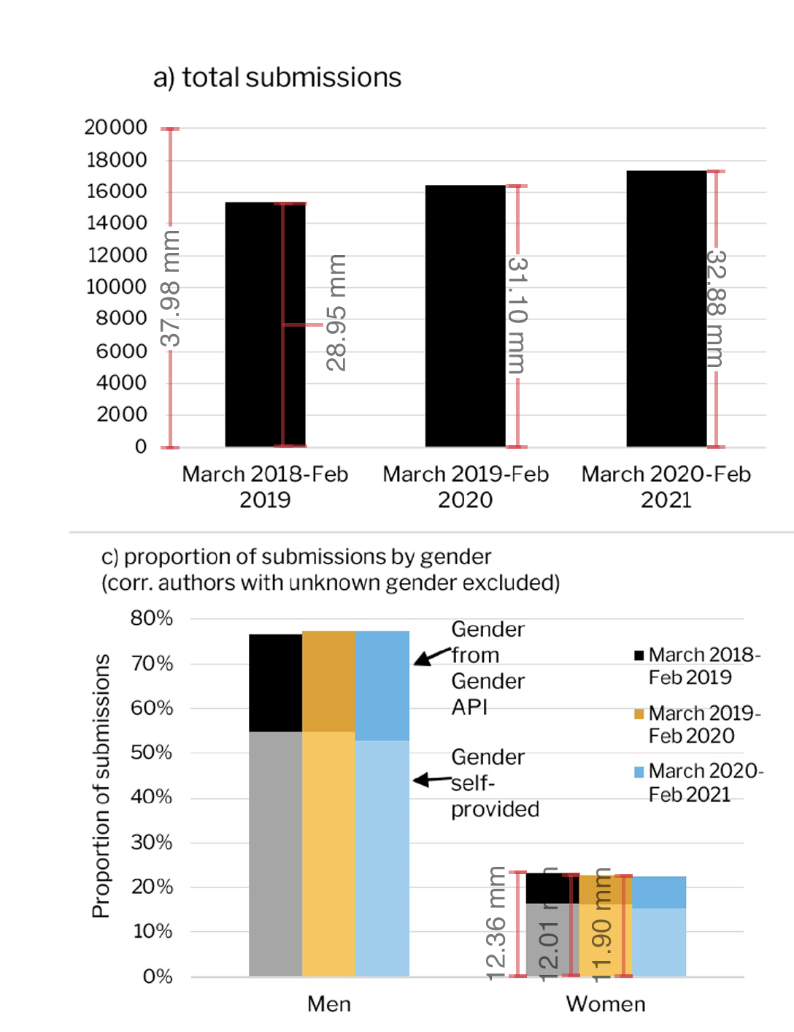
...
 |  |  |  |  |  |  |  |  |  | Scale | 20000 | 37.98 | 526.59294365
 |  |  |  |  |  |  |  | 48936.282254
 |  |  |  |  |  |  |  |  |  | Scale | 80% | 42.72 | 0.01872659176
...
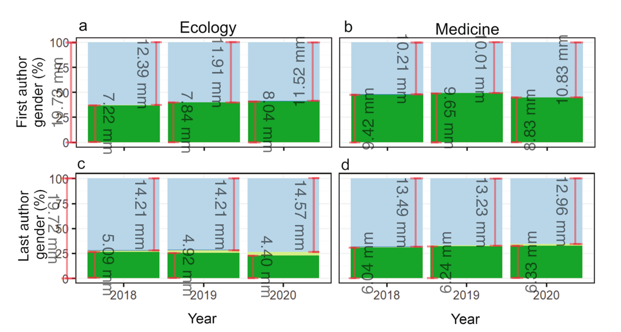
 |  |  |  |  | Prepandemc |  | Pandemic |  | Total
 |  |  |  |  |  |  | 2020
 |  |  |  |  |  |  | 11.52
 |  |  |  |  | 966.49113026 |  | 544.17840851
 |  |  |  |  |  |  | 8.04
 |  |  |  |  | 598.45108971 | 0.38142198197 | 379.79118094 | 0.40750126711
 |  |  |  |  |  |  | 19.73
 |  |  |  |  | 1569 |  | 932 |  | 4070

 |  |  |  |  |  |  | 2020
 |  |  |  |  |  |  | 14.57
 |  |  |  |  | 1130.0299037 |  | 688.25342119
 |  |  |  |  |  |  | 4.4
 |  |  |  |  | 398.11454638 | 0.2537377606 | 207.84591992 | 0.22301064369
 |  |  |  |  |  |  | 19.73
 |  |  |  |  | 1569 |  | 932 |  | 4070

 |  |  |  |  |  |  | 2020
 |  |  |  |  |  |  | 10.83
 |  |  |  |  | 973.18702484 |  | 629.60010137
 |  |  |  |  |  |  | 8.83
 |  |  |  |  | 916.54333502 | 0.48289954427 | 513.33046123 | 0.4475418145
 |  |  |  |  |  |  | 19.73
 |  |  |  |  | 1898 |  | 1147 |  | 4943

 |  |  |  |  |  |  | 2020
 |  |  |  |  |  |  | 12.96
 |  |  |  |  | 1286.0182463 |  | 753.42726812
 |  |  |  |  |  |  | 6.33
 |  |  |  |  | 590.04156107 | 0.31087542733 | 367.99341105 | 0.32083122149
 |  |  |  |  |  |  | 19.73
 |  |  |  |  | 1898 |  | 1147 |  | 4943
...
Harris et. al
 |  | 2020 | 108 | 67 |  | 0.61714285714
 |  |  |  |  |  | 700

Chen et. al |  |  | Women | Men
 |  | Pre-pandemic | 56 | 154 |  | 0.26666666667
 |  | Pandemic | 65 | 105 |  | 0.38235294118
 |  | Total | 121 | 259
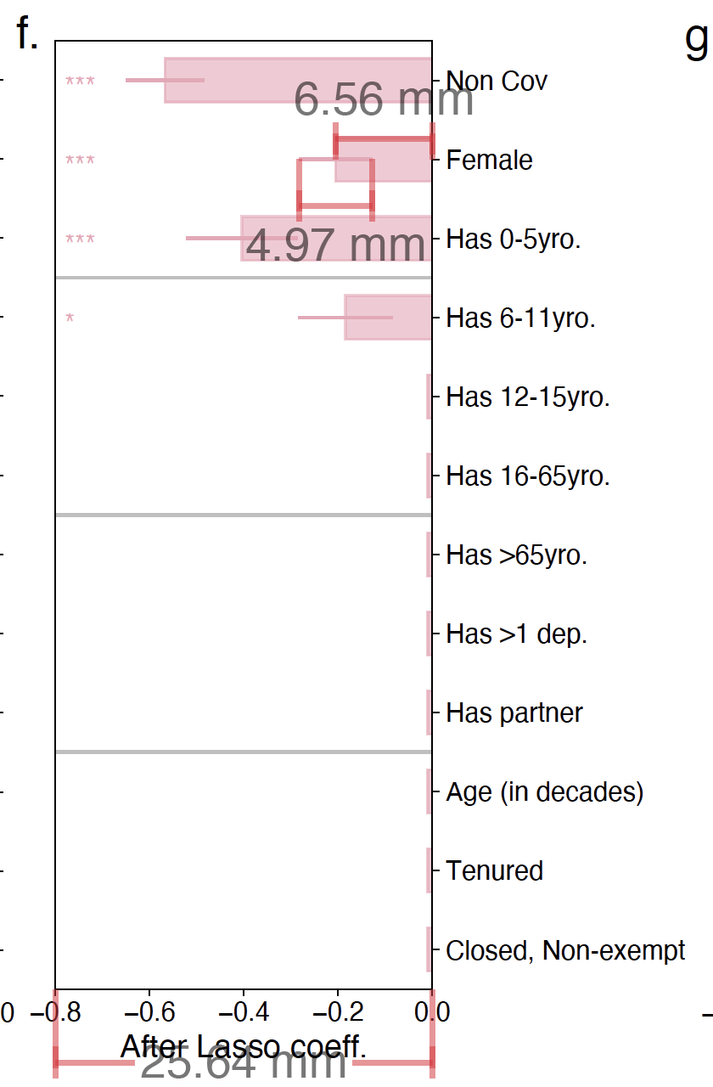
Gao et. al
 |  | Effect | Standard error | Scale
 | Distance | 6.56 | 4.97 | 25.64
 | Measure | 0.20468018721 | 0.15507020281 | 0.8

