Xylem
Quantification of the LM10 and LM11 fluorescence signals from the xylem cells from Col-0 and msil2/4 mutant inflorescence stems
Label | Mean | Std Dev | Min | Max |  |  | Label | Mean | Std Dev | Min | Max
LM11 Col1-1 Puit4Xylem PMT 500.lif_Series003Snapshot1_Resize001_ch00.jpg (red) | 116 | 39 | 64 | 255 |  |  | LM11msil2/4-1 Puit4Xylem PMT 500.lif_Series002Snapshot1_Resize001_ch00.jpg (red) | 106 | 32 | 59 | 255
LM11 Col1-1 Puit4Xylem PMT 500.lif_Series002Snapshot1_Resize001_ch00.jpg (red) | 121 | 38 | 67 | 255 |  |  | LM11 msil2/4-1 Puit4Xylem PMT 500.lif_Series001Snapshot1_Resize001_ch00.jpg (red) | 131 | 39 | 72 | 255
LM11 Col1-1 Puit4Xylem PMT 500.lif_Series001Snapshot1_Resize001_ch00.jpg (red) | 157 | 46 | 86 | 255 |  |  | LM11 msil2/4-1 Puit4Xylem PMT 500.lif_Series004Snapshot1_Resize001_ch00.jpg (red) | 93 | 28 | 51 | 255
LM11 Col1-1 Puit4Xylem PMT 500.lif_Series004Snapshot1_Resize001_ch00.jpg (red) | 210 | 43 | 114 | 255 |  |  | LM11 msil2/4-1 Puit4Xylem PMT 500.lif_Series003Snapshot1_Resize001_ch00.jpg (red) | 127 | 35 | 69 | 252
LM11 Col2-1 Puit4Xylem PMT 500.lif_Series006Snapshot1_Resize001_ch00.jpg (red) | 101 | 30 | 56 | 254 |  |  | LM11 msil2/4-2 Puit4Xylem PMT 500.lif_Series004Snapshot1_Resize001_ch00.jpg (red) | 141 | 42 | 78 | 255
LM11 Col2-1 Puit4Xylem PMT 500.lif_Series005Snapshot1_Resize001_ch00.jpg (red) | 81 | 23 | 45 | 248 |  |  | LM11 msil2/4-2 Puit4Xylem PMT 500.lif_Series001Snapshot1_Resize001_ch00.jpg (red) | 149 | 47 | 82 | 255
LM11 Col2-1 Puit4Xylem PMT 500.lif_Series004Snapshot1_Resize001_ch00.jpg (red) | 90 | 24 | 50 | 247 |  |  | LM11 msil2/4-2 Puit4Xylem PMT 500.lif_Series002Snapshot1_Resize001_ch00.jpg (red) | 102 | 31 | 57 | 255
LM11 Col2-1 Puit4Xylem PMT 500.lif_Series007Snapshot1_Resize001_ch00.jpg (red) | 182 | 44 | 99 | 255 |  |  | LM11 msil2/4-2 Puit4Xylem PMT 500.lif_Series003Snapshot1_Resize001_ch00.jpg (red) | 108 | 35 | 60 | 255
LM11 Col3-1 Puit4Xylem PMT 500.lif_Series005Snapshot1_Resize001_ch00.jpg (red) | 113 | 31 | 63 | 254 |  |  | LM11 msil2/4-3 Puit4Xylem PMT 500.lif_Series004Snapshot1_Resize001_ch00.jpg (red) | 178 | 48 | 99 | 255
LM11 Col3-1 Puit4Xylem PMT 500.lif_Series001Snapshot1_Resize001_ch00.jpg (red) | 110 | 32 | 61 | 253 |  |  | LM11 msil2/4-3 Puit4Xylem PMT 500.lif_Series005Snapshot1_Resize001_ch00.jpg (red) | 104 | 28 | 58 | 255
LM11 Col3-1 Puit4Xylem PMT 500.lif_Series004Snapshot1_Resize001_ch00.jpg (red) | 90 | 26 | 50 | 253 |  |  | LM11 msil2/4-3 Puit4Xylem PMT 500.lif_Series001Snapshot1_Resize001_ch00.jpg (red) | 143 | 39 | 79 | 255
LM11 Col3-1 Puit4Xylem PMT 500.lif_Series002Snapshot1_Resize001_ch00.jpg (red) | 104 | 26 | 58 | 253 |  |  | LM11 msil2/4-3 Puit4Xylem PMT 500.lif_Series003Snapshot1_Resize001_ch00.jpg (red) | 184 | 47 | 101 | 255
LM10 Col2-1 Puit2 Xylem PMT 520.lif_Series004 | 157 | 46 | 85 | 255 |  |  | LM10 R24-1 Puit3 Xylem PMT 520.lif_Series003 | 101 | 33 | 56 | 255
LM10 Col2-1 Puit2 Xylem PMT 520.lif_Series003 | 132 | 41 | 73 | 255 |  |  | LM10 R24-1 Puit3 Xylem PMT 520.lif_Series002 | 125 | 41 | 69 | 255
LM10 Col2-1 Puit2 Xylem PMT 520.lif_Series002 | 146 | 44 | 79 | 255 |  |  | LM10 R24-1 Puit3 Xylem PMT 520.lif_Series001 | 100 | 34 | 56 | 255
LM10 Col2-1 Puit2 Xylem PMT 520.lif_Series001 | 125 | 41 | 68 | 255 |  |  | LM10 R24-1 Puit3 Xylem PMT 520.lif_Series004 | 124 | 39 | 67 | 255
LM10 Col2-1 Puit2 XylemPMT 520.lif_Series005 | 174 | 48 | 93 | 255 |  |  | LM10 R24-2 Puit2 Xylem PMT 520.lif_Series002 | 128 | 37 | 71 | 255
LM10 Col3-1 Puit2 Xylem PMT 520.lif_Series004 | 168 | 44 | 91 | 255 |  |  | LM10 R24-2 Puit2 Xylem PMT 520.lif_Series001 | 198 | 46 | 107 | 255
LM10 Col3-1 Puit2 Xylem PMT 520.lif_Series002 | 154 | 43 | 84 | 255 |  |  | LM10 R24-2 Puit2 Xylem PMT 520.lif_Series003 | 172 | 45 | 96 | 255
LM10 Col3-1 Puit2Xylem PMT 520.lif_Series001 | 196 | 47 | 104 | 255 |  |  | LM10 R24-2 Puit2 Xylem PMT 520.lif_Series005 | 158 | 41 | 88 | 255
 |  |  |  |  |  |  |  | 157 | 44 | 87 | 255
 |  |  |  |  | average | SD |  |  | Average | SD
 |  |  |  | LM11 COL | 123 | 40 |  | LM11 msil2/4 | 131 | 30
 |  |  |  | LM10 COL | 156 | 23 |  | LM10 msil2/4 | 140 | 33

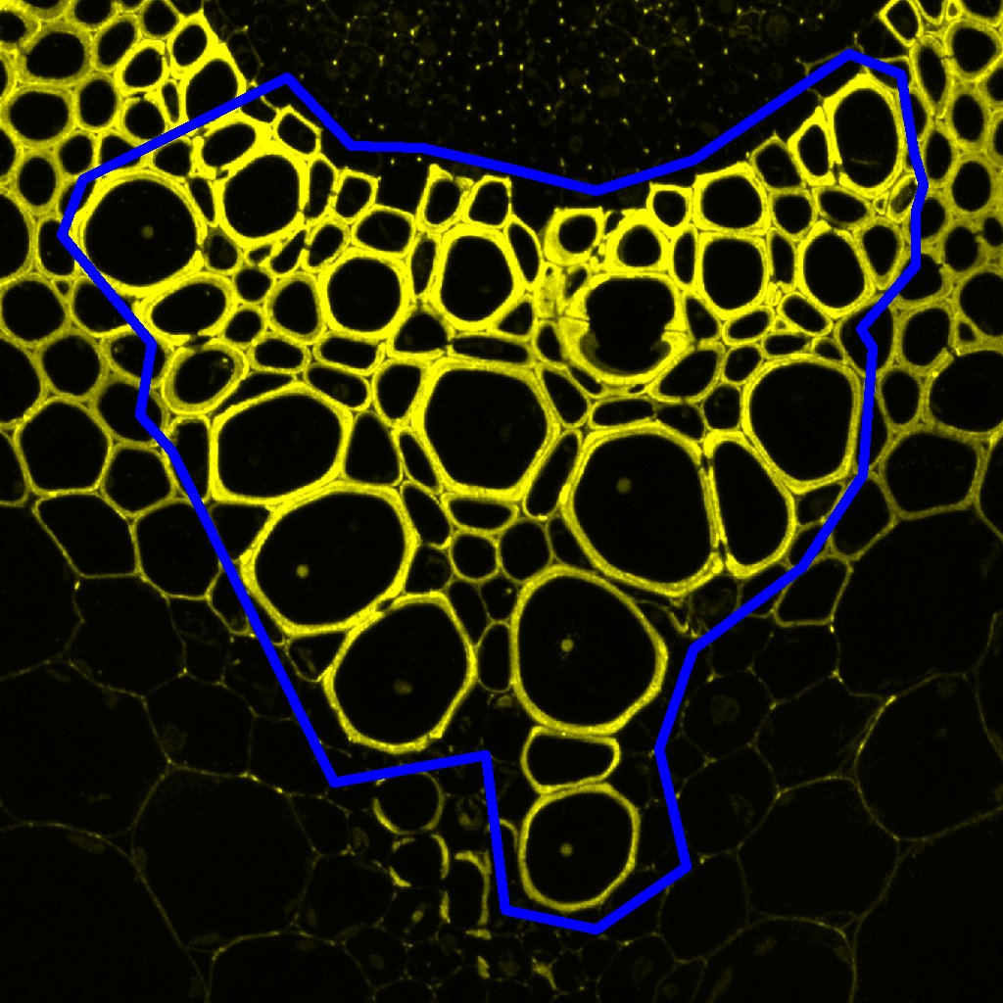
 | template image representative

