Fig. 2A
SOURCE DATA FOR
Fig. 2A

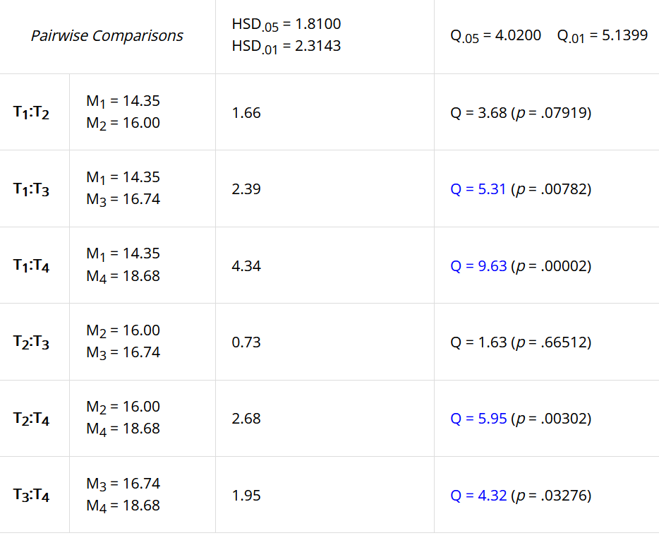
HEK293T cells
 | rotenone | antimycin | KCN | oligomycin
 | 14.14 | 15.98 | 14.36 | 18.21
 | 15.23 | 16.78 | 17.42 | 19.08
 | 12.85 | 15.05 | 17.93 | 18.76
 | 14.90 | 15.17 | 15.94 | 19.20
 | 14.99 |  |  | 18.16
 | 13.97 | 17.04 | 18.03
mean | 14.35 | 16.00 | 16.74 | 18.68
SD | 0.89 | 0.91 | 1.57 | 0.48

One-way ANOVA + Tukey HSD
https://www.socscistatistics.com

Rot-Ant | ns
Rot-KCN | **
Rot-Oli | ***
Ant-KCN | ns
Ant-Oli | **
KCN-Oli | *

