Fig. 2B
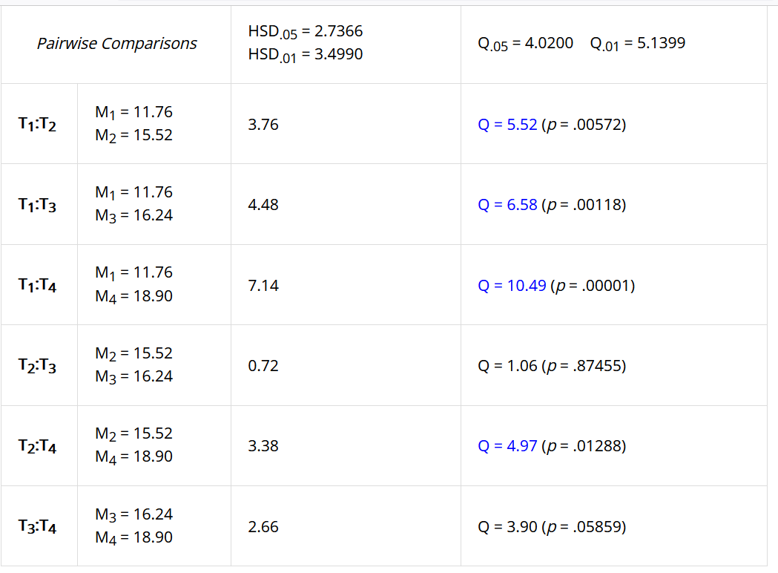
SOURCE DATA FOR
Fig. 2B

U2OS cells
 | rotenone | antimycin | KCN | oligomycin
 | 12.39 | 15.20 | 17.71 | 18.39
 | 11.90 | 16.55 | 17.77 | 19.61
 | 9.15 | 16.68 | 17.46 | 19.73
 | 10.49 | 15.00 | 13.18 | 18.29
 | 14.74 | 14.15
 | 11.89 |  | 15.08 | 18.47
mean | 11.76 | 15.52 | 16.24 | 18.90
SD | 1.88 | 1.08 | 2.04 | 0.71

One-way ANOVA + Tukey HSD
https://www.socscistatistics.com

Rot-Ant | **
Rot-KCN | **
Rot-Oli | ***
Ant-KCN | ns
Ant-Oli | *
KCN-Oli | ns

