Fig. 2C
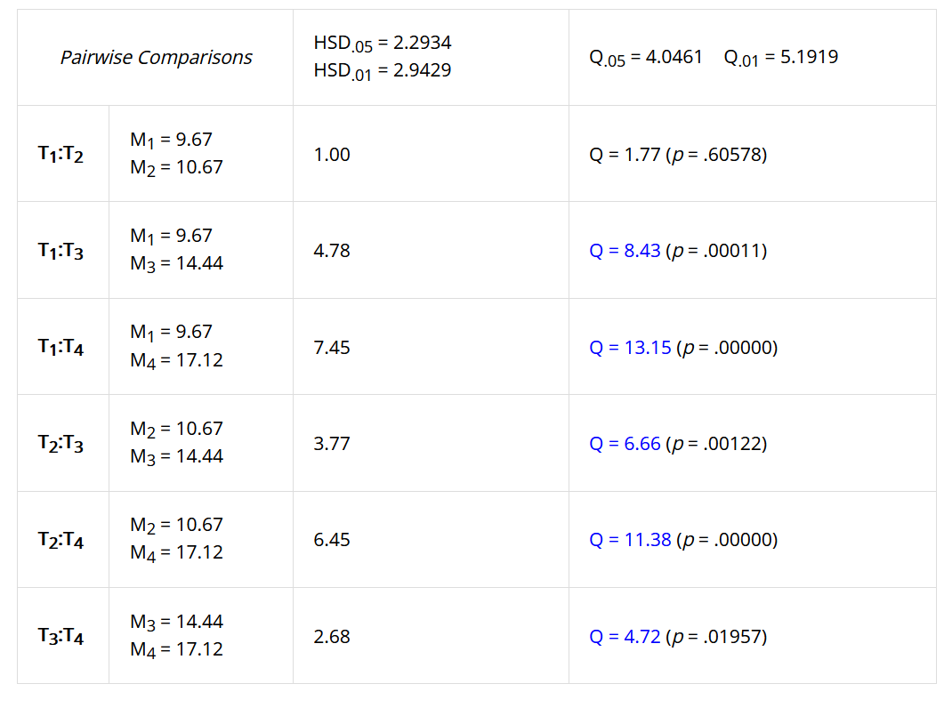
SOURCE DATA FOR
Fig. 2C

iMEF(L7) cells
 | rotenone | antimycin | KCN | oligomycin
 | 10.78 | 8.48 | 12.04 | 16.85
 | 8.14 | 11.21 | 14.44 | 17.21
 | 10.56 | 9.84 | 15.55 | 18.53
 | 9.89 | 11.36 | 14.86 | 15.96
 | 8.96 | 12.45 | 15.32 | 17.04

mean | 9.67 | 10.67 | 14.44 | 17.12
SD | 1.11 | 1.53 | 1.41 | 0.92

One-way ANOVA + Tukey HSD
https://www.socscistatistics.com

Rot-Ant | ns
Rot-KCN | ***
Rot-Oli | ***
Ant-KCN | **
Ant-Oli | ***
KCN-Oli | *

