Fig. 2D
SOURCE DATA FOR
Fig. 2D

iMEF(P) cells
 |  | rotenone | antimycin | rot+ant | KCN | oligomycin
 |  | 11.65 | 5.58 | 10.84 | 13.14 | 17.97
 |  | 6.72 | 9.84 | 8.27 | 14.94 | 18.74
 |  | 8.77 | 8.71 | 9.60 | 13.07 | 17.52
 |  | 11.78 | 12.08 | 10.60 | 13.64 | 17.69
 |  | 12.14 | 10.52 | 9.48 | 12.01 | 16.87
 |  | 10.82
mean |  | 10.31 | 9.35 | 9.76 | 13.36 | 17.76
SD |  | 2.14 | 2.43 | 1.02 | 1.06 | 0.68

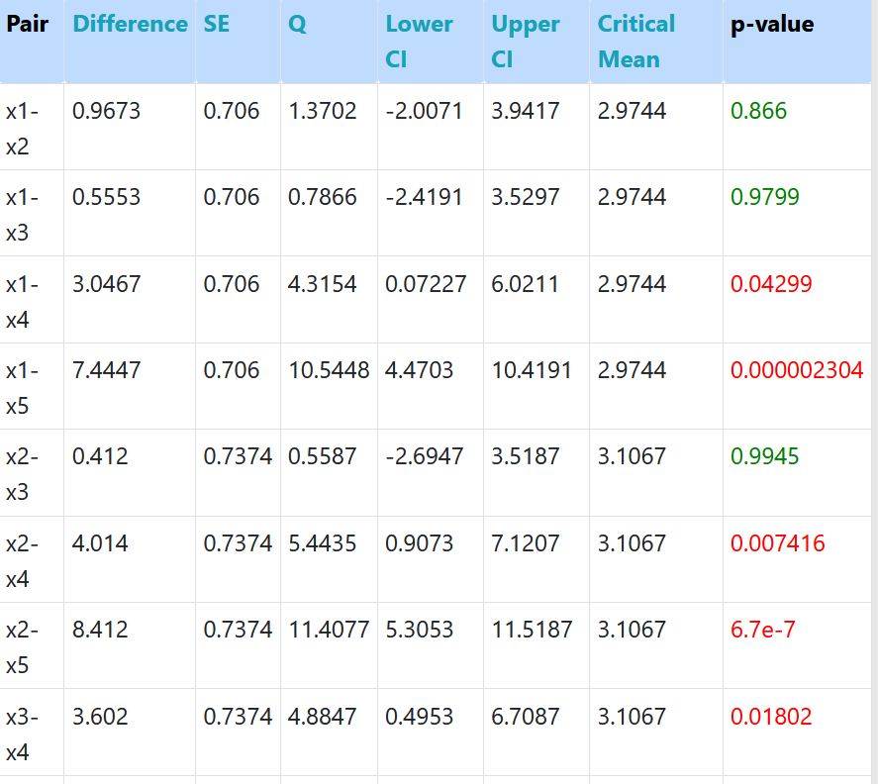
One-way ANOVA + Tukey HSD
www.statskingdom.com

Rot-KCN | *
Rot-Oli | ***
Ant-KCN | **
Ant-Oli | ***
R+A-KCN | *
R+A-oli | ***
KCN-Oli | **

