Fig. 2E
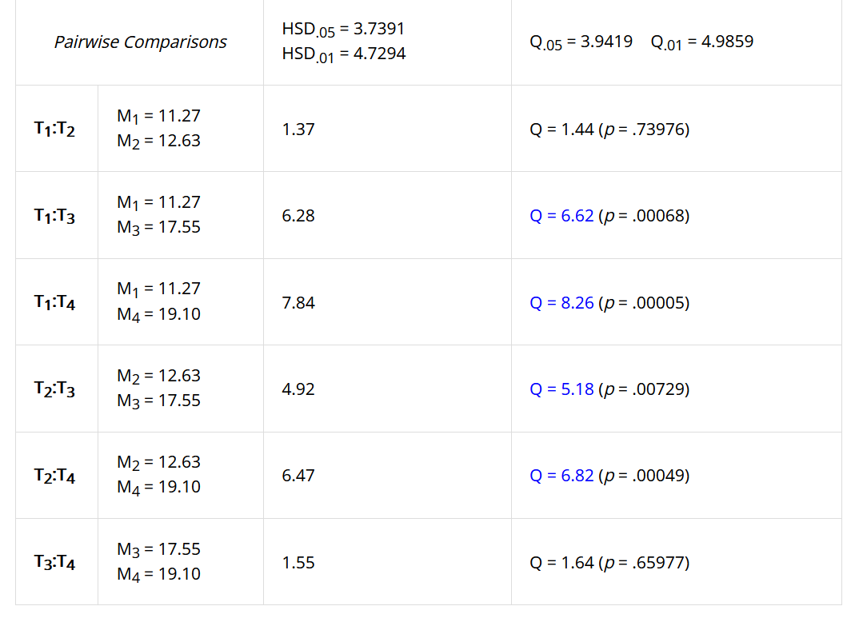
SOURCE DATA FOR
Fig. 2E

S2 cells
 | rotenone | antimycin | KCN | oligomycin
 | 8.45 | 15.23 | 14.73 | 19.42
 | 16.10 | 9.46 | 17.35 | 18.75
 | 8.82 | 8.50 | 15.28 | 18.08
 | 9.60 | 14.20 | 19.50 | 19.10
 | 11.79 | 16.10 | 19.60 | 18.68
 | 12.83 | 12.31 | 18.80 | 20.57
 |  |  | 17.58
mean | 11.27 | 12.63 | 17.54 | 19.10
SD | 2.92 | 3.11 | 2.13 | 0.85

One-way ANOVA + Tukey HSD
https://www.socscistatistics.com

Rot-Ant | ns
Rot-KCN | ***
Rot-Oli | ***
Ant-KCN | **
Ant-Oli | ***
KCN-Oli | ns

