Fig. 5F
SOURCE DATA FOR
Fig. 5F
Effect of BKA

 | mean | SD | actual numbers |  |  | stats from https://astatsa.com/OneWay_Anova_with_TukeyHSD

Initial (5-10 min) | 53.3 | 2.1 | 54.1 | 50.9 | 54.9
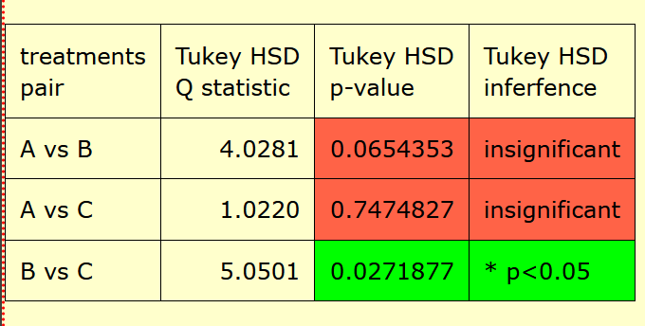
+BKA (11-17 min) | 57.8 | 2.0 | 58.1 | 55.6 | 59.6

Final (30-35 min) | 52.2 | 1.6 | 53.9 | 50.8 | 51.8

