Fig. 7A
SOURCE DATA FOR
Fig. 7A

extrapolated temperatures after anisomycin treatment, using mito-gTEMP and calibration curve of Fig. 3D
iMEF(P) cells

Time of anisomycin treatment (h) | iMEF(P) |  |  | Statistics from https://astatsa.com/OneWay_Anova_with_TukeyHSD/
 | mean | SD | actual numbers

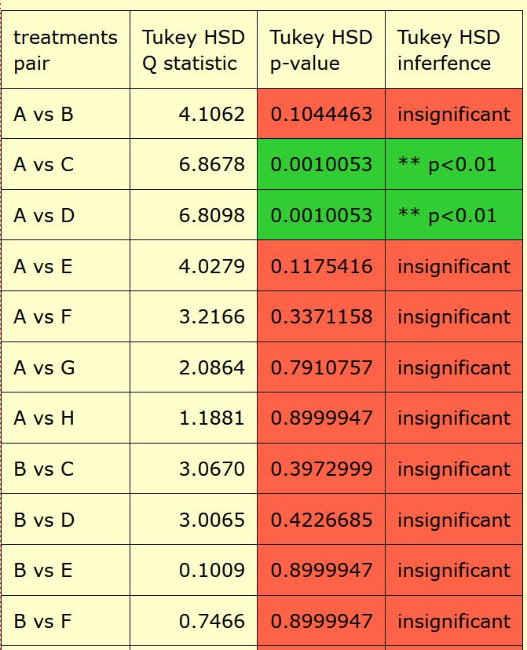
0 | 52.2 | 2.2 | 54.7
 |  |  | 52.7
 |  |  | 53.2
 |  |  | 48.8
 |  |  | 51.7

1 | 56.2 | 1.4 | 55.1
 |  |  | 54.9
 |  |  | 52.7
 |  |  | 54.2
 |  |  | 56.4
 |  |  | 56.3

2 | 56.9 | 1.2 | 56.5
 |  |  | 58.2
 |  |  | 57.3
 |  |  | 55.2
 |  |  | 57.6

3 | 56.9 | 1.0 | 57.3
 |  |  | 56.6
 |  |  | 58.4
 |  |  | 56.0
 |  |  | 56.3

4 | 55.0 | 1.4 | 57.0
 |  |  | 53.6
 |  |  | 55.5
 |  |  | 55.3
 |  |  | 53.6

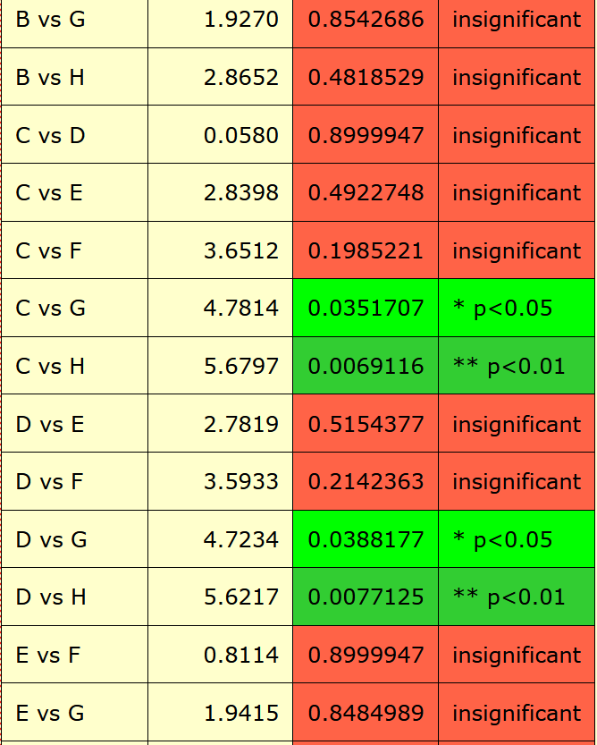
5 | 54.4 | 1.7 | 55.3
 |  |  | 55.2
 |  |  | 55.6
 |  |  | 54.6
 |  |  | 51.5

6 | 53.7 | 1.9 | 55.4
 |  |  | 54.2
 |  |  | 50.8
 |  |  | 55.0
 |  |  | 52.9

18 | 53.0 | 1.3 | 53.8
 |  |  | 52.9
 |  |  | 52.9
 |  |  | 51.0
 |  |  | 54.6

