Fig. 7B
SOURCE DATA FOR
Fig. 7B

extrapolated temperatures after anisomycin treatment, using mito-gTEMP and calibration curve of Fig. 3D
iMEF(AOX) cells

Time of anisomycin treatment (h) | iMEF(AOX)
 | mean | SD | actual numbers | https://astatsa.com/OneWay_Anova_with_TukeyHSD

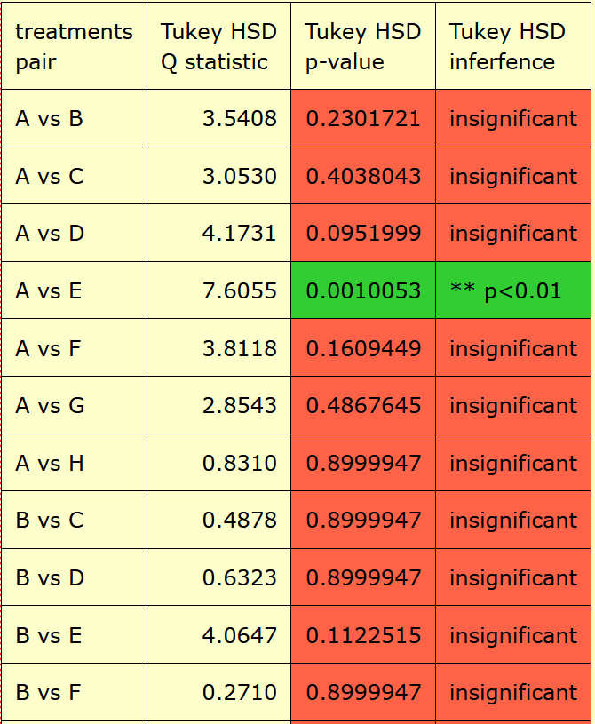
0 | 52.8 | 1.6 | 54.0
 |  |  | 51.6
 |  |  | 53.3
 |  |  | 50.8
 |  |  | 54.4

1 | 56.7 | 1.0 | 56.6
 |  |  | 58.0
 |  |  | 57.6
 |  |  | 55.9
 |  |  | 55.6

2 | 56.2 | 1.1 | 56.5
 |  |  | 56.7
 |  |  | 54.3
 |  |  | 57.2
 |  |  | 56.3

3 | 57.4 | 2.1 | 59.2
 |  |  | 59.7
 |  |  | 54.6
 |  |  | 56.6
 |  |  | 57.1

4 | 61.2 | 5.7 | 67.8
 |  |  | 59.5
 |  |  | 66.8
 |  |  | 55.3
 |  |  | 56.8

5 | 57.0 | 1.3 | 56.5
 |  |  | 55.3
 |  |  | 57.4
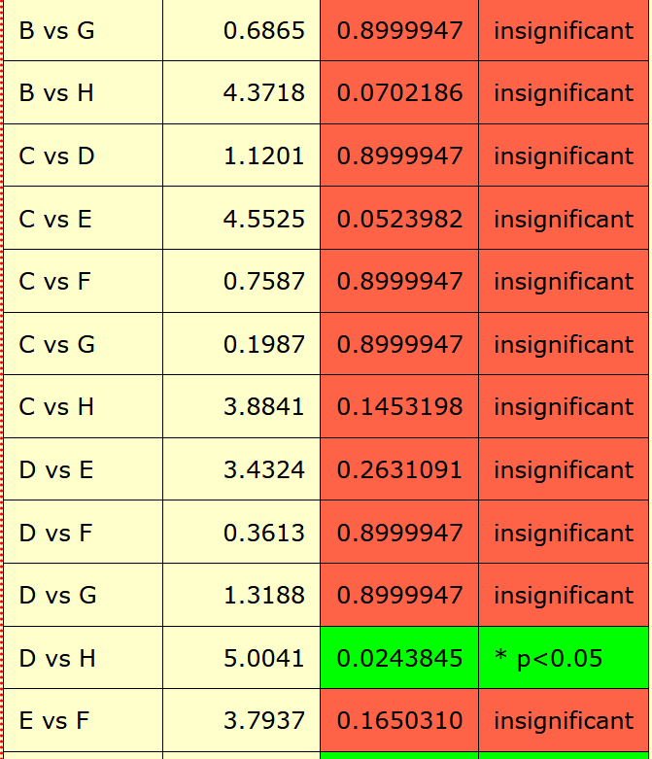
 |  |  | 58.8
 |  |  | 57.2

6 | 56.0 | 1.9 | 57.9
 |  |  | 54.2
 |  |  | 58.2
 |  |  | 55.2
 |  |  | 54.4

18 | 51.9 | 1.3 | 51.1
 |  |  | 54.1
 |  |  | 51.8
 |  |  | 50.9
 |  |  | 51.6

