Methods & Figure1
Methods
The proteins in the gel bands are reduced with dithiothreitol to break disulfide bond and the Cys residues are alkylated by iodoacetamide to allow the recovery of Cys-containing peptides. The gel bands are then washed, dried down in a speed vacuum, and rehydrated with a buffer containing a protease to allow the protease enter the gel. For routine protein identification, trypsin is used for overnight proteolysis. The next day digested samples are acidified and the peptides are extracted multiple times. The extracts are pooled, dried down and reconstituted in a small volume.
The peptide sample are loaded on a nanoscale capillary reverse phase C18 column by a HPLC system (Thermo EasynLC 1000), and eluted by a gradient (~90 min). The eluted peptides are ionized by electrospray ionization, and detected by an inline mass spectrometer (Thermo Elite). The MS spectra are collected first and the 20 most abundant ions are sequentially isolated for MS/MS analysis. This process is cycled over the entire liquid chromatography gradient.
Database searches are performed using Sequest search engine in our in-house SPIDERS software package. All matched MS/MS spectra were filtered by mass accuracy and matching scores to reduce protein false discovery rate to ~1%. Finally, all proteins identified in one gel lane are combined together. The total number of spectra, namely spectral counts (SC), matching to individual proteins may reflect their relative abundance in one sample after the protein size is normalized. Moreover, the SC is useful for comparing the level of the same protein across a number of samples (e.g. control and immunoprecipitated samples).
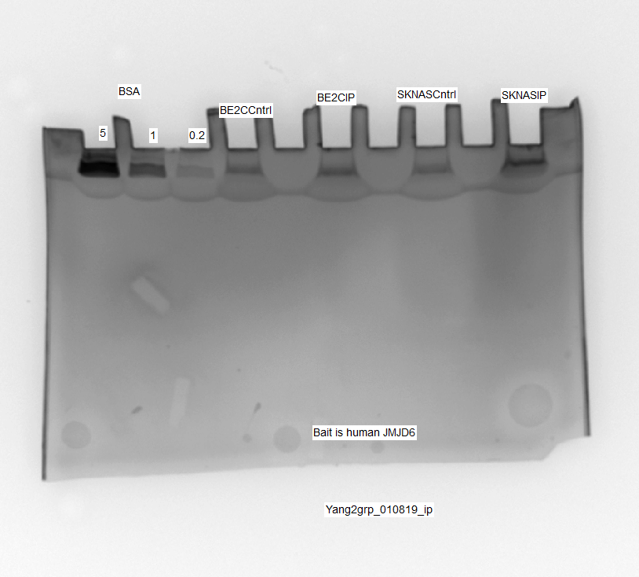
Figure 1. Stained SDS Gel image of submitted samples. The numbers indicate excised gel bands for digestion and LC-MS/MS.

