Figure 1-source data 3
Isothermal Titration Calorimetry (ITC)

T.brucei PKAR

 |  | Filename | KD (nM) | ∆H (kcal/mol) | ∆G (kcal/mol) | -T∆S (kcal/mol) | N (sites)

 |  | inosine Run 1 | 27.80 | -30.10 | -10.30 | 19.80 | 0.94
 |  | inosine Run 2 | 11.50 | -30.50 | -10.80 | 19.60 | 0.65
 |  | inosine Run 3 | 15.60 | -29.60 | -10.70 | 19.00 | 1.02
 |  | inosine Run 4 | 16.50 | -29.20 | -10.60 | 18.60 | 0.93

 | AVERAGE |  | 17.9 | -29.9 | -10.6 | 19.3 | 0.9
 | SDEV |  | 6.98 | 0.57 | 0.22 | 0.55 | 0.16
 | FINAL VALUE |  | 18 ± 7 | -30 ± 1 | -10,6 ± 0,2 | 19 ± 1 | 0,9 ± 0,2

 |  | Filename | KD (nM) | ∆H (kcal/mol) | ∆G (kcal/mol) | -T∆S (kcal/mol) | N (sites)

 |  | guanosine Run 1 | 197.00 | -25.1 | -9.15 | 16 | 0.88
 |  | guanosine Run 2 | 187.00 | -24.8 | -9.18 | 15.7 | 1.13
 |  | guanosine Run 3 | 127.00 | -24.2 | -9.41 | 14.7 | 1.09
 |  | guanosine Run 4 | 88.80 | -26.6 | -9.62 | 17 | 1.05

 | AVERAGE |  | 150.0 | -25.2 | -9.3 | 15.9 | 1.0
 | SDEV |  | 51.2 | 1.0 | 0.2 | 0.9 | 0.1
 | FINAL VALUE |  | 150 ± 51 | -25 ± 1 | -9,3 ± 0,2 | 16 ± 1 | 1,0 ± 0,1

 |  | Filename | KD (nM) | ∆H (kcal/mol) | ∆G (kcal/mol) | -T∆S (kcal/mol) | N (sites)

 |  | adenosine Run 1 | 1050.00 | -32 | -8.16 | 23.9 | 0.914
 |  | adenosine Run 2 | 1010.00 | -35.2 | -8.18 | 27.1 | 0.86
 |  | adenosine Run 3 | 884.00 | -34.1 | -8.26 | 25.8 | 0.907
 |  | adenosine Run 4 | 355.00 | -32.4 | -8.8 | 23.6 | 0.715

 | AVERAGE |  | 824.8 | -33.4 | -8.4 | 25.1 | 0.8
 | SDEV |  | 321.1 | 1.5 | 0.3 | 1.7 | 0.1
 | FINAL VALUE |  | 825 ± 321 | - 33 ± 2 | -8,4 ± 0,3 | 25 ± 2 | 0,8 ± 0,1

 | Inosine Run 1 |  | Inosine Run 2 |  |  | Inosine Run 3

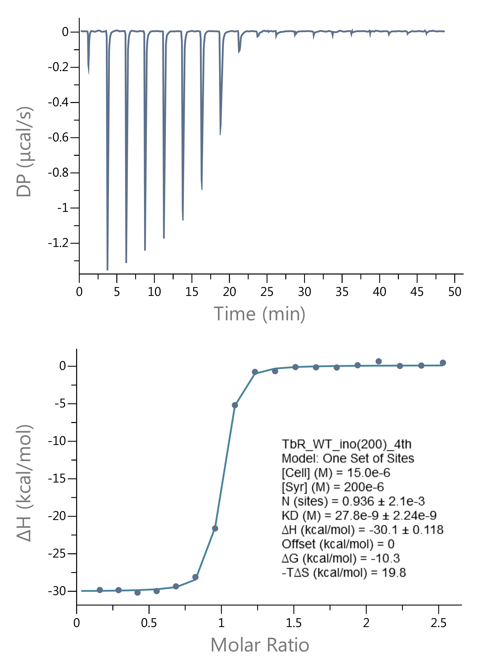
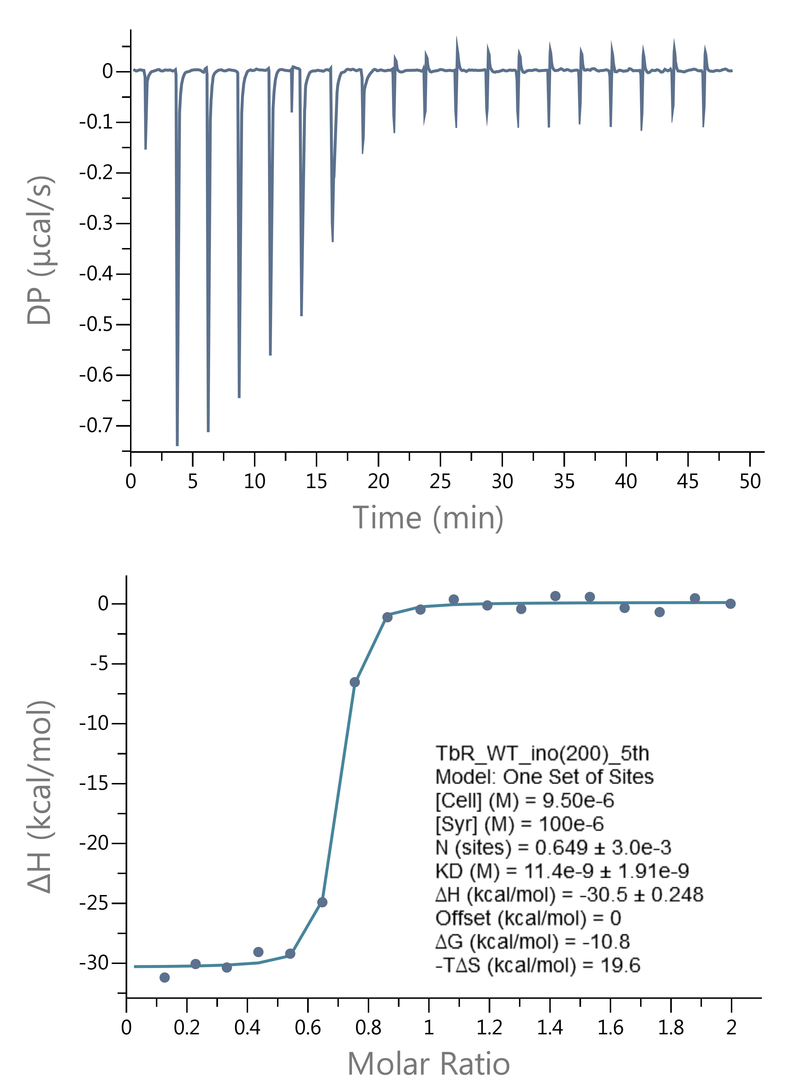
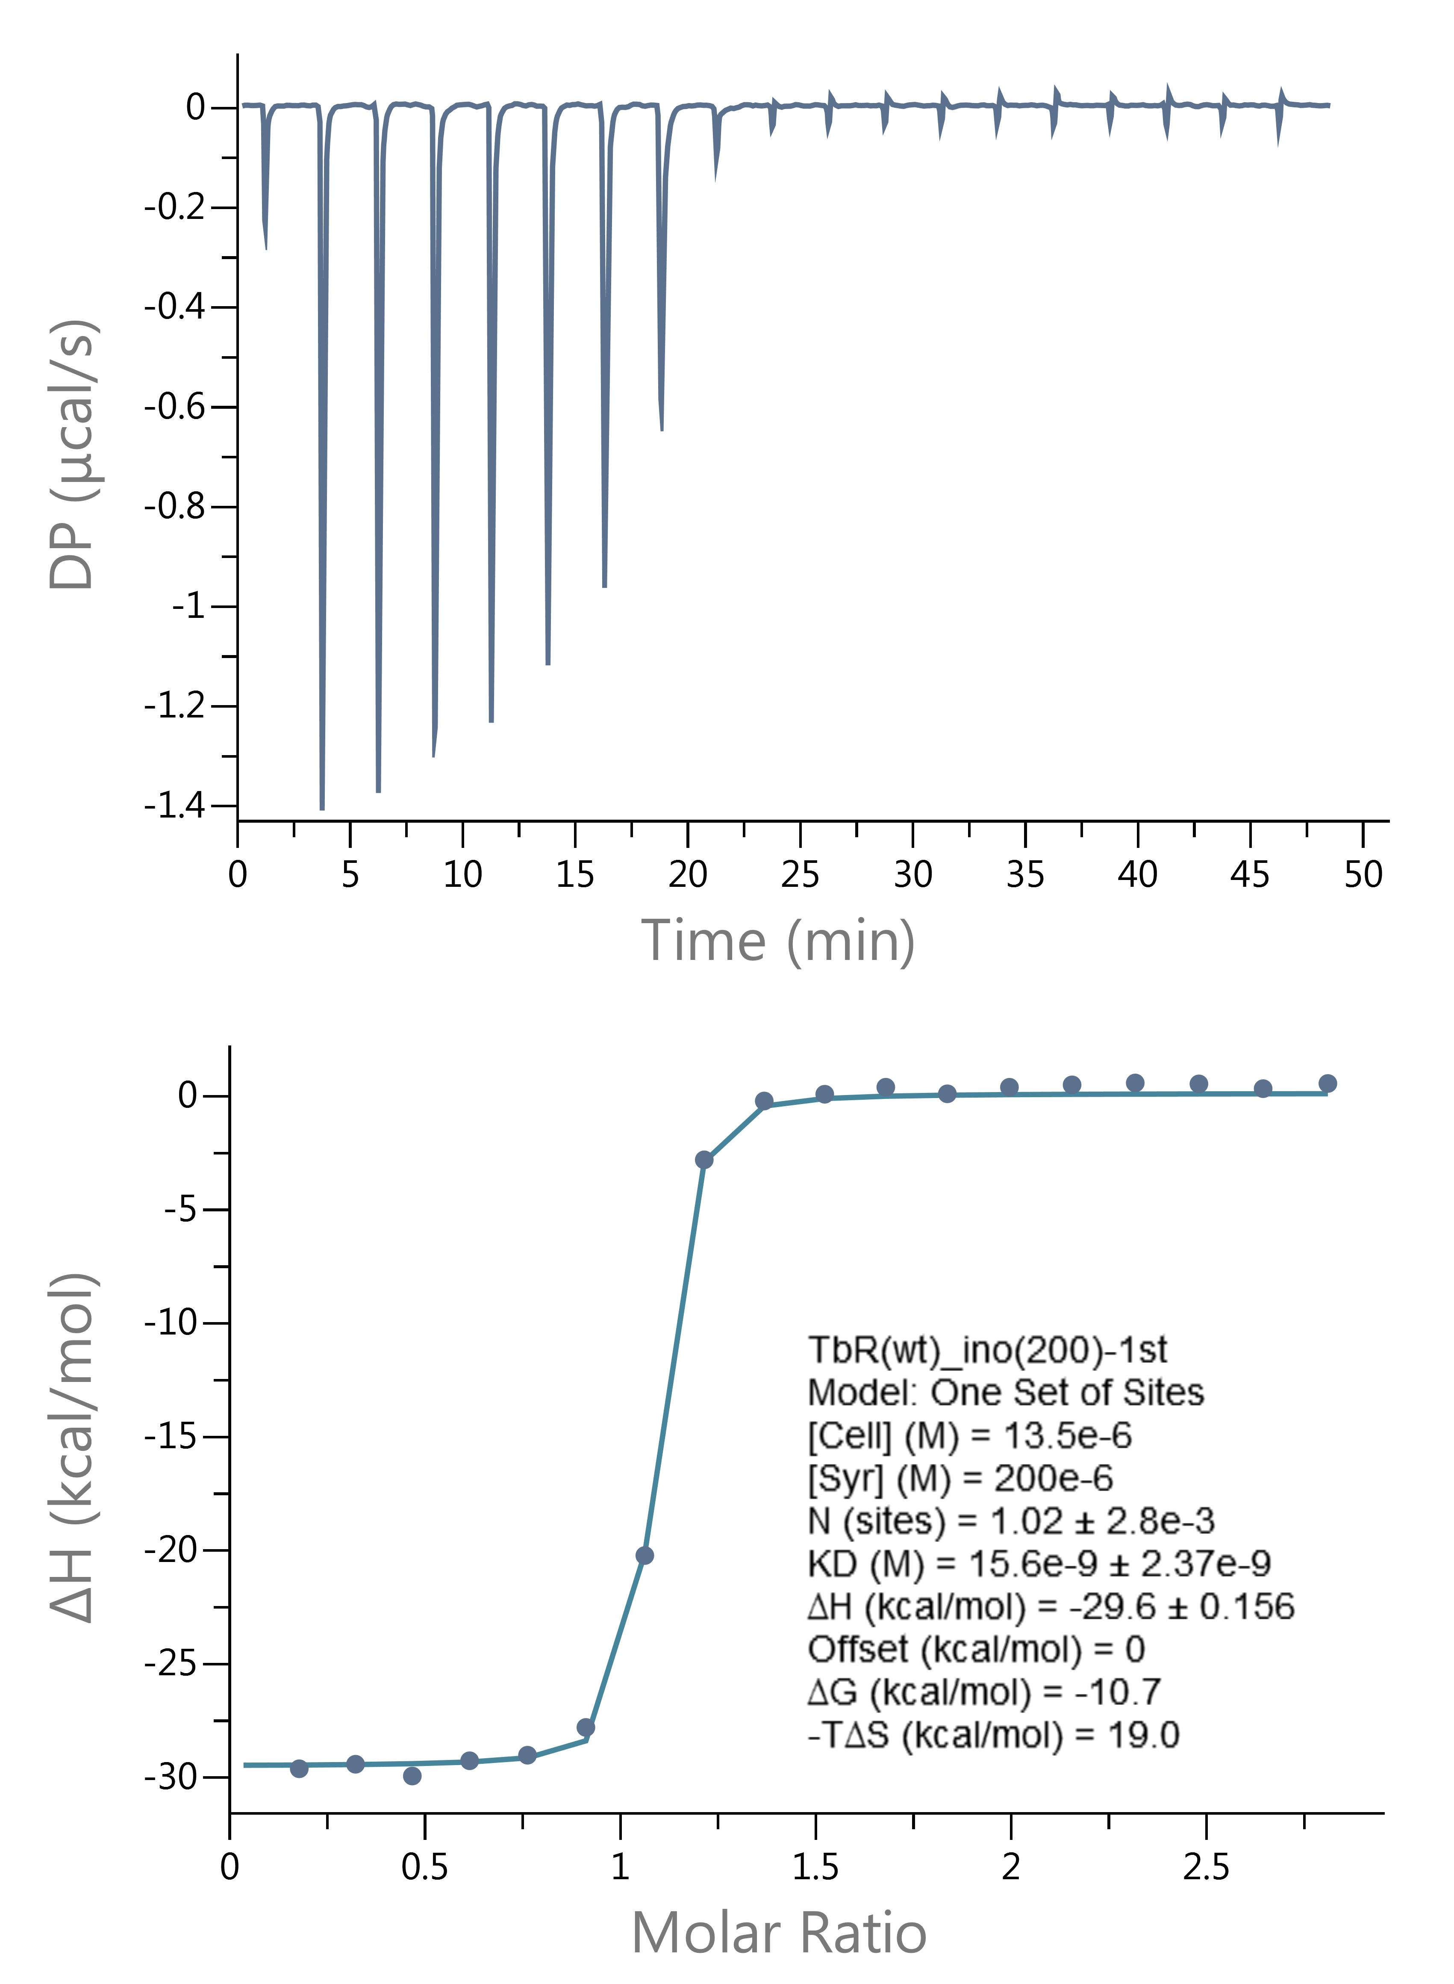

 | Inosine Run 4

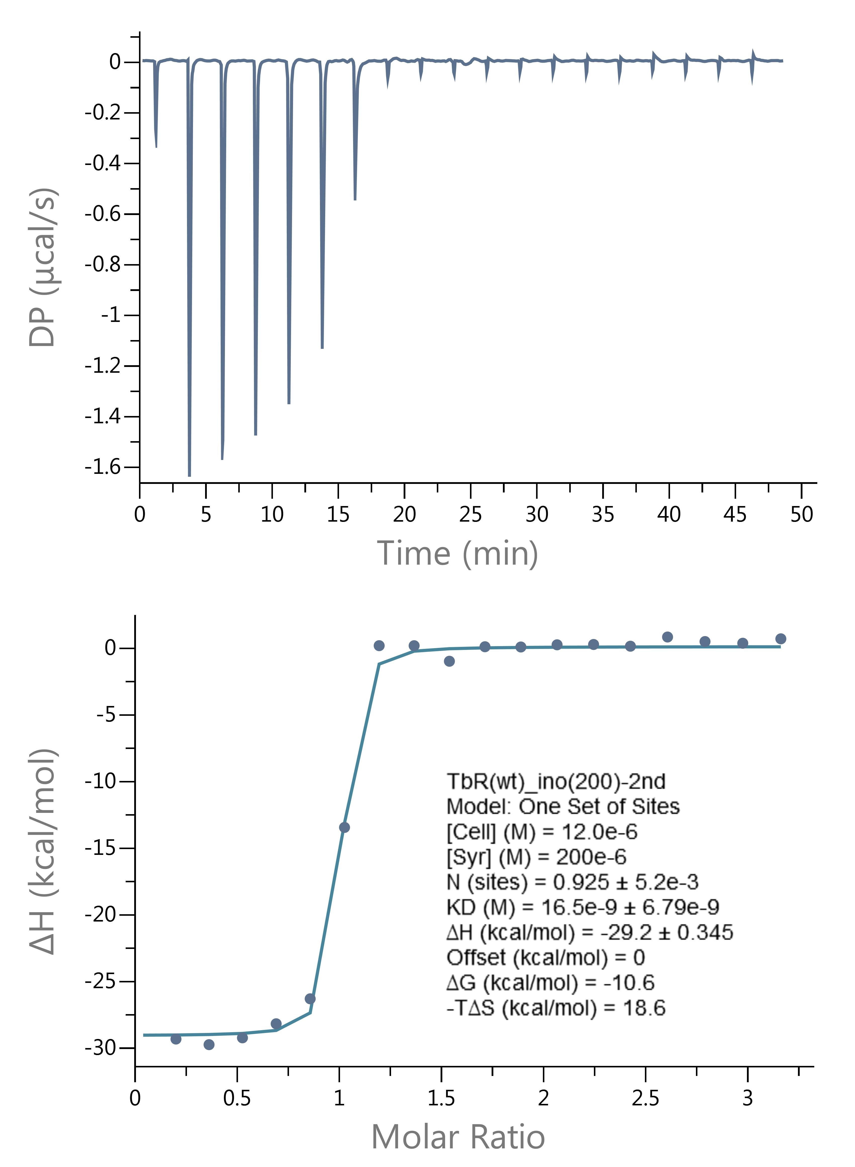

 | Guanosine Run 1 |  | Guanosine Run 2 |  |  | Guanosine Run 3

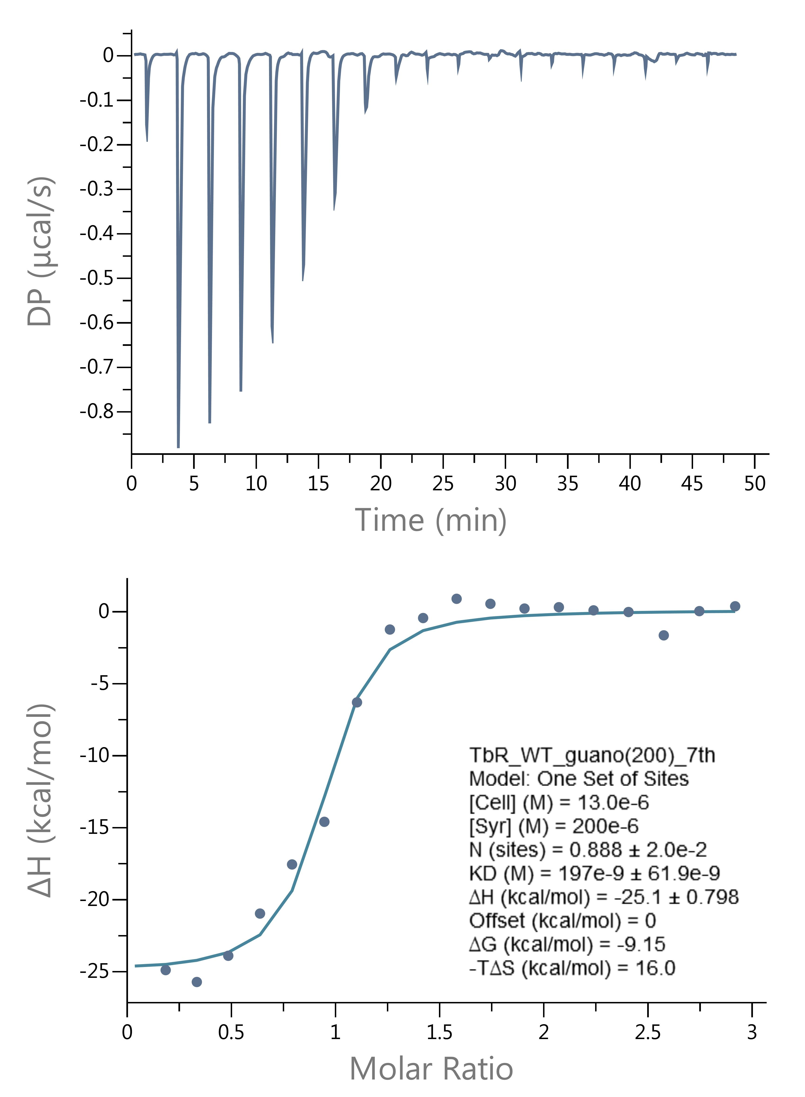
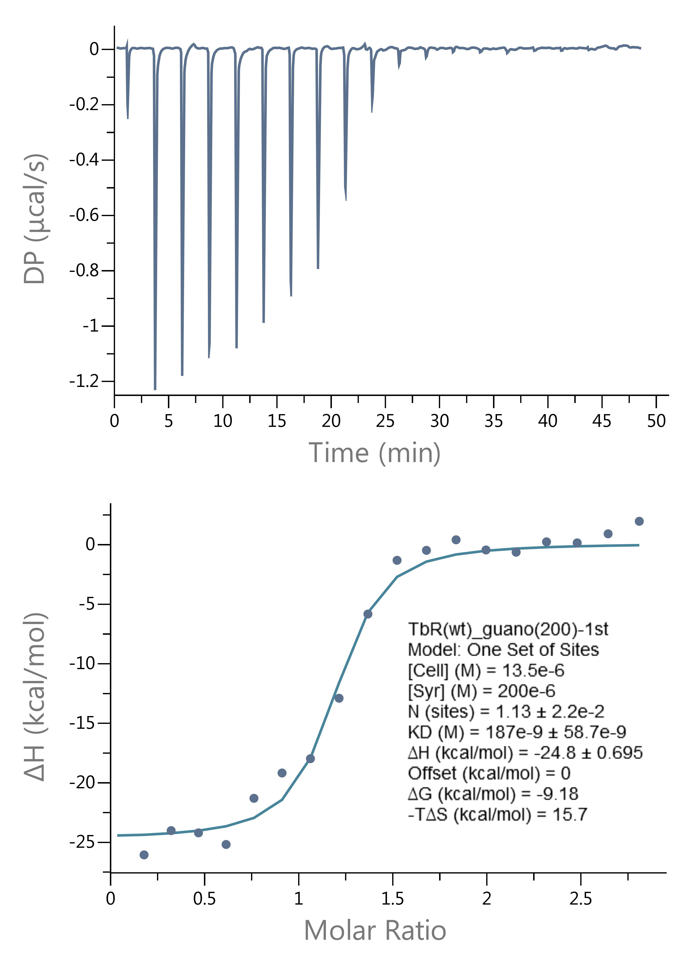
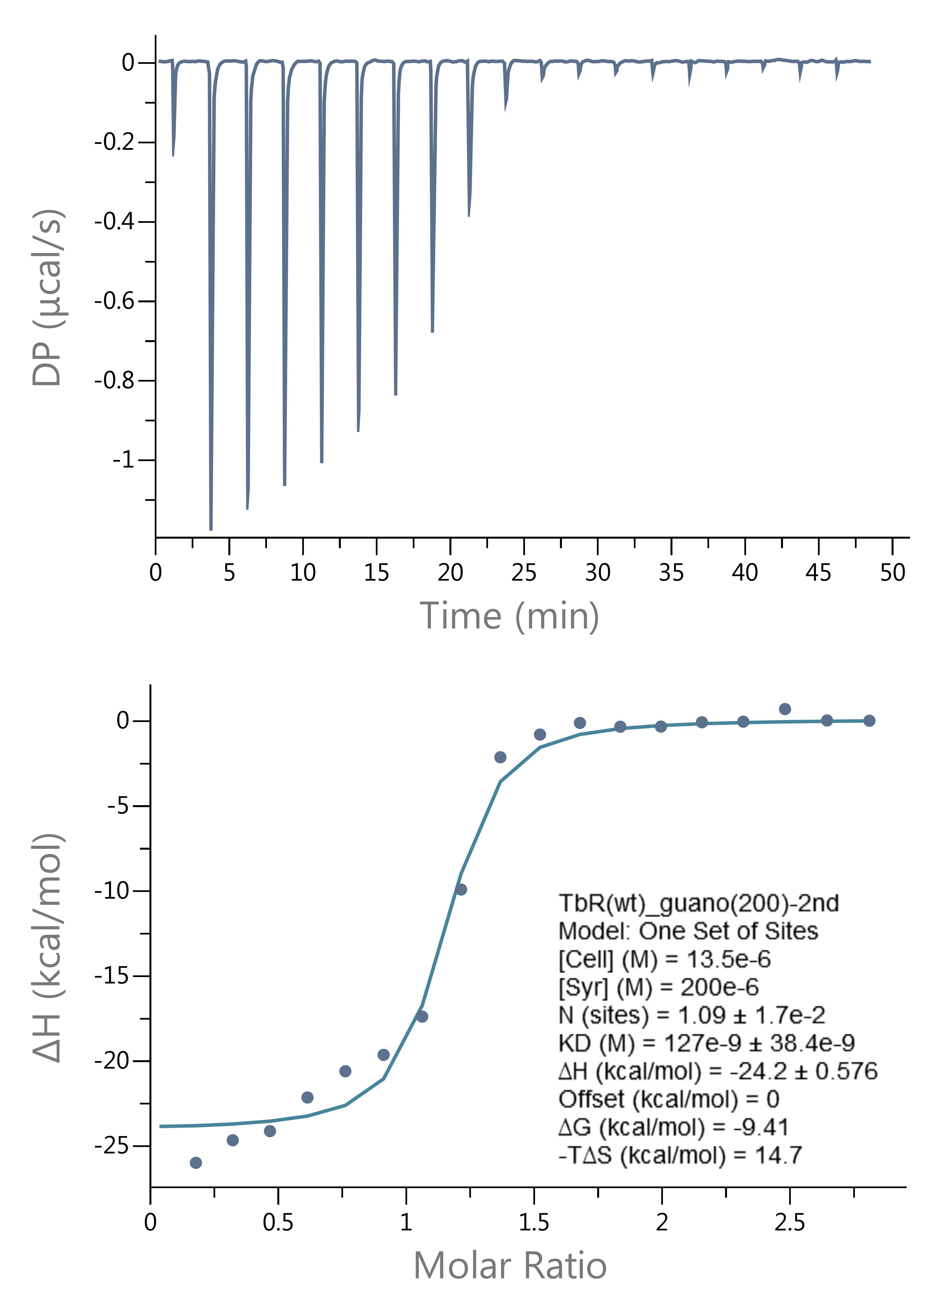

 | Guanosine Run 4

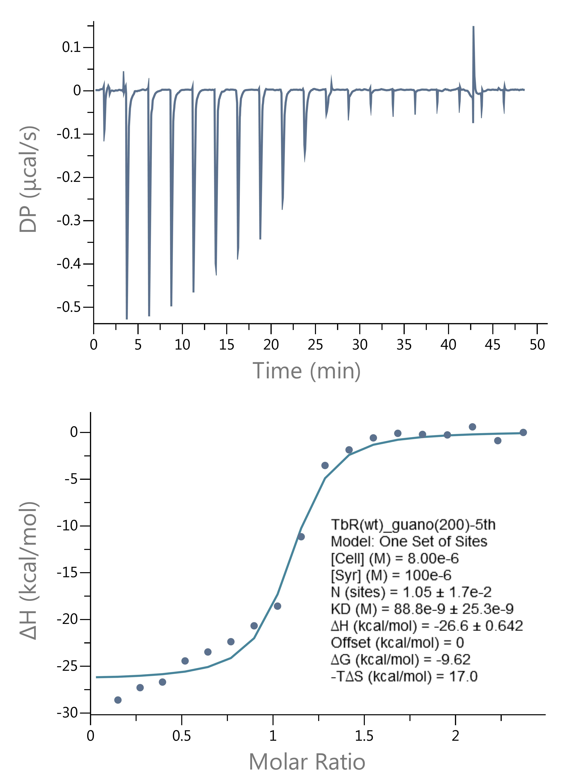

 | Adenosine Run 1 |  | Adenosine Run 2 |  |  | Adenosine Run 3

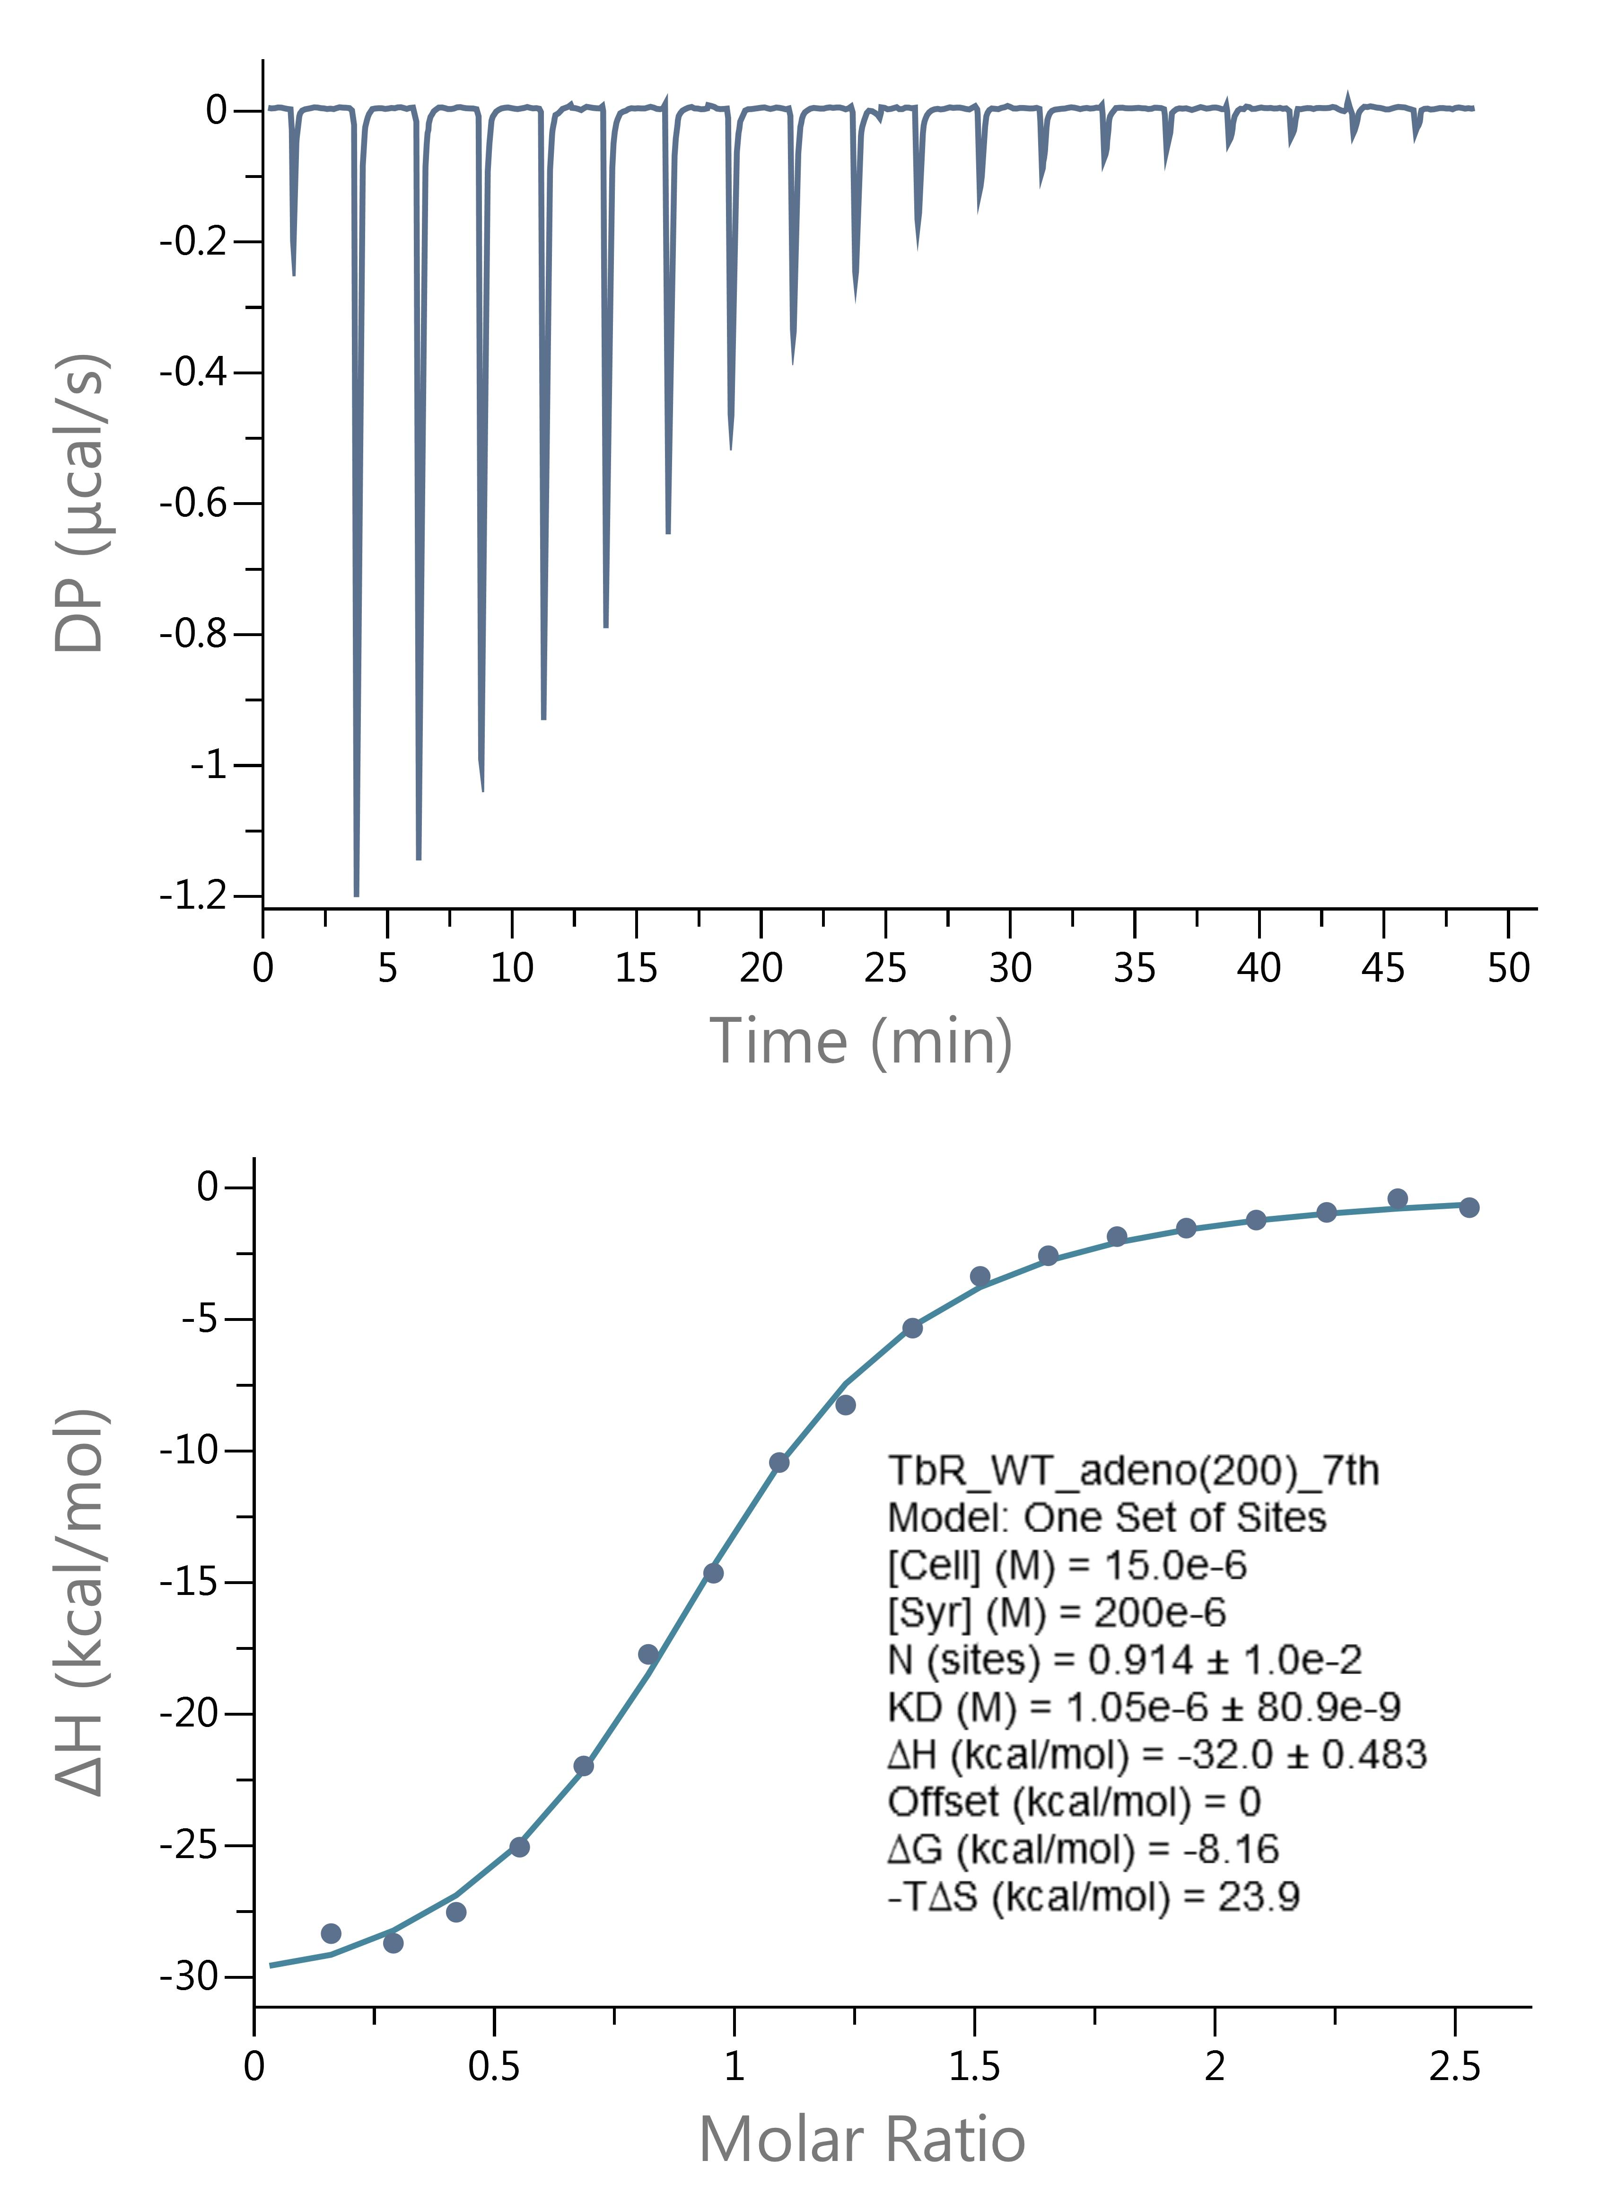
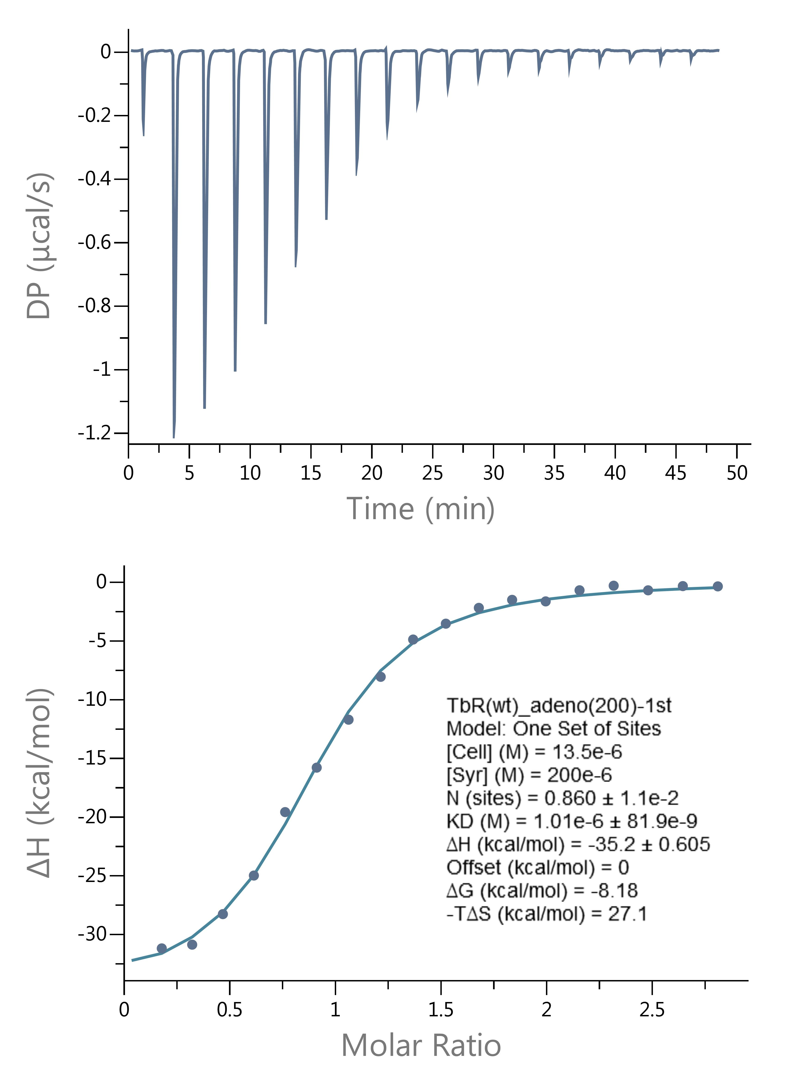
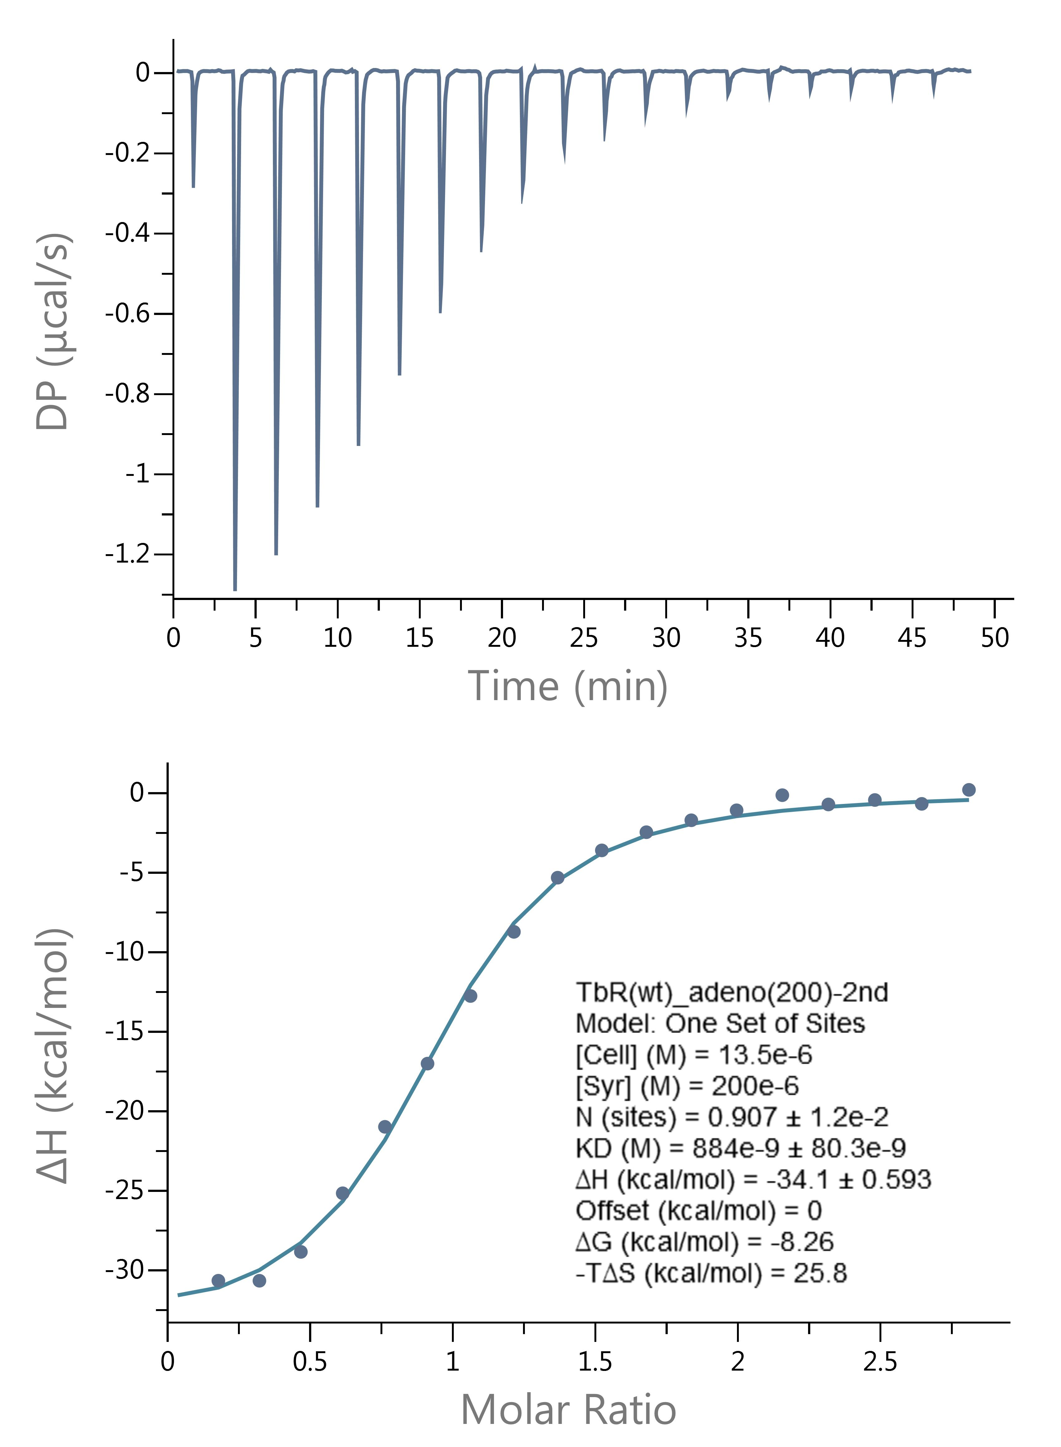

 | Adenosine Run 4

