Figure 1-source data 4
L.donovani PKAR

 |  | Filename | KD (nM) | ∆H (kcal/mol) | ∆G (kcal/mol) | -T∆S (kcal/mol) | N (sites)
 |  | inosine Run 1 | 41.5 | -21.0 | -10.1 | 10.9 | 2.0
 |  | inosine Run 2 | 59.6 | -32.4 | -9.9 | 22.6 | 1.3
 |  | inosine Run 3 | 75 | -32.6 | -9.7 | 22.9 | 1.5

 | AVERAGE |  | 58.7 | -28.7 | -9.9 | 18.8 | 1.6
 | SDEV |  | 16.8 | 6.6 | 0.2 | 6.8 | 0.4
 | FINAL VALUE |  | 59 ± 17 | -29 ± 7 | -9,9 ± 0,2 | 19 ± 7 | 1,6 ± 0,4

 |  | Filename | KD (nM) | ∆H (kcal/mol) | ∆G (kcal/mol) | -T∆S (kcal/mol) | N (sites)
 |  | guanosine Run 1 | 149.0 | -25.6 | -9.3 | 16.2 | 1.4
 |  | guanosine Run 2 | 130.0 | -24.0 | -9.4 | 14.6 | 1.3
 |  | guanosine Run 3 | 239.0 | -17.5 | -9.0 | 8.5 | 1.9

 | AVERAGE |  | 172.7 | -22.4 | -9.3 | 13.1 | 1.5
 | SDEV |  | 58.2 | 4.3 | 0.2 | 4.1 | 0.3
 | FINAL VALUE |  | 173 ± 58 | -22 ± 4 | -9,3 ± 0,2 | 13 ± 4 | 1,5 ± 0,3

 |  | Filename | KD (nM) | ∆H (kcal/mol) | ∆G (kcal/mol) | -T∆S (kcal/mol) | N (sites)
 |  | adenosine Run 1 | 1280.0 | -13.7 | -8.0 | 5.7 | 2.1
 |  | adenosine Run 2 | 852.0 | -16.4 | -8.3 | 8.1 | 1.9
 |  | adenosine Run 3 | 1340.0 | -18.8 | -8.0 | 10.8 | 2.1

 | AVERAGE |  | 1157.3 | -16.3 | -8.1 | 8.2 | 2.0
 | SDEV |  | 266.1 | 2.6 | 0.1 | 2.6 | 0.1
 | FINAL VALUE |  | 1157 ± 266 | -16,3 ± 2,6 | -8,1 ± 0,1 | 8,2 ± 2,6 | 2,0 ± 0,1

 | Inosine Run 1 |  | Inosine Run 2 |  |  | Inosine Run 3

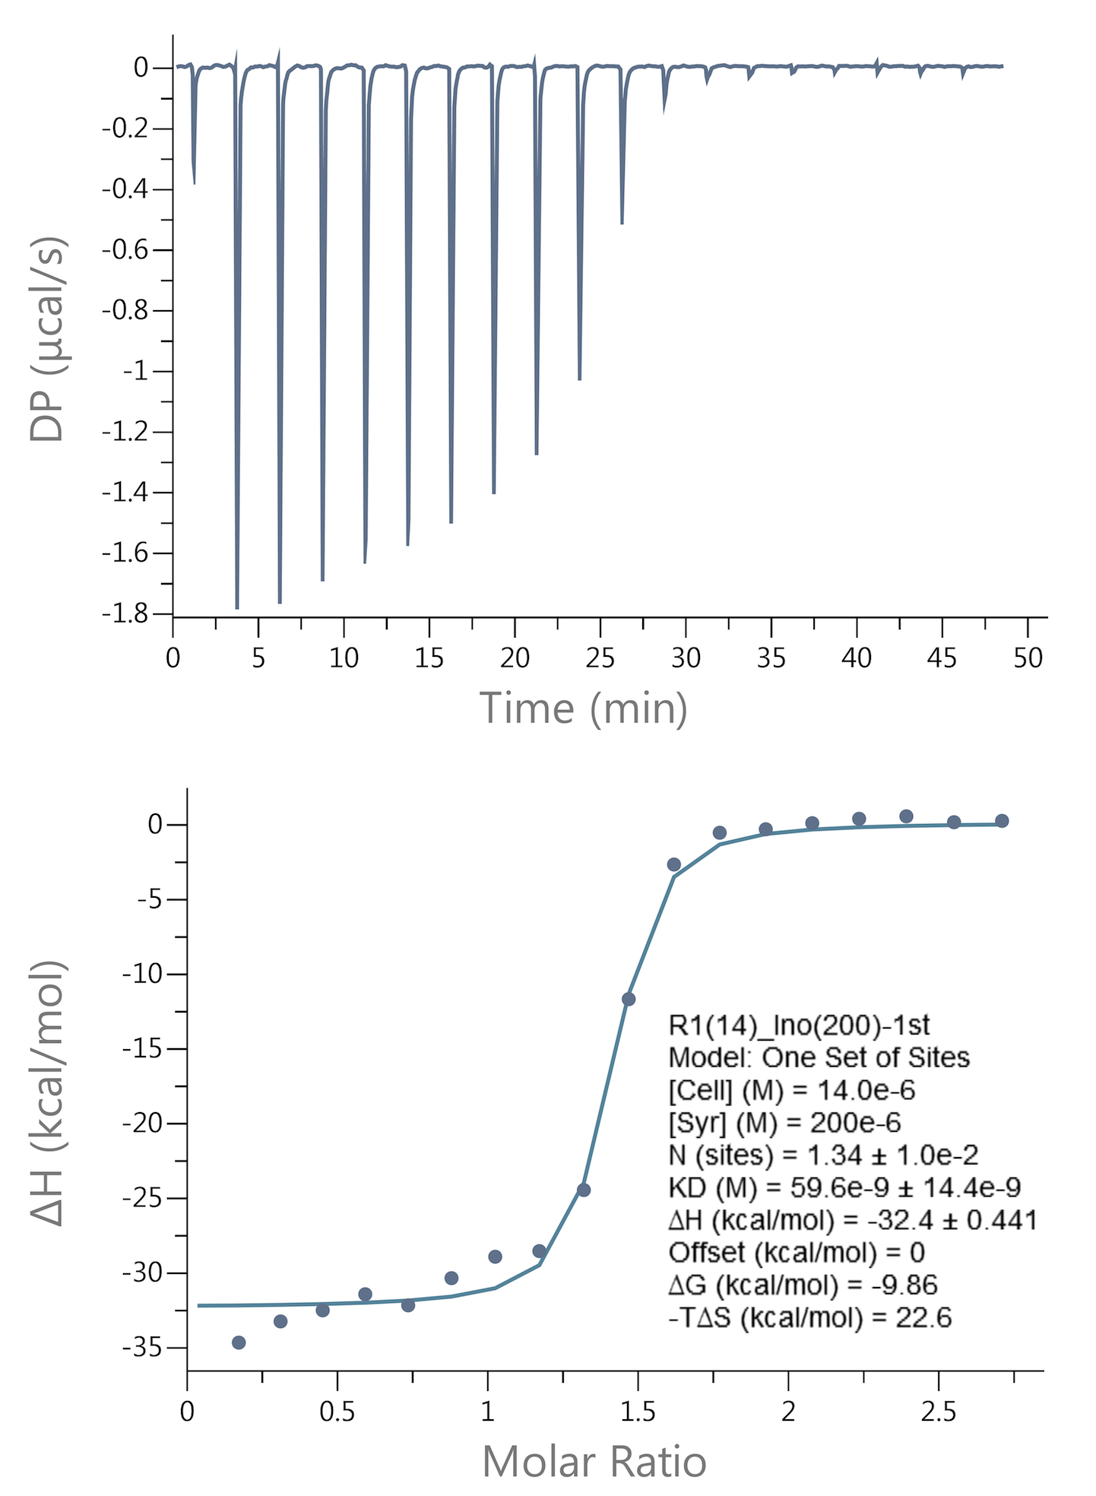
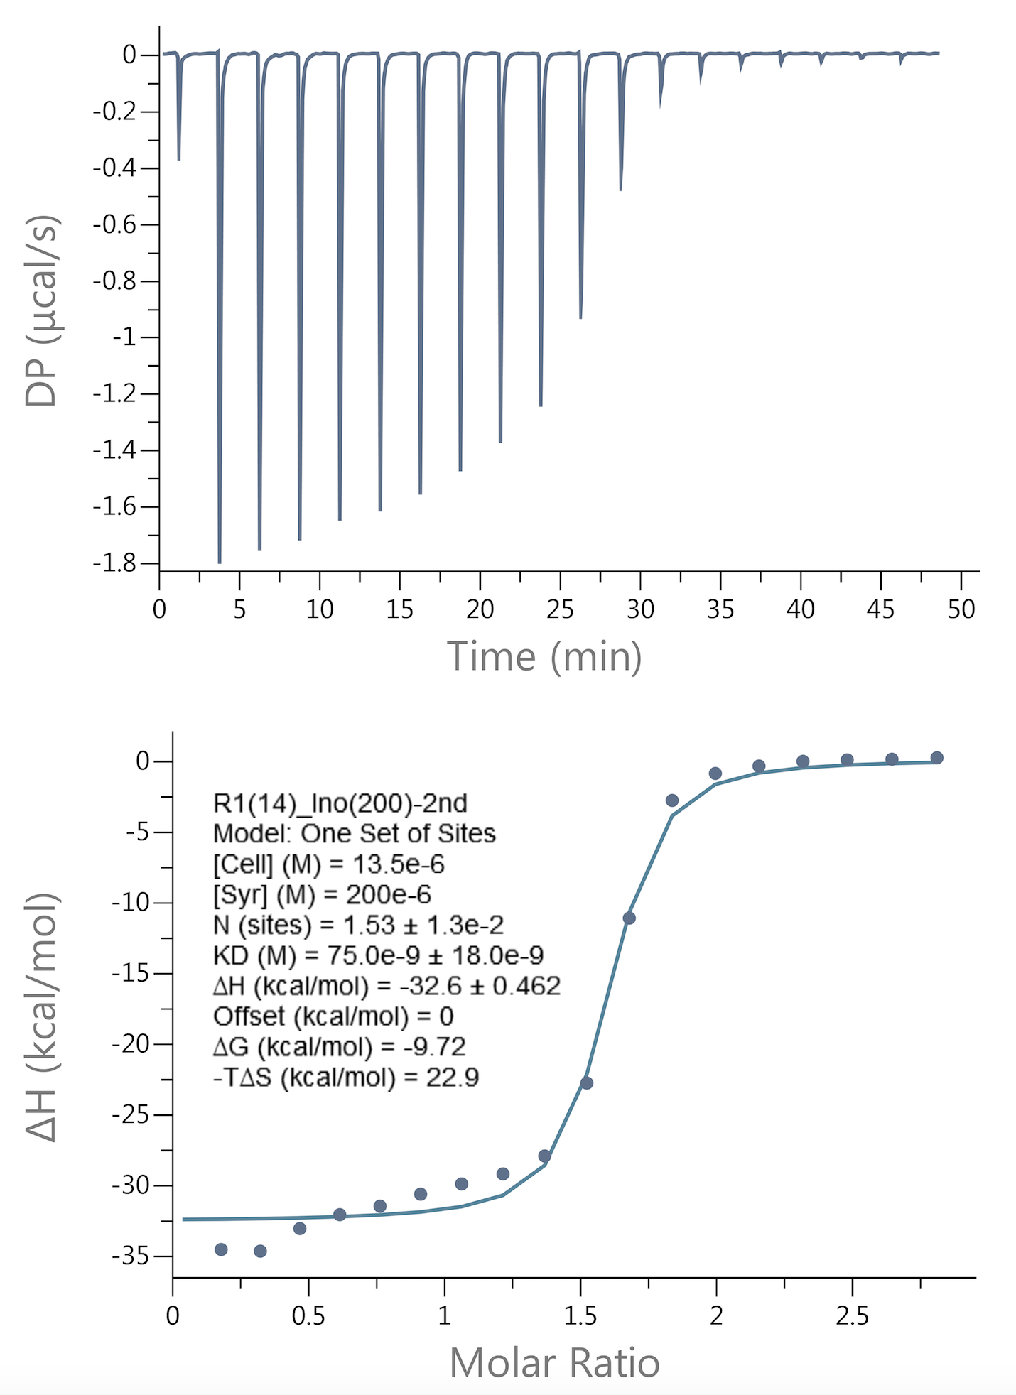
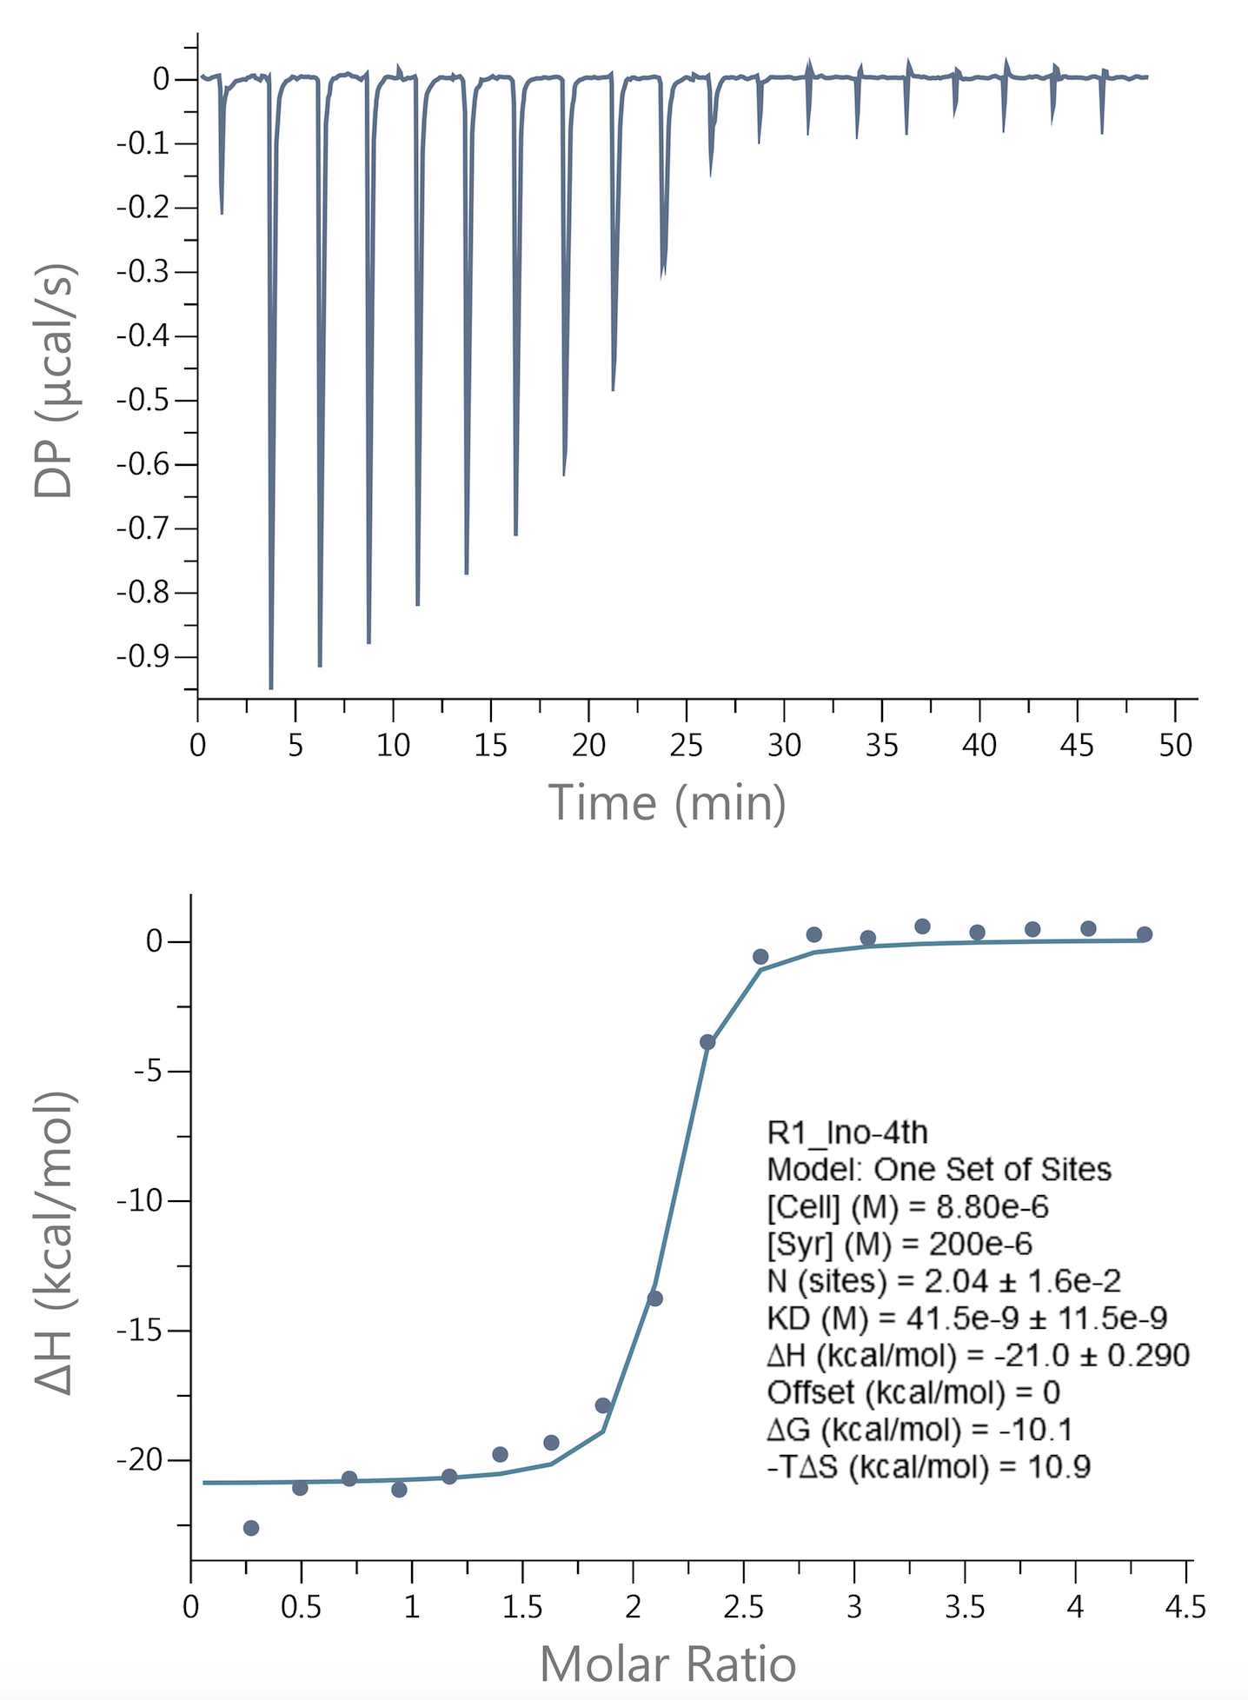

 | Guanosine Run 1 |  | Guanosine Run 2 |  |  | Guanosine Run 3
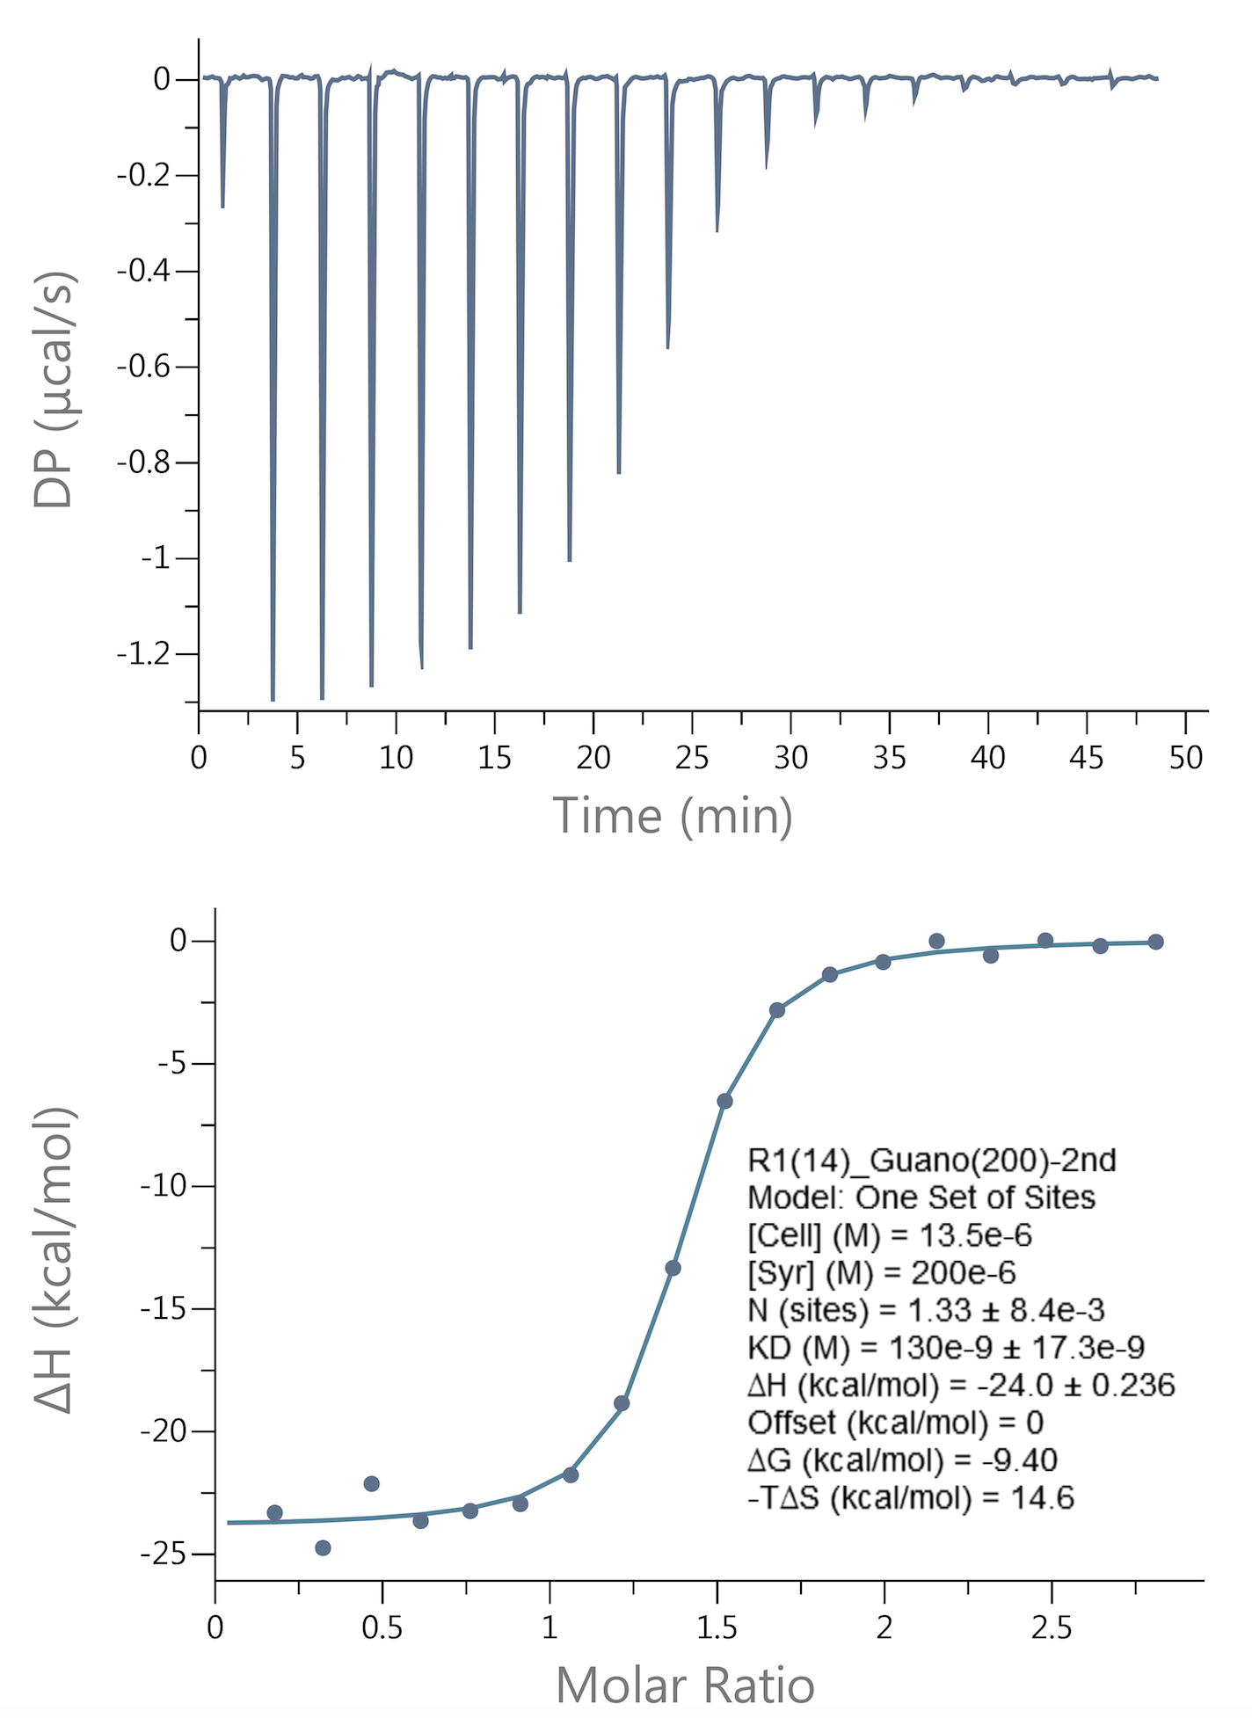
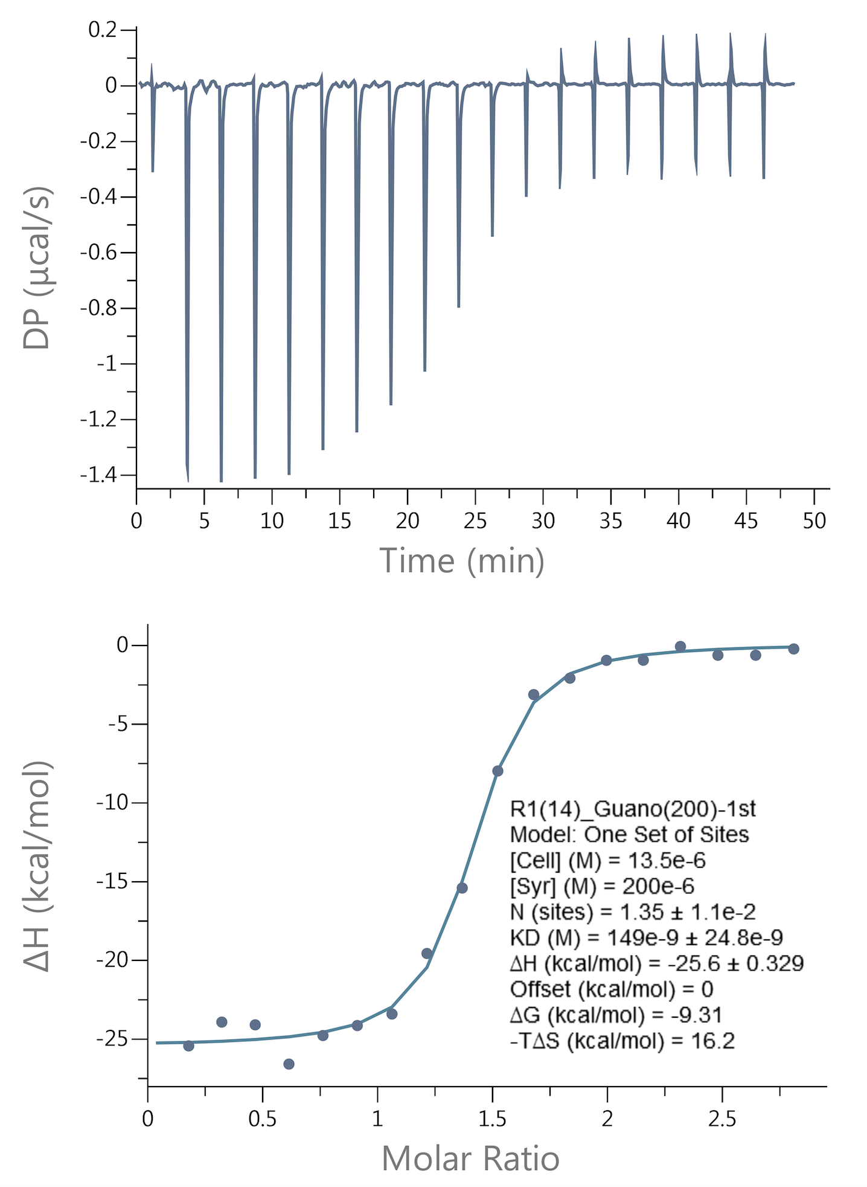

 | Adenosine Run 1 |  | Adenosine Run 2 |  |  | Adenosine Run 3
