Fig.1-fig. sup.1-source data 5
Isothermal Titration Calorimetry (ITC)

Homo sapiens PKARI-a full size (1-381) |  |  |  |  |  |  |  |  | L.donovani PKAR

 |  | Filename |  | KD (nM) | ∆H (kcal/mol) | ∆G (kcal/mol) | -T∆S (kcal/mol) | N (sites)
 |  | cAMP Run 1 |  | 8.41 | -20.70 | -11.00 | 9.63 | 1.27
 |  | cAMP Run 2 |  | 38.1 | -17.80 | -10.10 | 7.68 | 1.38 | cAMP Run 1 | cAMP Run 2 | cAMP Run 3
 |  | cAMP Run 3 |  | 21.8 | -23.50 | -10.50 | 13.00 | 2.06
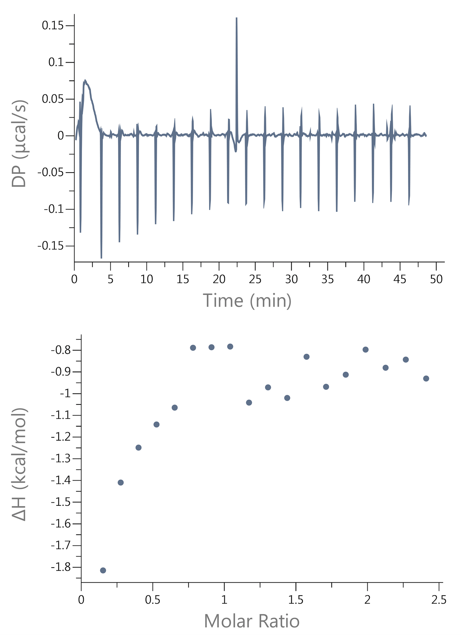
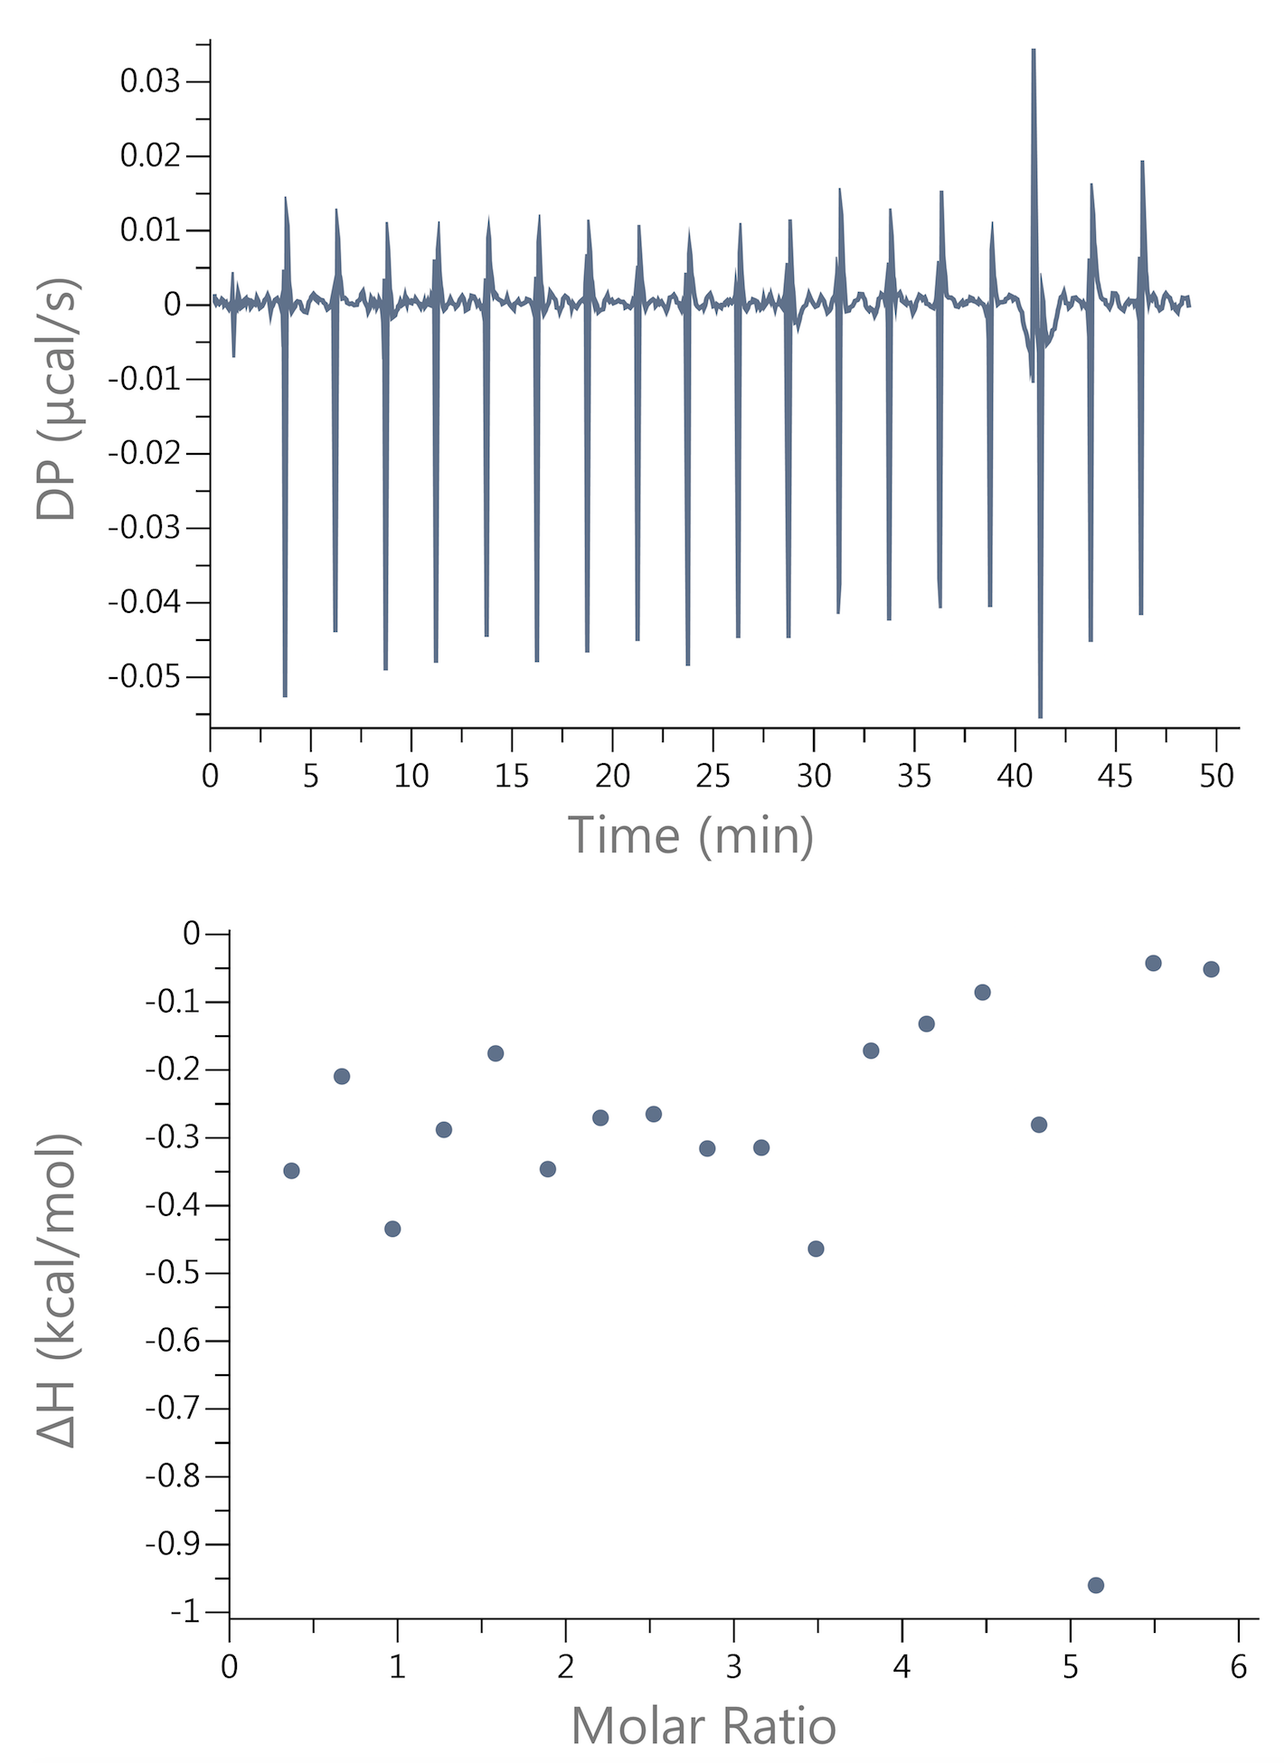
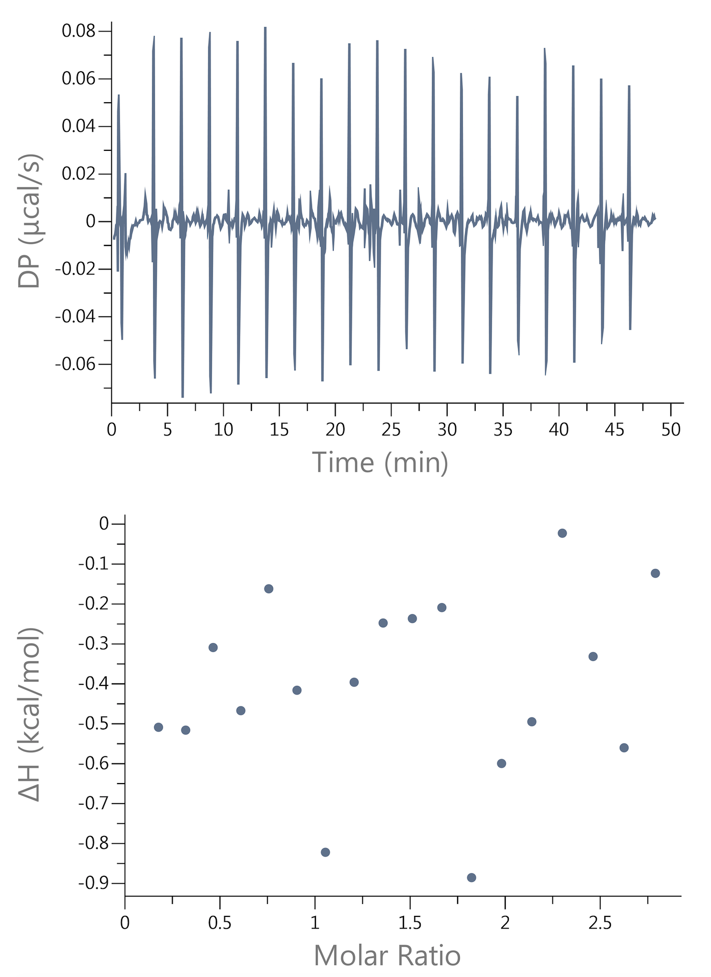
 | AVERAGE |  |  | 22.8 | -20.7 | -10.5 | 10.1 | 1.6
 | SDEV |  |  | 14.87 | 2.85 | 0.45 | 2.69 | 0.43
 | FINAL VALUE |  |  | 23 ± 15 | -21 ± 3 | -10,5 ± 0,5 | 10 ± 3 | 1,6 ± 0,4

cAMP Run 1 |  |  | cAMP Run 2 |  |  | cAMP Run 3

