Figure 4-source data 2
 | T.brucei PKAR 199-499: E311A, T318R, V319A (mutant 6)

 |  |  | Filename | KD (nM) | ∆H (kcal/mol) | ∆G (kcal/mol) | -T∆S (kcal/mol) | N (sites)
 |  |  | inosine Run 1 | 6.17 | -30.90 | -11.2 | 19.70 | 0.578
 |  |  | inosine Run 2 | 19.90 | -30.50 | -10.5 | 20.00 | 0.472
 |  |  | inosine Run 3 | 23.60 | -29.90 | -10.4 | 19.50 | 0.454
 |  |  | inosine Run 4 | 30.40 | -28.90 | -10.3 | 18.70 | 0.419
 |  |  | inosine Run 5 | 11.50 | -27.30 | -10.8 | 16.40 | 0.519

 |  | AVERAGE |  | 18.31 | -29.5 | -10.6 | 18.9 | 0.5
 |  | SDEV |  | 9.62 | 1.4 | 0.4 | 1.5 | 0.1
 |  | FINAL VALUE |  | 18 ± 10 | -29,5 ± 1,4 | -10,6 ± 0,4 | 18,9 ± 1,5 | 0,5 ± 0,1

 |  |  | Filename | KD (nM) | ∆H (kcal/mol) | ∆G (kcal/mol) | -T∆S (kcal/mol) | N (sites)
 |  |  | guanosine Run 1 | 3.94 | -24.5 | -11.5 | 13.0 | 0.727
 |  |  | guanosine Run 2 | 9.79 | -26.9 | -10.9 | 16.0 | 0.547
 |  |  | guanosine Run 3 | 3.96 | -27.8 | -11.5 | 16.3 | 0.676
 |  |  | guanosine Run 4 | 6.22 | -27.7 | -11.2 | 16.5 | 0.688

 |  | AVERAGE |  | 6.0 | -26.7 | -11.3 | 15.5 | 0.7
 |  | SDEV |  | 2.8 | 1.5 | 0.3 | 1.6 | 0.1
 |  | FINAL VALUE |  | 6 ± 3 | -26,7 ± 1,5 | -11,3 ± 0,3 | 15,5 ± 1,6 | 0,7 ± 0,1

 |  |  | Filename | KD (nM) | ∆H (kcal/mol) | ∆G (kcal/mol) | -T∆S (kcal/mol) | N (sites)
 |  |  | adenosine Run 1 | 1170 | -29.9 | -8.09 | 21.8 | 0.597
 |  |  | adenosine Run 2 | 960 | -23.8 | -8.21 | 15.5 | 0.603
 |  |  | adenosine Run 3 | 895 | -24.0 | -8.25 | 15.7 | 0.647
 |  |  | adenosine Run 4 | 1350 | -27.6 | -8.01 | 19.6 | 0.464

 |  | AVERAGE |  | 1093.8 | -26.3 | -8.1 | 18.2 | 0.6
 |  | SDEV |  | 207.3 | 3.0 | 0.1 | 3.1 | 0.1
 |  | FINAL VALUE |  | 1,1 ± 0,2 | -26,3 ± 3.0 | -8,1 ± 0.1 | 18.2 ± 3.1 | 0.6 ± 0.1

Inosine Run 1 |  |  |  | Inosine Run 2 |  | Inosine Run 3 |  | Inosine Run 4 | Inosine Run 5

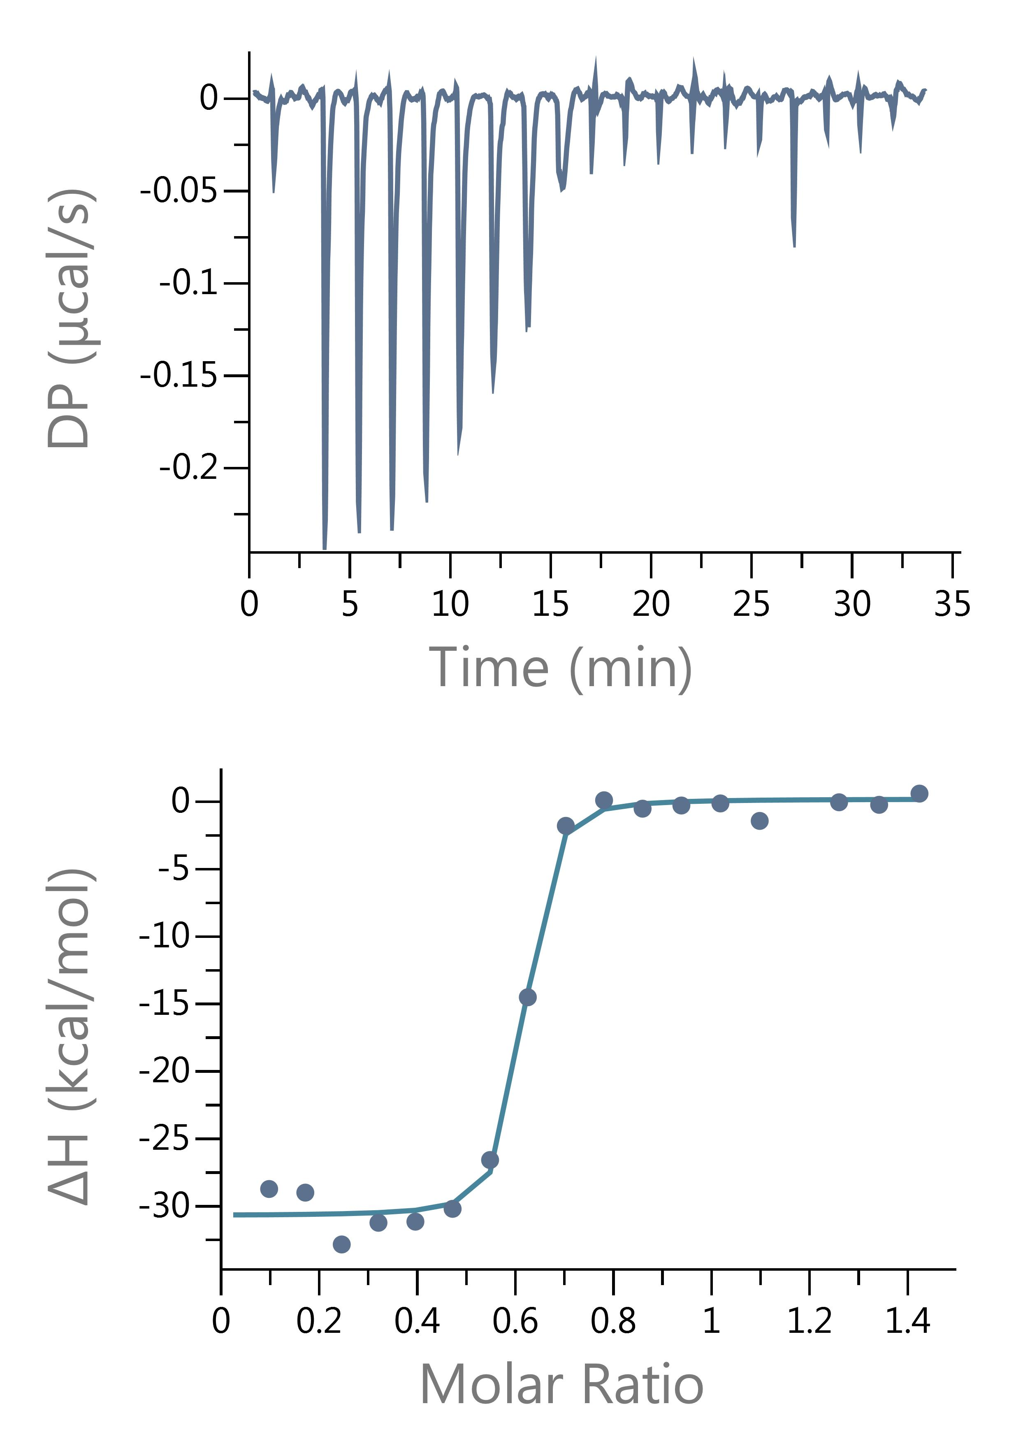
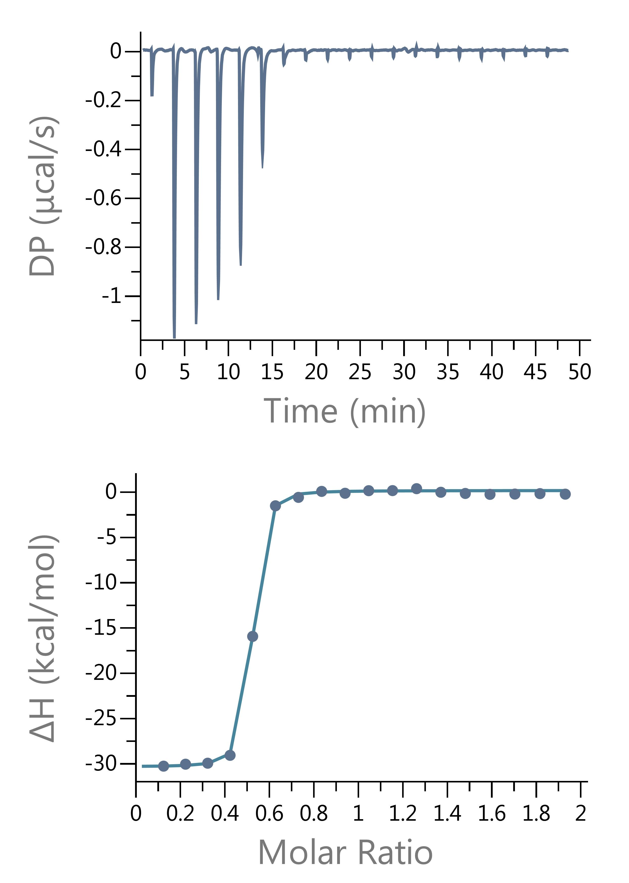
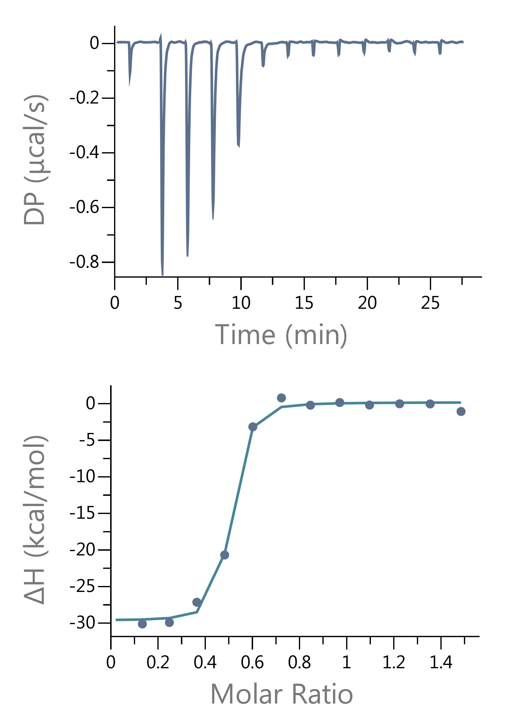
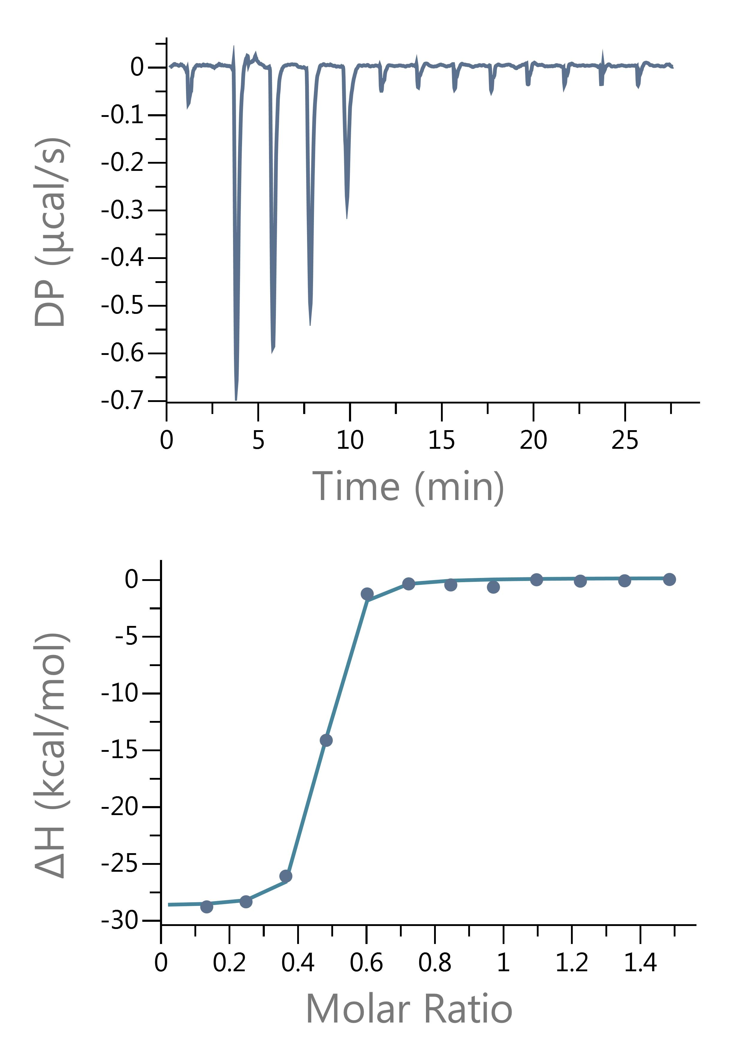
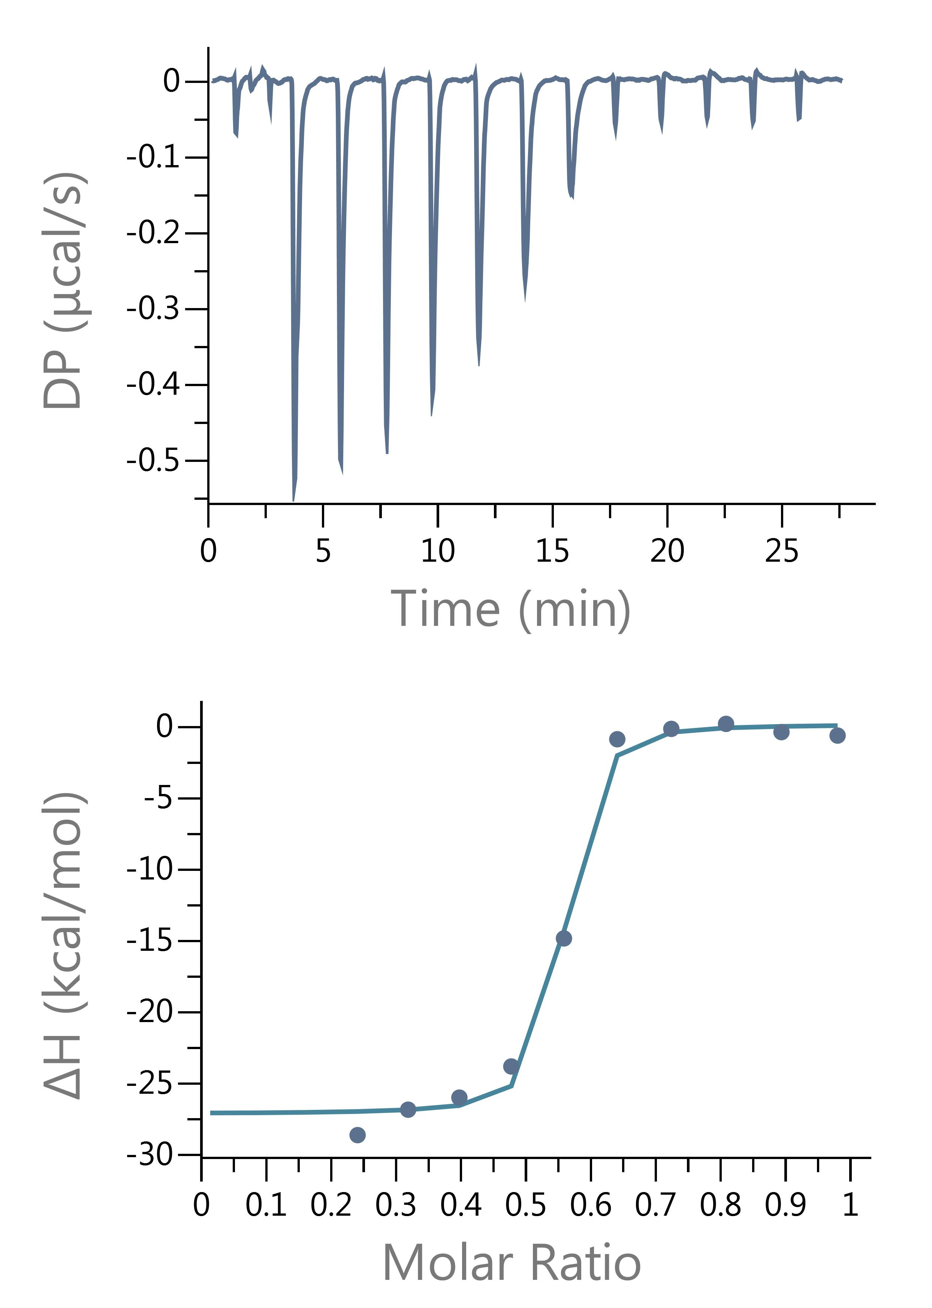

Guanosine Run 1 |  |  |  | Guanosine Run 2 |  | Guanosine Run 3 |  | Guanosine Run 4

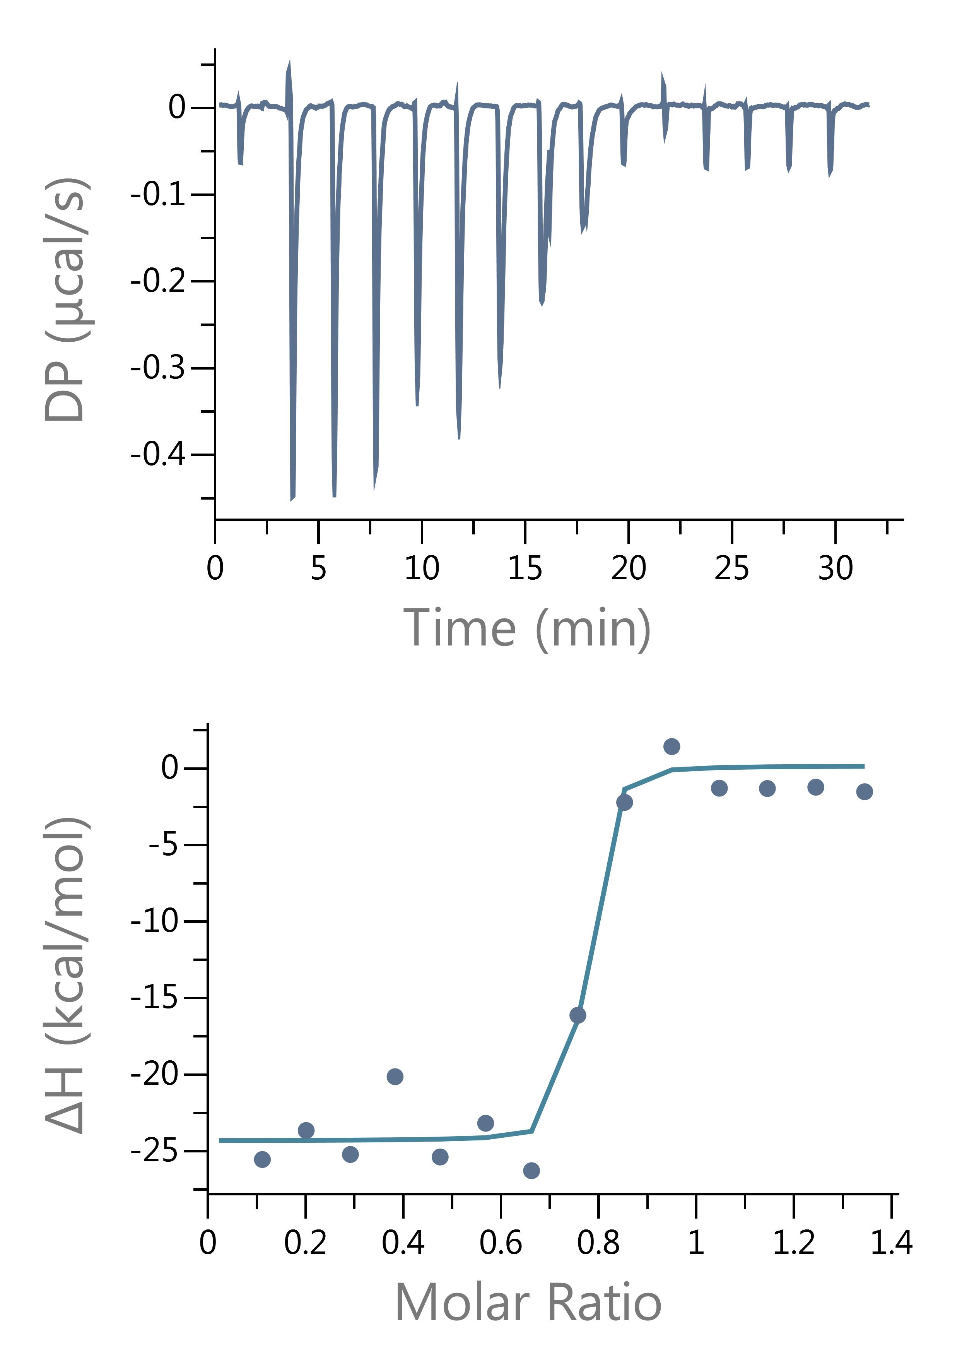
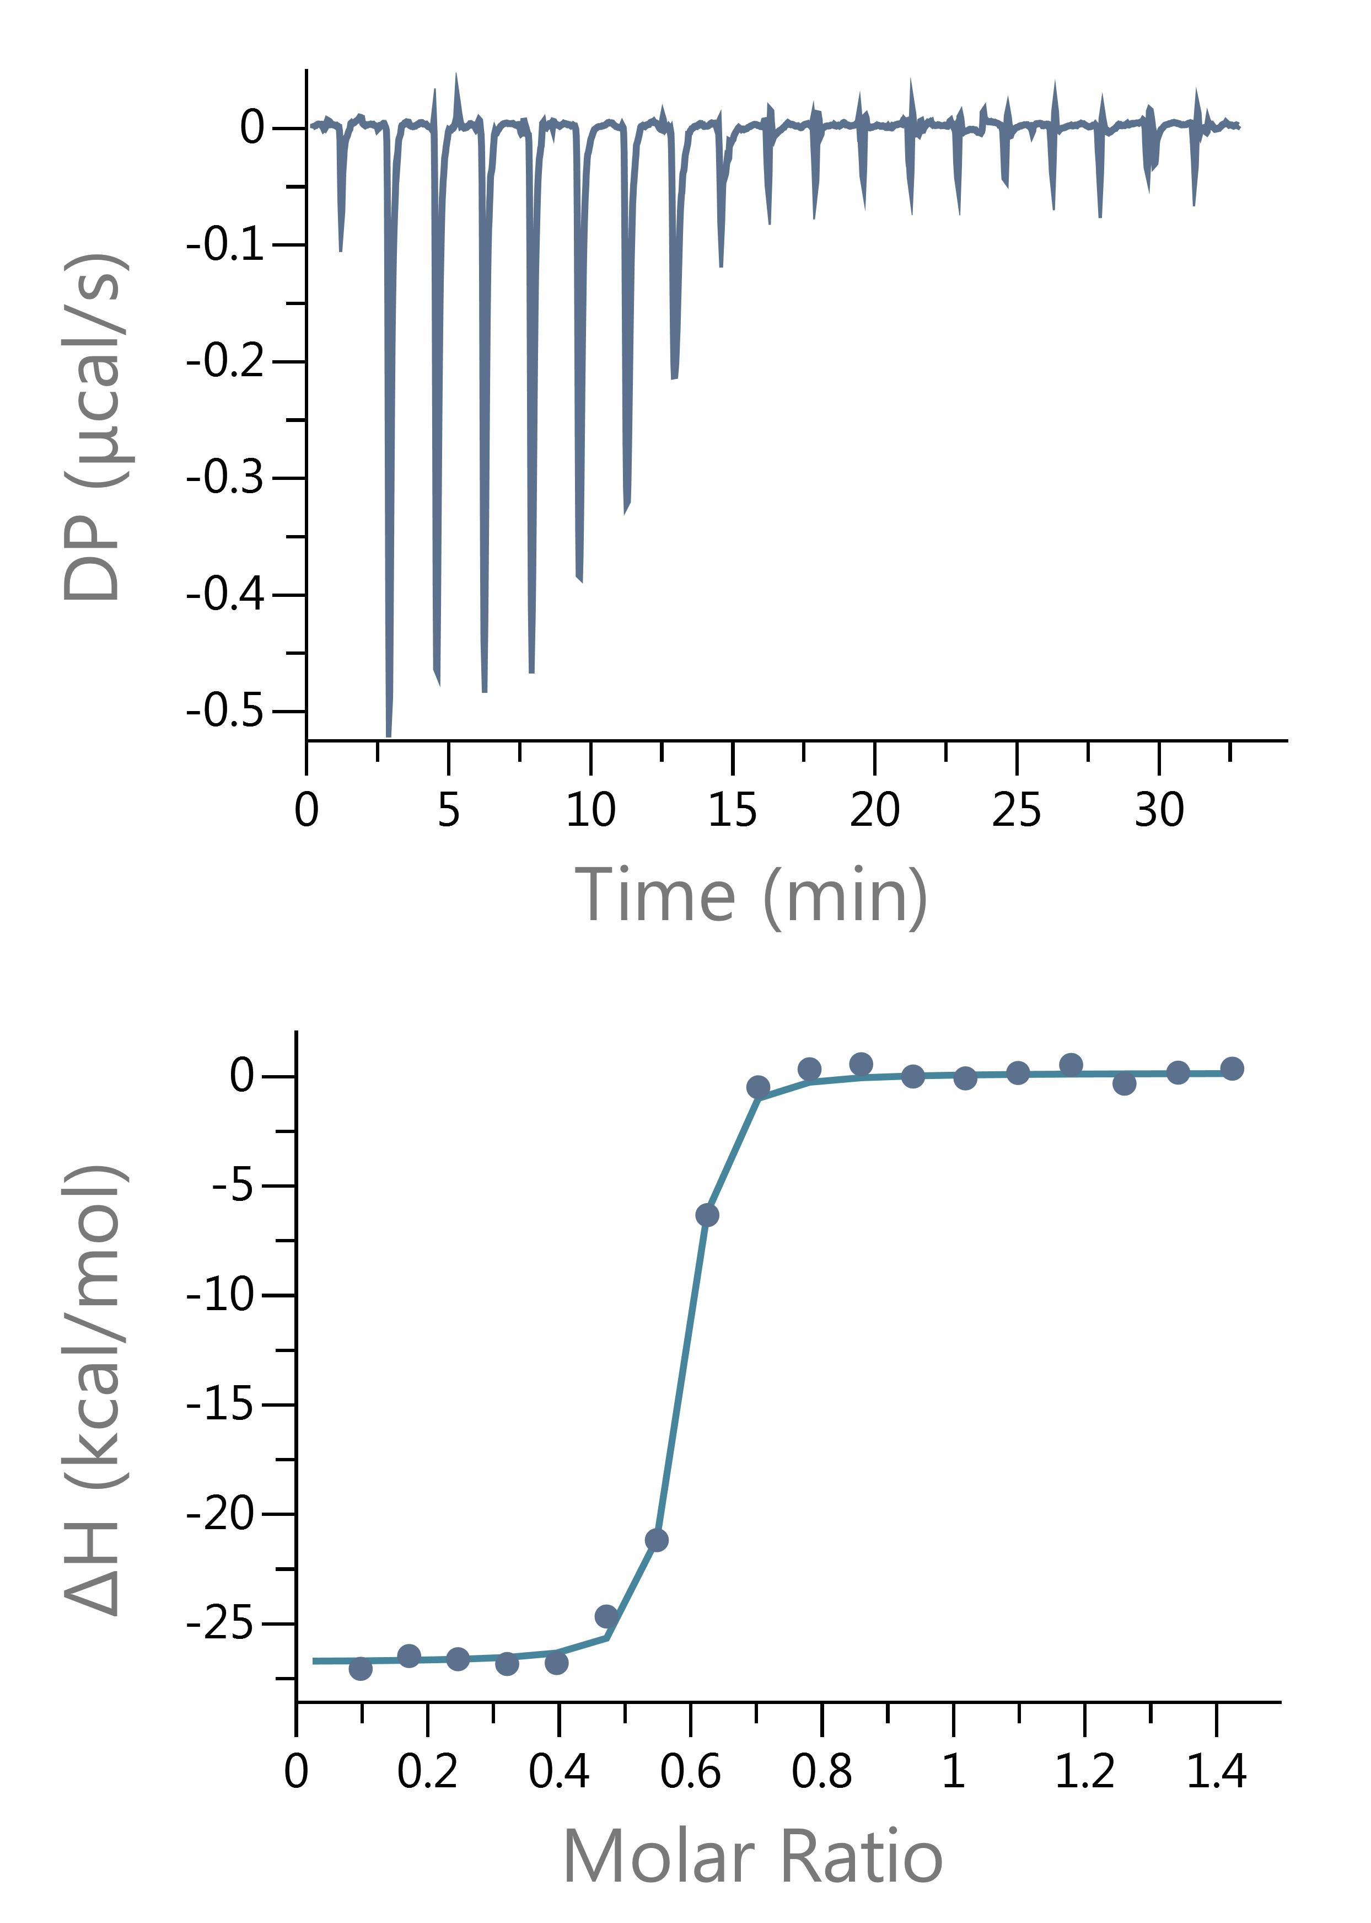
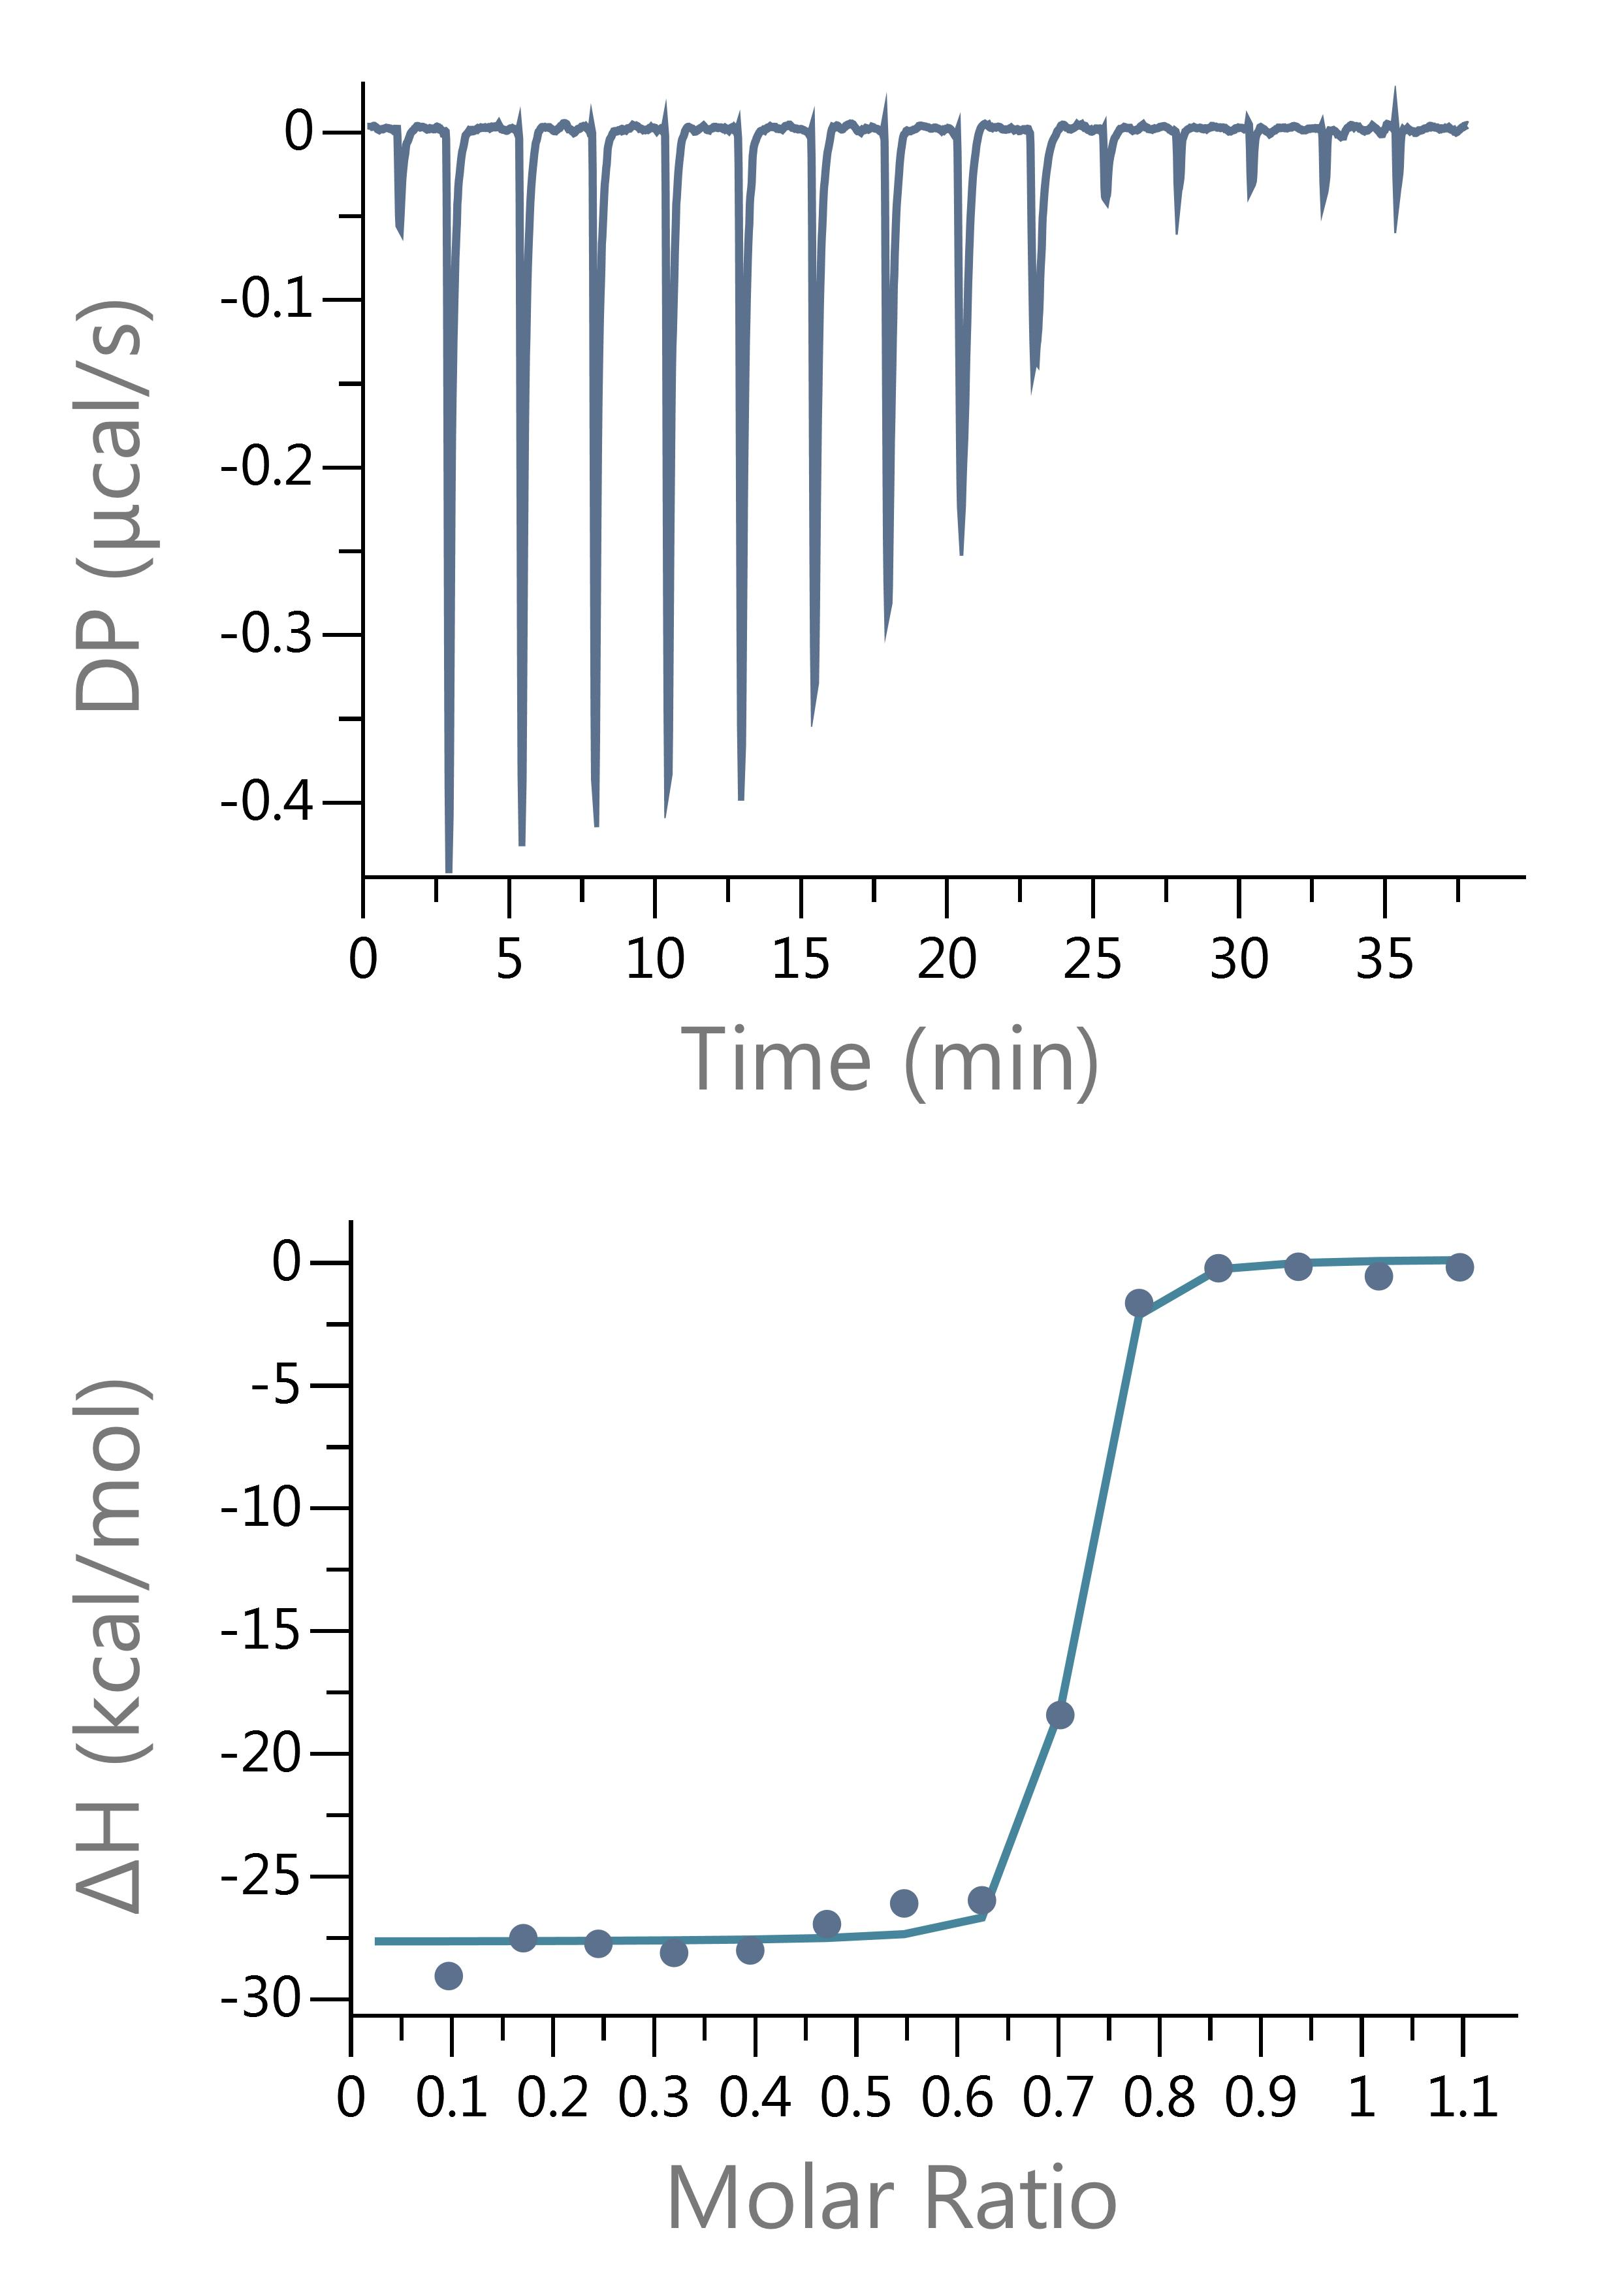
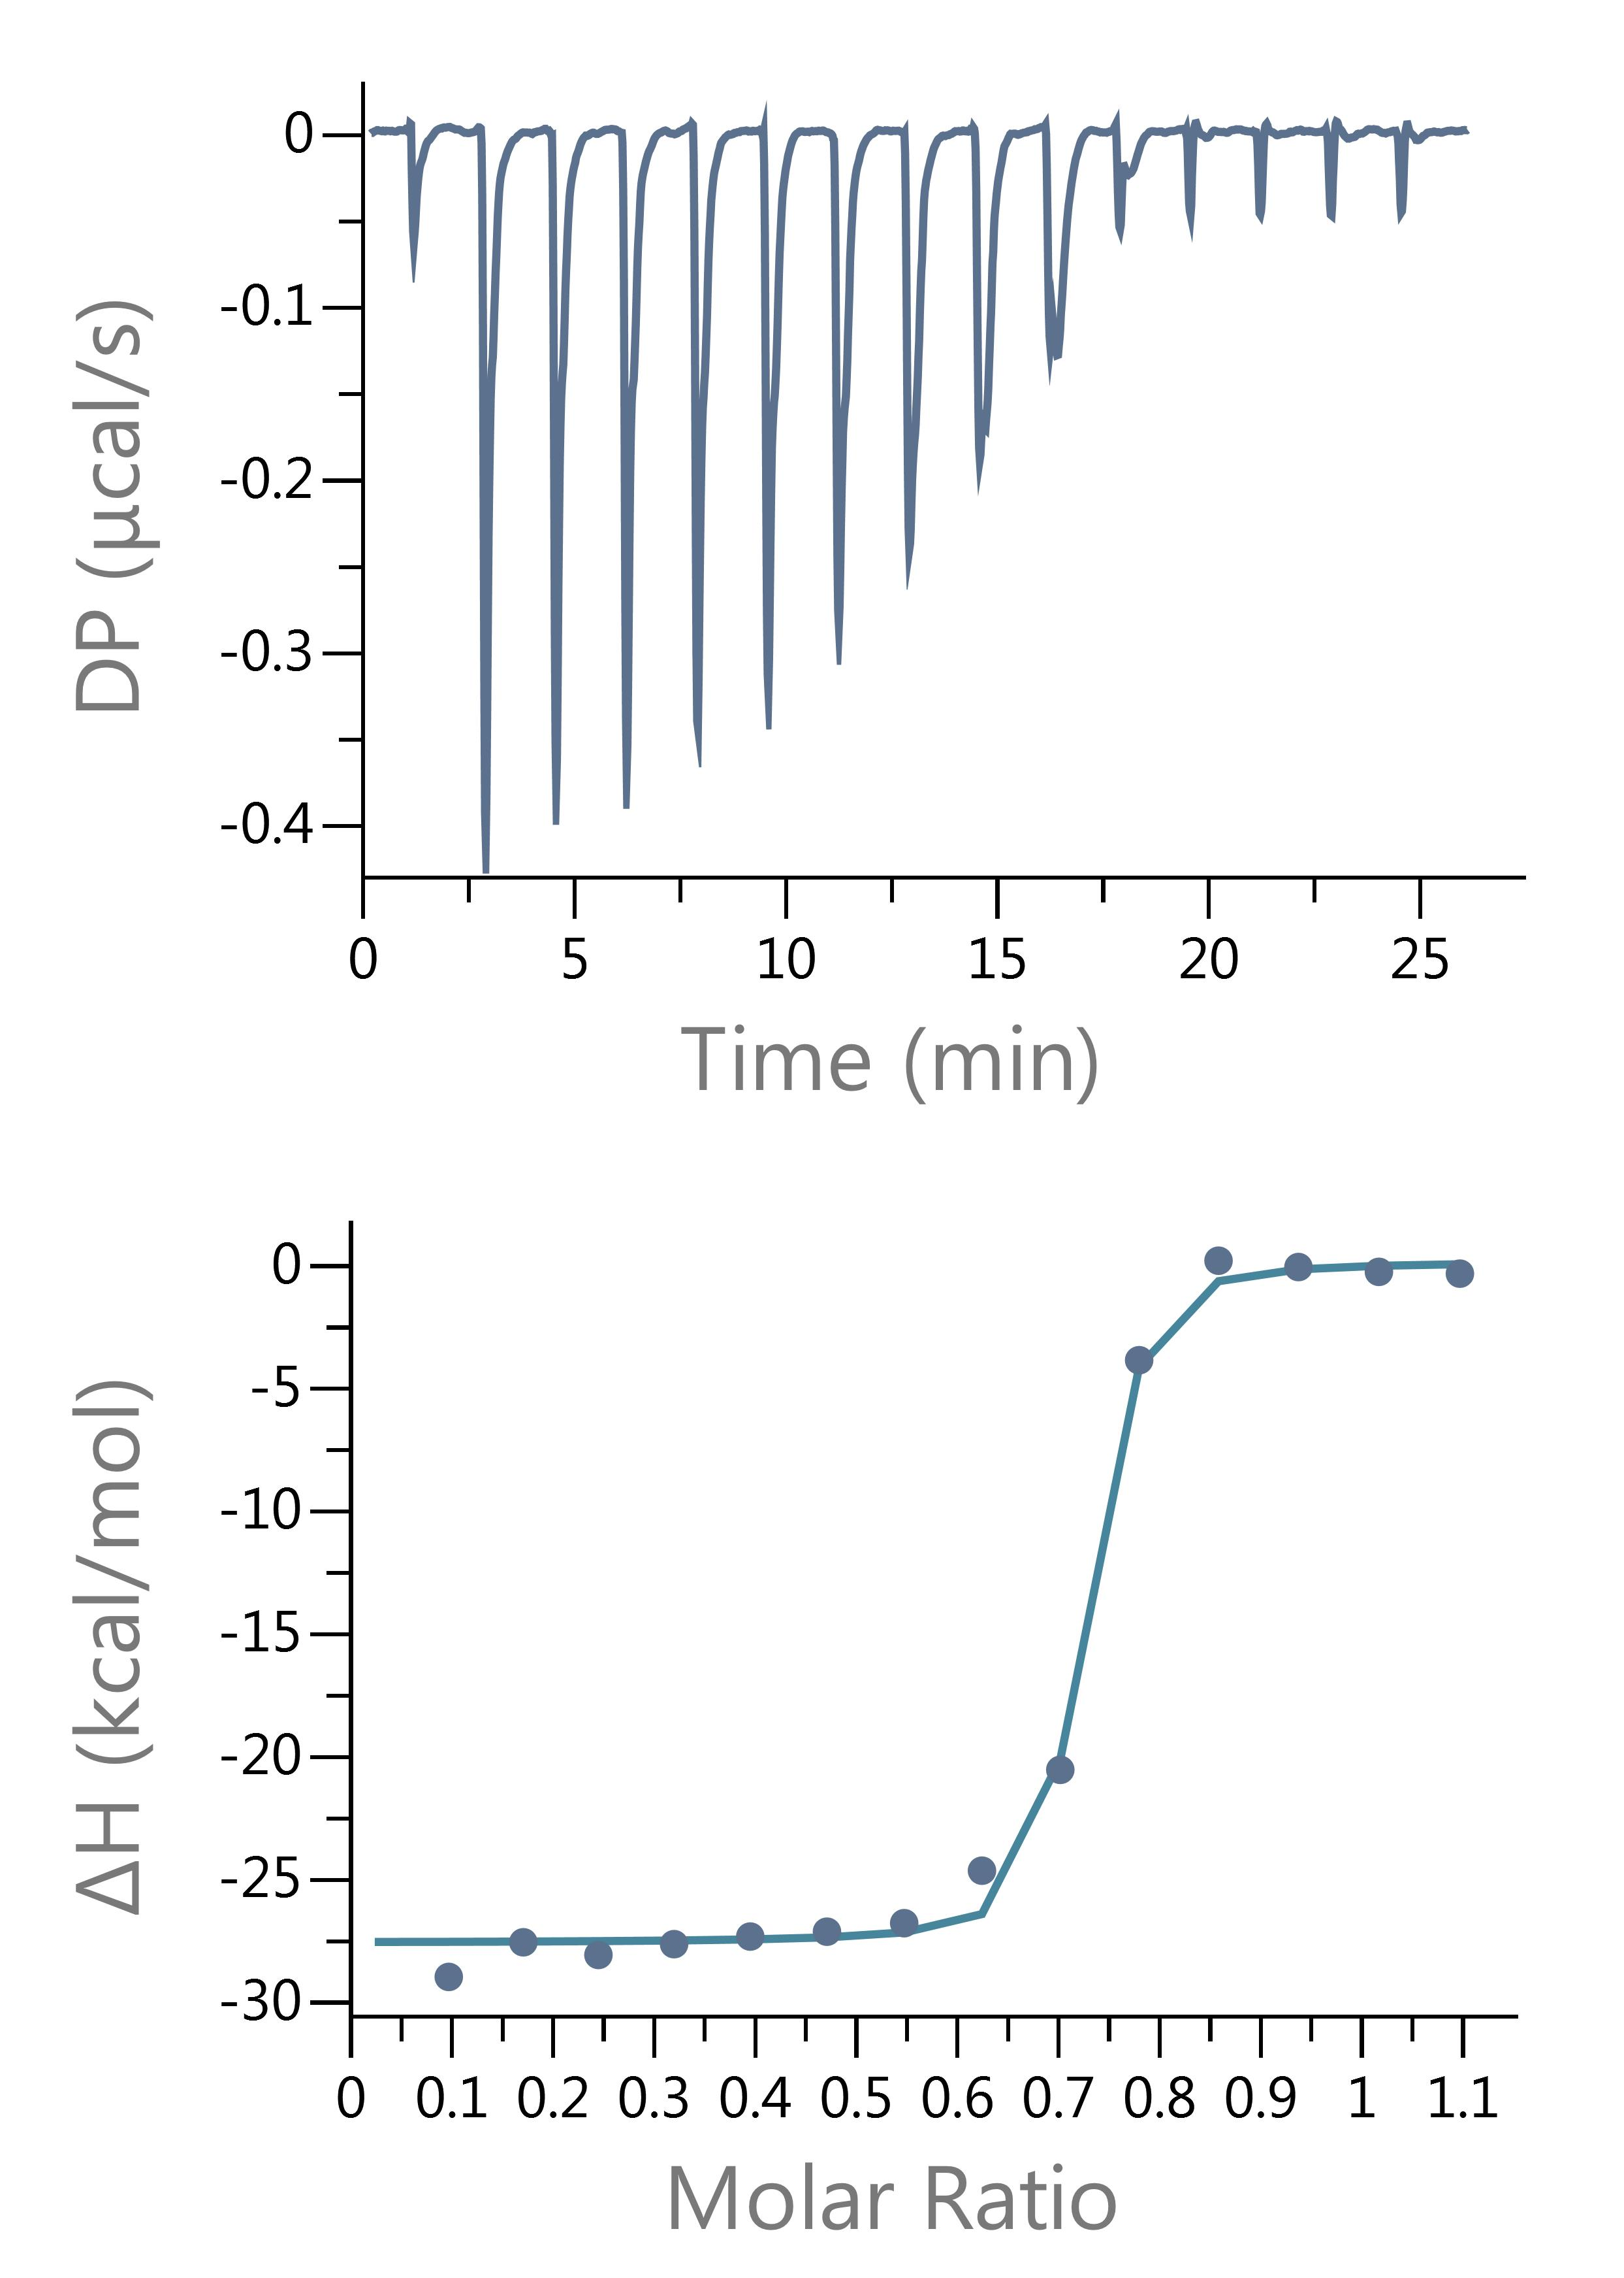

Adenosine Run 1 |  |  |  | Adenosine Run 2 |  | Adenosine Run 3 |  | Adenosine Run 4

