Figure 4-source data 3
T.brucei PKAR 199-499: E435A, N442R, V443A (mutant 7)

 |  | Filename | KD (nM) | ∆H (kcal/mol) | ∆G (kcal/mol) | -T∆S (kcal/mol) | N (sites)
 |  | Inosine Run 1 | 8.23 | -24.6 | -11 | 13.5 | 0.516
 |  | Inosine Run 2 | 4.83 | -25.6 | -11.3 | 14.2 | 0.547
 |  | Inosine Run 3 | 13.2 | -22.5 | -10.8 | 11.8 | 0.748

 | AVERAGE |  | 8.75 | -24.23 | -11.03 | 13.17 | 0.60
 | SDEV |  | 4.2 | 1.58 | 0.25 | 1.23 | 0.13
 | FINAL VALUE |  | 8,75 ± 4.2 | -24.2 ± 1.58 | -11 ± 0,25 | 13,2 ± 1,2 | 0,6 ± 0,1

 |  | Filename | KD (nM) | ∆H (kcal/mol) | ∆G (kcal/mol) | -T∆S (kcal/mol) | N (sites)
 |  | Guanosine Run 1 | 256 | -17.20 | -8.99 | 8.16 | 0.62
 |  | Guanosine Run 2 | 199 | -15.00 | -9.14 | 5.90 | 0.80
 |  | Guanosine Run 3 | 228 | -18.40 | -9.06 | 9.32 | 0.76
 |  | Guanosine Run 4 | 199 | -17.20 | -9.14 | 8.03 | 0.64

 | AVERAGE |  | 221 | -16.95 | -9.08 | 7.85 | 0.70
 | SDEV |  | 27 | 1.42 | 0.07 | 1.42 | 0.09
 | FINAL VALUE |  | 221 ± 27 | -17 ± 1,4 | -9.1 ± 0.1 | 7,9 ± 1,4 | 0,7 ± 0.1

 |  | Filename | KD (nM) | ∆H (kcal/mol) | ∆G (kcal/mol) | -T∆S (kcal/mol) | N (sites)
 |  | Adenosine Run 1 | 81.6 | -26.80 | -9.67 | 17.10 | 0.51
 |  | Adenosine Run 2 | 93.3 | -26.50 | -9.59 | 16.90 | 0.52
 |  | Adenosine Run 3 | 71.4 | -26.30 | -9.75 | 16.60 | 0.64

 | AVERAGE |  | 82.1 | -26.53 | -9.67 | 16.87 | 0.56
 | SDEV |  | 11.0 | 0.25 | 0.08 | 0.25 | 0.07
 | FINAL VALUE |  | 82 ± 11 | -26,5 ± 0.3 | -9,7 ± 0.1 | 17 ± 0.3 | 0.6 ± 0.1

 | Inosine Run 1 |  | Inosine Run 2 |  | Inosine Run 3

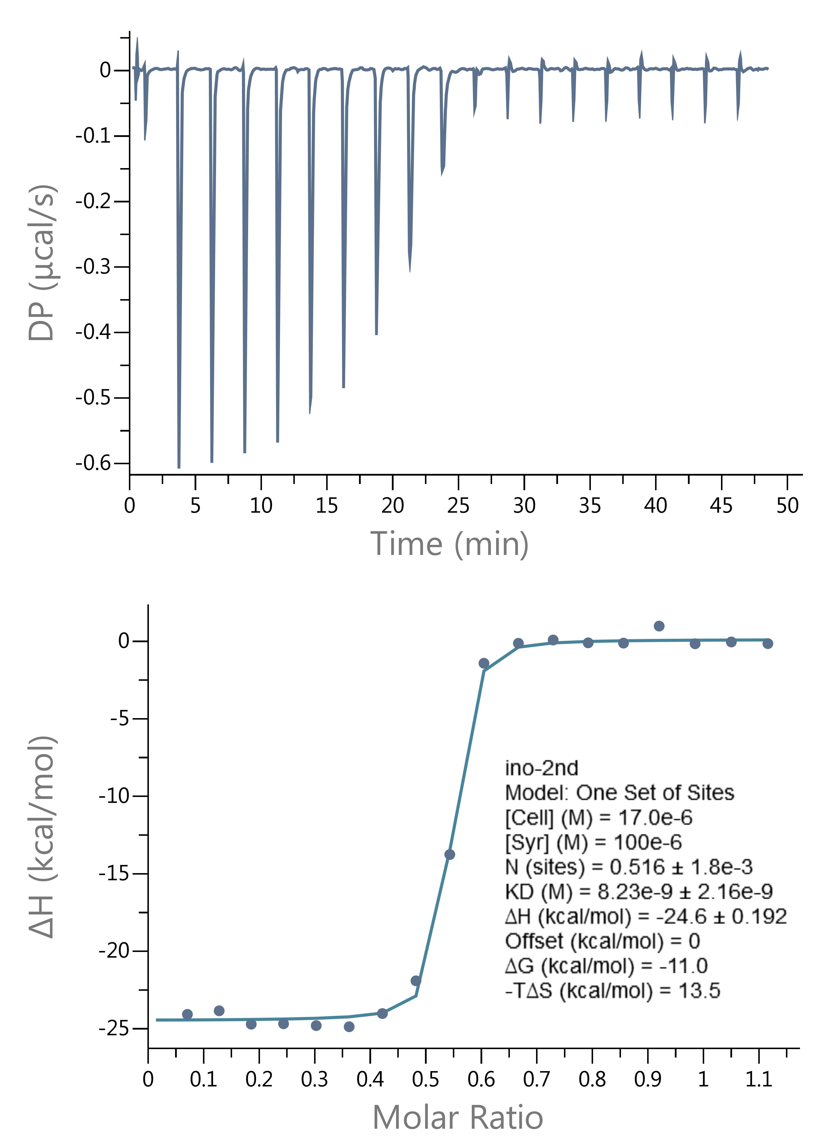
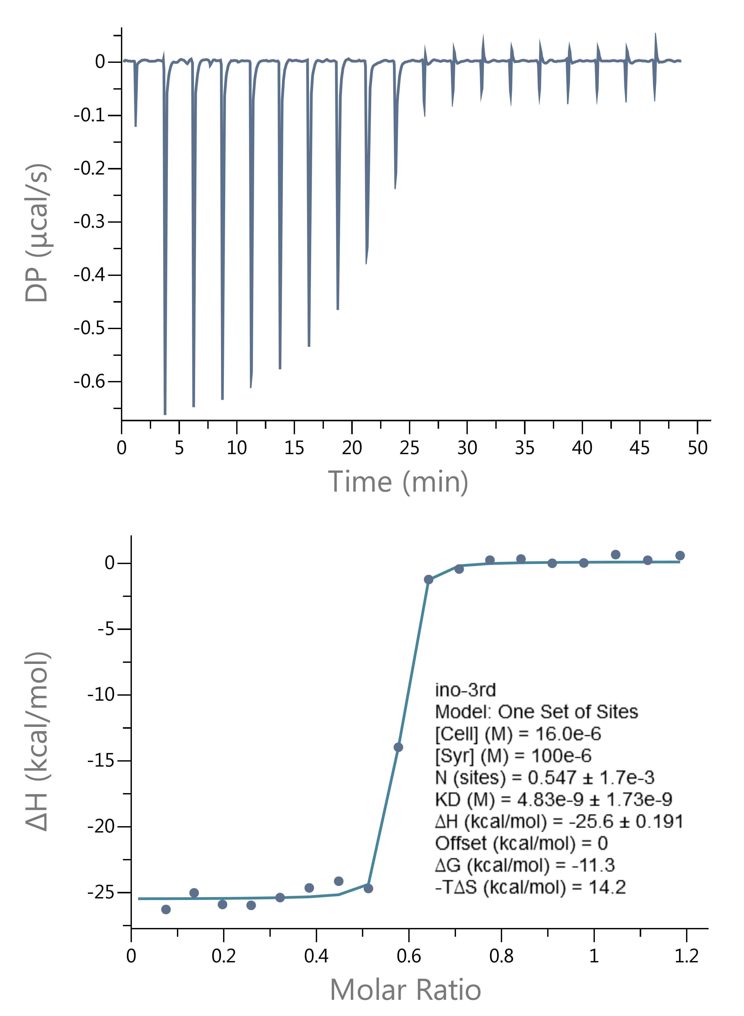
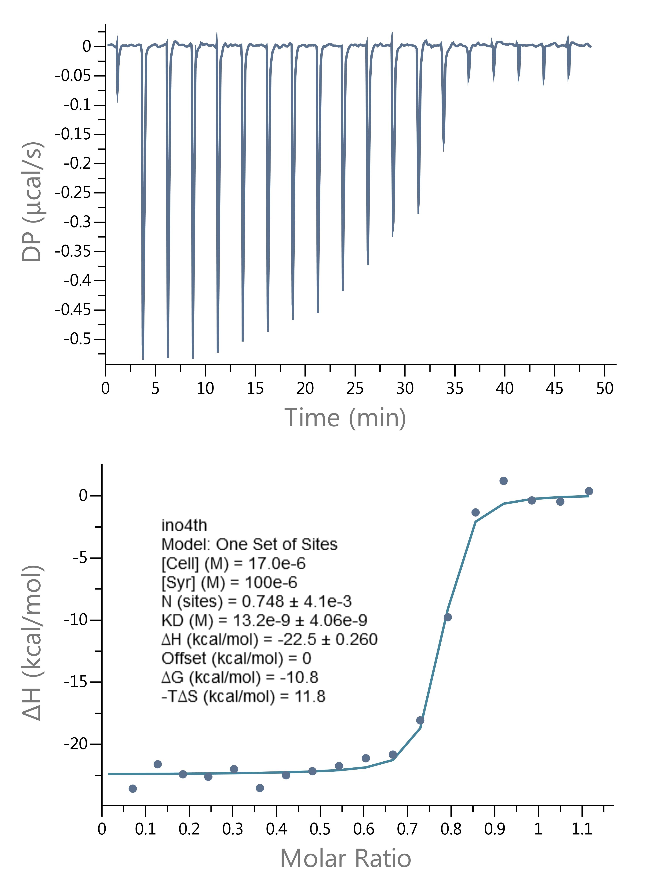

 | Guanosine Run 1 |  | Guanosine Run 2 |  | Guanosine Run 3 |  | Guanosine Run 4

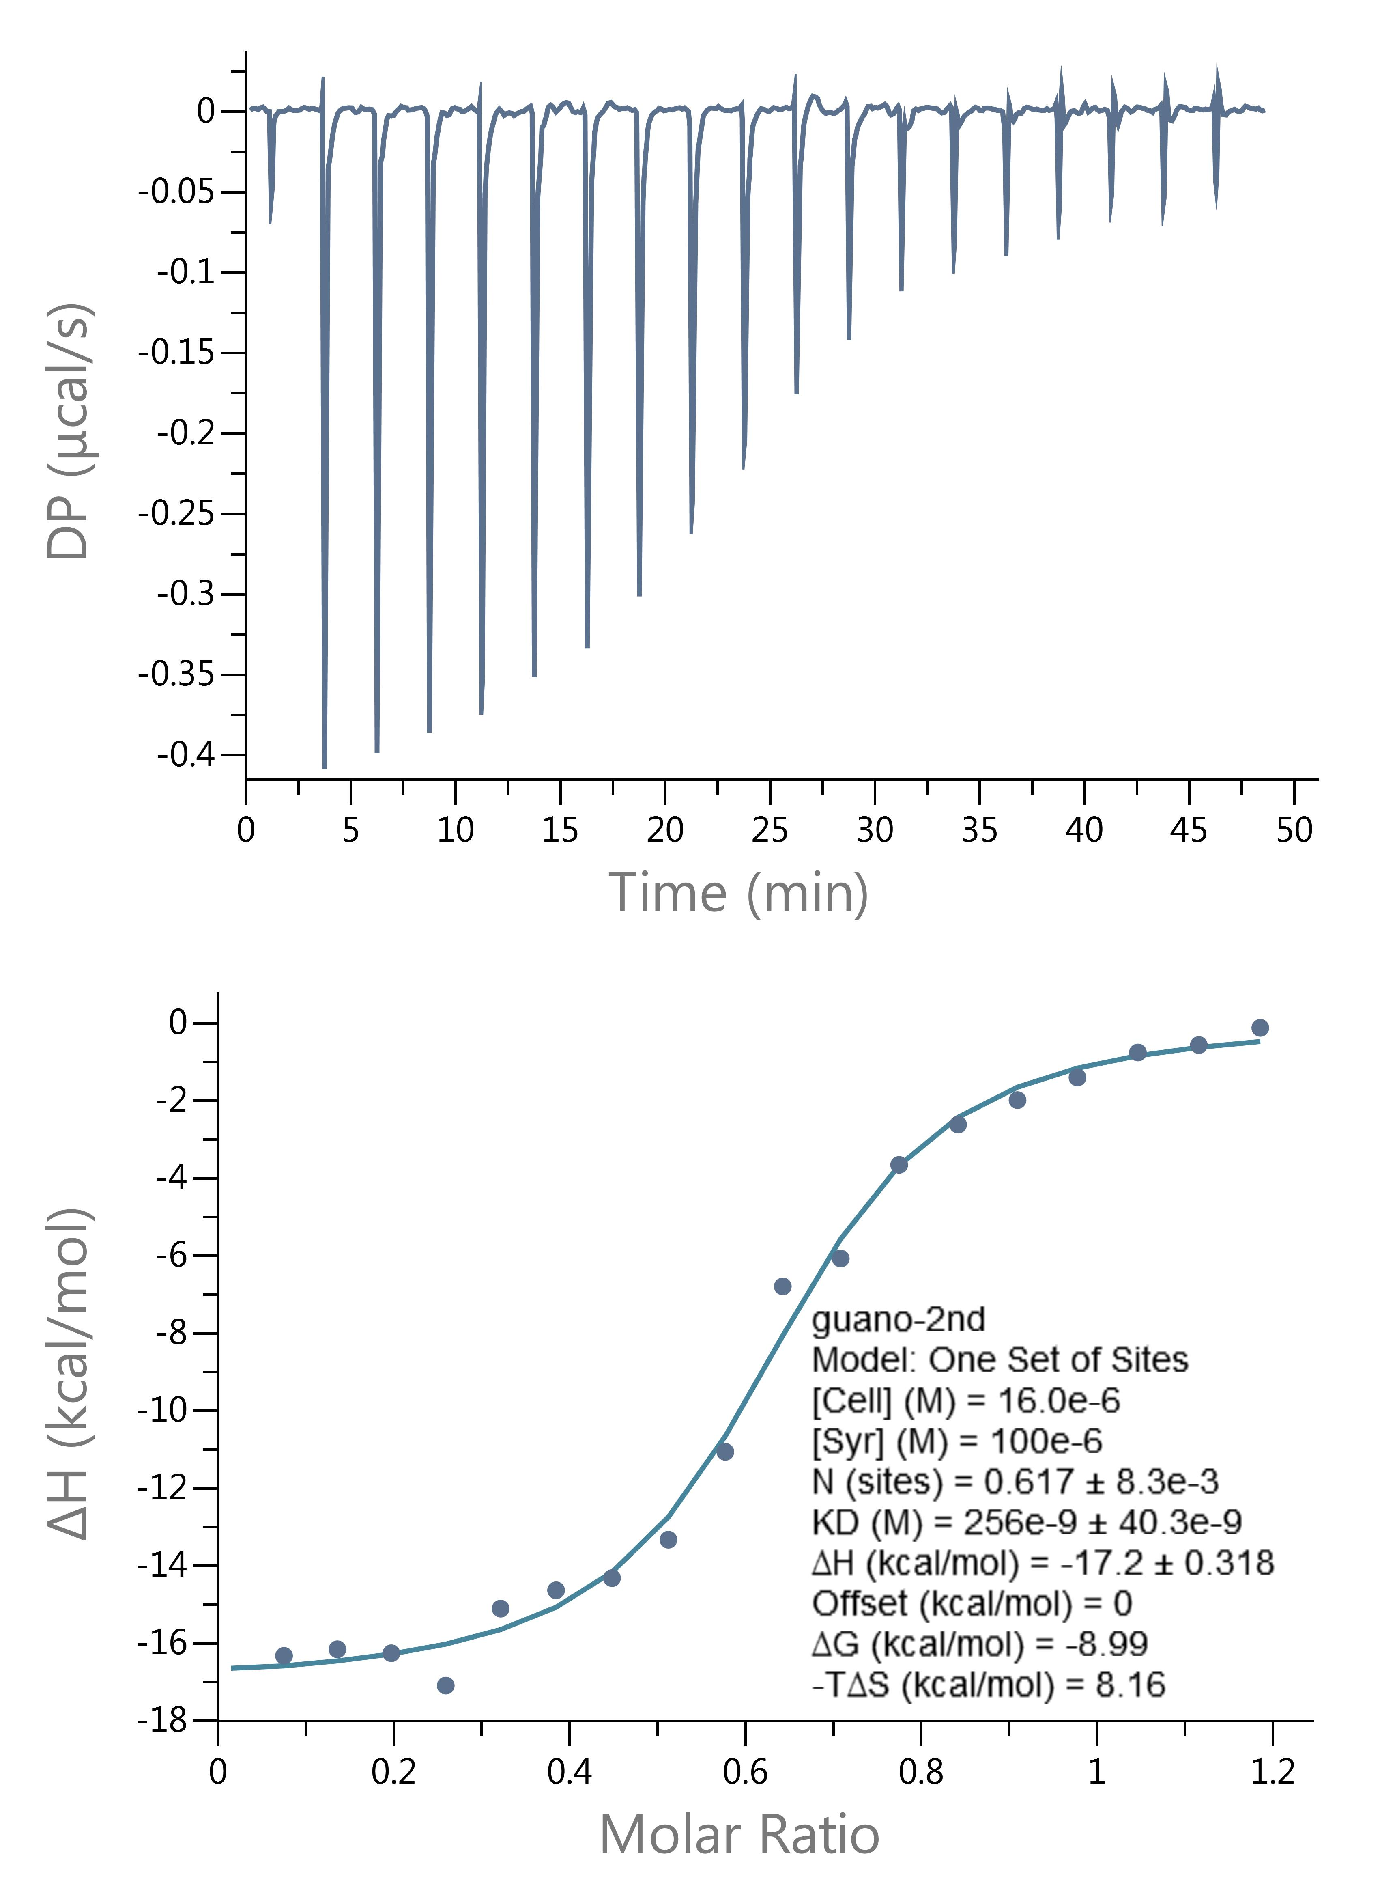
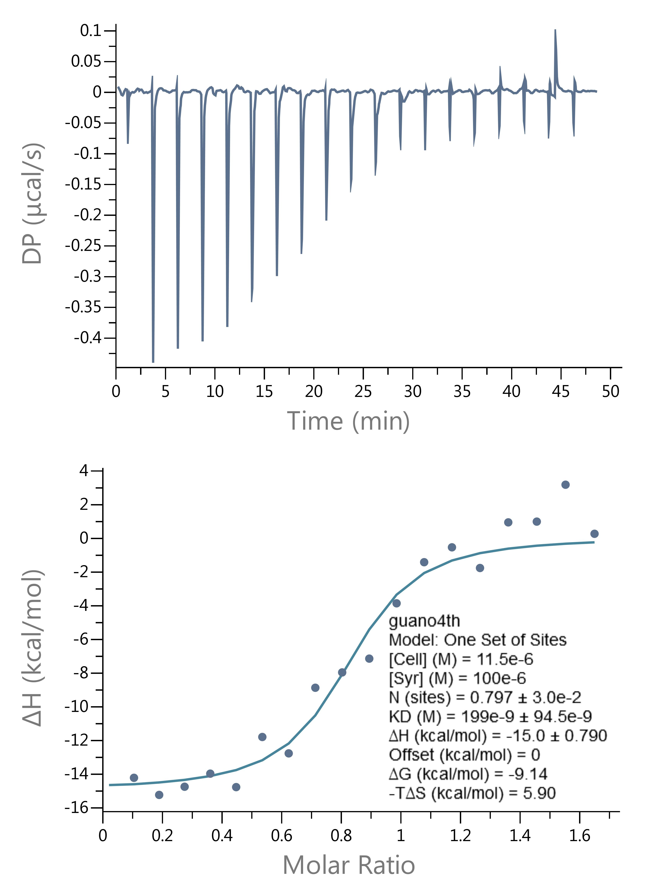
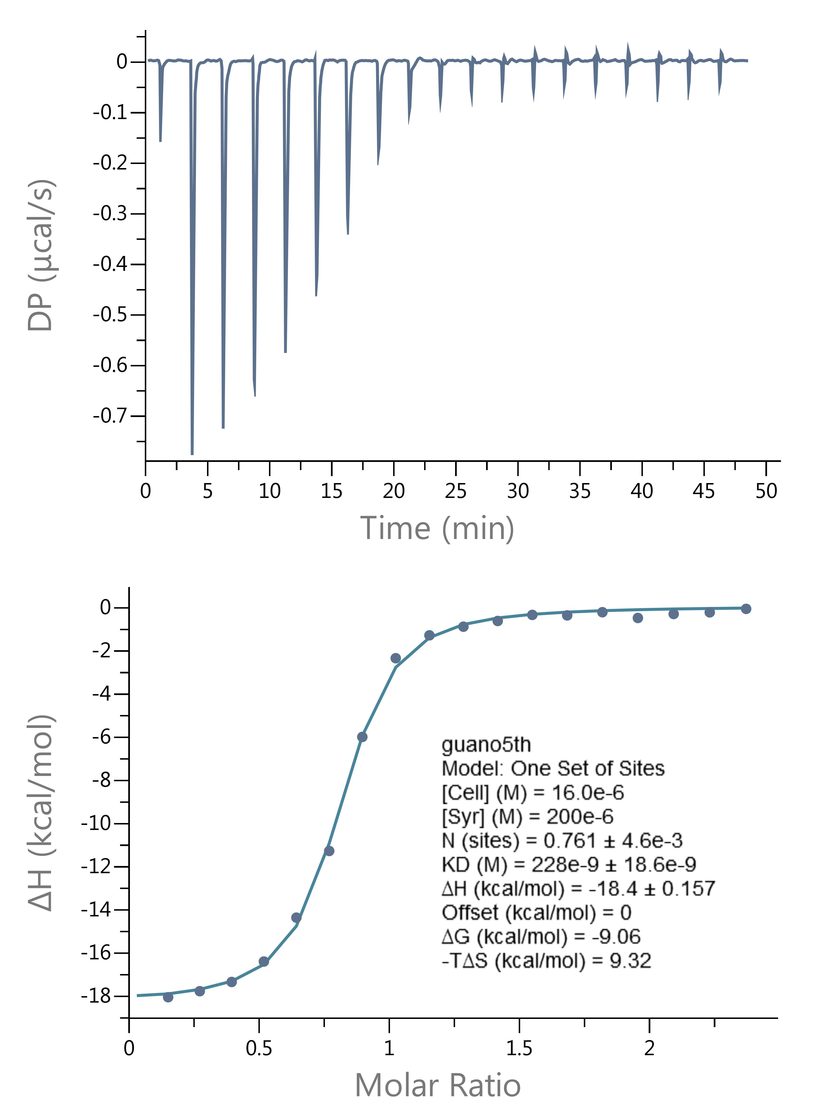
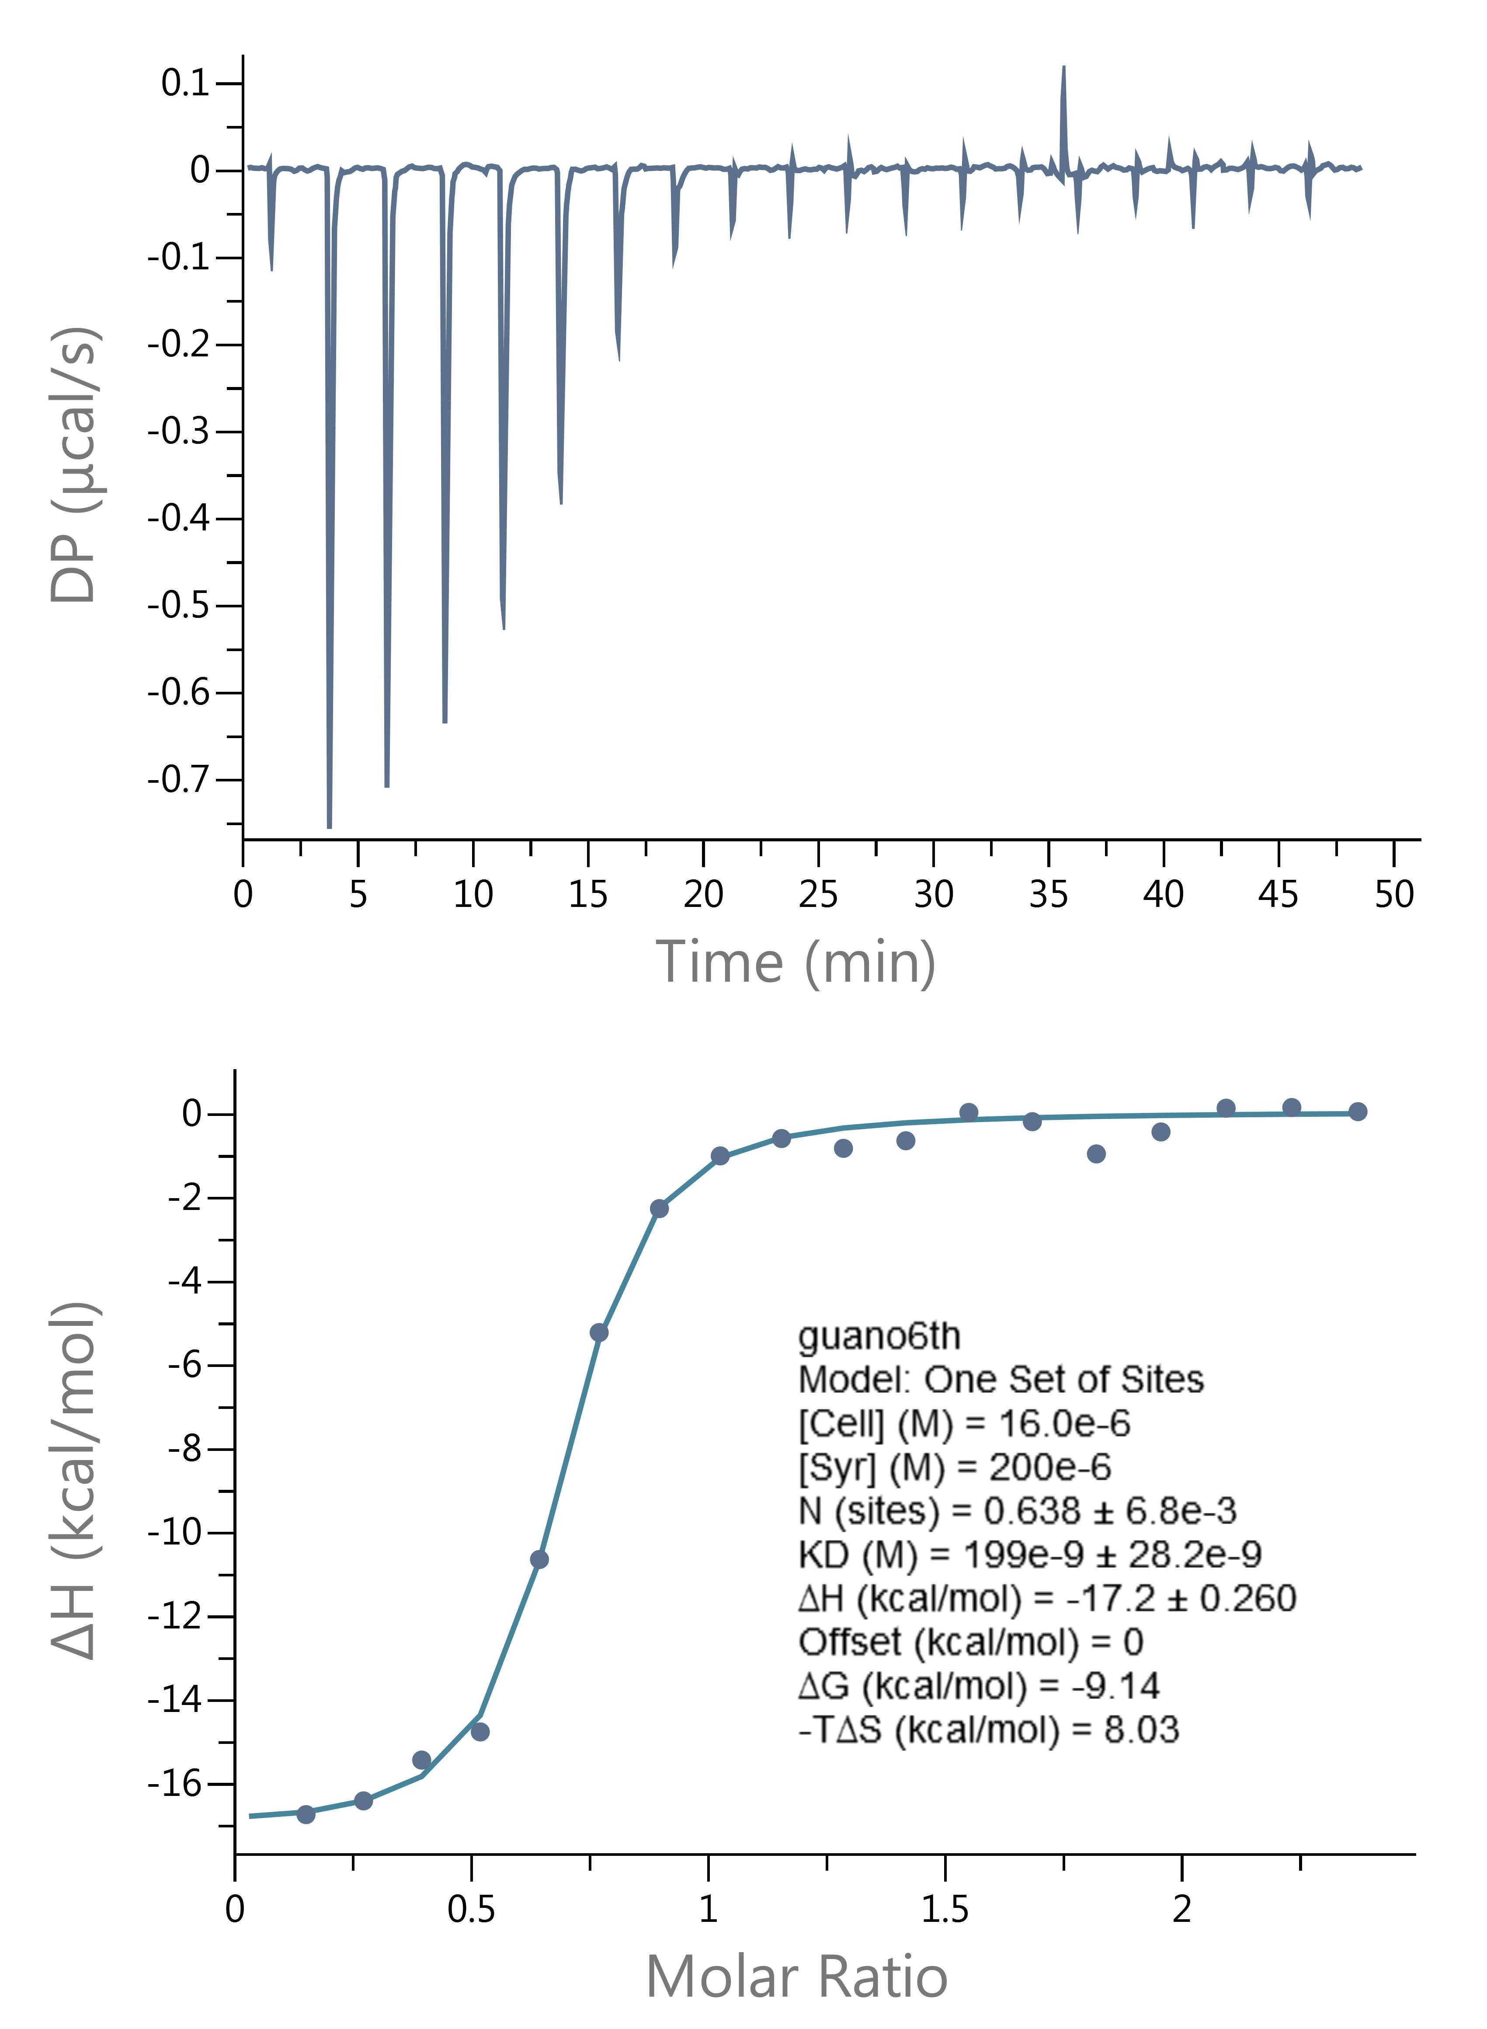

 | Adenosine Run 1 |  | Adenosine Run 2 |  | Adenosine Run 3

