Sheet1
 |  |  |  |  |  |  |  |  |  |  |  |  |  | Stanbio Kit
Plate format: | 96 Wells |  |  |  |  |  |  |  |  |  |  |  |  | After eclosion, w1118 adult male and female (sexed by sex comb) flies were kept in 0 mM or 10mM Auxin food
 |  |  |  |  |  |  |  |  |  |  |  |  |  | 5 days old adult flies were used for the experiment.
Absorbances Filter 1: 540nm |  |  |  |  |  |  |  |  |  |  |  |  |  | 5 flies/vial
 |  |  |  |  |  |  |  |  |  |  |  |  |  | 350 uL 1xPBST were used to homogenized
 | Technical replicate 1 |  |  |  | Technical replicate 2 |  |  |  |  |  | standard calculation |  |  | 10 flies/vial were used for body-weight
 | F_(-)auxin | M_(-)auxin | F_(+)auxin | M_(+)auxin | F_(-)auxin | M_(-)auxin | F_(+)auxin | M_(+)auxin | std1 | std2 | Avg std | conc (mg/ml) | abs
Set 1 | 0.305 | 0.188 | 0.235 | 0.153 | 0.3 | 0.185 | 0.232 | 0.153 | 0.07 | 0.069 | 0.0695 | 0 | 0
 | 0.311 | 0.174 | 0.24 | 0.166 | 0.29 | 0.174 | 0.24 | 0.163 | 0.078 | 0.079 | 0.0785 | 0.03 | 0.009
 | 0.264 | 0.181 | 0.232 | 0.175 | 0.25 | 0.177 | 0.224 | 0.174 | 0.088 | 0.088 | 0.088 | 0.06 | 0.0185
 | 0.304 | 0.178 | 0.213 | 0.176 | 0.294 | 0.174 | 0.212 | 0.174 | 0.108 | 0.105 | 0.1065 | 0.125 | 0.037
Set 2 | 0.273 | 0.164 | 0.214 | 0.167 | 0.261 | 0.162 | 0.213 | 0.167 | 0.143 | 0.142 | 0.1425 | 0.25 | 0.073
 | 0.296 | 0.185 | 0.227 | 0.163 | 0.3 | 0.186 | 0.215 | 0.16 | 0.22 | 0.218 | 0.219 | 0.5 | 0.1495
 | 0.319 | 0.162 | 0.237 | 0.16 | 0.305 | 0.162 | 0.23 | 0.159 | 0.377 | 0.365 | 0.371 | 1 | 0.3015
 | 0.289 | 0.169 | 0.198 | 0.167 | 0.289 | 0.173 | 0.195 | 0.166 | 0.666 | 0.651 | 0.6585 | 2 | 0.589
Standard Curve
 | abs
0 | 0
0.03 | 0.009
0.06 | 0.0185
0.125 | 0.037
0.25 | 0.073
0.5 | 0.1495
1 | 0.3015
2 | 0.589
Avg Samples | F_(-)auxin | M_(-)auxin | F_(+)auxin | M_(+)auxin
 | 0.3025 | 0.1865 | 0.2335 | 0.153
 | 0.3005 | 0.174 | 0.24 | 0.1645
 | 0.257 | 0.179 | 0.228 | 0.1745
 | 0.299 | 0.176 | 0.2125 | 0.175
 | 0.267 | 0.163 | 0.2135 | 0.167
 | 0.298 | 0.1855 | 0.221 | 0.1615
 | 0.312 | 0.162 | 0.2335 | 0.1595
 | 0.289 | 0.171 | 0.1965 | 0.1665

Conc from equation | F_(-)auxin | M_(-)auxin | F_(+)auxin | M_(+)auxin
 | 1.0213270142 | 0.62863913338 | 0.78774542993 | 0.51523358158
 | 1.0145565335 | 0.58632362898 | 0.80974949221 | 0.55416384563
 | 0.8672985782 | 0.60324983074 | 0.76912660799 | 0.58801624915
 | 1.009478673 | 0.59309410968 | 0.71665538253 | 0.58970886933
 | 0.90115098172 | 0.5490859851 | 0.72004062288 | 0.56262694651
 | 1.0060934326 | 0.62525389303 | 0.74542992552 | 0.54400812458
 | 1.0534867976 | 0.54570074475 | 0.78774542993 | 0.53723764387
 | 0.97562626947 | 0.57616790792 | 0.6624915369 | 0.56093432634 |  | 10 flies/tube, then divided by 10 to get body-weight per fly
 |  |  |  |  |  | body weight per fly
350 ul 1xPBST used | F_(-)auxin | M_(-)auxin | F_(+)auxin | M_(+)auxin |  | F_(-)auxin | M_(-)auxin | F_(+)auxin | M_(+)auxin
5 flies/ tube | 0.071492890995 | 0.044004739336 | 0.055142180095 | 0.036066350711 |  | 0.97 | 0.72 | 0.93 | 0.77
 | 0.071018957346 | 0.041042654028 | 0.056682464455 | 0.038791469194 |  | 0.97 | 0.72 | 0.93 | 0.77
 | 0.060710900474 | 0.042227488152 | 0.053838862559 | 0.041161137441 |  | 0.9 | 0.7 | 0.95 | 0.7
 | 0.070663507109 | 0.041516587678 | 0.050165876777 | 0.041279620853 |  | 0.9 | 0.7 | 0.95 | 0.7
 | 0.06308056872 | 0.038436018957 | 0.050402843602 | 0.039383886256 |  | 0.87 | 0.64 | 0.88 | 0.74
 | 0.070426540284 | 0.043767772512 | 0.052180094787 | 0.03808056872 |  | 0.87 | 0.64 | 0.88 | 0.74
 | 0.073744075829 | 0.038199052133 | 0.055142180095 | 0.037606635071 |  | 0.96 | 0.69 | 0.93 | 0.73
 | 0.068293838863 | 0.040331753555 | 0.046374407583 | 0.039265402844 |  | 0.96 | 0.69 | 0.93 | 0.73

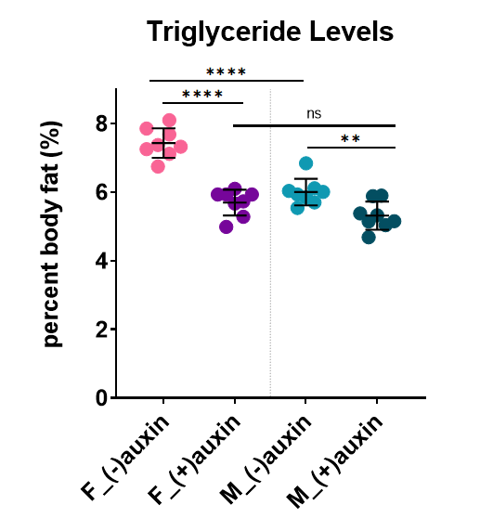
percent body fat | F_(-)auxin | M_(-)auxin | F_(+)auxin | M_(+)auxin
 | 7.3704011335 | 6.1117693523 | 5.9292666769 | 4.6839416508
 | 7.3215419944 | 5.7003686151 | 6.0948886511 | 5.0378531421
 | 6.7456556082 | 6.0324983074 | 5.6672486904 | 5.8801624915
 | 7.8515007899 | 5.9309410968 | 5.2806186081 | 5.8970886933
 | 7.2506400828 | 6.0056279621 | 5.7275958639 | 5.3221467913
 | 8.0950046304 | 6.838714455 | 5.9295562258 | 5.1460228001
 | 7.6816745656 | 5.536094512 | 5.9292666769 | 5.1515938454
 | 7.1139415482 | 5.8451816746 | 4.986495439 | 5.3788223073

