Figure 5A
liver weight | male | Gdf2fl/fl Bmp10fl/fl | 1.41 | 1.18 | 1.46 | 1.42 | 1.09 | 1.08 | 1.14 | 1.33 | 1.34 | 1.22
 |  | Gdf2fl/fl Bmp10fl/fl LratCre | 1.07 | 0.98 | 1.04 | 1.07 | 0.82 | 0.95 | 1.24 | 0.95 | 0.98
body weight |  | Gdf2fl/fl Bmp10fl/fl | 26.11 | 24.88 | 28.87 | 26.28 | 29.13 | 25.7 | 24.83 | 23.56 | 26.66 | 24.82
 |  | Gdf2fl/fl Bmp10fl/fl LratCre | 26.73 | 26.7 | 27.42 | 28.74 | 25.12 | 24.35 | 25.9 | 27.6 | 29.17
liver/body weight ratio |  | Gdf2fl/fl Bmp10fl/fl | 0.05400229797 | 0.047427652733 | 0.050571527537 | 0.05403348554 | 0.037418468932 | 0.042023346304 | 0.04591220298 | 0.056451612903 | 0.050262565641 | 0.049153908139
 |  | Gdf2fl/fl Bmp10fl/fl LratCre | 0.040029928919 | 0.03670411985 | 0.037928519329 | 0.037230340988 | 0.032643312102 | 0.039014373717 | 0.047876447876 | 0.034420289855 | 0.033596160439

liver weight | female | Gdf2fl/fl Bmp10fl/fl | 0.92 | 1.06 | 1.02 | 1.11 | 1.17 | 0.82 | 1.3 | 0.93 | 1.03
 |  | Gdf2fl/fl Bmp10fl/fl LratCre | 0.82 | 0.93 | 0.78 | 1.03 | 0.78 | 0.8 | 0.65 | 1.22 | 1.12 | 0.87 | 0.98 | 0.93 | 0.68
body weight |  | Gdf2fl/fl Bmp10fl/fl | 22.38 | 21.42 | 21.56 | 22.33 | 20.28 | 20.7 | 22.84 | 21.47 | 21.61
 |  | Gdf2fl/fl Bmp10fl/fl LratCre | 21.67 | 24.07 | 21.46 | 24.48 | 21.56 | 21.2 | 20.62 | 23.23 | 22.62 | 21.27 | 22.19 | 23.78 | 20.81
liver/body weight ratio |  | Gdf2fl/fl Bmp10fl/fl | 0.041108132261 | 0.049486461251 | 0.047309833024 | 0.049708911778 | 0.057692307692 | 0.03961352657 | 0.056917688266 | 0.04331625524 | 0.047663118926
 |  | Gdf2fl/fl Bmp10fl/fl LratCre | 0.037840332257 | 0.038637307852 | 0.036346691519 | 0.042075163399 | 0.036178107607 | 0.037735849057 | 0.031522793404 | 0.052518295308 | 0.049513704686 | 0.040902679831 | 0.044164037855 | 0.039108494533 | 0.03267659779

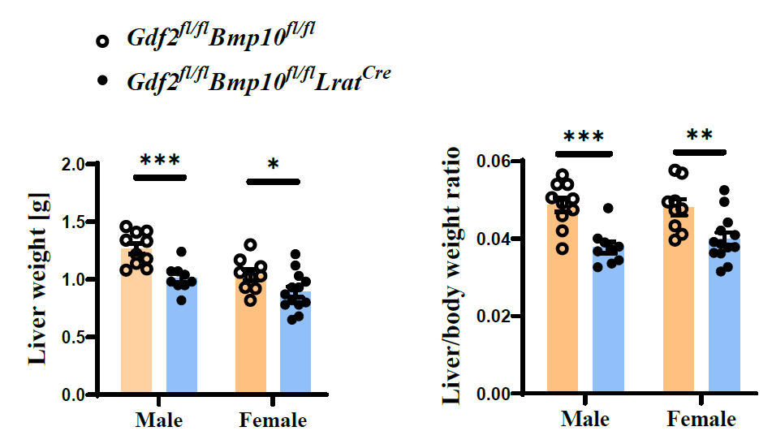

Figure 5B
Fibrotic area (%)
Gdf2fl/fl Bmp10fl/fl | 0.151 | 0.234 | 0.214 | 0.089 | 0.102 | 0.092 | 0.111 | 0.402 | 0.095
Gdf2fl/fl Bmp10fl/fl LratCre | 2.191 | 2.341 | 2.3 | 2.526 | 2.486 | 2.26 | 2.675 | 2.458 | 2.662 | 2.359

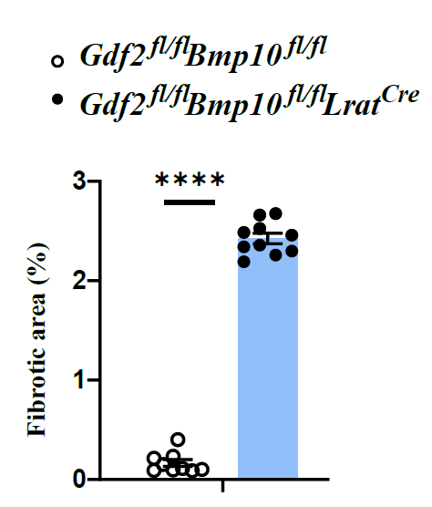

Figure 5C
Pdgfb expression in liver tissues |  |  |  | Pdgfb expression in endothelial cells |  |  |  | Pdgfb expression in liver macrophages
Gdf2fl/fl Bmp10fl/fl | 164 | 250 | 171 | Gdf2fl/fl Bmp10fl/fl | 1007 | 519 | 638 | Gdf2fl/fl Bmp10fl/fl | 3335 | 1280 | 1351
Gdf2fl/fl Bmp10fl/fl LratCre | 1463 | 948 | 958 | Gdf2fl/fl Bmp10fl/fl LratCre | 17955 | 10579 | 16203 | Gdf2fl/fl Bmp10fl/fl LratCre | 9715 | 7631 | 7453

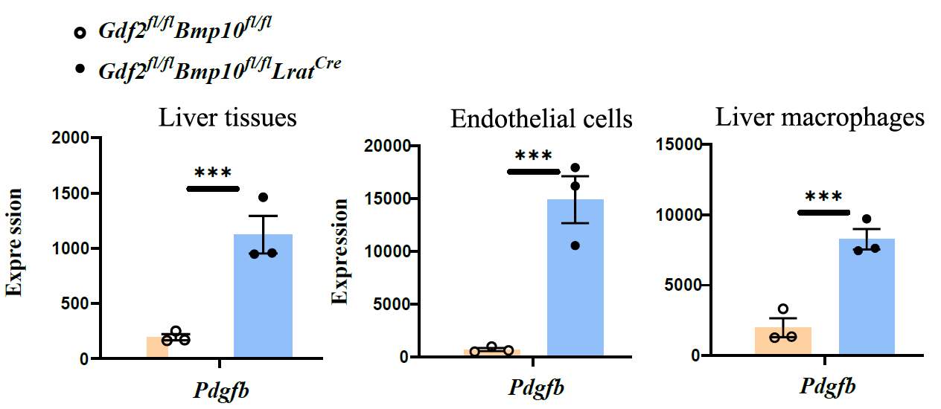

Figure 5D
Desmin+ cells/mm2 |  |  |  |  |  | Collagen I area (%)
Gdf2fl/fl Bmp10fl/fl | 604.82 | 596.52 | 658.74 | 511.07 | 593.2 | Gdf2fl/fl Bmp10fl/fl | 0.256 | 1.718 | 0.618 | 0.929
Gdf2fl/fl Bmp10fl/fl LratCre | 668.7 | 707.69 | 737.56 | 723.46 | 717.65 | Gdf2fl/fl Bmp10fl/fl LratCre | 5.047 | 4.079 | 5.073 | 7.184 | 5.322 | 5.33
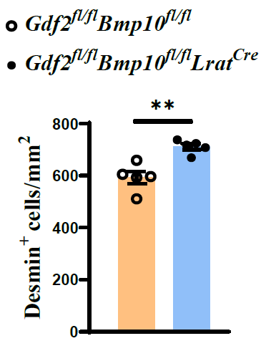

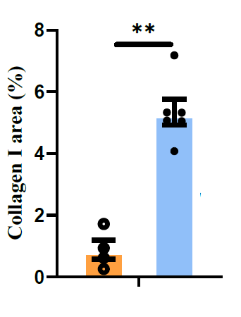

Figure 5E
Collagen IV area (%)
Gdf2fl/fl Bmp10fl/fl | 1.659546 | 0.774991 | 0.898889 | 1.666574
Gdf2fl/fl Bmp10fl/fl LratCre | 8.031547 | 8.185233 | 8.427863 | 5.967122

