Figure 1A
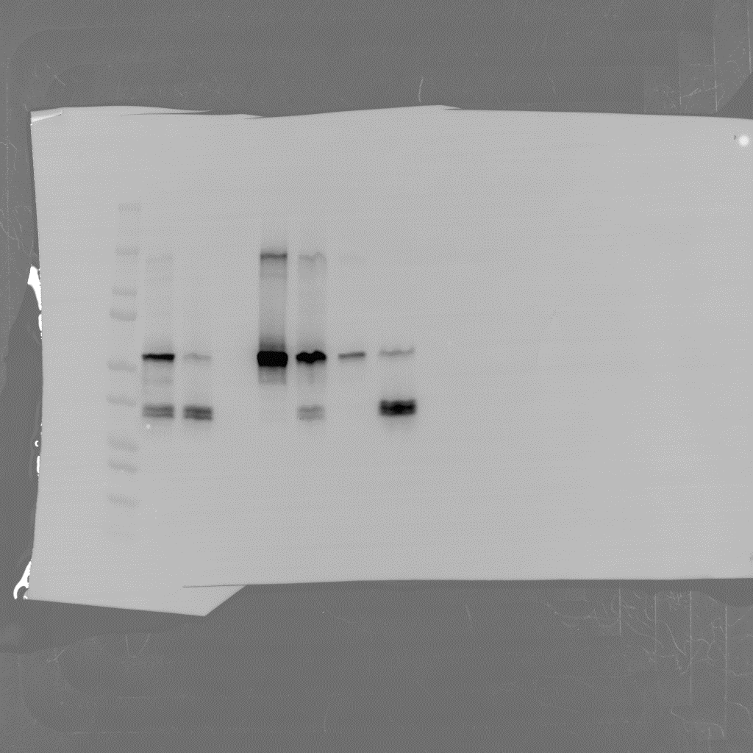
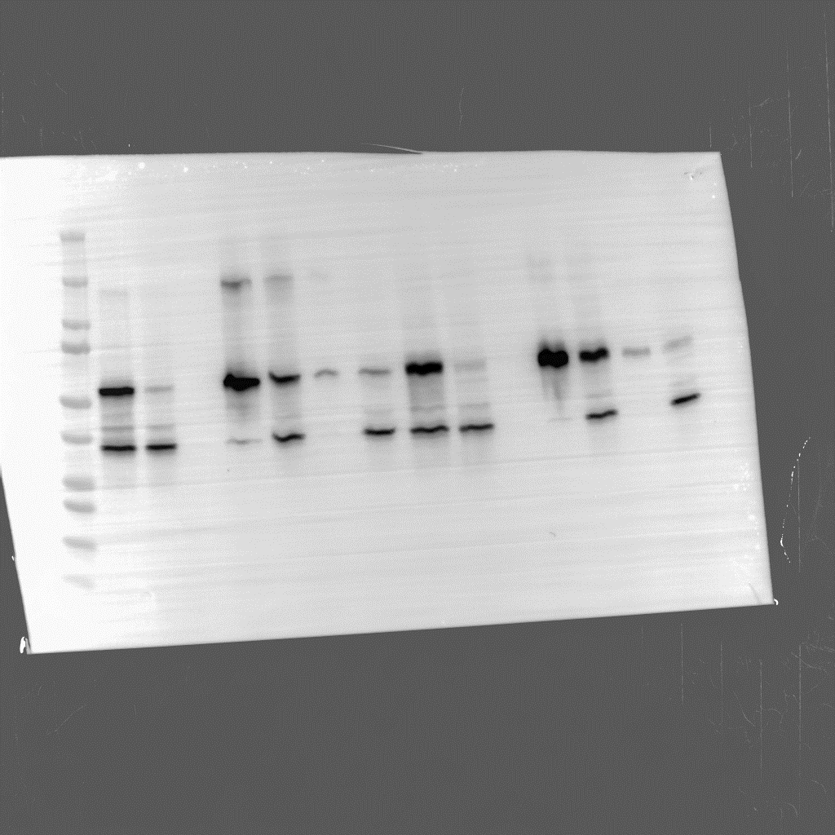

kD
1 2 3 4
250
1 2 3 4
1 2 3 4
250
250
150
150
150
100
100
75
100
75
75
CALHM6_Venus_myc_SBP
CALHM4_Venus_myc_SBP
50
CALHM4_Venus_myc_SBP
50
37
50
CALHM2_myc_His
CALHM2_myc_His
37
CALHM6_myc_His
37
25
25
25
20
20
20
15
15
10
15
10
10

1 – whole cell extract
2 – flow-through after binding to Strep-Tactin resin
3 - flowthrough after wash step on Strep-Tactin resin
4 – elution from Strep-Tactin resin.
Elution Band | Intensity | Intensity ratio
CALHM4_Venus_myc_SBP | 30335.969 | 0.00046545406214
CALHM6_myc_His | 14.12

CALHM4_Venus_myc_SBP | 20289.735 | 0.079917258653
CALHM2_myc_His | 1621.5

CALHM6_Venus_myc_SBP | 21077.936 | 0.008633198241
CALHM2_myc_His | 181.97

