CellNumber FOXG1 and NR2F1 bars
 | Total cells |  |  |  |  | A | Total cells |  |  | % |  | B | Total cells |  |  | % |  | TOTAL | FOXG1 | % |  | error bars |  | A | Total cells |  |  | % |  | B | Total cells |  |  | % |  | TOTAL | NR2F1 | % |  | error bars
n° cells | All | WNTia | FGF8a | WNTib | FGF8b | FOXG1 | All | WNTia | FGF8a | WNTi | FGF8 | FOXG1 | All | WNTib | FGF8b | WNTi | FGF8 | FOXG1 | All | WNTi | FGF8 | WNTi | FGF8 | NR2F1 | All | WNTia | FGF8a | WNTi | FGF8 | NR2F1 | All | WNTi | FGF8 | WNTi | FGF8 | FOXG1 | All | WNTi | FGF8 | WNTi | FGF8
Cluster 1 | 2148 | 1047 | 100 | 950 | 51 | Cluster 1 |  | 978 | 70 | 93.4 | 70.0 | Cluster 1 |  | 887 | 39 | 93.4 | 76.5 | Cluster 1 |  | 93.4 | 72.2 | 0.0 | 3.2 | Cluster 1 |  | 797 | 10 | 76.1 | 10.0 | Cluster 1 |  | 638 | 9 | 67.2 | 17.6 | Cluster 1 |  | 71.9 | 12.6 | 4.5 | 3.8
Cluster 2 | 1476 | 568 | 223 | 544 | 141 | Cluster 2 |  | 489 | 173 | 86.1 | 77.6 | Cluster 2 |  | 469 | 120 | 86.2 | 85.1 | Cluster 2 |  | 86.2 | 80.5 | 0.1 | 3.8 | Cluster 2 |  | 518 | 36 | 91.2 | 16.1 | Cluster 2 |  | 488 | 27 | 89.7 | 19.1 | Cluster 2 |  | 90.5 | 17.3 | 0.7 | 1.5
Cluster 3 | 1434 | 525 | 226 | 581 | 102 | Cluster 3 |  | 416 | 139 | 79.2 | 61.5 | Cluster 3 |  | 474 | 71 | 81.6 | 69.6 | Cluster 3 |  | 80.5 | 64.0 | 1.2 | 4.1 | Cluster 3 |  | 423 | 31 | 80.6 | 13.7 | Cluster 3 |  | 424 | 26 | 73.0 | 25.5 | Cluster 3 |  | 76.6 | 17.4 | 3.8 | 5.9
Cluster 4 | 1339 | 528 | 181 | 494 | 136 | Cluster 4 |  | 489 | 131 | 92.6 | 72.4 | Cluster 4 |  | 463 | 103 | 93.7 | 75.7 | Cluster 4 |  | 93.2 | 73.8 | 0.6 | 1.7 | Cluster 4 |  | 451 | 22 | 85.4 | 12.2 | Cluster 4 |  | 414 | 26 | 83.8 | 19.1 | Cluster 4 |  | 84.6 | 15.1 | 0.8 | 3.5
Cluster 5 | 1328 | 363 | 378 | 374 | 213 | Cluster 5 |  | 277 | 292 | 76.3 | 77.2 | Cluster 5 |  | 306 | 163 | 81.8 | 76.5 | Cluster 5 |  | 79.1 | 77.0 | 2.8 | 0.4 | Cluster 5 |  | 296 | 45 | 81.5 | 11.9 | Cluster 5 |  | 303 | 47 | 81.0 | 22.1 | Cluster 5 |  | 81.3 | 15.6 | 0.3 | 5.1
Cluster 6 | 1321 | 279 | 478 | 266 | 298 | Cluster 6 |  | 180 | 349 | 64.5 | 73.0 | Cluster 6 |  | 177 | 223 | 66.5 | 74.8 | Cluster 6 |  | 65.5 | 73.7 | 1.0 | 0.9 | Cluster 6 |  | 209 | 36 | 74.9 | 7.5 | Cluster 6 |  | 212 | 41 | 79.7 | 13.8 | Cluster 6 |  | 77.2 | 9.9 | 2.4 | 3.1
Cluster 7 | 1289 | 149 | 606 | 147 | 387 | Cluster 7 |  | 95 | 361 | 63.8 | 59.6 | Cluster 7 |  | 94 | 263 | 63.9 | 68.0 | Cluster 7 |  | 63.9 | 62.8 | 0.1 | 4.2 | Cluster 7 |  | 128 | 107 | 85.9 | 17.7 | Cluster 7 |  | 126 | 92 | 85.7 | 23.8 | Cluster 7 |  | 85.8 | 20.0 | 0.1 | 3.1
Cluster 8 | 1265 | 24 | 615 | 10 | 616 | Cluster 8 |  | 9 | 240 | 37.5 | 39.0 | Cluster 8 |  | 2 | 322 | 20.0 | 52.3 | Cluster 8 |  | 32.4 | 45.7 | 8.8 | 6.6 | Cluster 8 |  | 23 | 412 | 95.8 | 67.0 | Cluster 8 |  | 6 | 408 | 60.0 | 66.2 | Cluster 8 |  | 85.3 | 66.6 | 17.9 | 0.4
Cluster 9 | 1251 | 10 | 534 | 11 | 696 | Cluster 9 |  | 4 | 255 | 40.0 | 47.8 | Cluster 9 |  | 5 | 405 | 45.5 | 58.2 | Cluster 9 |  | 42.9 | 53.7 | 2.7 | 5.2 | Cluster 9 |  | 10 | 363 | 100.0 | 68.0 | Cluster 9 |  | 11 | 480 | 100.0 | 69.0 | Cluster 9 |  | 100.0 | 68.5 | 0.0 | 0.5
Cluster 10 | 1163 | 116 | 584 | 159 | 304 | Cluster 10 |  | 25 | 111 | 21.6 | 19.0 | Cluster 10 |  | 54 | 73 | 34.0 | 24.0 | Cluster 10 |  | 28.7 | 20.7 | 6.2 | 2.5 | Cluster 10 |  | 31 | 41 | 26.7 | 7.0 | Cluster 10 |  | 62 | 21 | 39.0 | 6.9 | Cluster 10 |  | 33.8 | 7.0 | 6.1 | 0.1
Cluster 11 | 1020 | 289 | 287 | 314 | 130 | Cluster 11 |  | 145 | 91 | 50.2 | 31.7 | Cluster 11 |  | 178 | 57 | 56.7 | 43.8 | Cluster 11 |  | 53.6 | 35.5 | 3.3 | 6.1 | Cluster 11 |  | 186 | 28 | 64.4 | 9.8 | Cluster 11 |  | 172 | 14 | 54.8 | 10.8 | Cluster 11 |  | 59.4 | 10.1 | 4.8 | 0.5
Cluster 12 | 944 | 313 | 167 | 335 | 129 | Cluster 12 |  | 268 | 118 | 85.6 | 70.7 | Cluster 12 |  | 288 | 118 | 86.0 | 91.5 | Cluster 12 |  | 85.8 | 79.7 | 0.2 | 10.4 | Cluster 12 |  | 296 | 16 | 94.6 | 9.6 | Cluster 12 |  | 316 | 13 | 94.3 | 10.1 | Cluster 12 |  | 94.4 | 9.8 | 0.1 | 0.2
Cluster 13 | 939 | 265 | 240 | 296 | 138 | Cluster 13 |  | 117 | 107 | 44.2 | 44.6 | Cluster 13 |  | 158 | 67 | 53.4 | 48.6 | Cluster 13 |  | 49.0 | 46.0 | 4.6 | 2.0 | Cluster 13 |  | 181 | 69 | 68.3 | 28.7 | Cluster 13 |  | 176 | 39 | 59.5 | 28.3 | Cluster 13 |  | 63.6 | 28.6 | 4.4 | 0.2
Cluster 14 | 861 | 291 | 151 | 277 | 142 | Cluster 14 |  | 262 | 115 | 90.0 | 76.2 | Cluster 14 |  | 239 | 121 | 86.3 | 85.2 | Cluster 14 |  | 88.2 | 80.5 | 1.9 | 4.5 | Cluster 14 |  | 276 | 8 | 94.8 | 5.3 | Cluster 14 |  | 259 | 29 | 93.5 | 20.4 | Cluster 14 |  | 94.2 | 12.6 | 0.7 | 7.6
Cluster 15 | 812 | 273 | 176 | 222 | 141 | Cluster 15 |  | 228 | 134 | 83.5 | 76.1 | Cluster 15 |  | 189 | 117 | 85.1 | 83.0 | Cluster 15 |  | 84.2 | 79.2 | 0.8 | 3.4 | Cluster 15 |  | 254 | 29 | 93.0 | 16.5 | Cluster 15 |  | 209 | 34 | 94.1 | 24.1 | Cluster 15 |  | 93.5 | 19.9 | 0.6 | 3.8
 | 18590 | 5040 | 4946 | 4980 | 3624 | TOTAL | 0 | 3982 | 2686 | 79.0 | 54.3 | TOTAL | 0 | 3983 | 2262 | 80.0 | 62.4 | TOTAL | 0 | 79.5 | 57.7 | 0.5 | 4.1 | TOTAL | 0 | 4079 | 1253 | 80.9 | 25.3 | TOTAL | 0 | 3816 | 1306 | 76.6 | 36.0 | TOTAL | 0 | 78.8 | 29.9 | 2.2 | 5.4
 |  |  |  |  |  | in | Cluster X |  |  |  |  | in | Cluster X |  |  |  |  |  |  |  |  |  |  | in | Cluster X |  |  |  |  | in | Cluster X
 |  |  |  |  |  | FOXG1 | > | 0 |  |  |  | FOXG1 | > | 0 |  |  |  |  |  |  |  |  |  | NR2F1 | > | 0 |  |  |  | NR2F1 | > | 0
 |  |  |  |  |  | in | FGF8 or CTL |  |  |  |  | in | FGF8 or CTL |  |  |  |  |  |  |  |  |  |  | in | FGF8 or CTL |  |  |  |  | in | FGF8 or CTL

Number of cells per cluster

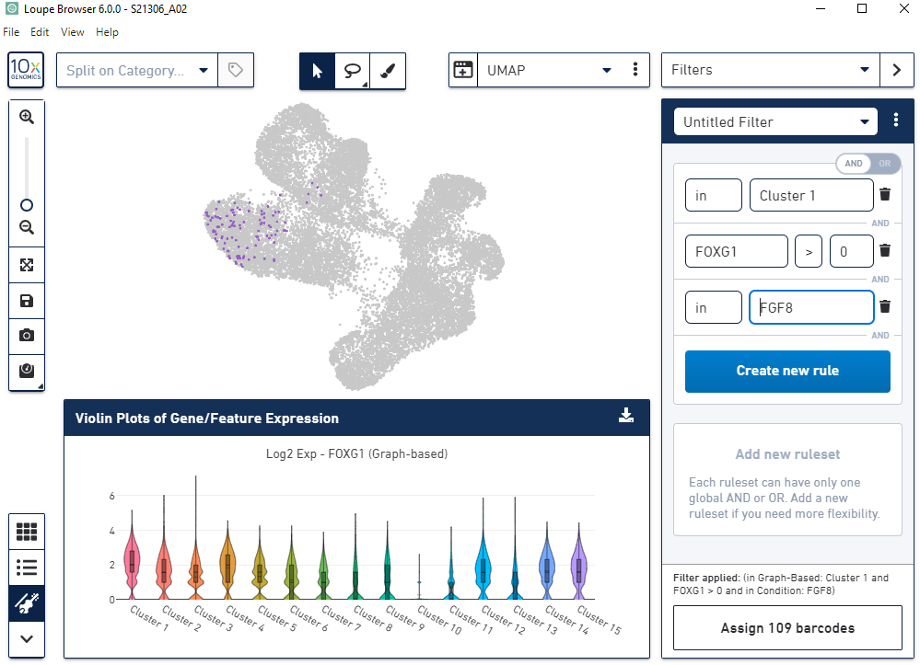

% of FOXG1+ cells per cluster

