PK Report
Preclinical PK Study Report

Study Details |  |  |  |  |  |  |  | Clinical Observation
Sponsor | 403346 |  |  |  |  |  |  | Clinical Observation:Please refer to Animal BW&Clinical Observation sheet
Sponsor Study No. | 2649
WuXi DMPK Study No. | 403346-2019120405-CPK
Species | Male Rhesus Monkey, Fasted
Administered compound | kCBJ874 | kCBJ874
Phase | 1.00 | 2.00
Study Group | PO1 | PO1
Nominal dose (mg/kg) | 1.00 | 30.0 |  |  |  |  |  | PK Calculation Settings
Administered dose (mg/kg) | 0.983 | 28.0 |  |  |  |  |  | Program |  | Phoenix WinNonlin 6.3
Formulation | 1 mg/mL in 0.5%MC/0.5%Tw80, clear solution | 6 mg/mL in 0.5%MC/0.5%Tw80, homogenous opaque suspension |  |  |  |  |  | Model |  | PO-Noncompartmental model 200 (extravascular input)
In-life start date | 2019/12/10 | 2019/12/17 |  |  |  |  |  | Calculation method |  | Linear/log trapezoidal
Report date | 2019/12/20 |  |  |  |  |  |  | Dose used (WNL calculation) |  | Nominal Dose
Report version | V.1. |  |  |  |  |  |  | "BQL" was excluded in the PK parameters and mean concentration calculation.
Bioanalytical Details |  |  |  |  |  |  |  | Data Analysis
Analyte compound | kCBJ874 |  |  |  |  |  |  | Calculated by |  | Xiaohui Jiang/Chen Xu/Keke Wang
Batch No. | CBR-001-845-977-3 (K0619) |  |  |  |  |  |  | Reviewed by |  | Guang Yang
Molecular weight | 283.327 |  |  |  |  |  |  | Comments
Formular weight | 283.332 |  |  |  |  |  |  | NA
Salt factor | 1.000
Purity (%) | 95
Analytical technique | LC-MS/MS
Matrix | Plasma (EDTA-K2)
Plasma LLOQ (ng/mL) | 1.00
Plasma ULOQ (ng/mL) | 3000

Pharmacokinetics of kCBJ874 (ng/mL)
kCBJ874
Phase1 |  |  |  |  |  |  |  | Phase2
PO1 |  |  |  |  |  |  |  | PO1
Time (h) | Rhesus1001 | Rhesus1002 | Rhesus1003 | Mean |  | SD | CV (%) | Time (h) | Rhesus1001 | Rhesus1002 | Rhesus1003 | Mean |  | SD | CV (%)
0.500 | 317 | 378 | 61.0 | 252 | ± | 168 | 66.7 | 0.500 | 14700 | 15900 | 10400 | 13667 | ± | 2892 | 21.2
1.00 | 161 | 171 | 315 | 216 | ± | 86.2 | 40.0 | 1.00 | 8850 | 10000 | 6830 | 8560 | ± | 1605 | 18.7
3.00 | 20.5 | 17.2 | 29.2 | 22.3 | ± | 6.20 | 27.8 | 3.00 | 1500 | 1240 | 1090 | 1277 | ± | 207 | 16.2
8.00 | BQL | BQL | BQL | ND | ± | ND | ND | 8.00 | 25.0 | 29.8 | 139 | 64.6 | ± | 64.5 | 99.8
24.0 | BQL | BQL | BQL | ND | ± | ND | ND | 24.0 | 1.69 | 2.19 | 2.47 | 2.12 | ± | 0.395 | 18.7
PK Parameters | Rhesus1001 | Rhesus1002 | Rhesus1003 | Mean |  | SD | CV (%) | PK Parameters | Rhesus1001 | Rhesus1002 | Rhesus1003 | Mean |  | SD | CV (%)
Rsq_adj | 0.995 | 0.993 | ND | -- | ± | -- | -- | Rsq_adj | 0.774 | 0.763 | 0.976 | -- | ± | -- | --
No. points used for T1/2 | 3.00 | 3.00 | 0.00 | ND | ± | -- | -- | No. points used for T1/2 | 4.00 | 4.00 | 3.00 | ND | ± | -- | --
Cmax (ng/mL) | 317 | 378 | 315 | 337 | ± | 35.8 | 10.6 | Cmax (ng/mL) | 14700 | 15900 | 10400 | 13667 | ± | 2892 | 21.2
Tmax (h) | 0.500 | 0.500 | 1.00 | 0.667 | ± | 0.289 | 43.3 | Tmax (h) | 0.500 | 0.500 | 0.500 | 0.500 | ± | 0.000 | 0.0
T1/2 (h) | 0.644 | 0.572 | ND | 0.608 | ± | ND | ND | T1/2 (h) | 2.02 | 2.09 | 2.47 | 2.19 | ± | 0.242 | 11.0
Tlast (h) | 3.00 | 3.00 | 3.00 | 3.00 | ± | -- | -- | Tlast (h) | 24.0 | 24.0 | 24.0 | 24.0 | ± | -- | --
AUC0-last (ng.h/mL) | 331 | 359 | 350 | 347 | ± | 14.3 | 4.12 | AUC0-last (ng.h/mL) | 19661 | 20522 | 15952 | 18712 | ± | 2428 | 13.0
AUC0-inf (ng.h/mL) | 350 | 373 | ND | 362 | ± | ND | ND | AUC0-inf (ng.h/mL) | 19666 | 20528 | 15960 | 18718 | ± | 2427 | 13.0
MRT0-last (h) | 1.06 | 1.01 | 1.39 | 1.15 | ± | 0.206 | 17.9 | MRT0-last (h) | 1.50 | 1.45 | 2.02 | 1.66 | ± | 0.316 | 19.1
MRT0-inf (h) | 1.22 | 1.11 | ND | 1.17 | ± | ND | ND | MRT0-inf (h) | 1.51 | 1.46 | 2.04 | 1.67 | ± | 0.321 | 19.2
AUCExtra (%) | 5.44 | 3.81 | ND | 4.63 | ± | ND | ND | AUCExtra (%) | 0.0250 | 0.0322 | 0.0551 | 0.0374 | ± | 0.0157 | 42.0
AUMCExtra (%) | 17.5 | 13.1 | ND | 15.3 | ± | ND | ND | AUMCExtra (%) | 0.447 | 0.597 | 0.746 | 0.597 | ± | 0.150 | 25.1
Cl/F(mL/min/kg) | 47.6 | 44.7 | ND | 46.2 | ± | ND | ND | Cl/F(mL/min/kg) | 25.4 | 24.4 | 31.3 | 27.0 | ± | 3.75 | 13.9

ND = Not determined (Parameters not determined due to inadequately defined terminal elimination phase)
BQL = Below the lower limit of quantitation (LLOQ)
If the adjusted rsq (linear regression coefficient of the concentration value on the terminal phase) is less than 0.9, T1/2 might not be accurately estimated.
If the % AUCExtra > 20%, AUC0-inf, Cl, MRT0-inf and Vdss might not be accurately estimated.
If the % AUMCExtra > 20%, MRT0-inf and Vdss might not be accurately estimated.
The adjusted linear regression coefficient of the concentration value on the terminal phase is less than 0.9, T1/2 might not be accurately estimated.
CL/F (mL/min/kg) =Dose/AUC0-inf*1000000/60

Plasma Concentration of kCBJ874 after PO1 Dosing at 1.00 mg/kg in phase 1
 | Rhesus1001 | Rhesus1002 | Rhesus1003 | Mean
0.50 | 317 | 378 | 61 | 252
1.00 | 161 | 171 | 315 | 216
3.00 | 21 | 17 | 29 | 22
Plasma Concentration of kCBJ874 after PO2 Dosing at 30.0 mg/kg in phase 2
Mean Plasma Concentration of kCBJ874 after PO Dosing

 |  |  |  |  |  |  |  |  |  |  |  | Mean PO-phase1
 |  |  |  |  |  |  |  |  |  |  |  | Mean PO-phase2

Dose Raw Data&MD&Chromatogram_2
Verification Method

Interface Parameters:
 | 1
Mobile Phase A | 0.1% TFA in Water/ACN(v:v, 95:5)
Mobile Phase B | 0.1% TFA in ACN/water(v:v, 95:5)
Column
 | Waters CORTECS C18 2.7 μm 4.6*50mm Column
Flow Rate(ml/min) | 1.8
Detection Wavelength(nm) | 254
Injection Volume(μL) | 0.5

Instrument:
 | Name | LC
1 | BIO-HPLC-02-SZ-XZY | Waters H-class ACQUITY UPLC

Gradient:
Time(min) | Floe Rate(ml/min) | %A | %B | %C | %D | Curve
Initial | 1.8 | 100 | 0 | 0 | 0 | Initial
2 | 1.8 | 0 | 100 | 0 | 0 | 6
3 | 1.8 | 100 | 0 | 0 | 0 | 1

Verification Method 2
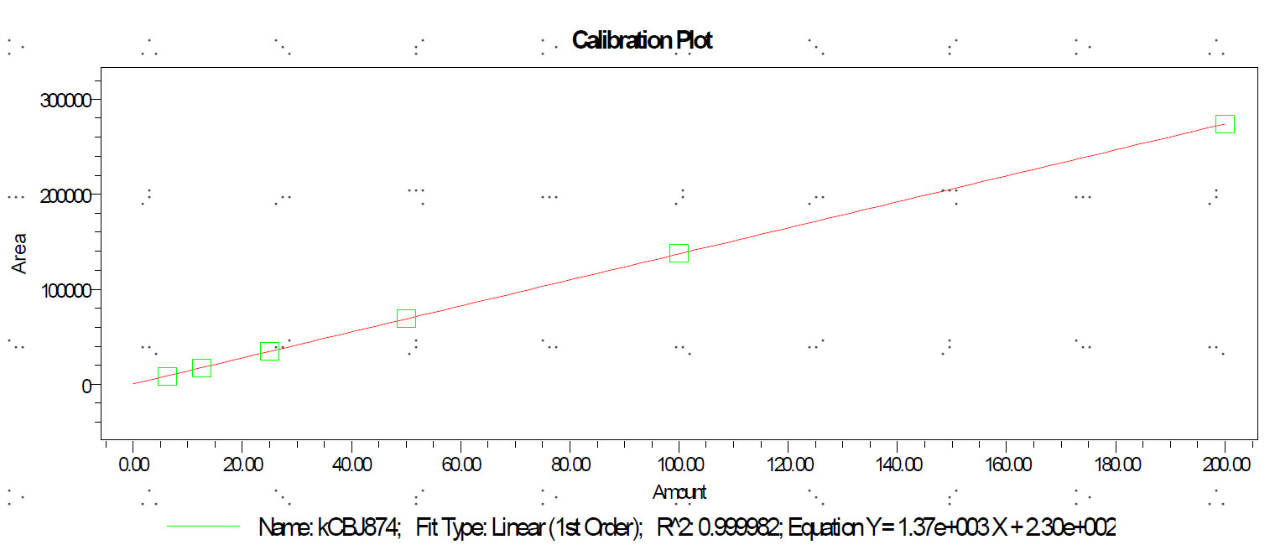

PDF

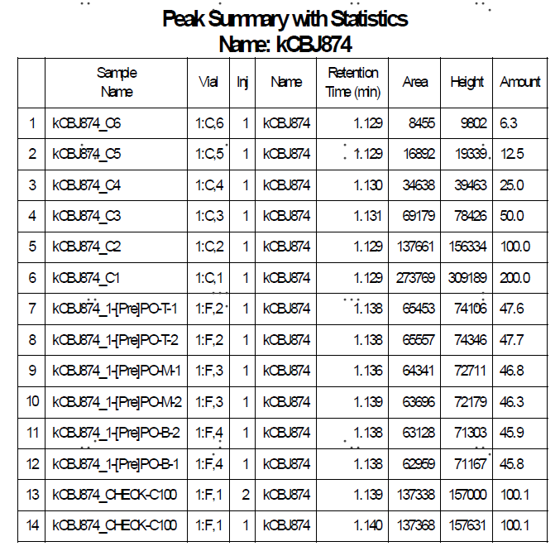
Report - Linear Dose

 |  |  |  | Results of Dose Formulation Determination

 | Group | Dose Route | Sample |  | Determination | Dilution | Measured | Calculated | Mean | Nominal | Accuracy | Test Article
 | No. |  | No. |  |  | Factor | Conc. | Conc. | Conc. | Conc. | (%)
 |  |  |  |  |  |  | (μg/mL) | (mg/mL) | (mg/mL) | (mg/mL)
 | 1 | [Pre]PO | T |  | 1 | 120 | 47.6 | 5.71 | 5.60 | 6.00 | 93.4 | kCBJ874
 | 1 | [Pre]PO | T |  | 2 | 120 | 47.7 | 5.72 | 5.60 | 6.00 | 93.4 | kCBJ874
 | 1 | [Pre]PO | M |  | 1 | 120 | 46.8 | 5.62 | 5.60 | 6.00 | 93.4 | kCBJ874
 | 1 | [Pre]PO | M |  | 2 | 120 | 46.3 | 5.56 | 5.60 | 6.00 | 93.4 | kCBJ874
 | 1 | [Pre]PO | B |  | 1 | 120 | 45.9 | 5.51 | 5.60 | 6.00 | 93.4 | kCBJ874
 | 1 | [Pre]PO | B |  | 2 | 120 | 45.8 | 5.50 | 5.60 | 6.00 | 93.4 | kCBJ874

Dose Raw Data&MD&Chromatogram
Verification Method

Interface Parameters:
 | 1
Mobile Phase A | 0.1% TFA in Water/ACN(v:v, 95:5)
Mobile Phase B | 0.1% TFA in ACN/water(v:v, 95:5)
Column
 | Waters CORTECS C18 2.7 μm 4.6*50mm Column
Flow Rate(ml/min) | 1.8
Detection Wavelength(nm) | 254
Injection Volume(μL) | 0.5

Instrument:
 | Name | LC
1 | BIO-HPLC-02-SZ | Waters UPLC

Gradient:
Time(min) | Floe Rate(ml/min) | %A | %B | %C | %D | Curve
Initial | 1.8 | 100 | 0 | 0 | 0 | Initial
2 | 1.8 | 0 | 100 | 0 | 0 | 6
3 | 1.8 | 100 | 0 | 0 | 0 | 1

Verification Method 2
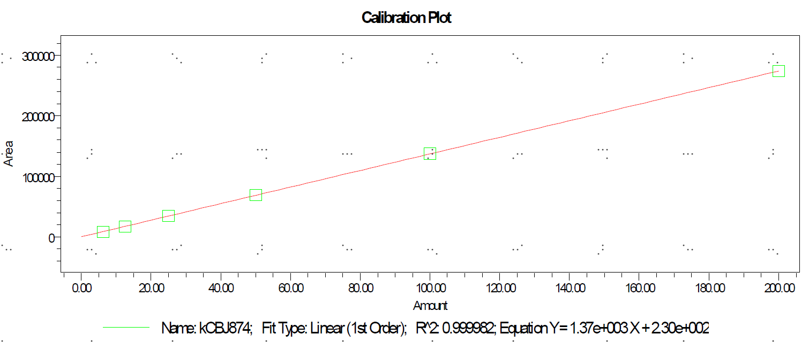

PDF

Report - Linear Dose
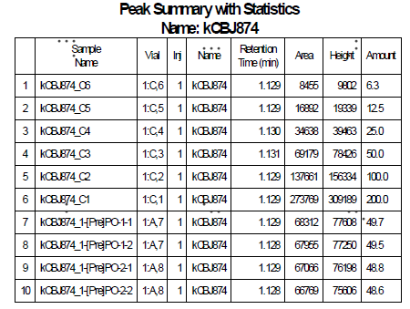

 |  |  |  |  | Results of Dose Formulation Determination

 |  | Group | Dose Route | Sample |  | Determination | Dilution | Measured | Calculated | Mean | Nominal | Accuracy | Test Article
 |  | No. |  | No. |  |  | Factor | Conc. | Conc. | Conc. | Conc. | (%)
 |  |  |  |  |  |  |  | (μg/mL) | (mg/mL) | (mg/mL) | (mg/mL)
 |  | 1 | [Pre]PO | 1 |  | 1 | 20 | 49.7 | 0.994 | 0.983 | 1 | 98.3 | kCBJ874
 |  | 1 | [Pre]PO | 1 |  | 2 | 20 | 49.5 | 0.99 | 0.983 | 1 | 98.3 | kCBJ874
 |  | 1 | [Pre]PO | 2 |  | 1 | 20 | 48.8 | 0.976 | 0.983 | 1 | 98.3 | kCBJ874
 |  | 1 | [Pre]PO | 2 |  | 2 | 20 | 48.6 | 0.972 | 0.983 | 1 | 98.3 | kCBJ874

