Analysis
Selection Result | Trial | Arena | mouse ID | familiar object1 / Nose-point Frequency | familiar object2 / Nose-point Frequency | novel novel / Nose-point Frequency | novel fami / Nose-point Frequency | total | novel/total
N_C | Trial 5 | Arena 1 | 2569 | 0 | 0 | 2 | 2 | 4 | 0.5
N_C | Trial 6 | Arena 1 | 2579 | 0 | 0 | 11 | 3 | 14 | 0.78571428571
N_C | Trial 11 | Arena 1 | 2570 | 0 | 0 | 19 | 6 | 25 | 0.76
N_C | Trial 12 | Arena 1 | 2577 | 0 | 0 | 12 | 9 | 21 | 0.57142857143
N_C | Trial 17 | Arena 1 | 2573 | 0 | 0 | 2 | 3 | 5 | 0.4
N_C | Trial 18 | Arena 1 | 2574 | 0 | 0 | 4 | 4 | 8 | 0.5
N_C | Trial 19 | Arena 2 | 2571 | 0 | 0 | 10 | 9 | 19 | 0.52631578947
N_C | Trial 20 | Arena 2 | 2580 | 0 | 0 | 8 | 8 | 16 | 0.5
N_C | Trial 25 | Arena 2 | 2572 | 0 | 0 | 12 | 15 | 27 | 0.44444444444
N_C | Trial 26 | Arena 2 | 2578 | 0 | 0 | 8 | 10 | 18 | 0.44444444444
N_C | Trial 31 | Arena 2 | 2576 | 0 | 0 | 10 | 4 | 14 | 0.71428571429
N_C | Trial 32 | Arena 2 | 2575 | 0 | 0 | 10 | 11 | 21 | 0.47619047619
N_S | Trial 5 | Arena 2 | 2571 | 0 | 0 | 17 | 13 | 30 | 0.56666666667
N_S | Trial 6 | Arena 2 | 2580 | 0 | 0 | 7 | 5 | 12 | 0.58333333333
N_S | Trial 11 | Arena 2 | 2572 | 0 | 0 | 28 | 16 | 44 | 0.63636363636
N_S | Trial 12 | Arena 2 | 2578 | 0 | 0 | 11 | 8 | 19 | 0.57894736842
N_S | Trial 17 | Arena 2 | 2576 | 0 | 0 | 1 | 1 | 2 | 0.5
N_S | Trial 18 | Arena 2 | 2575 | 0 | 0 | 15 | 11 | 26 | 0.57692307692
N_S | Trial 19 | Arena 1 | 2569 | 0 | 0 | 6 | 3 | 9 | 0.66666666667
N_S | Trial 20 | Arena 1 | 2579 | 0 | 0 | 13 | 3 | 16 | 0.8125
N_S | Trial 25 | Arena 1 | 2570 | 0 | 0 | 14 | 3 | 17 | 0.82352941176
N_S | Trial 26 | Arena 1 | 2577 | 0 | 0 | 9 | 3 | 12 | 0.75
N_S | Trial 31 | Arena 1 | 2573 | 0 | 0 | 4 | 6 | 10 | 0.4
N_S | Trial 32 | Arena 1 | 2574 | 0 | 0 | 10 | 5 | 15 | 0.66666666667

 |  |  | mouse ID | saline | CNO
 |  |  | 2571 | 0.56666666667 | 0.52631578947 |  | GREADD expression failed
 |  |  | 2580 | 0.58333333333 | 0.5
 |  |  | 2572 | 0.63636363636 | 0.44444444444
 |  |  | 2578 | 0.57894736842 | 0.44444444444
 |  |  | 2576 | 0.5 | 0.71428571429
 |  |  | 2575 | 0.57692307692 | 0.47619047619
 |  |  | 2569 | 0.66666666667 | 0.5
 |  |  | 2579 | 0.8125 | 0.78571428571
 |  |  | 2570 | 0.82352941176 | 0.76
 |  |  | 2577 | 0.75 | 0.57142857143 |  | tdTomato expression
 |  |  | 2573 | 0.4 | 0.4
 |  |  | 2574 | 0.66666666667 | 0.5

 |  |  | GiDREADD |  |  |  |  | mouse ID | saline | CNO
 |  |  | mouse ID | saline | CNO |  |  | 2580 | 0.58333333333 | 0.5
 |  |  | 2580 | 0.58333333333 | 0.5 |  |  | 2572 | 0.63636363636 | 0.44444444444
 |  |  | 2572 | 0.63636363636 | 0.44444444444 |  |  | 2575 | 0.57692307692 | 0.47619047619
 |  |  | 2575 | 0.57692307692 | 0.47619047619 |  |  | 2569 | 0.66666666667 | 0.5
 |  |  | 2569 | 0.66666666667 | 0.5 | 0.002521686151 |  | 2574 | 0.66666666667 | 0.5
 |  |  | 2574 | 0.66666666667 | 0.5
 |  |  |  |  |  | signrank test p=0.4063 |  |  | 0.63636363636 | 0.5

 |  |  | 2573 | 0.4 | 0.4 | no novel object recognition |  |  | 0.002521686151
 |  |  | 2576 | 0.5 | 0.71428571429 | outlier

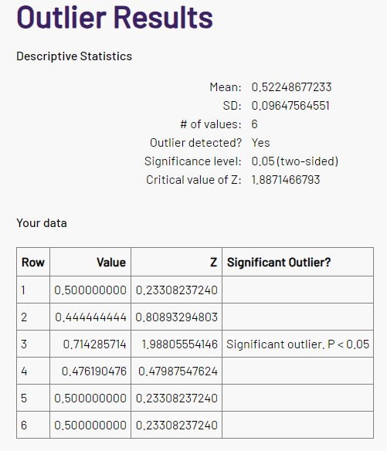
 |  |  | tdTomato
 |  |  | mouse ID | saline | CNO
 |  |  | 2578 | 0.57894736842 | 0.44444444444
 |  |  | 2579 | 0.8125 | 0.78571428571
 |  |  | 2577 | 0.75 | 0.57142857143

